Settings
PSAT API - query the phishing endpoint from Excel

PSAT API |  | HELP (GETTING STARTED)
API key | ••••••••• | 1. Create your API key in the PSAT platform
Location | US | 2. Pop-in your API key in cell B4
 |  | 3. Select the data center location of your PSAT instance
apiurl | https://results.us.securityeducation.com:443 | 4. <<optional>> parameters or leave blank
endpoint | /api/reporting/v0.1.0/phishing | 5. In the Data Menu, select Refresh All (use Public or Ignore the Privacy when asked)
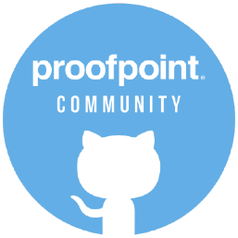
parameters

constants (don't change)
server location | EU | version 1.0
 | US | last updated: dec 8, 2022
 | AP

parameters
phishing endpoint | ?filter[a]=b&page[number]=#&page[size]=#
 | ?page[number]=1&page[size]=10&filter[_eventtimestamp_start]='2017-02-04'&filter[_eventtimestamp_end]='2017-02-07'
 | add your parameters
 | add your parameters

