Settings
PSAT Results API Explorer

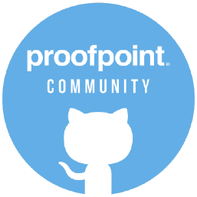
CONFIG |  | HELP (GETTING STARTED)
API key | ••••••••• | 1. Create your API key in the PSAT platform and pop-in the key in cell B4
Location | US | 2. Select the location of your PSAT service
Endpoint | PHISHING | 3. Select an endpoint you would like to explore
Parameters |  | 4. <<optional>> parameters or leave blank
 |  | 5. In the Data Menu, select Refresh All (use Public or Ignore the Privacy when asked)
apiurl | https://results.us.securityeducation.com:443 |  | GitHub proofpoint community - bvl
endpoint | /api/reporting/v0.1.0/phishing

OPTIONAL PARAMETERS
You can create a set of parameters (filters) per endpoint in the list below:
See the API doc on: | https://proofpoint.securityeducation.com/api/reporting/documentation/

parameters
phishing endpoint | PHISHING | ?page[number]=1&page[size]=10&filter[_eventtimestamp_start]='2022-11-01'&filter[_eventtimestamp_end]='2022-07-07'
 | CYBERSTRENGTH | ?filter[_assignmentstartdate_start]='2016-02-02'&filter[_assignmentstartdate_end]='2016-03-02'&filter[_includenotstarted]=TRUE
 | TRAINING | ?page[number]=1&page[size]=15&filter[_assignmentstartdate_start]='2017-03-03'&filter[_assignmentstartdate_end]='2017-04-03'

 |  | Add or change your own parameters

constants (don't change) |  | Helper for parameter selection
server location | EU | ?page[number]=1&page[size]=10&filter[_eventtimestamp_start]='2022-11-01'&filter[_eventtimestamp_end]='2022-07-07'
 | US
 | AP

endpoints | CYBERSTRENGTH
 | PHISHALARM
 | PHISHING
 | TRAINING
 | USERS
 | TRAININGENROLLMENTS

