Sheet1
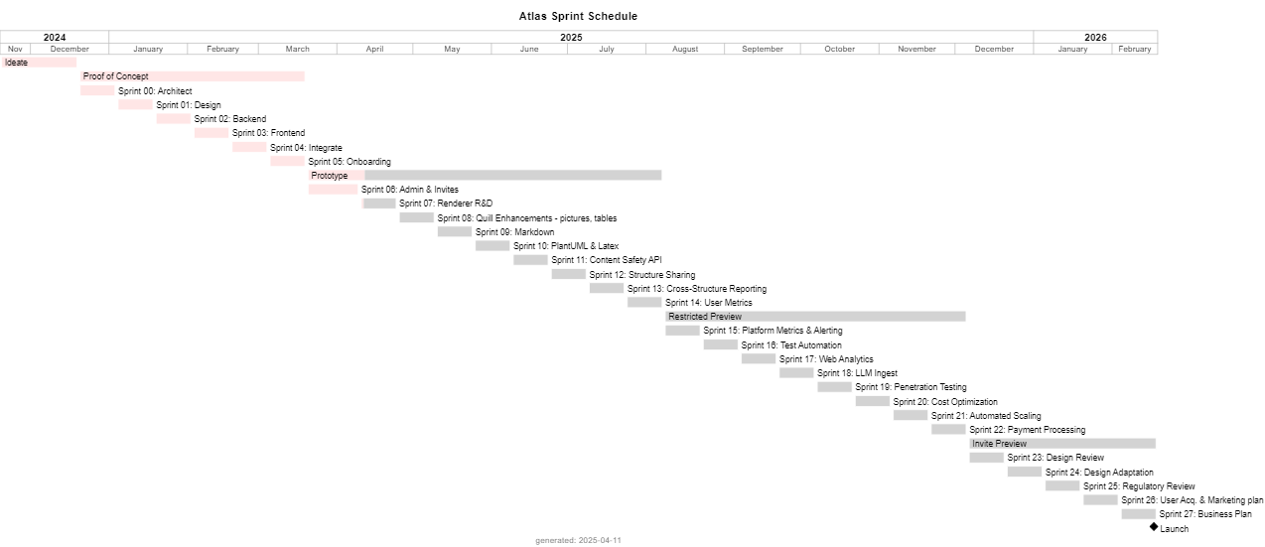
title | Atlas Sprint Schedule | type | name | start | end | display | type2 | @startgantt
Starting Sprint | 0 | increment | Ideate | 2024-11-19 | 2024-12-19 | Ideate | increment | <style>
header |  | increment | Proof of Concept | 2024-12-20 | 2025-03-19 | Proof of Concept | increment | ganttDiagram {
footer | generated: %date("YYYY-MM-dd") |  | Architect | 2024-12-20 | 2025-01-03 | Sprint 00: Architect | sprint | task {
caption |  |  | Design | 2025-01-04 | 2025-01-18 | Sprint 01: Design | sprint | BackGroundColor #ffe6e6
scale | projectscale monthly zoom 3 |  | Backend | 2025-01-19 | 2025-02-02 | Sprint 02: Backend | sprint | LineColor White
 |  |  | Frontend | 2025-02-03 | 2025-02-17 | Sprint 03: Frontend | sprint | }
Start | 2024-11-19 |  | Integrate | 2025-02-18 | 2025-03-04 | Sprint 04: Integrate | sprint | undone {
End | 2026-02-18 |  | Onboarding | 2025-03-05 | 2025-03-19 | Sprint 05: Onboarding | sprint | BackGroundColor LightGray
 |  | increment | Prototype | 2025-03-20 | 2025-08-07 | Prototype | increment | }
back | #ffe6e6 |  | Admin & Invites | 2025-03-20 | 2025-04-09 | Sprint 06: Admin & Invites | sprint | }
undone | LightGray |  | Renderer R&D | 2025-04-10 | 2025-04-24 | Sprint 07: Renderer R&D | sprint | </style>
 |  |  | Quill Enhancements - pictures, tables | 2025-04-25 | 2025-05-09 | Sprint 08: Quill Enhancements - pictures, tables | sprint | title Atlas Sprint Schedule
 |  |  | Markdown | 2025-05-10 | 2025-05-24 | Sprint 09: Markdown | sprint | projectscale monthly zoom 3
 |  |  | PlantUML & Latex | 2025-05-25 | 2025-06-08 | Sprint 10: PlantUML & Latex | sprint | hide footbox
 |  |  | Content Safety API | 2025-06-09 | 2025-06-23 | Sprint 11: Content Safety API | sprint | footer generated: %date("YYYY-MM-dd")
 |  |  | Structure Sharing | 2025-06-24 | 2025-07-08 | Sprint 12: Structure Sharing | sprint | Project starts 2024-11-19
 |  |  | Cross-Structure Reporting | 2025-07-09 | 2025-07-23 | Sprint 13: Cross-Structure Reporting | sprint | [Ideate] starts on 2024-11-19 and ends on 2024-12-19
 |  |  | User Metrics | 2025-07-24 | 2025-08-07 | Sprint 14: User Metrics | sprint | [Proof of Concept] starts on 2024-12-20 and ends on 2025-03-19
 |  | increment | Restricted Preview | 2025-08-08 | 2025-12-05 | Restricted Preview | increment | [Sprint 00: Architect] starts on 2024-12-20 and ends on 2025-01-03
 |  |  | Platform Metrics & Alerting | 2025-08-08 | 2025-08-22 | Sprint 15: Platform Metrics & Alerting | sprint | [Sprint 01: Design] starts on 2025-01-04 and ends on 2025-01-18
 |  |  | Test Automation | 2025-08-23 | 2025-09-06 | Sprint 16: Test Automation | sprint | [Sprint 02: Backend] starts on 2025-01-19 and ends on 2025-02-02
 |  |  | Web Analytics | 2025-09-07 | 2025-09-21 | Sprint 17: Web Analytics | sprint | [Sprint 03: Frontend] starts on 2025-02-03 and ends on 2025-02-17
 |  |  | LLM Ingest | 2025-09-22 | 2025-10-06 | Sprint 18: LLM Ingest | sprint | [Sprint 04: Integrate] starts on 2025-02-18 and ends on 2025-03-04
 |  |  | Penetration Testing | 2025-10-07 | 2025-10-21 | Sprint 19: Penetration Testing | sprint | [Sprint 05: Onboarding] starts on 2025-03-05 and ends on 2025-03-19
 |  |  | Cost Optimization | 2025-10-22 | 2025-11-05 | Sprint 20: Cost Optimization | sprint | [Prototype] starts on 2025-03-20 and ends on 2025-08-07
 |  |  | Automated Scaling | 2025-11-06 | 2025-11-20 | Sprint 21: Automated Scaling | sprint | [Sprint 06: Admin & Invites] starts on 2025-03-20 and ends on 2025-04-09
 |  |  | Payment Processing | 2025-11-21 | 2025-12-05 | Sprint 22: Payment Processing | sprint | [Sprint 07: Renderer R&D] starts on 2025-04-10 and ends on 2025-04-24
 |  | increment | Invite Preview | 2025-12-06 | 2026-02-18 | Invite Preview | increment | [Sprint 08: Quill Enhancements - pictures, tables] starts on 2025-04-25 and ends on 2025-05-09
 |  |  | Design Review | 2025-12-06 | 2025-12-20 | Sprint 23: Design Review | sprint | [Sprint 09: Markdown] starts on 2025-05-10 and ends on 2025-05-24
 |  |  | Design Adaptation | 2025-12-21 | 2026-01-04 | Sprint 24: Design Adaptation | sprint | [Sprint 10: PlantUML & Latex] starts on 2025-05-25 and ends on 2025-06-08
 |  |  | Regulatory Review | 2026-01-05 | 2026-01-19 | Sprint 25: Regulatory Review | sprint | [Sprint 11: Content Safety API] starts on 2025-06-09 and ends on 2025-06-23
 |  |  | User Acq. & Marketing plan | 2026-01-20 | 2026-02-03 | Sprint 26: User Acq. & Marketing plan | sprint | [Sprint 12: Structure Sharing] starts on 2025-06-24 and ends on 2025-07-08
 |  |  | Business Plan | 2026-02-04 | 2026-02-18 | Sprint 27: Business Plan | sprint | [Sprint 13: Cross-Structure Reporting] starts on 2025-07-09 and ends on 2025-07-23
 |  |  | Launch | 2026-02-17 |  | Launch | event | [Sprint 14: User Metrics] starts on 2025-07-24 and ends on 2025-08-07
 |  |  |  |  |  |  |  | [Restricted Preview] starts on 2025-08-08 and ends on 2025-12-05
 |  |  |  |  |  |  |  | [Sprint 15: Platform Metrics & Alerting] starts on 2025-08-08 and ends on 2025-08-22
 |  |  |  |  |  |  |  | [Sprint 16: Test Automation ] starts on 2025-08-23 and ends on 2025-09-06
 |  |  |  |  |  |  |  | [Sprint 17: Web Analytics] starts on 2025-09-07 and ends on 2025-09-21
 |  |  |  |  |  |  |  | [Sprint 18: LLM Ingest] starts on 2025-09-22 and ends on 2025-10-06
 |  |  |  |  |  |  |  | [Sprint 19: Penetration Testing] starts on 2025-10-07 and ends on 2025-10-21
 |  |  |  |  |  |  |  | [Sprint 20: Cost Optimization] starts on 2025-10-22 and ends on 2025-11-05
 |  |  |  |  |  |  |  | [Sprint 21: Automated Scaling] starts on 2025-11-06 and ends on 2025-11-20
 |  |  |  |  |  |  |  | [Sprint 22: Payment Processing] starts on 2025-11-21 and ends on 2025-12-05
 |  |  |  |  |  |  |  | [Invite Preview] starts on 2025-12-06 and ends on 2026-02-18
 |  |  |  |  |  |  |  | [Sprint 23: Design Review] starts on 2025-12-06 and ends on 2025-12-20
 |  |  |  |  |  |  |  | [Sprint 24: Design Adaptation] starts on 2025-12-21 and ends on 2026-01-04
 |  |  |  |  |  |  |  | [Sprint 25: Regulatory Review] starts on 2026-01-05 and ends on 2026-01-19
 |  |  |  |  |  |  |  | [Sprint 26: User Acq. & Marketing plan] starts on 2026-01-20 and ends on 2026-02-03
 |  |  |  |  |  |  |  | [Sprint 27: Business Plan] starts on 2026-02-04 and ends on 2026-02-18
 |  |  |  |  |  |  |  | [Launch] happens on 2026-02-17
 |  |  |  |  |  |  |  | [Ideate] is 100% complete
 |  |  |  |  |  |  |  | [Proof of Concept] is 100% complete
 |  |  |  |  |  |  |  | [Sprint 00: Architect] is 100% complete
 |  |  |  |  |  |  |  | [Sprint 01: Design] is 100% complete
 |  |  |  |  |  |  |  | [Sprint 02: Backend] is 100% complete
 |  |  |  |  |  |  |  | [Sprint 03: Frontend] is 100% complete
 |  |  |  |  |  |  |  | [Sprint 04: Integrate] is 100% complete
 |  |  |  |  |  |  |  | [Sprint 05: Onboarding] is 100% complete
 |  |  |  |  |  |  |  | [Prototype] is 18% complete
 |  |  |  |  |  |  |  | [Sprint 06: Admin & Invites] is 100% complete
 |  |  |  |  |  |  |  | [Sprint 07: Renderer R&D] is 29% complete
 |  |  |  |  |  |  |  | [Sprint 08: Quill Enhancements - pictures, tables] is 0% complete
 |  |  |  |  |  |  |  | [Sprint 09: Markdown] is 0% complete
 |  |  |  |  |  |  |  | [Sprint 10: PlantUML & Latex] is 0% complete
 |  |  |  |  |  |  |  | [Sprint 11: Content Safety API] is 0% complete
 |  |  |  |  |  |  |  | [Sprint 12: Structure Sharing] is 0% complete
 |  |  |  |  |  |  |  | [Sprint 13: Cross-Structure Reporting] is 0% complete
 |  |  |  |  |  |  |  | [Sprint 14: User Metrics] is 0% complete
 |  |  |  |  |  |  |  | [Restricted Preview] is 0% complete
 |  |  |  |  |  |  |  | [Sprint 15: Platform Metrics & Alerting] is 0% complete
 |  |  |  |  |  |  |  | [Sprint 16: Test Automation ] is 0% complete
 |  |  |  |  |  |  |  | [Sprint 17: Web Analytics] is 0% complete
 |  |  |  |  |  |  |  | [Sprint 18: LLM Ingest] is 0% complete
 |  |  |  |  |  |  |  | [Sprint 19: Penetration Testing] is 0% complete
 |  |  |  |  |  |  |  | [Sprint 20: Cost Optimization] is 0% complete
 |  |  |  |  |  |  |  | [Sprint 21: Automated Scaling] is 0% complete
 |  |  |  |  |  |  |  | [Sprint 22: Payment Processing] is 0% complete
 |  |  |  |  |  |  |  | [Invite Preview] is 0% complete
 |  |  |  |  |  |  |  | [Sprint 23: Design Review] is 0% complete
 |  |  |  |  |  |  |  | [Sprint 24: Design Adaptation] is 0% complete
 |  |  |  |  |  |  |  | [Sprint 25: Regulatory Review] is 0% complete
 |  |  |  |  |  |  |  | [Sprint 26: User Acq. & Marketing plan] is 0% complete
 |  |  |  |  |  |  |  | [Sprint 27: Business Plan] is 0% complete

 |  |  |  |  |  |  |  | @endgantt

