simpleSequence
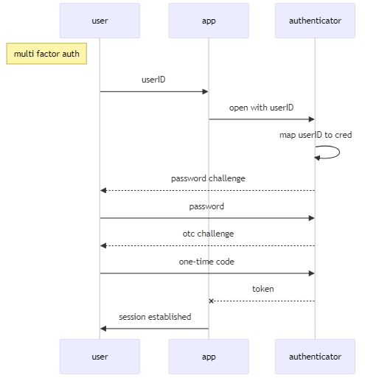
title | multi factor auth | source | target | action | connector | mmSyntax | mermaid markup (copy/paste)
show title | TRUE | user | app | userID | ➞ | user->>app: userID | ```mermaid
autonumber | FALSE | app | authenticator | open with userID | ➞ | app->>authenticator: open with userID
show pseudohash | FALSE | authenticator | authenticator | map userID to cred | ➞ | authenticator->>authenticator: map userID to cred | sequenceDiagram
pseudoHash | 4E215EC | authenticator | user | password challenge | ⇢ | authenticator-->>user: password challenge | note left of user: multi factor auth
 |  | user | authenticator | password | ➞ | user->>authenticator: password
 |  | authenticator | user | otc challenge | ⇢ | authenticator-->>user: otc challenge
 |  | user | authenticator | one-time code | ➞ | user->>authenticator: one-time code | user->>app: userID
 |  | authenticator | app | token | ┄x | authenticator--xapp: token | app->>authenticator: open with userID
objects |  | app | user | session established | ➞ | app->>user: session established | authenticator->>authenticator: map userID to cred
app |  |  |  |  |  |  | authenticator-->>user: password challenge
authenticator |  |  |  |  |  |  | user->>authenticator: password
target |  |  |  |  |  |  | authenticator-->>user: otc challenge
user |  |  |  |  |  |  | user->>authenticator: one-time code
 |  |  |  |  |  |  | authenticator--xapp: token
 |  |  |  |  |  |  | app->>user: session established

state
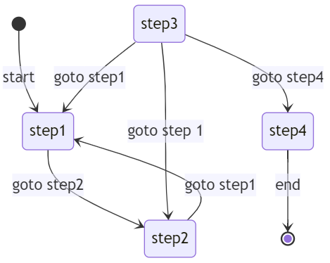
source | target | label | mermaid markup (copy/paste)
[*] | step1 | start | ```mermaid
step1 | step2 | goto step2
step2 | step1 | goto step1 | stateDiagram-v2
step3 | step4 |  | [*]-->step1: start
step3 | step1 | goto step1 | step1-->step2: goto step2
step3 | step2 | goto step 1 | step2-->step1: goto step1
step4 | [*] | end | step3-->step4:
 |  |  | step3-->step1: goto step1
 |  |  | step3-->step2: goto step 1
 |  |  | step4-->[*]: end

quadrant
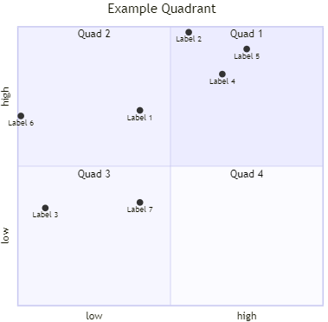
Element | Value | Axis | lowLabel | highLabel | Label | X | Y | mermaid markup (copy/paste)
title | Example Quadrant | x-axis | low | high | Label 1 | 0.4 | 0.7 | ```mermaid
quadrant-1 | Quad 1 | y-axis | low | high | Label 2 | 0.56 | 0.98
quadrant-2 | Quad 2 |  |  |  | Label 3 | 0.09 | 0.35 | quadrantChart
quadrant-3 | Quad 3 |  |  |  | Label 4 | 0.67 | 0.83 | title Example Quadrant
quadrant-4 | Quad 4 |  |  |  | Label 5 | 0.75 | 0.92 | quadrant-1 Quad 1
 |  |  |  |  | Label 6 | 0.01 | 0.68 | quadrant-2 Quad 2
 |  |  |  |  | Label 7 | 0.4 | 0.37 | quadrant-3 Quad 3
 |  |  |  |  |  |  |  | quadrant-4 Quad 4
 |  |  |  |  |  |  |  | x-axis low --> high
 |  |  |  |  |  |  |  | y-axis low --> high
 |  |  |  |  |  |  |  | Label 1: [0.4, 0.7]
 |  |  |  |  |  |  |  | Label 2: [0.56, 0.98]
 |  |  |  |  |  |  |  | Label 3: [0.09, 0.35]
 |  |  |  |  |  |  |  | Label 4: [0.67, 0.83]
 |  |  |  |  |  |  |  | Label 5: [0.75, 0.92]
 |  |  |  |  |  |  |  | Label 6: [0.01, 0.68]
 |  |  |  |  |  |  |  | Label 7: [0.4, 0.37]

flow
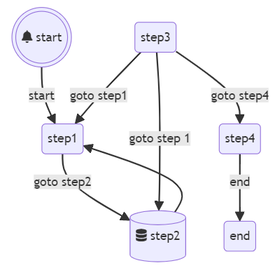
defaultShape | rounded box |  | source | target | dir | label | mermaid markup (copy/paste)
 |  |  | start | step1 |  | start | ```mermaid
object | shape | icon | step1 | step2 |  | goto step2
start | double circle | bell | step2 | step1 |  |  | flowchart TD
step2 | database | database | step3 | step4 |  | goto step4 | 1(((fa:fa-bell start)))-->|start|2(step1)
 |  |  | step3 | step1 |  | goto step1 | 2(step1)-->|goto step2|3[(fa:fa-database step2)]
 |  |  | step3 | step2 |  | goto step 1 | 3[(fa:fa-database step2)]-->2(step1)
 |  |  | step4 | end |  | end | 4(step3)-->|goto step4|5(step4)
 |  |  |  |  |  |  | 4(step3)-->|goto step1|2(step1)
 |  |  |  |  |  |  | 4(step3)-->|goto step 1|3[(fa:fa-database step2)]
 |  |  |  |  |  |  | 5(step4)-->|end|6(end)

erd
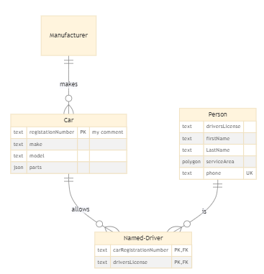
Source | description | LeftRelationship | RightRelationship | Target | Entity | Type | Attribute (no spaces) | key | Comment | mermaid markup (copy/paste)
Manufacturer | makes | Exactly one | Zero or more | Car | Car | text | registationNumber | PK | my comment | ```mermaid
Car | allows | Exactly one | Zero or more | Named-Driver | Car | text | make
Person | is | Exactly one | Zero or more | Named-Driver | Car | text | model |  |  | erDiagram
 |  |  |  |  | Car | json | parts |  |  | Manufacturer||--o{Car : makes
 |  |  |  |  | Person | text | driversLicense |  |  | Car||--o{Named-Driver : allows
 |  |  |  |  | Person | text | firstName |  |  | Person||--o{Named-Driver : is
 |  |  |  |  | Person | text | LastName |  |  | Car {
 |  |  |  |  | Person | polygon | serviceArea |  |  | text registationNumber PK "my comment"
 |  |  |  |  | Person | text | phone | UK |  | text make
 |  |  |  |  | Named-Driver | text | carRegistrationNumber | PK, FK |  | text model
 |  |  |  |  | Named-Driver | text | driversLicense | PK, FK |  | json parts
 |  |  |  |  |  |  |  |  |  | }
 |  |  |  |  |  |  |  |  |  | Manufacturer {
 |  |  |  |  |  |  |  |  |  | }
 |  |  |  |  |  |  |  |  |  | Person {
 |  |  |  |  |  |  |  |  |  | text driversLicense
 |  |  |  |  |  |  |  |  |  | text firstName
 |  |  |  |  |  |  |  |  |  | text LastName
 |  |  |  |  |  |  |  |  |  | polygon serviceArea
 |  |  |  |  |  |  |  |  |  | text phone UK
 |  |  |  |  |  |  |  |  |  | }
 |  |  |  |  |  |  |  |  |  | Named-Driver{
 |  |  |  |  |  |  |  |  |  | text carRegistrationNumber PK, FK
 |  |  |  |  |  |  |  |  |  | text driversLicense PK, FK
 |  |  |  |  |  |  |  |  |  | }

