🔀 class
direction | LR

note | class | class | attribute | visbility | classifier | srcClass | tgtClass | labelText | type | card | rel | card2 | rel2 | mermaid markup (copy/paste)
Airline Booking System |  | card | id | private |  | card | traveler |  |  | "0..1" |  | "1" |  | classDiagram
Try the link! | luggage | card | miles | public |  | traveler | ticket |  |  | "1" |  |  | |> | direction LR
 |  |  |  |  |  | ticket | coupon |  |  | "1" | o | "1..n"
 |  | traveler | DoB~date~ | protected |  | coupon | available seat |  |  | "0..1" |  | "0..1" |  | %% Relationships
 |  | traveler | name | protected |  | coupon | luggage |  | dashed | "1" |  | "*" |  | card "0..1" -- "1" traveler
 |  |  |  |  |  | coupon | flight |  |  | "*" |  | "1" |  | traveler "1" -- |> ticket
 |  | ticket | code | public |  | flight | flightNumber |  |  | "*" |  | "1" |  | ticket "1" o-- "1..n" coupon
 |  | ticket | number~str~ | public |  | flightNumber | airport | start |  | "1..*" |  | "1" |  | coupon "0..1" -- "0..1" available seat
 |  |  |  |  |  | airport | flightNumber | goal |  | "1" |  | "1..*" |  | coupon "1" .. "*" luggage
 |  | coupon | redemption~date~ |  |  | flight | planeModel |  |  | "*" |  | "1" |  | coupon "*" -- "1" flight
 |  | coupon | class |  |  | planeModel | seat | has |  | "1" | o | "n" |  | flight "*" -- "1" flightNumber
 |  | coupon | standby~bool~ |  |  | planeModel | airplane |  |  | "1" |  | "*" |  | flightNumber "1..*" -- "1" airport : start
 |  |  |  |  |  | available seat | seat |  |  | "*" |  | "1" |  | airport "1" -- "1..*" flightNumber : goal
class | link | luggage | number~int~ |  |  |  |  |  |  |  |  |  |  | flight "*" -- "1" planeModel
luggage | https://mermaid.js.org/syntax/classDiagram.html | luggage | weight~int~ |  |  |  |  |  |  |  |  |  |  | planeModel "1" o-- "n" seat : has
 |  |  |  |  |  |  |  |  |  |  |  |  |  | planeModel "1" -- "*" airplane
 |  | airport | name | public |  |  |  |  |  |  |  |  |  | available seat "*" -- "1" seat

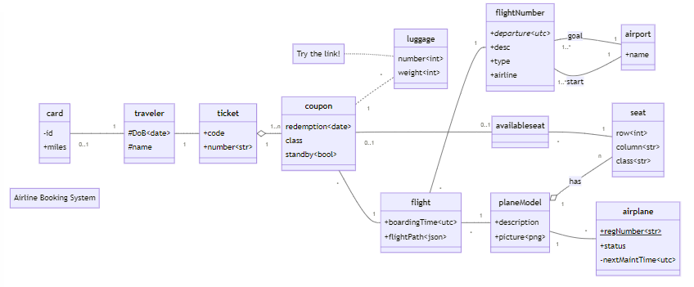
 |  |  |  |  |  |  |  |  |  |  |  |  |  | %% Members
 |  | flightNumber | departure~utc~ | public | Abstract |  |  |  |  |  |  |  |  | card : -id
 |  | flightNumber | desc | public |  |  |  |  |  |  |  |  |  | card : +miles
 |  | flightNumber | type | public |  |  |  |  |  |  |  |  |  | traveler : #DoB~date~
 |  | flightNumber | airline | public |  |  |  |  |  |  |  |  |  | traveler : #name
 |  |  |  |  |  |  |  |  |  |  |  |  |  | ticket : +code
 |  | flight | boardingTime~utc~ | public |  |  |  |  |  |  |  |  |  | ticket : +number~str~
 |  | flight | flightPath~json~ | public |  |  |  |  |  |  |  |  |  | coupon : redemption~date~
 |  |  |  |  |  |  |  |  |  |  |  |  |  | coupon : class
 |  | planeModel | description | public |  |  |  |  |  |  |  |  |  | coupon : standby~bool~
 |  | planeModel | picture~png~ | public |  |  |  |  |  |  |  |  |  | luggage : number~int~
 |  |  |  |  |  |  |  |  |  |  |  |  |  | luggage : weight~int~
 |  | seat | row~int~ |  |  |  |  |  |  |  |  |  |  | airport : +name
 |  | seat | column~str~ |  |  |  |  |  |  |  |  |  |  | flightNumber : +departure~utc~*
 |  | seat | class~str~ |  |  |  |  |  |  |  |  |  |  | flightNumber : +desc
 |  |  |  |  |  |  |  |  |  |  |  |  |  | flightNumber : +type
 |  |  |  |  |  |  |  |  |  |  |  |  |  | flightNumber : +airline
 |  | airplane | regNumber~str~ | public | Static |  |  |  |  |  |  |  |  | flight : +boardingTime~utc~
 |  | airplane | status | public |  |  |  |  |  |  |  |  |  | flight : +flightPath~json~
 |  | airplane | nextMaintTime~utc~ | private |  |  |  |  |  |  |  |  |  | planeModel : +description
 |  |  |  |  |  |  |  |  |  |  |  |  |  | planeModel : +picture~png~
 |  |  |  |  |  |  |  |  |  |  |  |  |  | seat : row~int~
 |  |  |  |  |  |  |  |  |  |  |  |  |  | seat : column~str~
 |  |  |  |  |  |  |  |  |  |  |  |  |  | seat : class~str~
 |  |  |  |  |  |  |  |  |  |  |  |  |  | airplane : +regNumber~str~$
 |  |  |  |  |  |  |  |  |  |  |  |  |  | airplane : +status
 |  |  |  |  |  |  |  |  |  |  |  |  |  | airplane : -nextMaintTime~utc~

 |  |  |  |  |  |  |  |  |  |  |  |  |  | %% Links
 |  |  |  |  |  |  |  |  |  |  |  |  |  | link luggage "https://mermaid.js.org/syntax/classDiagram.html"

 |  |  |  |  |  |  |  |  |  |  |  |  |  | %% Notes
 |  |  |  |  |  |  |  |  |  |  |  |  |  | note "Airline Booking System"
 |  |  |  |  |  |  |  |  |  |  |  |  |  | note for luggage "Try the link!"

※ entity
Default Relationship | ==1 |  |  |  |  | group | Entity | Attribute (no spaces) | Type | key | mmSyntax | error | mermaid markup (copy/paste)
 |  |  |  |  |  |  |  |  |  |  |  |  | erDiagram
 |  |  |  |  |  |  | Car | make | string |  | string make "my comment"
Source | description | left | right | Target | mmSyntax |  | Car | model | string |  | string model |  | %% Entities
Manufacturer | 1:* | ==1 | ==1 | Car | Manufacturer||--||Car : "1:*" |  | Car | parts | json |  | json parts |  | Manufacturer||--||Car : "1:*"
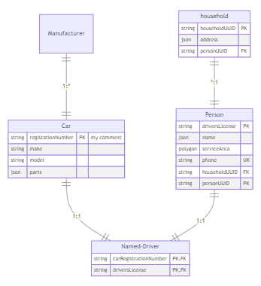
Car | 1:1 | ==1 | ==1 | Named-Driver | Car||--||Named-Driver : "1:1" |  | Car | reg number | string | PK | %% no spaces allowed in attribute: reg number | %% no spaces allowed in attribute: reg number | Car||--||Named-Driver : "1:1"
Person | 1:1 | ==1 | ==1 | Named-Driver | Person||--||Named-Driver : "1:1" |  | Car | VIN | string | UK | string VIN UK |  | Person||--||Named-Driver : "1:1"
household | *:1 | ==1 | ==1 | Person | household||--||Person : "*:1" |  |  |  |  |  |  |  | household||--||Person : "*:1"

 |  |  |  |  |  |  | Named-Driver | carRegistrationNumber | string | PK, FK | string carRegistrationNumber PK, FK |  | %% Attributes
 |  |  |  |  |  |  | Named-Driver | driversLicense | string | FK, UK | string driversLicense FK, UK |  | Named-Driver{
 |  |  |  |  |  |  |  |  |  |  |  |  | string carRegistrationNumber PK, FK
 |  |  |  |  |  |  |  |  |  |  |  |  | string driversLicense FK, UK
 |  |  |  |  |  |  | Person | driversLicense | string | UK | string driversLicense UK |  | }
 |  |  |  |  |  |  | Person | name | json |  | json name |  | Car{
 |  |  |  |  |  |  | Person | serviceArea | polygon |  | polygon serviceArea |  | string make "my comment"
 |  |  |  |  |  |  | Person | phone | string | UK | string phone UK |  | string model
 |  |  |  |  |  |  | Person | householdUUID | string | FK | string householdUUID FK |  | json parts
 |  |  |  |  |  |  | Person | personUUID | string | PK | string personUUID PK |  | %% no spaces allowed in attribute: reg number
 |  |  |  |  |  |  |  |  |  |  |  |  | string VIN UK
 |  |  |  |  |  |  |  |  |  |  |  |  | }
 |  |  |  |  |  |  |  |  |  |  |  |  | Person{
 |  |  |  |  |  |  | household | householdUUID | string | PK | string householdUUID PK |  | string driversLicense UK
 |  |  |  |  |  |  | household | address | json |  | json address |  | json name
 |  |  |  |  |  |  | household | personUUID | string | FK | string personUUID FK |  | polygon serviceArea
 |  |  |  |  |  |  |  |  |  |  |  |  | string phone UK
 |  |  |  |  |  |  |  |  |  |  |  |  | string householdUUID FK
 |  |  |  |  |  |  |  |  |  |  |  |  | string personUUID PK
 |  |  |  |  |  |  |  |  |  |  |  |  | }
 |  |  |  |  |  |  |  |  |  |  |  |  | household{
 |  |  |  |  |  |  |  |  |  |  |  |  | string householdUUID PK
 |  |  |  |  |  |  |  |  |  |  |  |  | json address
 |  |  |  |  |  |  |  |  |  |  |  |  | string personUUID FK
 |  |  |  |  |  |  |  |  |  |  |  |  | }

🔀 flow
defaultShape | rounded box |  | source | target | dir | label | mermaid markup (copy/paste)
direction | TD |  | start | step1 |  | start | flowchart TD
auto# delim | : |  | step1 | step2 |  | goto step2 | 1(((fa:fa-bell start)))-->|1: start|2(step1)
 |  |  |  |  |  |  | 2(step1)-->|2: goto step2|3[(fa:fa-database step2)]
 |  |  |  |  |  |  | 3[(fa:fa-database step2)]-->2(step1)
 |  |  |  |  |  |  | 4(step3)-->|3: goto step4|5(step4)
object | shape | icon |  |  |  |  | 4(step3)-->|4: goto step1|2(step1)
start | double circle | bell |  |  |  |  | 4(step3)-->|5: goto step 1|3[(fa:fa-database step2)]
step2 | database | database |  |  |  |  | 5(step4)-->|6: end|6(end)
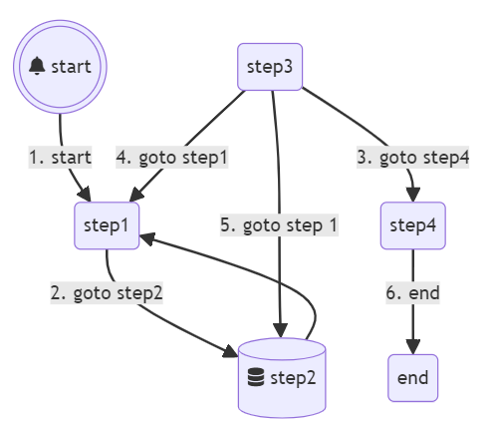

 |  |  | step2 | step1
 |  |  | step3 | step4 |  | goto step4
 |  |  | step3 | step1 |  | goto step1
 |  |  | step3 | step2 |  | goto step 1
 |  |  | step4 | end |  | end

🔳 quadrant
Element | Value | mmSyntax | Axis | lowLabel | highLabel | Label | X | Y | mermaid markup (copy/paste) | Credit XKCD
title | Good and Bad ideas (https://xkcd.com/2929/) | title Good and Bad ideas (https://xkcd.com/2929/) | x-axis | sounds good | sounds bad | Always saying what you think | 0.3 | 0.76 | quadrantChart
quadrant-1 |  |  | y-axis | actually good | actually bad | Asbestos | 0.15 | 0.85
quadrant-2 |  |  |  |  |  | Bloodletting | 0.85 | 0.95 | %% Quadrant Setup
quadrant-3 |  |  |  |  |  | Combo washer dryers | 0.15 | 0.45 | title Good and Bad ideas (https://xkcd.com/2929/)
quadrant-4 |  |  |  |  |  | Crumple zones | 0.75 | 0.25
 |  |  |  |  |  | cutting pizza in squares | 0.59 | 0.59 | %% Axis Setup
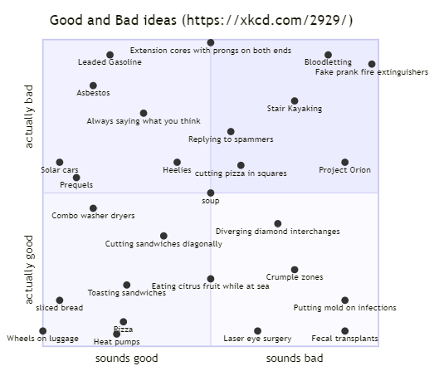
 |  |  |  |  |  | Cutting sandwiches diagonally | 0.36 | 0.36 | x-axis sounds good --> sounds bad
 |  |  |  |  |  | Diverging diamond interchanges | 0.7 | 0.4 | y-axis actually good --> actually bad
 |  |  |  |  |  | Eating citrus fruit while at sea | 0.5 | 0.22
 |  |  |  |  |  | Extension cores with prongs on both ends | 0.5 | 0.99 | %% values
 |  |  |  |  |  | Fake prank fire extinguishers | 0.98 | 0.92 | Always saying what you think: [0.3, 0.76]
 |  |  |  |  |  | Fecal transplants | 0.9 | 0.05 | Asbestos: [0.15, 0.85]
 |  |  |  |  |  | Heat pumps | 0.22 | 0.04 | Bloodletting: [0.85, 0.95]
 |  |  |  |  |  | Heelies | 0.4 | 0.6 | Combo washer dryers: [0.15, 0.45]
 |  |  |  |  |  | Laser eye surgery | 0.64 | 0.05 | Crumple zones: [0.75, 0.25]
 |  |  |  |  |  | Leaded Gasoline | 0.2 | 0.95 | cutting pizza in squares: [0.59, 0.59]
 |  |  |  |  |  | Pizza | 0.24 | 0.08 | Cutting sandwiches diagonally: [0.36, 0.36]
 |  |  |  |  |  | Prequels | 0.1 | 0.55 | Diverging diamond interchanges: [0.7, 0.4]
 |  |  |  |  |  | Project Orion | 0.9 | 0.6 | Eating citrus fruit while at sea: [0.5, 0.22]
 |  |  |  |  |  | Putting mold on infections | 0.9 | 0.15 | Extension cores with prongs on both ends: [0.5, 0.99]
® |  |  |  |  |  | Replying to spammers | 0.56 | 0.7 | Fake prank fire extinguishers: [0.98, 0.92]
 |  |  |  |  |  | sliced bread | 0.05 | 0.15 | Fecal transplants: [0.9, 0.05]
 |  |  |  |  |  | Solar cars | 0.05 | 0.6 | Heat pumps: [0.22, 0.04]
 |  |  |  |  |  | soup | 0.5 | 0.5 | Heelies: [0.4, 0.6]
 |  |  |  |  |  | Stair Kayaking | 0.75 | 0.8 | Laser eye surgery: [0.64, 0.05]
 |  |  |  |  |  | Toasting sandwiches | 0.25 | 0.2 | Leaded Gasoline: [0.2, 0.95]
 |  |  |  |  |  | Wheels on luggage | 0 | 0.05 | Pizza: [0.24, 0.08]
 |  |  |  |  |  |  |  |  | Prequels: [0.1, 0.55]
 |  |  |  |  |  |  |  |  | Project Orion: [0.9, 0.6]
 |  |  |  |  |  |  |  |  | Putting mold on infections: [0.9, 0.15]
 |  |  |  |  |  |  |  |  | Replying to spammers: [0.56, 0.7]
 |  |  |  |  |  |  |  |  | sliced bread: [0.05, 0.15]
 |  |  |  |  |  |  |  |  | Solar cars: [0.05, 0.6]
 |  |  |  |  |  |  |  |  | soup: [0.5, 0.5]
 |  |  |  |  |  |  |  |  | Stair Kayaking: [0.75, 0.8]
 |  |  |  |  |  |  |  |  | Toasting sandwiches: [0.25, 0.2]
 |  |  |  |  |  |  |  |  | Wheels on luggage: [0, 0.05]

🔢 sequence
title | multi factor auth |  |  | Action | source | target | message | connector | mmSyntax | mermaid markup (copy/paste) | loop | middle | front
show title | TRUE |  |  |  |  |  |  |  |  | sequenceDiagram | user->>app: userID | Box middle | Box gray front
autonumber | TRUE |  |  | loop |  |  |  |  | loop | autonumber | app->>authenticator: open with userID | Participant authenticator | Actor user | %% Diagram
show pseudohash | FALSE |  |  |  | user | app | userID | ➞ | user->>app: userID |  | end | end | end | loop
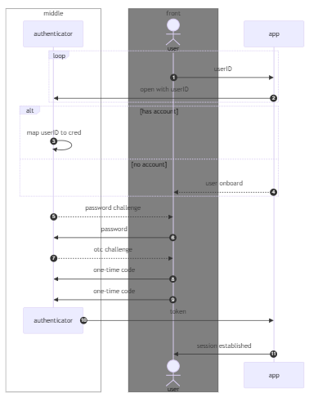
pseudoHash | 6A1656E7 |  |  |  | app | authenticator | open with userID | ➞ | app->>authenticator: open with userID | %% Actors | alt has account |  |  | user->>app: userID
 |  |  |  | end |  |  |  |  | end | Participant authenticator | authenticator->>authenticator: map userID to cred |  |  | app->>authenticator: open with userID
Object | Box | type | mmSyntax | alt |  |  | has account |  | alt has account | Actor user | else no account |  |  | end
authenticator | middle | Participant | Participant authenticator |  | authenticator | authenticator | map userID to cred | ➞ | authenticator->>authenticator: map userID to cred |  | app-->>user: user onboard |  |  | alt has account
user | front | Actor | Actor user | else |  |  | no account |  | else no account | %% Boxes | end |  |  | authenticator->>authenticator: map userID to cred
 |  |  |  |  | app | user | user onboard | ⇢ | app-->>user: user onboard |  | authenticator-->>user: password challenge |  |  | else no account
 |  |  |  | end |  |  |  |  | end | %% Diagram | user->>authenticator: password |  |  | app-->>user: user onboard
 |  |  |  |  | authenticator | user | password challenge | ⇢ | authenticator-->>user: password challenge | loop | authenticator-->>user: otc challenge |  |  | end
 |  |  |  |  | user | authenticator | password | ➞ | user->>authenticator: password | user->>app: userID | user->>authenticator: one-time code |  |  | authenticator-->>user: password challenge
 |  |  |  |  | authenticator | user | otc challenge | ⇢ | authenticator-->>user: otc challenge | app->>authenticator: open with userID | user->>authenticator: one-time code |  |  | user->>authenticator: password
 |  |  |  |  | user | authenticator | one-time code | ➞ | user->>authenticator: one-time code | end | destroy authenticator |  |  | authenticator-->>user: otc challenge
 |  |  |  |  |  |  |  |  |  | alt has account | authenticator->>app: token |  |  | user->>authenticator: one-time code
 |  |  |  |  | user | authenticator | one-time code | ➞ | user->>authenticator: one-time code | authenticator->>authenticator: map userID to cred | app->>user: session established |  |  | user->>authenticator: one-time code
 |  |  |  |  |  |  |  |  |  | else no account |  |  |  | destroy authenticator
 |  |  |  |  |  |  |  |  |  | app-->>user: user onboard |  |  |  | authenticator->>app: token
 |  |  |  | destroy |  |  | authenticator |  | destroy authenticator | end |  |  |  | app->>user: session established
 |  |  |  |  | authenticator | app | token | ➞ | authenticator->>app: token | authenticator-->>user: password challenge |  |  |  | Box gray front
 |  |  |  |  |  |  |  |  |  | user->>authenticator: password |  |  |  | Actor user
 |  |  |  |  |  |  |  |  |  | authenticator-->>user: otc challenge |  |  |  | end
Box | Color | mmSyntax |  |  |  |  |  |  |  | user->>authenticator: one-time code |  |  |  | Box middle
front | gray | Box gray front |  |  | app | user | session established | ➞ | app->>user: session established | user->>authenticator: one-time code |  |  |  | Participant authenticator
middle |  | Box middle |  |  |  |  |  |  |  | destroy authenticator |  |  |  | end
 |  |  |  |  |  |  |  |  |  | authenticator->>app: token
 |  |  |  |  |  |  |  |  |  | app->>user: session established
 |  |  |  |  |  |  |  |  |  | Box gray front
 |  |  |  |  |  |  |  |  |  | Actor user
 |  |  |  |  |  |  |  |  |  | end
 |  |  |  |  |  |  |  |  |  | Box middle
 |  |  |  |  |  |  |  |  |  | Participant authenticator
 |  |  |  |  |  |  |  |  |  | end

🔄 simpleState
direction | LR | source | target | label | Note | mmSyntax | mermaid markup (copy/paste)
 |  | [*] | step1 | start |  | [*]-->step1: start | stateDiagram-v2
 |  | step1 | step2 | goto step2 |  | step1-->step2: goto step2 | direction LR
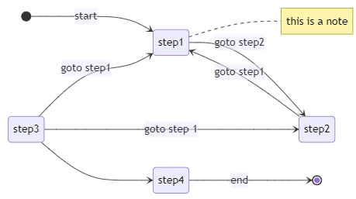
 |  |  |  | this is a note | right | note right of step1 : this is a note | [*]-->step1: start
 |  |  |  |  |  |  | step1-->step2: goto step2
 |  |  |  |  |  |  | note right of step1 : this is a note
 |  |  |  |  |  |  | step2-->step1: goto step1
 |  | step2 | step1 | goto step1 |  | step2-->step1: goto step1 | step3-->step4:
 |  | step3 | step4 |  |  | step3-->step4: | step3-->step1: goto step1
 |  | step3 | step1 | goto step1 |  | step3-->step1: goto step1 | state join_state <<join>>-->:
 |  | state join_state <<join>> |  |  |  | state join_state <<join>>-->: | step3-->step2: goto step 1
 |  |  |  |  |  |  | step4-->[*]: end
 |  | step3 | step2 | goto step 1 |  | step3-->step2: goto step 1
 |  | step4 | [*] | end |  | step4-->[*]: end

🔢 simpleSequence
title | multi factor auth | source | target | action | connector | mmSyntax | mermaid markup (copy/paste)
show title | TRUE | user | app | userID | ➞ | user->>app: userID | sequenceDiagram
autonumber | TRUE | app | authenticator | open with userID | ➞ | app->>authenticator: open with userID | note left of user: multi factor auth
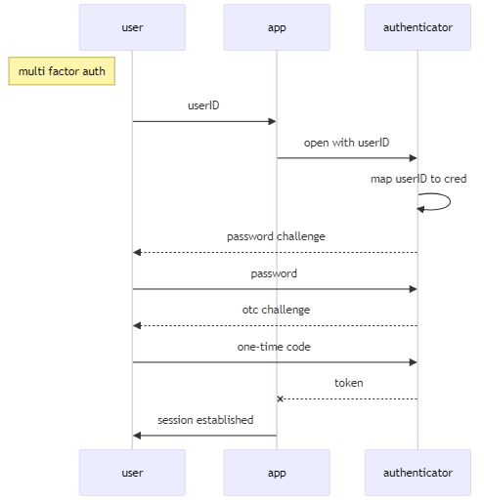
show pseudohash | FALSE | authenticator | authenticator | map userID to cred | ➞ | authenticator->>authenticator: map userID to cred
pseudoHash | 4E215EC | authenticator | user | password challenge | ⇢ | authenticator-->>user: password challenge | autonumber
 |  | user | authenticator | password | ➞ | user->>authenticator: password | user->>app: userID
 |  | authenticator | user | otc challenge | ⇢ | authenticator-->>user: otc challenge | app->>authenticator: open with userID
 |  | user | authenticator | one-time code | ➞ | user->>authenticator: one-time code | authenticator->>authenticator: map userID to cred
 |  | authenticator | app | token | ┄x | authenticator--xapp: token | authenticator-->>user: password challenge
 |  | app | user | session established | ➞ | app->>user: session established | user->>authenticator: password
 |  |  |  |  |  |  | authenticator-->>user: otc challenge
 |  |  |  |  |  |  | user->>authenticator: one-time code
 |  |  |  |  |  |  | authenticator--xapp: token
 |  |  |  |  |  |  | app->>user: session established

