Sheet1
42 |  |  | SpotDate
 |  |  | 2026-06-30 | 332.92643 | -
 |  |  | 2026-06-29 | 332.83287 | - | Date | CPI: |  |  | YOY Swap | Start Date | End Date | Quote | ZC Swap | Start Date | End Date | ZC Infla |  |  | Month | Seasonality | Value
 |  |  | 2026-06-26 | 332.55217 | - | 2026-05-31 | 335.123 |  |  | USSWIF6 Curncy | 9/1/2025 | 1-Sep-26 | 334.7499 | USSWIT1 Curncy | 2026-05-30 | 7/13/2027 | 2.25 | 1 |  | 1 | USSWMJAN Curncy | 0.996
 |  |  | 2026-06-25 | 332.4586 | - | 2026-04-30 | 333.02 |  |  | USSWIF7 Curncy | 10/1/2025 | 1-Oct-26 | 334.9999 | USSWIT2 Curncy | 2026-05-30 | 7/13/2028 | 2.4325 | 2 |  | 2 | USSWMFEB Curncy | 0.998
 |  |  | 2026-06-24 | 332.36503 | - | 2026-03-31 | 330.213 |  |  | USSWIF8 Curncy | 11/1/2025 | 1-Nov-26 | 335.7399 | USSWIT3 Curncy | 2026-05-30 | 7/13/2029 | 2.4637 | 3 |  | 3 | USSWMMAR Curncy | 1.001
 |  |  | 2026-06-23 | 332.27147 | - | 2026-02-28 | 326.785 |  |  | USSWIF9 Curncy | 12/1/2025 | 1-Dec-26 | 336.3099 | USSWIT4 Curncy | 2026-05-30 | 7/13/2030 | 2.4708 | 4 |  | 4 | USSWMAPR Curncy | 1.003
 |  |  | 2026-06-22 | 332.1779 | - | 2026-01-31 | 325.252 |  |  | USSWIF10 Curncy | 1/1/2026 | 1-Jan-27 | 336.1399 | USSWIT5 Curncy | 2026-05-30 | 7/13/2031 | 2.4660 | 5 |  | 5 | USSWMMAY Curncy | 1.003
 |  |  | 2026-06-18 | 331.80363 | - | 2025-12-31 | 324.054 |  |  | USSWIF11 Curncy | 2/1/2026 | 1-Feb-27 | 335.7499 | USSWIT6 Curncy | 2026-05-30 | 7/13/2032 | 2.459 | 6 |  | 6 | USSWMJUN Curncy | 1.003
 | Stripping Date | 2026-05-28 | 2026-06-17 | 331.71007 | - | 2025-11-30 | 324.122 |  |  | USSWIF12 Curncy | 3/1/2026 | 1-Mar-27 | 335.7999 | USSWIT7 Curncy | 2026-05-30 | 7/13/2033 | 2.4419 | 7 |  | 7 | USSWMJUL Curncy | 1.002
 | SpotDate | 2026-06-01 | 2026-06-16 | 331.6165 | - | 2025-09-30 | 324.8 |  |  | USSWIF1 Curncy | 4/1/2026 | 1-Apr-27 | 337.1599 | USSWIT8 Curncy | 2026-05-30 | 7/13/2034 | 2.4329 | 8 |  | 8 | USSWMAUG Curncy | 1.002
 | Lagged EOM | 2026-03-31 | 2026-06-15 | 331.52293 | - | 2025-08-31 | 323.976 |  |  | USSWIF2 Curncy | 5/1/2026 | 1-May-27 | 338.4298 | USSWIT9 Curncy | 2026-05-30 | 7/13/2035 | 2.4247 | 9 |  | 9 | USSWMSEP Curncy | 1.002
 | Period | M | 2026-06-12 | 331.24223 | - | 2025-07-31 | 323.048 |  |  | USSWIF3 Curncy | 6/1/2026 | 1-Jun-27 | 339.9698 | USSWIT10 Curncy | 2026-05-30 | 7/13/2036 | 2.425 | 10 |  | 10 | USSWMOCT Curncy | 1
 | Lag | 3 | 2026-06-11 | 331.14867 | - | 2025-06-30 | 322.561 |  |  | USSWIF4 Curncy | 7/1/2026 | 1-Jul-27 | 341.0199 | USSWIT15 Curncy | 2026-05-30 | 7/13/2041 | 2.41 | 15 |  | 11 | USSWMNOV Curncy | 0.997
 |  |  | 2026-06-10 | 331.0551 | - | 2025-05-31 | 321.465 |  |  | USSWIF5 Curncy | 8/1/2026 | 1-Aug-27 | 341.9498 | USSWIT20 Curncy | 2026-05-30 | 7/13/2046 | 2.378 | 20 |  | 12 | USSWMDEC Curncy | 0.995
 |  |  | 2026-06-09 | 330.96153 | - |  |  |  |  |  |  |  |  | USSWIT25 Curncy | 2026-05-30 | 7/13/2051 | 2.3446 | 25
 |  |  | 2026-06-08 | 330.86797 | - |  |  |  |  |  |  |  |  | USSWIT30 Curncy | 2026-05-30 | 7/13/2056 | 2.338 | 30
 |  |  | 2026-06-05 | 330.58727 | -
 |  |  | 2026-06-04 | 330.4937 | -
4 | 2026-06-01 | 330.21300 | 2026-06-03 | 330.40013 | - |  | - | 2026-05-28 | 330.01574348 | 331.01
96 | 2026-09-01 | 334.7499 | 2026-06-02 | 330.30657 | - |  | 100.00 | 2026-09-05 | 334.78323333 | 335.45 | 0.053746146734
126 | 2026-10-01 | 334.9999 | 2026-06-01 | 330.213 | 330.21300 |  | 200.00 | 2026-12-14 | 336.23860968 | 334.56 | 0.034680070468 |  |  |  |  |  |  | Quot Date | Frst of Month | Lag Date |  |  | 2026-06-26
157 | 2026-11-01 | 335.7399 | 2026-05-29 | 329.88126 | - |  | 300.00 | 46,470.00 | 336.80893226 | 337.15 | 0.02509995127 |  |  |  |  |  |  | 2026-05-31 | 2026-05-01 | 2026-08-01 | 335.123
187 | 2026-12-01 | 336.3099 | 2026-05-28 | 329.77068 | - |  | 400.00 | 2027-07-02 | 341.04989677 | 341.73 | 0.030465552581 |  |  |  |  |  |  | 2026-04-30 | 2026-04-01 | 2026-07-01 | 333.02 | 31
218 | 2027-01-01 | 336.1399 | 2026-05-27 | 329.6601 | - |  | 500.00 | 2027-10-10 | 342.8623118 | 342.86 | 0.028269883495 |  |  |  |  |  |  | 2026-03-31 | 2026-03-01 | 2026-06-01 | 330.213 | 30 | 332.55217
249 | 2027-02-01 | 335.7499 | 2026-05-26 | 329.54952 | - |  | 600.00 | 2028-01-18 | 344.16590008 | 342.79 | 0.025868869262 |  |  |  |  |  |  | 2026-02-28 | 2026-02-01 | 2026-05-01 | 326.785 | 31
277 | 2027-03-01 | 335.7999 | 2026-05-22 | 329.10719 | - |  | 700.00 | 2028-04-27 | 345.46948836 | 346.51 | 0.024149630934 |  |  |  |  |  |  | 2026-01-31 | 2026-01-01 | 2026-04-01 | 325.252 | 30
308 | 2027-04-01 | 337.1599 | 2026-05-21 | 328.99661 | - |  | 800.00 | 2028-08-05 | 347.02476989 | 347.72 | 0.023194103575
338 | 2027-05-01 | 338.4298 | 2026-05-20 | 328.88603 | - |  | 900.00 | 2028-11-13 | 349.42267663 | 348.37 | 0.023444838558 |  |  |  |  |  |  |  |  |  | curve rate from excel | 2.4660 | 1.1295329754 | 375.62863831
369 | 2027-06-01 | 339.9698 | 2026-05-19 | 328.7545 | - |  | 1,000.00 | 2029-02-21 | 351.82058336 | 351.12 | 0.023627874888 |  |  |  |  |  |  |  |  |  | curve rate from BBG Screen | 2.32775 | 1.1219335221 | 373.1014236
399 | 2027-07-01 | 341.0199 | 2026-05-18 | 328.66487 | - |  | 1,100.00 | 2029-06-01 | 354.2184901 | 355.28 | 0.023761875228
430 | 2027-08-01 | 341.9498 | 2026-05-15 | 328.33313 | - |  | 1,200.00 | 2029-09-09 | 356.63232353 | 357.35 | 0.023873191663
777 | 2028-07-13 | 346.47 | 2026-05-14 | 328.22255 | - |  | 1,300.00 | 2029-12-18 | 359.05769009 | 357.26 | 0.023963455708
1142 | 2029-07-13 | 355.23 | 2026-05-13 | 328.11197 | - |  | 1,400.00 | 2030-03-28 | 361.48305665 | 361.84 | 0.024028649303
1507 | 2030-07-13 | 364.08 | 2026-05-12 | 328.00139 | - |  | 1,500.00 | 2030-07-06 | 363.90842321 | 364.64 | 0.024073935556
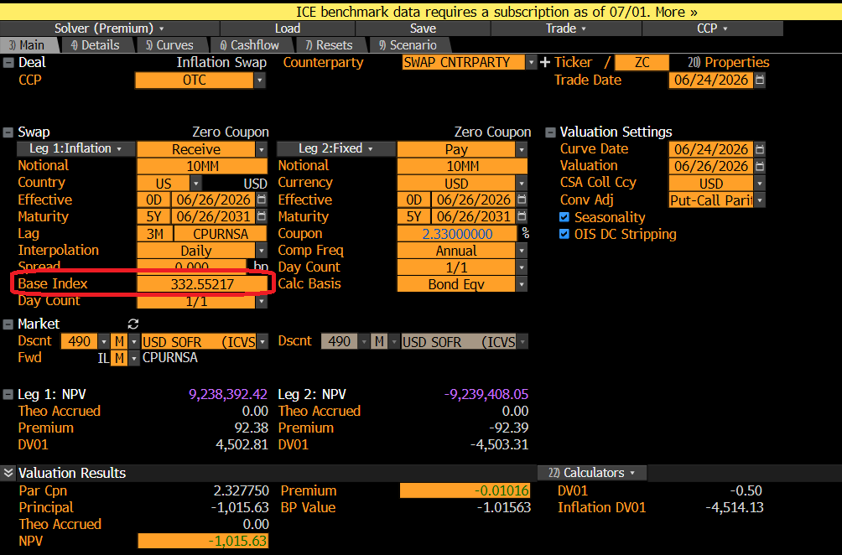
1872 | 2031-07-13 | 372.99 | 2026-05-11 | 327.89081 | - |  | 1,600.00 | 2030-10-14 | 366.34797816 | 366.35 | 0.024112233306
2238 | 2032-07-13 | 382.03 | 2026-05-08 | 327.55906 | - |  | 1,700.00 | 2031-01-22 | 368.78860105 | 367.31 | 0.024136912432
2603 | 2033-07-13 | 390.96 | 2026-05-07 | 327.44848 | - |  | 1,800.00 | 2031-05-02 | 371.22922394 | 372.34 | 0.024149754117
2968 | 2034-07-13 | 400.23 | 2026-05-06 | 327.3379 | - |  | 1,900.00 | 2031-08-10 | 373.67815037 | 374.43 | 0.024157111954
3333 | 2035-07-13 | 409.67 | 2026-05-05 | 327.22732 | - |  | 2,000.00 | 2031-11-18 | 376.14842874 | 375.02 | 0.024166316417
3699 | 2036-07-13 | 419.62 | 2026-05-04 | 327.11674 | - |  | 2,100.00 | 2032-02-26 | 378.61870711 | 377.86 | 0.024166966681
5525 | 2041-07-13 | 471.99 | 2026-05-01 | 326.785 | - |  | 2,200.00 | 2032-06-05 | 381.08898548 | 382.23 | 0.024160324528
7351 | 2046-07-13 | 528.36 | 2026-04-30 | 326.7339 | - |  | 2,300.00 | 2032-09-13 | 383.54575747 | 384.31 | 0.024141707457
9177 | 2051-07-13 | 589.41 | 2026-04-29 | 326.6828 | - |  | 2,400.00 | 2032-12-22 | 385.99425136 | 384.06 | 0.024114911337
 |  |  | 2026-04-28 | 326.6317 | - |  | 2,500.00 | 2033-04-01 | 388.44274524 | 389.61 | 0.024084243151
 |  |  | 2026-04-27 | 326.5806 | - |  | 2,600.00 | 2033-07-10 | 390.89123913 | 391.67 | 0.024050222787
 |  |  | 2026-04-24 | 326.4273 | - |  | 2,700.00 | 2033-10-18 | 393.42704793 | 393.43 | 0.024044018364
 |  |  | 2026-04-23 | 326.37620 | - |  | 2,800.00 | 2034-01-26 | 395.9655572 | 394.38 | 0.024033621753
 |  |  | 2026-04-22 | 326.3251 | - |  | 2,900.00 | 2034-05-06 | 398.50406646 | 399.70 | 0.024018644935
 |  |  | 2026-04-21 | 326.274 | - |  | 3,000.00 | 2034-08-14 | 401.0580381 | 401.86 | 0.024004414571
 |  |  | 2026-04-20 | 326.2229 | - |  | 3,100.00 | 2034-11-22 | 403.64486726 | 402.43 | 0.023996027884
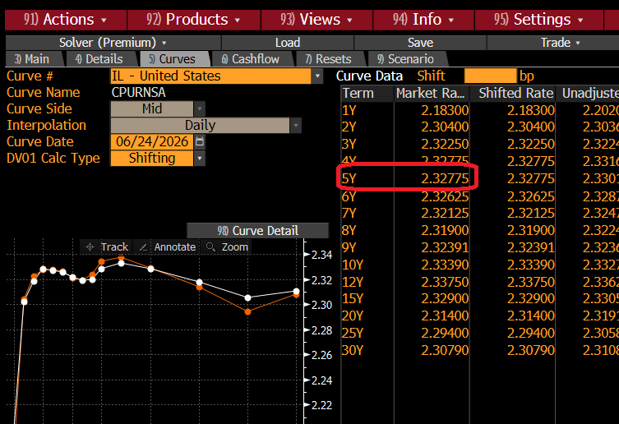
 |  |  | 2026-04-17 | 326.0696 | - |  | 3,200.00 | 2035-03-02 | 406.23169643 | 406.64 | 0.023983368288
 |  |  | 2026-04-16 | 326.01850 | - |  | 3,300.00 | 2035-06-10 | 408.8185256 | 410.04 | 0.023966883442
 |  |  | 2026-04-15 | 325.9674 | - |  | 3,400.00 | 2035-09-18 | 411.49282398 | 412.32 | 0.023970336042
 |  |  | 2026-04-14 | 325.9163 | - |  | 3,500.00 | 2035-12-27 | 414.21020421 | 412.14 | 0.023980188284
 |  |  | 2026-04-13 | 325.6608 | - |  | 3,600.00 | 2036-04-05 | 416.92758445 | 418.18 | 0.023985024852
 |  |  | 2026-04-09 | 325.6608 | - |  | 3,700.00 | 2036-07-14 | 419.6464704 | 420.49 | 0.023985671293
 |  |  | 2026-04-08 | 325.6097 | - |  | 3,800.00 | 2036-10-22 | 422.51442211 | 422.51 | 0.02401686228
 |  |  | 2026-04-07 | 325.5586 | - |  | 3,900.00 | 2037-01-30 | 425.38237382 | 423.68 | 0.024042038725
 |  |  | 2026-04-06 | 325.5075 | - |  | 4,000.00 | 2037-05-10 | 428.25032553 | 429.54 | 0.024061709214
 |  |  | 2026-04-02 | 325.3031 | - |  | 4,100.00 | 2037-08-18 | 431.11827724 | 431.98 | 0.024076331677
 |  |  | 2026-04-01 | 325.25200 | - |  | 4,200.00 | 2037-11-26 | 433.98622895 | 432.68 | 0.024086319431
 |  |  | 2026-03-31 | 325.21335 | - |  | 4,300.00 | 2038-03-06 | 436.85418066 | 437.29 | 0.024092046386
 |  |  |  |  |  |  | 4,400.00 | 2038-06-14 | 439.72213237 | 441.04 | 0.02409385154
 |  |  |  |  |  |  | 4,500.00 | 2038-09-22 | 442.59008408 | 443.48 | 0.024092042877
 |  |  |  |  |  |  | 4,600.00 | 2038-12-31 | 445.45803579 | 443.23 | 0.024086900752
 |  |  |  |  |  |  | 4,700.00 | 2039-04-10 | 448.3259875 | 449.67 | 0.024078680851
 |  |  |  |  |  |  | 4,800.00 | 2039-07-19 | 451.19393921 | 452.10 | 0.024067616775
 |  |  |  |  |  |  | 4,900.00 | 2039-10-27 | 454.06189092 | 454.06 | 0.02405392231
 |  |  |  |  |  |  | 5,000.00 | 2040-02-04 | 456.92984263 | 456.02 | 0.024037793424
 |  |  |  |  |  |  | 5,100.00 | 2040-05-14 | 459.79779434 | 461.18 | 0.024019410032
 |  |  |  |  |  |  | 5,200.00 | 2040-08-22 | 462.66574605 | 463.59 | 0.023998937548
 |  |  |  |  |  |  | 5,300.00 | 2040-11-30 | 465.53369776 | 464.14 | 0.023976528274
 |  |  |  |  |  |  | 5,400.00 | 2041-03-10 | 468.40164947 | 468.87 | 0.023952322625
 |  |  |  |  |  |  | 5,500.00 | 2041-06-18 | 471.26960118 | 472.68 | 0.02392645022
 |  |  |  |  |  |  | 5,600.00 | 2041-09-26 | 474.3018889 | 475.25 | 0.023922157903
 |  |  |  |  |  |  | 5,700.00 | 2042-01-04 | 477.38895529 | 475.48 | 0.023922860267
 |  |  |  |  |  |  | 5,800.00 | 2042-04-14 | 480.47602168 | 481.92 | 0.023920843851
 |  |  |  |  |  |  | 5,900.00 | 2042-07-23 | 483.56308807 | 484.53 | 0.023916280841
 |  |  |  |  |  |  | 6,000.00 | 2042-10-31 | 486.65015446 | 486.65 | 0.023909331329
 |  |  |  |  |  |  | 6,100.00 | 2043-02-08 | 489.73722085 | 488.76 | 0.02390014431
 |  |  |  |  |  |  | 6,200.00 | 2043-05-19 | 492.82428724 | 494.30 | 0.023888858596
 |  |  |  |  |  |  | 6,300.00 | 2043-08-27 | 495.91135363 | 496.90 | 0.023875603636
 |  |  |  |  |  |  | 6,400.00 | 2043-12-05 | 498.99842002 | 496.50 | 0.023860500255
 |  |  |  |  |  |  | 6,500.00 | 2044-03-14 | 502.08548641 | 502.59 | 0.023843661336
 |  |  |  |  |  |  | 6,600.00 | 2044-06-22 | 505.17255281 | 506.69 | 0.023825192428
 |  |  |  |  |  |  | 6,700.00 | 2044-09-30 | 508.2596192 | 509.28 | 0.023805192306
 |  |  |  |  |  |  | 6,800.00 | 2045-01-08 | 511.34668559 | 509.30 | 0.023783753482
 |  |  |  |  |  |  | 6,900.00 | 2045-04-18 | 514.43375198 | 515.98 | 0.023760962664
 |  |  |  |  |  |  | 7,000.00 | 2045-07-27 | 517.52081837 | 518.56 | 0.023736901183
 |  |  |  |  |  |  | 7,100.00 | 2045-11-04 | 520.60788476 | 519.05 | 0.023711645382
 |  |  |  |  |  |  | 7,200.00 | 2046-02-12 | 523.69495115 | 522.65 | 0.023685266971
 |  |  |  |  |  |  | 7,300.00 | 2046-05-23 | 526.78201754 | 528.36 | 0.02365783335

