226694506 ConvertibleBond
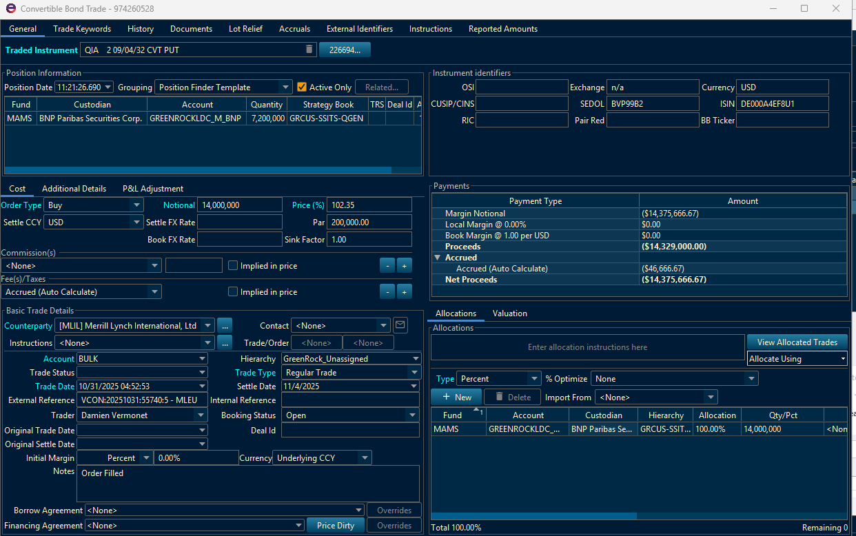
TradeID | 1056500469
TradeDate
Value Date | 22-Apr-26
Issue Date | 4-Nov-25
Last Coupon Date | 4-Mar-26
Maturity | 4-Sep-32
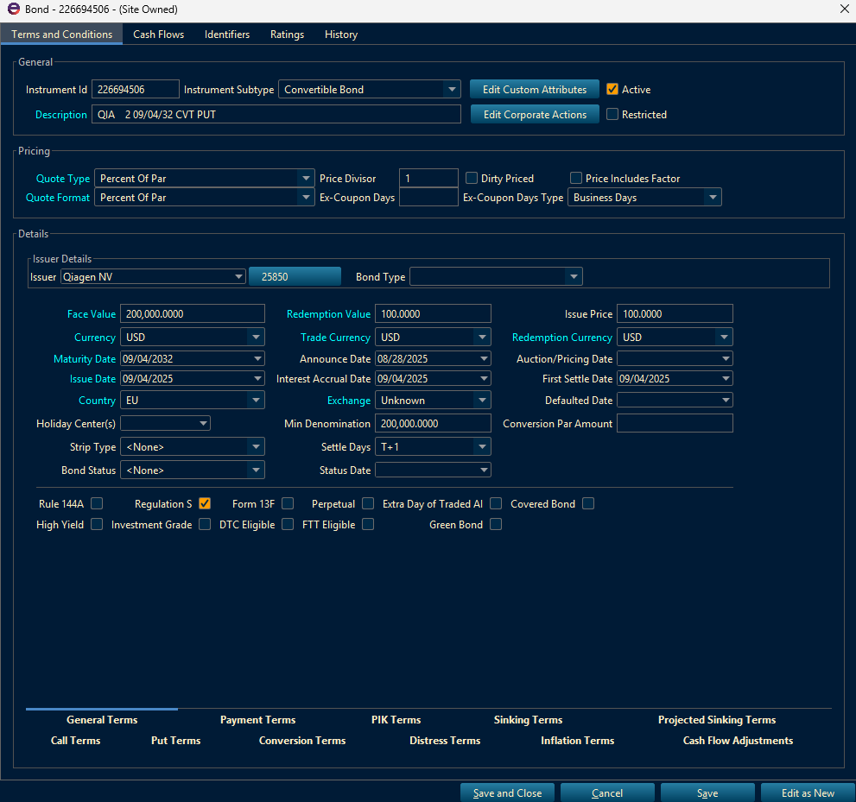
Description | QIA 2% 09/04/32 CVT PUT
Instrument Id | 226694506
Instrument Type | Bond
Notional Quantity | 7,200,000
Native Average Cost | 1.0145972222
Fair Value | 1.0197008
Native NMV | 7,341,846 | 7,341,846
$ NMV | 7,341,846 | 7,341,846
Dirty NMV | 7,361,446 | 7,361,446
$ Dirty NMV | 7,361,446 | 7,361,446
$ P&L | 1,831,351 | 1,831,351
$ Total Unrealized | 43,457 | 43,457
$ Trading Unrealized | 36,746 | 36,746
$ FX Unrealized Contribution | 0
$ Accrued Interest | 6,711
$ Financing Accrued Interest | 0
$ Unrealized Fees and Commissions | 0
$ Accrued Dividends Fees | 0
$ Accrued Dividends Withholding Tax | 0
$ Accrued Dividends | 0
TRS FX Unrealized Adjustment | 0
$ Accrued Cost Of Carry | 0
$ Accrued Delayed Compensation | 0
$ Other Accrued Interest | 0
$ Other Accrued Dividends | 0
$ Other Accrued Dividends Withholding Tax | 0
$ Other Financing Accrued Interest | 0
$ Accrual Fees | 0
$ Transfer Trading Realized | 0
$ Transfer Fees and Commissions | 0
$ Transfer FX Realized | 0
$ Transfer Accrued Dividend | 0
$ Transfer Accrued Dividend Withholding Tax | 0
$ Transfer Paid Dividend | 0
$ Transfer Paid Dividend Withholding Tax | 0
$ Transfer Financing Accrued Interest | 0
$ Transfer Financing Interest | 0
$ Transfer Accrued Interest | 0
$ Transfer Interest | 0
$ P&L Unrealized Adjustment | 0
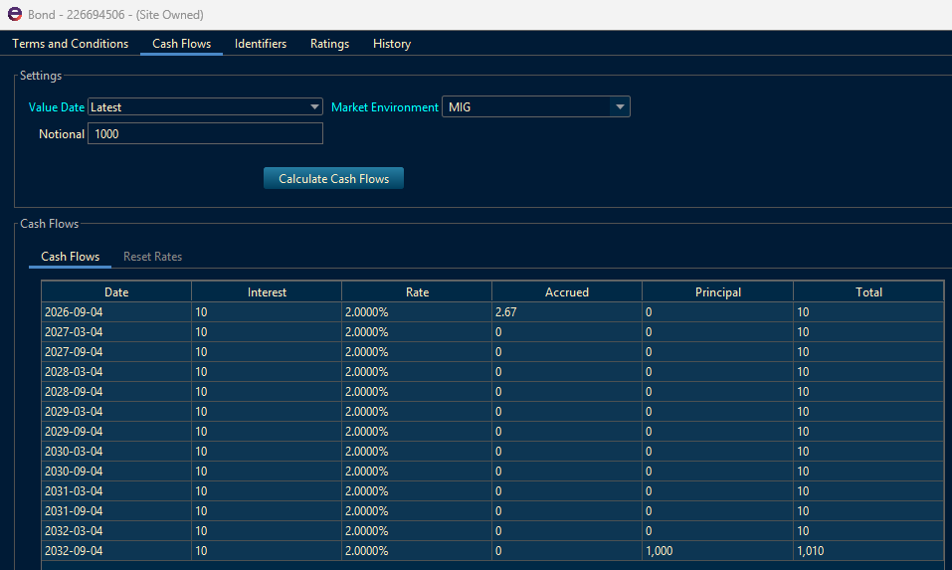
$ Total Realized Reference Date | 1,787,894
$ Trading Realized | 1,726,250
$ FX Realized | -
$ Realized Accrued Interest | 59,644
$ Interest | 2,000
$ Unsettled Financing Interest | 0 |  | Trade Date | 31-Oct-25 | 4-Nov-25 | 14,000,000 | 102.35 | 59,888.89
$ Financing Interest | 0 |  | Trade Date | 20-Jan-26 | 0 | (4,000,000) | 115 | (10,231,555.56)
$ Realized Commissions | 0 |  | Trade Date | 20-Jan-26 | 22-Jan-26 | (7,000,000) | 113.715 | (15,944.44)
$ Realized Fees | 0 |  | Trade Date | 22-Jan-26 | 26-Jan-26 | (800,000) | 118.5 | (1,644.44)
$ Realized Taxes | 0 | 1,787,894 | Trade Date | 21-Jan-26 | 22-Jan-26 | (1,000,000) | 116.375 | (2,277.78)
$ Paid Dividends Fees | 0 |  | Trade Date | 26-Jan-26 | 28-Jan-26 | (1,000,000) | 117.875 | (1,944.44)
$ Paid Dividends Withholding Tax | 0
$ Paid Dividends | 0 |  | Trade Date | 27-Mar-26 | 31-Mar-26 | 3,000,000 | 101 | 4,333.33
$ Paid Cost Of Carry | 0 |  | Trade Date | 31-Mar-26 | 2-Apr-26 | 2,000,000 | 101 | 2,444.44
$ Paid Delayed Compensation | 0 |  | Trade Date | 21-Apr-26 | 23-Apr-26 | 2,000,000 | 102.5 | 111.11
$ Other Interest | 0
$ Other Paid Dividends Withholding Tax | 0
$ Other Paid Dividends | 0
$ Other Financing Interest | 0
$ Other Expenses | 0
$ Realized Accrual Fees | 0
$ P&L Realized Adjustment | 0
$ Principal Payup | 0
Native Accrued Interest | 6,711
Native Net Interest | 61,644 | 61,644
Native Financing Accrued Interest | 0
Native Financing Interest | 0
Native P&L | 1,831,351 | 1,831,351
Native Trading Realized | 1,726,250
Native Trading Unrealized | 36,746 | 36,746
Native Net Dividends | 0
Native Unrealized Fees and Commissions | 0
Native Realized Fees | 0
Native Realized Commissions | 0
Fincad Price | 0.93415031281
Native DV01 | (2,778)
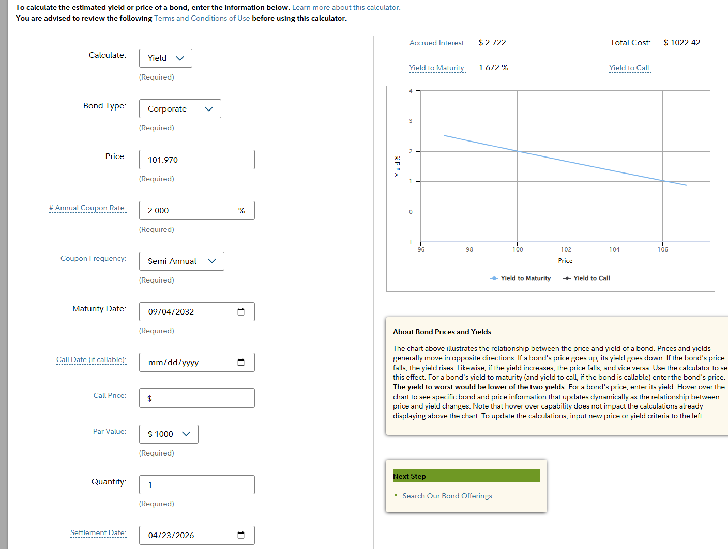
Book DV01 | (2,778)
$ Monetized Rho | (277,763)
$ MonetizedDelta | 755,121
$ MonetizedGamma | 56,626
$ MonetizedTheta | 673
$ MonetizedVega | 22,605
$ Monetized Credit Spread 1% | (239,444)
$ Daily P&L | 289 | 289
$ MTD P&L | 28,998
$ QTD P&L | 28,998
$ YTD P&L | 1,865,149 | 1,864,371
Yield To Average Life | 0.000000%
Yield To Best | 1.672372%
Yield To Call | 1.537668%
Yield To Maturity | 1.672372%
Yield To Put | 1.531679%
Yield To Worst | 1.531679%
Modified Duration | 4.1127913273
Spread Duration | 4.1612657147
Convexity | 19.415213958

