Notes
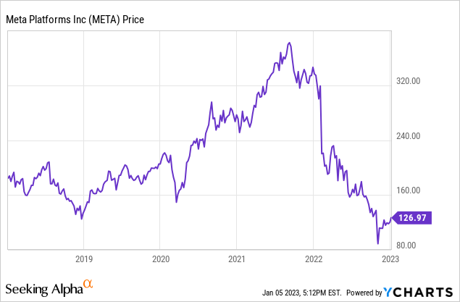
Ticker | META | INCOME STATEMENT & CASH FLOW PULLED FROM FACTSET
Date | 2023-01-06
 |  | (I going look look into utility of metaverse projects more - this seems unknown as of now)

Notes

Bull Case
1. Future TikTok ban opens doors for Meta's growth
2. Metaverse payoff? Potential to capitalize on new growth areas
3. Acceleration in Instagram Reels
4. Still a super strong business model with free cash flow
5. Monthly Active users - 2.96 billion, September 30, 2022, an increase of 2% YoY
6. Daily Active users - up 2% YoY

 | Bear Case
 | 1. Free cash flow in danger with exponential increase in CapEx, what's the upside to this?
 | 2. Competition is fierce with TikTok continuing to dominate when it comes to advertising
 | 3. Reality Labs is burning through cash, will Metaverse and other developments pay off?
 | 4. Meta and Zuck have been involved in a number of lawsuits, anti-trust cases, etc
 | 5. Growth for Meta is over? They must pivot from original business model?
 | 6. Meta taking on 10B of debt in August 2022, is the cash cow dying?
 | 7. Decline in user activity
 | 8. Regulatory headwinds

