02. RASCI
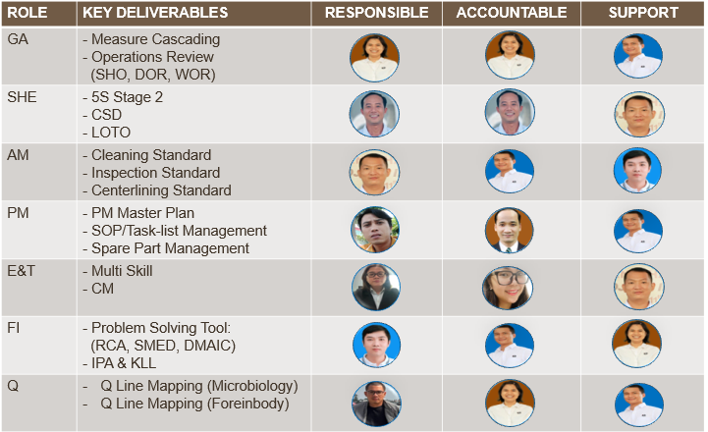

7. KPI Measure
BUSINESS TARGET 2026

CONVERTED VOLUME
 | Actual | Target
Jan | 487,542 | 478,987
Feb | 468,406 | 429,437
Mar | 426,380 | 396,403
Apr | 477,410 | 462,470
May | 492,932 | 478,987
Jun | 491,563 | 462,470
Jul | 509,266 | 478,987
Aug |  | 478,987
Sep |  | 462,470
Oct |  | 478,987
Nov |  | 462,470
Dec |  | 478,987
RW GENERATION
 | Actual | Target
Jan | 1040 | 4,000
Feb | 380 | 4,000
Mar | 0 | 4,000
Apr | 0 | 4,000
May | 1420 | 4,000
Jun | 300 | 4,000
Jul | 350 | 4,000
Aug |  | 4,000
Sep |  | 4,000
Oct |  | 4,000
Nov |  | 4,000
Dec |  | 4,000
YIELD of VG2
 | Actual | Target
Jan | 2.01 | 2.01
Feb | 1.99 | 2.01
Mar | 1.99 | 2.01
Apr | 2.00 | 2.01
May | 2.00 | 2.01
Jun | 1.99 | 2.01
Jul | 1.99 | 2.01
Aug |  | 2.01
Sep |  | 2.01
Oct |  | 2.01
Nov |  | 2.01
Dec |  | 2.01
YIELD of CONILON
 | Actual | Target
Jan | 2.01 | 2.00
Feb | 2.01 | 2.00
Mar | - | 2.00
Apr | - | 2.00
May | - | 2.00
Jun | - | 2.00
Jul | - | 2.00
Aug |  | 2.00
Sep |  | 2.00
Oct |  | 2.00
Nov |  | 2.00
Dec |  | 2.00

Target: 2.01

Target: 2.00

TURN-OVER RATE
 | Actual | Target
Jan | 0 | 0.8
Feb | 0 | 0.8
Mar | 0 | 0.8
Apr | 1 | 0.8
May | 0 | 0.8
Jun | 0 | 0.8
Jul | 1 | 0.8
Aug |  | 0.8
Sep |  | 0.8
Oct |  | 0.8
Nov |  | 0.8
Dec |  | 0.8
LOST TIME INCIDENT
 | Actual | Target
Jan | 0 | 0
Feb | 0 | 0
Mar | 0 | 0
Apr | 0 | 0
May | 0 | 0
Jun | 0 | 0
Jul | 0 | 0
Aug |  | 0
Sep |  | 0
Oct |  | 0
Nov |  | 0
Dec |  | 0
MAJOR COMPLAINT
 | Actual | Target
Jan | 0 | 0
Feb | 0 | 0
Mar | 0 | 0
Apr | 0 | 0
May | 0 | 0
Jun | 0 | 0
Jul | 0 | 0
Aug |  | 0
Sep |  | 0
Oct |  | 0
Nov |  | 0
Dec |  | 0
OTHER COMPLAINT
 | Actual | Target
Jan | 0 | 0.5
Feb | 1 | 0.5
Mar | 1 | 0.5
Apr | 0 | 0.5
May | 0 | 0.5
Jun | 0 | 0.5
Jul | 1 | 0.5
Aug |  | 0.5
Sep |  | 0.5
Oct |  | 0.5
Nov |  | 0.5
Dec |  | 0.5

Target: < 1

YTD Target: 6 cases

Target: 0 case
Target: 0 case

MAJOR FINDING
 | Actual | Target
Jan | 0 | 0
Feb | 0 | 0
Mar | 0 | 0
Apr | 0 | 0
May | 0 | 0
Jun | 0 | 0
Jul | 0 | 0
Aug |  | 0
Sep |  | 0
Oct |  | 0
Nov |  | 0
Dec |  | 0
CERTIFICATE RENEWAL
 | Actual | Target
Jan | 100% | 100%
Feb | 100% | 100%
Mar | 100% | 100%
Apr | 100% | 100%
May | 100% | 100%
Jun | 100% | 100%
Jul | 100% | 100%
Aug |  | 100%
Sep |  | 100%
Oct |  | 100%
Nov |  | 100%
Dec |  | 100%
BUSINESS TARGET 2026 - YEAR TO DATE
Target | 5,549,645
Actual | 3,353,499
Target | 48,000
Actual | 3,490
Target | 2
Actual | 2
Target | 2
Actual | 2
Target | 10
Actual | 2
Target | -
Actual | -
Target | -
Actual | -
Target | 6
Actual | 3
Target | -
Actual | -
Target | 1
Actual | 1
Target | 240,000
Actual | 74,887
TOTAL NON-CONFORMITY
 | Actual | Target
Jan | 25,044 | 20,000
Feb | 10,508 | 20,000
Mar | 8,358 | 20,000
Apr | 7,120 | 20,000
May | 10,695 | 20,000
Jun | 10,652 | 20,000
Jul | 2,510 | 20,000
Aug |  | 20,000
Sep |  | 20,000
Oct |  | 20,000
Nov |  | 20,000
Dec |  | 20,000
Target: 100%

Target: 0 case

KPI data tracking
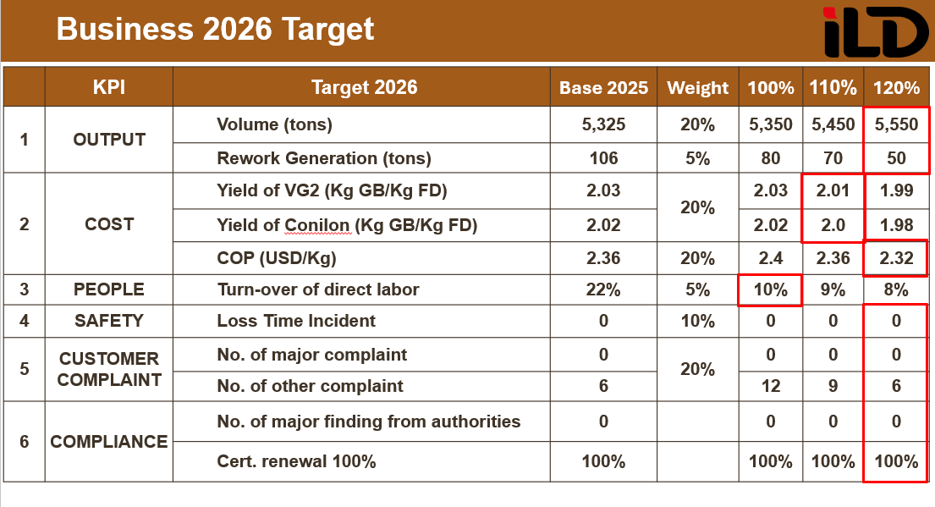
BUSINESS TARGET 2026
PIC | Duc Mai |  | Duy Pham |  | Vu Tran |  | Vu Tran |  | Yen Tran |  | Hoang Nguyen |  | Dung Tran |  | Dung Tran |  | Hoang Nguyen |  | Dung Tran |  | Dung Tran
KPI | CONVERTED VOLUME |  | RW GENERATION |  | YIELD OF VG2 |  | YIELD OF CONILON |  | TURN-OVER |  | LTI |  | MAJOR COMPLAINT |  | OTHER COMPLAINT |  | MAJOR FINDING |  | CERT. RENEWAL |  | TOTAL NC
Month | Target | Actual | Target | Actual | Target | Actual | Target | Actual | Target | Actual | Target | Actual | Target | Actual | Target | Actual | Target | Actual | Target | Actual | Target | Actual | Top Defect
Jan | 478,987 | 487,542 | 4,000 | 1040 | 2.01 | 2.01 | 2.00 | 2.01 | 0.8 | 0 | 0 | 0 | 0 | 0 | 0.5 | 0 | 0 | 0 | 100% | 100% | 20,000 | 25,044 | 1. Micro: 14040 2. Organic: 3978 3. Out sensory: 1038
Feb | 429,437 | 468,406 | 4,000 | 380 | 2.01 | 1.99 | 2.00 | 2.01 | 0.8 | 0 | 0 | 0 | 0 | 0 | 0.5 | 1 | 0 | 0 | 100% | 100% | 20,000 | 10,508
Mar | 396,403 | 426,380 | 4,000 | 0 | 2.01 | 1.99 | 2.00 | NA | 0.8 | 0 | 0 | 0 | 0 | 0 | 0.5 | 1 | 0 | 0 | 100% | 100% | 20,000 | 8,358
Apr | 462,470 | 477,410 | 4,000 | 0 | 2.01 | 2.00 | 2.00 | NA | 0.8 | 1 | 0 | 0 | 0 | 0 | 0.5 | 0 | 0 | 0 | 100% | 100% | 20,000 | 7,120
May | 478,987 | 492,932 | 4,000 | 1420 | 2.01 | 2.00 | 2.00 | NA | 0.8 | 0 | 0 | 0 | 0 | 0 | 0.5 | 0 | 0 | 0 | 100% | 100% | 20,000 | 10,695
Jun | 462,470 | 491,563 | 4,000 | 300 | 2.01 | 1.99 | 2.00 | NA | 0.8 | 0 | 0 | 0 | 0 | 0 | 0.5 | 0 | 0 | 0 | 100% | 100% | 20,000 | 10,652
Jul | 478,987 | 509,266 | 4,000 | 350 | 2.01 | 1.99 | 2.00 | NA | 0.8 | 1 | 0 | 0 | 0 | 0 | 0.5 | 1 | 0 | 0 | 100% | 100% | 20,000 | 2,510
Aug | 478,987 |  | 4,000 |  | 2.01 |  | 2.00 |  | 0.8 |  | 0 |  | 0 |  | 0.5 |  | 0 |  | 100% |  | 20,000
Sep | 462,470 |  | 4,000 |  | 2.01 |  | 2.00 |  | 0.8 |  | 0 |  | 0 |  | 0.5 |  | 0 |  | 100% |  | 20,000
Oct | 478,987 |  | 4,000 |  | 2.01 |  | 2.00 |  | 0.8 |  | 0 |  | 0 |  | 0.5 |  | 0 |  | 100% |  | 20,000
Nov | 462,470 |  | 4,000 |  | 2.01 |  | 2.00 |  | 0.8 |  | 0 |  | 0 |  | 0.5 |  | 0 |  | 100% |  | 20,000
Dec | 478,987 |  | 4,000 |  | 2.01 |  | 2.00 |  | 0.8 |  | 0 |  | 0 |  | 0.5 |  | 0 |  | 100% |  | 20,000
YTD | 5,549,645 | 3,353,499 | 48,000 | 3,490 | 2.01 | 2.00 | 2.00 | 2.01 | 9.6 | 2 | 0 | 0 | 0 | 0 | 6 | 3 | 0 | 0 | 100% | 100% | 240,000 | 74,887

