JUnit
JUNIT

1. Overview
 | - Junit is part of the xUnit architecture, use to create unit testing and test in java applications
 | - Is a simple framework using for create auto unit testing
 | - Run the test can tautologize

 | - Testcases of Junit are Java classes, these classes include one or more unit testing methods, these testcase are grouped into Test Suite
 | - Some common asserts:
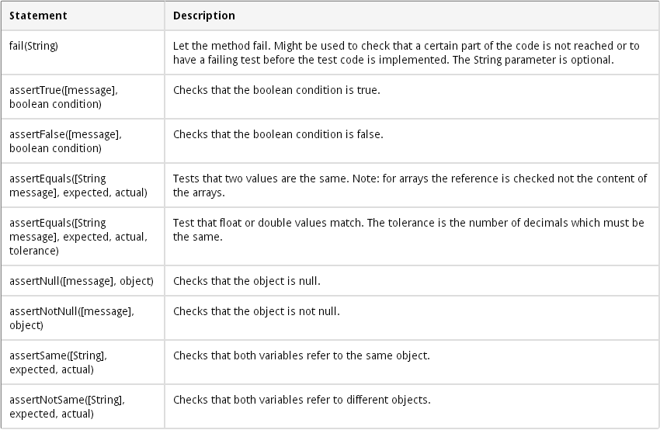

2. How to create JUnit Test
 | Step1: Create maven project with dependency Junit

 |  | <dependencies>
 |  | <dependency>
 |  | <groupId>junit</groupId>
 |  | <artifactId>junit</artifactId>
 |  | <version>4.11</version>
 |  | </dependency>
 |  | </dependencies>

 | Step2: Create Test Case Class
 |  | *** Class need to test, example

 |  |  | package demo.junit_test;

 |  |  | public class Person {
 |  |  |  | private String name;
 |  |  |  | private Integer age;

 |  |  |  | public Person(String name, Integer age){
 |  |  |  |  | this.name = name;
 |  |  |  |  | this.age = age;
 |  |  |  | }

 |  |  |  | public String getName() {
 |  |  |  |  | return name;
 |  |  |  | }
 |  |  |  | public void setName(String name) {
 |  |  |  |  | this.name = name;
 |  |  |  | }

 |  |  |  | public Integer getAge() {
 |  |  |  |  | return age;
 |  |  |  | }

 |  |  |  | public void setAge(Integer age) {
 |  |  |  |  | this.age = age;
 |  |  |  | }

 |  |  |  | public String persionInfo(){
 |  |  |  |  | return "My name is " + name + ", I'm " + age + " years old !!!";
 |  |  |  | }
 |  |  | }

 |  | *** Corresponding test unit

 |  |  | package demo.junit_test;
 |  |  | import org.junit.Before;
 |  |  | import org.junit.Test;
 |  |  | import static org.junit.Assert.*;

 |  |  | public class TestPerson {
 |  |  |  | Person person;

 |  |  |  | @Test
 |  |  |  | public void testGo(){
 |  |  |  |  | assertEquals(person.persionInfo(), "My name is A, I'm 27 years old !!!");
 |  |  |  | }

 |  |  |  | @Before
 |  |  |  | public void prepare(){
 |  |  |  |  | person = new Person("A", 27);
 |  |  |  | }
 |  |  | }

3. Demo
 | https://github.com/leminhquan-luvina/demo_junit
 | https://github.com/maixuanthanh-luvina/Demo_TestScript/tree/master/org.wiperdog.Junit
 | https://github.com/nguyenxuanluong-luvina/TestScript_Investigation/tree/master/Demo/Junit
 | https://github.com/phamtienthanh-luvina/Demo_Auto_TestScript/tree/master/junit_test

Spock Test
SPOCK

1. Overview
 | - Spock is a test framework use to test Java & Groovy applications, when test with spock, can be clearer specifications/require in the development process
 | - Spock was written by Groovy and work on all Java & Groovy applictions
 | - Inheriting the features of the test framework such as JUnit, RSpec, JMock, Groovy
 | - TestCase easy to read and understand

2. Some concepts of spock
 | + Specification : A specification is represented as a Groovy class that extends from spock.lang.Specification. The name of a specification usually relates to the system or system operation described by the specification
 | + Fixture method : Fixture methods are responsible for setting up and cleaning up the environment in which feature methods are run
 | (Similar functions @Before,@BeforeClass.@After,@AfterClass in Junit)
 |  | Fixture in spock :
 |  |  | def setup() {} // run before every feature method
 |  |  | def cleanup() {} // run after every feature method
 |  |  | def setupSpec() {} // run before the first feature method
 |  |  | def cleanupSpec() {} // run after the last feature method

 | + Feature method : Feature methods are the heart of a specification. They describe the features (properties, aspects) that you expect to find in the system under specification.
 |  | - As the function of the specification, this is the testcase
 |  | - These feature can be arbitrarily named as one short descript testcase, example:
 |  |  | def "test database connection"() {
 |  |  | // code go here
 |  |  | }
 |  | - Conceptually, a feature method consists of four phases:
 |  |  | Setup: Set up the feature's fixture
 |  |  | Stimulus: Provide a stimulus to the system under specification
 |  |  | Response: Describe the response expected from the system
 |  |  | CleanUp: Clean up the feature's fixture

 | + Blocks
 |  | - Spock has built-in support for implementing each of the conceptual phases of a feature method. To this end, feature methods are structured into so-called blocks

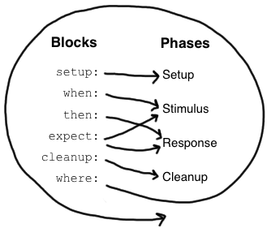

 |  | - Blocks start with a label, and extend to the beginning of the next block, or the end of the method, example:
 |  |  | setup : “create new Customer object for testcase”
 |  |  | def customer = new Customer()
 |  | - Types of block:
 |  |  | Setup Block:
 |  |  |  | o The setup block is where you do any setup work for the feature that you are describing. It may not be preceded by other blocks, and may not be repeated.
 |  |  |  | o A setup block doesn't have any special semantics
 |  |  |  | o Example:
 |  |  |  |  |  | setup:
 |  |  |  |  |  | def stack = new Stack()
 |  |  |  |  |  | def elem = "push me"

 |  |  | When / Then Block :
 |  |  |  | o The when and then blocks always occur together. They describe a stimulus and the expected response
 |  |  |  | o Example:
 |  |  |  |  |  | when:
 |  |  |  |  |  | stack.push(elem)
 |  |  |  |  |  | then:
 |  |  |  |  |  | !stack.empty
 |  |  |  |  |  | stack.size() = 1

 |  |  | Expected Block:
 |  |  |  | o An expect block is more limited than a then block in that it may only contain conditions and variable definitions
 |  |  |  | o It is useful in situations where it is more natural to describe stimulus and expected response in a single expression
 |  |  |  | o Example:
 |  |  |  |  |  | when: | expect:
 |  |  |  |  |  | def x = Math.max(1, 2) | Math.max(1, 2) == 2

 |  |  |  |  |  | then:
 |  |  |  |  |  | x == 2

 |  |  | Where Block:
 |  |  |  | o A where block always comes last in a method, and may not be repeated
 |  |  |  | o It is used to write data-driven feature methods
 |  |  |  | o Example:
 |  |  |  |  | def "computing the maximum of two numbers"() {
 |  |  |  |  | expect:
 |  |  |  |  | Math.max(a, b) == c

 |  |  |  |  | where:
 |  |  |  |  | a << [5, 3]
 |  |  |  |  | b << [1, 9]
 |  |  |  |  | c << [5, 9]
 |  |  |  |  | }

 | + Helper method :
 |  | - Sometimes feature methods grow large and/or contain lots of duplicated code. In such cases it can make sense to introduce one or more helper methods
 |  | - Two good candidates for helper methods are setup/cleanup logic and complex conditions.

3. Describe test results
 | - When testcase failed, results are described under one obvious way to judge the cause of failed, this results in sure-fire-report & console
 | - Example:
 |  |  | Condition not satisfied:
 |  |  | stack.size() == 2
 |  |  | | | |
 |  |  | | 1 false
 |  |  | [push me]

4. Some other anotations
 | @Timeout <time_in_second>
 |  | Show the testcase is running in the specified timeout period
 | @Ignore
 |  | Show the testcase will not be executed
 | @IgnoreRest
 |  | Show the testcase of this anotation to be executed

5. Create test project with Spock (using maven)
 | - Create maven project
 | - Import spock framework into project (pom.xml)
 | <dependency>
 | <groupId>org.spockframework</groupId>
 | <artifactId>spock-core</artifactId>
 | <version>1.0-groovy-2.0-SNAPSHOT</version>
 | <scope>test</scope>
 | </dependency>

 | - Configure maven build:

 |  | <plugins>
 |  | <plugin>
 |  | <groupId>org.codehaus.gmaven</groupId>
 |  | <artifactId>gmaven-plugin</artifactId>
 |  | <version>1.4</version>
 |  | <configuration>
 |  | <providerSelection>2.0</providerSelection>
 |  | </configuration>
 |  | <executions>
 |  | <execution>
 |  | <goals>
 |  | <goal>compile</goal>
 |  | <goal>testCompile</goal>
 |  | </goals>
 |  | </execution>
 |  | </executions>
 |  | <dependencies>
 |  | <dependency>
 |  | <groupId>org.codehaus.gmaven.runtime</groupId>
 |  | <artifactId>gmaven-runtime-2.0</artifactId>
 |  | <version>1.4</version>
 |  | <exclusions>
 |  | <exclusion>
 |  | <groupId>org.codehaus.groovy</groupId>
 |  | <artifactId>groovy-all</artifactId>
 |  | </exclusion>
 |  | </exclusions>
 |  | </dependency>
 |  | <dependency>
 |  | <groupId>org.codehaus.groovy</groupId>
 |  | <artifactId>groovy-all</artifactId>
 |  | <version>2.1.5</version>
 |  | </dependency>
 |  | </dependencies>
 |  | </plugin>
 |  | <plugin>
 |  | <artifactId>maven-surefire-plugin</artifactId>
 |  | <version>2.6</version>
 |  | <configuration>
 |  | <useFile>false</useFile>
 |  | <includes>
 |  | <include>**/*Spec.java</include>
 |  | </includes>
 |  | </configuration>
 |  | </plugin>
 |  | </plugins>
 |  | </build>

 | - Create specifications class in src/test/groovy

 |  | package demo.spock.test
 |  | import spock.lang.Shared;
 |  | import spock.lang.Unroll;
 |  | import demo.spock.test.Dog;
 |  | import demo.spock.test.Duck;

 |  | class TestSpec extends spock.lang.Specification {

 |  | def "Test number of legs of dog & duck"() {
 |  | setup: "create dog and duck object"
 |  | Dog dog = new Dog();
 |  | Duck duck = new Duck();
 |  | when: "set number of legs for dog & duck"
 |  | dog.setLegs(4);
 |  | duck.setLegs(21);
 |  | then:
 |  | dog.getLegs() == a
 |  | duck.getLegs() == b
 |  | where:
 |  | a = 4
 |  | b = 2
 |  | }
 |  | }

 | - Run test :
 |  | + mvn test

6. Reference
 | http://spock-framework.readthedocs.org/en/latest/
 | https://code.google.com/p/spock/wiki/SpockBasics

