Sheet1
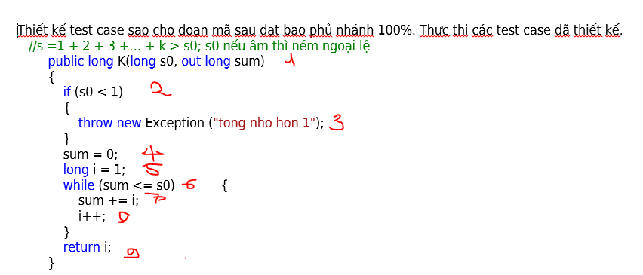
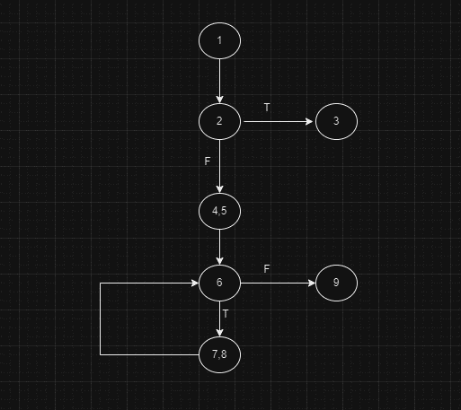

# | Condition | s0 | sum | linenumber execute | result expect | Actual Result | Status
1 | s0<1 | -10 |  | 1,2,3 | throw new exception | throw new exception | p
2 |  | 1 |  | 1,2,4,5,6,7,8,6,9 | k=3,sum=3 | k=3,sum=3 | p

