Requirement Analysis
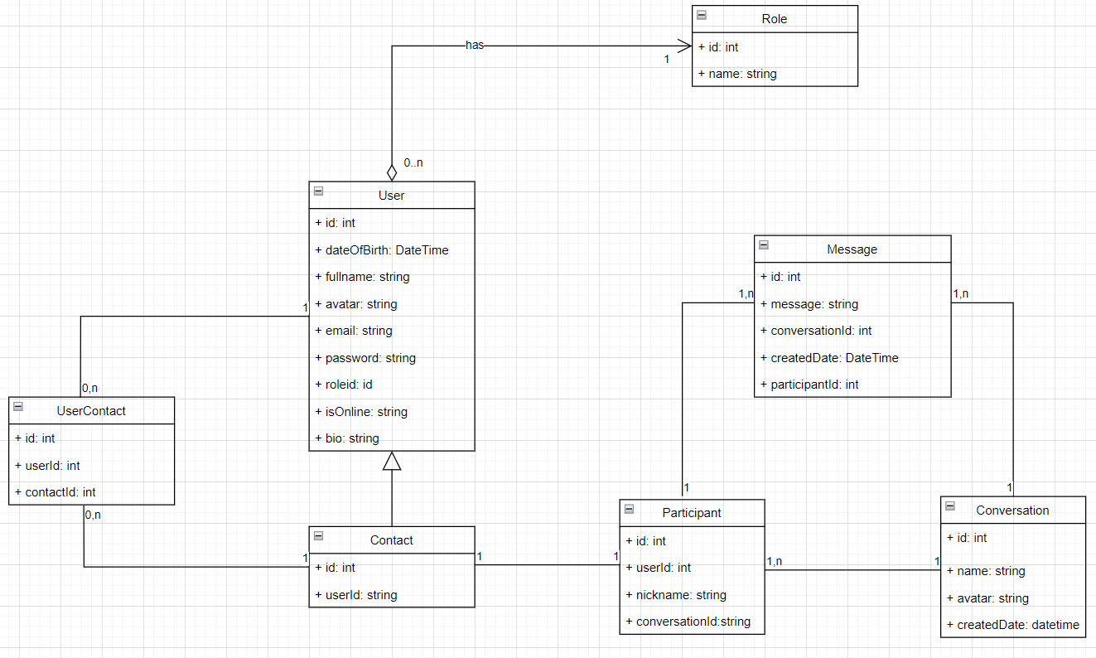
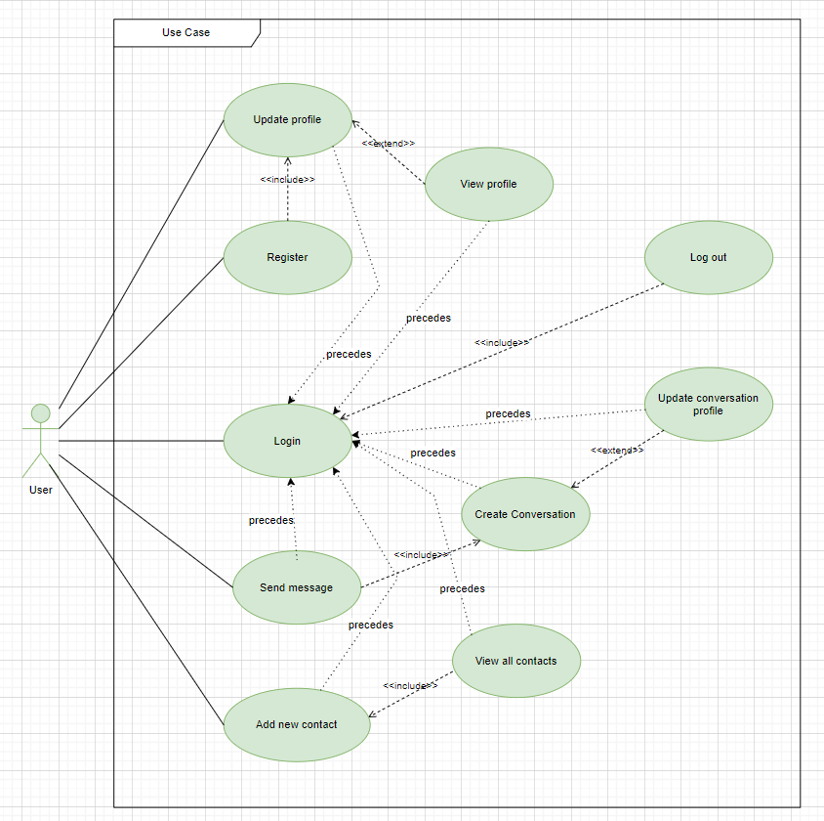
Requirement Analysis

1. Define classes
User
Contact
Conversation
Message
Participant
Role

2. Class relationship
Inheritance
Association
Aggregation
Composition

System Analysis
