Plots
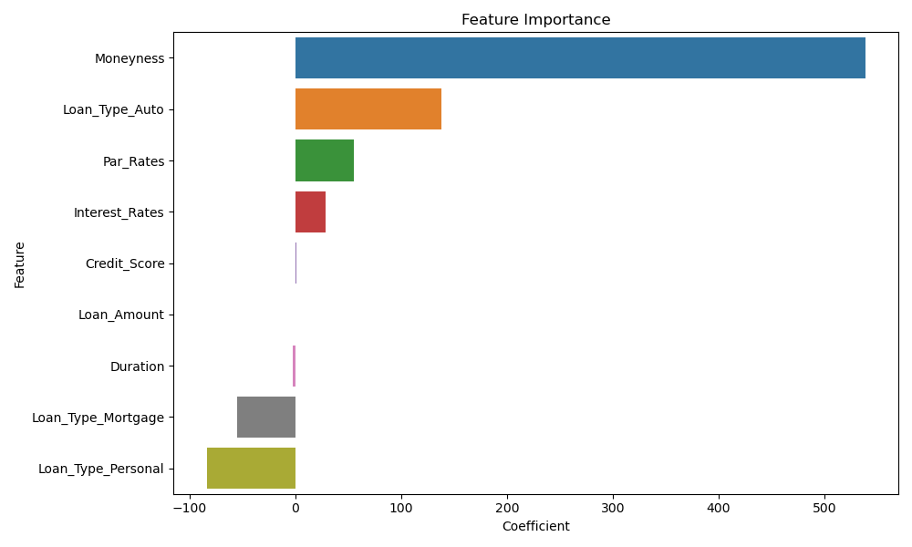

Feature Importance Analysis

