36Ar LS2 resonator settings
 |  |  | 36Ar18+ |  |  |  | 86Kr35+ |  |  | 129Xe49+
 |  |  | scl_fac | [MV/m] | phi [deg] | E [MeV/u] | scl_fac | phi [deg] | E [MeV/u] | scl_fac | phi [deg] | E [MeV/u]
 |  |  |  |  |  | 19.80
FS1_MGB01:CAV_D2325 | MGB01 |  | 1.009 |  | -90 | 19.80
FS1_MGB02:CAV_D2611 | MGB02 |  | 0.722 |  | -90 | 19.80
LS2_CC01:CAV1_D2706 | CC01 | #1 | 0.909 | 7.000 | -20.0 | 20.54
LS2_CC01:CAV2_D2711 |  | #2 | 0.56 | 4.300 | -33.8 | 20.94
LS2_CC01:CAV3_D2715 |  | #3 | 0.00 | 0.000 | -20.0 | 20.94
LS2_CC01:CAV4_D2726 |  | #4 | 0.91 | 7.000 | -20.0 | 21.70
LS2_CC01:CAV5_D2730 |  | #5 | 0.00 | 0.000 | -20.0 | 21.70
LS2_CC01:CAV6_D2735 |  | #6 | 0.91 | 7.000 | -20.0 | 22.48
LS2_CC02:CAV1_D2746 | CC02 | #1 | 0.91 | 7.000 | -20.0 | 23.27
LS2_CC02:CAV2_D2750 |  | #2 | 0.78 | 6.000 | -23.5 | 23.94
LS2_CC02:CAV3_D2755 |  | #3 | 0.91 | 7.000 | -20.0 | 24.75
LS2_CC02:CAV4_D2766 |  | #4 | 0.91 | 7.000 | -20.0 | 25.57
LS2_CC02:CAV5_D2770 |  | #5 | 0.91 | 7.000 | -20.0 | 26.39
LS2_CC02:CAV6_D2774 |  | #6 | 0.91 | 7.000 | -20.0 | 27.23
LS2_CC03:CAV1_D2786 | CC03 | #1 | 0.91 | 7.000 | -20.0 | 28.08
LS2_CC03:CAV2_D2790 |  | #2 | 0.91 | 7.000 | -20.0 | 28.93
LS2_CC03:CAV3_D2794 |  | #3 | 0.91 | 7.000 | -20.0 | 29.79
LS2_CC03:CAV4_D2806 |  | #4 | 0.91 | 7.000 | -20.0 | 30.65
LS2_CC03:CAV5_D2810 |  | #5 | 0.91 | 7.000 | -20.0 | 31.52
LS2_CC03:CAV6_D2814 |  | #6 | 0.91 | 7.000 | -20.0 | 32.39
LS2_CC04:CAV1_D2825 | CC04 | #1 | 0.91 | 7.000 | -20.0 | 33.27
LS2_CC04:CAV2_D2830 |  | #2 | 0.91 | 7.000 | -20.0 | 34.14
LS2_CC04:CAV3_D2834 |  | #3 | 0.91 | 7.000 | -20.0 | 35.03
LS2_CC04:CAV4_D2845 |  | #4 | 0.91 | 7.000 | -20.0 | 35.91
LS2_CC04:CAV5_D2850 |  | #5 | 0.91 | 7.000 | -20.0 | 36.79
Energy
 | 36Ar18+ | 86Kr35+
#1 | 20.54
#2 | 20.94
#3 | 20.94
#4 | 21.70
#5 | 21.70
#6 | 22.48
#1 | 23.27
#2 | 23.94
#3 | 24.75
#4 | 25.57
#5 | 26.39
#6 | 27.23
#1 | 28.08
#2 | 28.93
#3 | 29.79
#4 | 30.65
#5 | 31.52
#6 | 32.39
#1 | 33.27
#2 | 34.14
#3 | 35.03
#4 | 35.91
#5 | 36.79
#6 | 37.68
#1 | 38.42
#2 | 39.31
#3 | 40.20
#4 | 41.09
#5 | 41.98
#6 | 42.87
#1 | 43.76
#2 | 44.65
#3 | 45.54
#4 | 46.43
#5 | 47.32
#6 | 48.21
#1 | 49.09
#2 | 49.98
#3 | 50.86
#4 | 51.75
#5 | 52.63
#6 | 53.51
#1 | 54.39
#2 | 55.25
#3 | 56.13
#4 | 57.00
#5 | 57.87
#6 | 58.74
#1 | 59.61
#2 | 60.48
...
LS2_CC04:CAV6_D2854 |  | #6 | 0.91 | 7.000 | -20.0 | 37.68
LS2_CC05:CAV1_D2865 | CC05 | #1 | 0.78 | 6.000 | -23.5 | 38.42
LS2_CC05:CAV2_D2870 |  | #2 | 0.91 | 7.000 | -20.0 | 39.31
LS2_CC05:CAV3_D2874 |  | #3 | 0.91 | 7.000 | -20.0 | 40.20
LS2_CC05:CAV4_D2885 |  | #4 | 0.91 | 7.000 | -20.0 | 41.09
LS2_CC05:CAV5_D2890 |  | #5 | 0.91 | 7.000 | -20.0 | 41.98
LS2_CC05:CAV6_D2894 |  | #6 | 0.91 | 7.000 | -20.0 | 42.87
LS2_CC06:CAV1_D2905 | CC06 | #1 | 0.91 | 7.000 | -20.0 | 43.76
LS2_CC06:CAV2_D2910 |  | #2 | 0.91 | 7.000 | -20.0 | 44.65
LS2_CC06:CAV3_D2914 |  | #3 | 0.91 | 7.000 | -20.0 | 45.54
LS2_CC06:CAV4_D2925 |  | #4 | 0.91 | 7.000 | -20.0 | 46.43
LS2_CC06:CAV5_D2929 |  | #5 | 0.91 | 7.000 | -20.0 | 47.32
LS2_CC06:CAV6_D2934 |  | #6 | 0.91 | 7.000 | -20.0 | 48.21
LS2_CC07:CAV1_D2945 | CC07 | #1 | 0.91 | 7.000 | -20.0 | 49.09
LS2_CC07:CAV2_D2949 |  | #2 | 0.91 | 7.000 | -20.0 | 49.98
LS2_CC07:CAV3_D2954 |  | #3 | 0.91 | 7.000 | -20.0 | 50.86
LS2_CC07:CAV4_D2965 |  | #4 | 0.91 | 7.000 | -20.0 | 51.75
LS2_CC07:CAV5_D2969 |  | #5 | 0.91 | 7.000 | -20.0 | 52.63
LS2_CC07:CAV6_D2974 |  | #6 | 0.91 | 7.000 | -20.0 | 53.51
LS2_CC08:CAV1_D2985 | CC08 | #1 | 0.91 | 7.000 | -20.0 | 54.39
LS2_CC08:CAV2_D2989 |  | #2 | 0.90 | 6.900 | -20.3 | 55.25
LS2_CC08:CAV3_D2994 |  | #3 | 0.91 | 7.000 | -20.0 | 56.13
Gradient
 | 36Ar18+ | 86Kr35+ | 129Xe49+
#1 | 7.000
#2 | 4.300
#3 | 0.000
#4 | 7.000
#5 | 0.000
#6 | 7.000
#1 | 7.000
#2 | 6.000
#3 | 7.000
#4 | 7.000
#5 | 7.000
#6 | 7.000
#1 | 7.000
#2 | 7.000
#3 | 7.000
#4 | 7.000
#5 | 7.000
#6 | 7.000
#1 | 7.000
#2 | 7.000
#3 | 7.000
#4 | 7.000
#5 | 7.000
#6 | 7.000
#1 | 6.000
#2 | 7.000
#3 | 7.000
#4 | 7.000
#5 | 7.000
#6 | 7.000
#1 | 7.000
#2 | 7.000
#3 | 7.000
#4 | 7.000
#5 | 7.000
#6 | 7.000
#1 | 7.000
#2 | 7.000
#3 | 7.000
#4 | 7.000
#5 | 7.000
#6 | 7.000
#1 | 7.000
#2 | 6.900
#3 | 7.000
#4 | 7.000
#5 | 7.000
#6 | 7.000
#1 | 7.000
#2 | 7.000
...
LS2_CC08:CAV4_D3005 |  | #4 | 0.91 | 7.000 | -20.0 | 57.00
LS2_CC08:CAV5_D3009 |  | #5 | 0.91 | 7.000 | -20.0 | 57.87
LS2_CC08:CAV6_D3013 |  | #6 | 0.91 | 7.000 | -20.0 | 58.74
LS2_CC09:CAV1_D3025 | CC09 | #1 | 0.91 | 7.000 | -20.0 | 59.61
LS2_CC09:CAV2_D3029 |  | #2 | 0.91 | 7.000 | -20.0 | 60.48
LS2_CC09:CAV3_D3033 |  | #3 | 0.91 | 7.000 | -20.0 | 61.35
LS2_CC09:CAV4_D3044 |  | #4 | 0.91 | 7.000 | -20.0 | 62.21
LS2_CC09:CAV5_D3049 |  | #5 | 0.91 | 7.000 | -20.0 | 63.07
LS2_CC09:CAV6_D3053 |  | #6 | 0.91 | 7.000 | -20.0 | 63.94
LS2_CC10:CAV1_D3064 | CC10 | #1 | 0.91 | 7.000 | -20.0 | 64.79
LS2_CC10:CAV2_D3069 |  | #2 | 0.91 | 7.000 | -20.0 | 65.65
LS2_CC10:CAV3_D3073 |  | #3 | 0.91 | 7.000 | -20.0 | 66.51
LS2_CC10:CAV4_D3084 |  | #4 | 0.91 | 7.000 | -20.0 | 67.36
LS2_CC10:CAV5_D3089 |  | #5 | 0.91 | 7.000 | -20.0 | 68.21
LS2_CC10:CAV6_D3093 |  | #6 | 0.91 | 7.000 | -20.0 | 69.06
LS2_CC11:CAV1_D3104 | CC11 | #1 | 0.91 | 7.000 | -20.0 | 69.91
LS2_CC11:CAV2_D3109 |  | #2 | 0.91 | 7.000 | -20.0 | 70.76
LS2_CC11:CAV3_D3113 |  | #3 | 0.91 | 7.000 | -20.0 | 71.60
LS2_CC11:CAV4_D3124 |  | #4 | 0.91 | 7.000 | -20.0 | 72.45
LS2_CC11:CAV5_D3129 |  | #5 | 0.91 | 7.000 | -20.0 | 73.29
LS2_CC11:CAV6_D3133 |  | #6 | 0.91 | 7.000 | -20.0 | 74.13
LS2_CC12:CAV1_D3144 | CC12 | #1 | 0.91 | 7.000 | -20.0 | 74.97
Synchronous phase
 | 36Ar18+ | 86Kr35+ | 129Xe49+
#1 | -20.0
#2 | -33.8
#3 | -20.0
#4 | -20.0
#5 | -20.0
#6 | -20.0
#1 | -20.0
#2 | -23.5
#3 | -20.0
#4 | -20.0
#5 | -20.0
#6 | -20.0
#1 | -20.0
#2 | -20.0
#3 | -20.0
#4 | -20.0
#5 | -20.0
#6 | -20.0
#1 | -20.0
#2 | -20.0
#3 | -20.0
#4 | -20.0
#5 | -20.0
#6 | -20.0
#1 | -23.5
#2 | -20.0
#3 | -20.0
#4 | -20.0
#5 | -20.0
#6 | -20.0
#1 | -20.0
#2 | -20.0
#3 | -20.0
#4 | -20.0
#5 | -20.0
#6 | -20.0
#1 | -20.0
#2 | -20.0
#3 | -20.0
#4 | -20.0
#5 | -20.0
#6 | -20.0
#1 | -20.0
#2 | -20.3
#3 | -20.0
#4 | -20.0
#5 | -20.0
#6 | -20.0
#1 | -20.0
#2 | -20.0
...
LS2_CC12:CAV2_D3149 |  | #2 | 0.91 | 7.000 | -20.0 | 75.80
LS2_CC12:CAV3_D3153 |  | #3 | 0.91 | 7.000 | -20.0 | 76.64
LS2_CC12:CAV4_D3164 |  | #4 | 0.91 | 7.000 | -20.0 | 77.47
LS2_CC12:CAV5_D3168 |  | #5 | 0.91 | 7.000 | -20.0 | 78.30
LS2_CC12:CAV6_D3173 |  | #6 | 0.91 | 7.000 | -20.0 | 79.13
LS2_CD01:CAV1_D3187 | CD01 | #1 | 1.00 | 7.400 | -20.0 | 80.58
LS2_CD01:CAV2_D3193 |  | #2 | 1.00 | 7.400 | -20.0 | 82.05
LS2_CD01:CAV3_D3199 |  | #3 | 1.00 | 7.400 | -20.0 | 83.54
LS2_CD01:CAV4_D3205 |  | #4 | 1.00 | 7.400 | -20.0 | 85.04
LS2_CD01:CAV5_D3218 |  | #5 | 1.00 | 7.400 | -20.0 | 86.55
LS2_CD01:CAV6_D3224 |  | #6 | 1.00 | 7.400 | -20.0 | 88.07
LS2_CD01:CAV7_D3230 |  | #7 | 1.00 | 7.400 | -20.0 | 89.60
LS2_CD01:CAV8_D3236 |  | #8 | 1.00 | 7.400 | -20.0 | 91.15
LS2_CD02:CAV1_D3249 | CD02 | #1 | 1.00 | 7.400 | -20.0 | 92.71
LS2_CD02:CAV2_D3255 |  | #2 | 1.00 | 7.400 | -20.0 | 94.27
LS2_CD02:CAV3_D3261 |  | #3 | 1.00 | 7.400 | -20.0 | 95.85
LS2_CD02:CAV4_D3267 |  | #4 | 1.00 | 7.400 | -20.0 | 97.44
LS2_CD02:CAV5_D3280 |  | #5 | 1.00 | 7.400 | -20.0 | 99.03
LS2_CD02:CAV6_D3286 |  | #6 | 1.00 | 7.400 | -20.0 | 100.63
LS2_CD02:CAV7_D3292 |  | #7 | 1.00 | 7.400 | -20.0 | 102.25
LS2_CD02:CAV8_D3298 |  | #8 | 1.00 | 7.400 | -20.0 | 103.87
LS2_CD03:CAV1_D3311 | CD03 | #1 | 1.00 | 7.400 | -20.0 | 105.49
LS2_CD03:CAV2_D3317 |  | #2 | 1.00 | 7.400 | -20.0 | 107.13
LS2_CD03:CAV3_D3323 |  | #3 | 1.00 | 7.400 | -20.0 | 108.77
LS2_CD03:CAV4_D3329 |  | #4 | 1.00 | 7.400 | -20.0 | 110.42
LS2_CD03:CAV5_D3342 |  | #5 | 1.00 | 7.400 | -20.0 | 112.07
LS2_CD03:CAV6_D3348 |  | #6 | 1.00 | 7.400 | -20.0 | 113.73
LS2_CD03:CAV7_D3354 |  | #7 | 1.00 | 7.400 | -20.0 | 115.39
LS2_CD03:CAV8_D3360 |  | #8 | 1.00 | 7.400 | -20.0 | 117.06
LS2_CD04:CAV1_D3373 | CD04 | #1 | 1.00 | 7.400 | -20.0 | 118.73
LS2_CD04:CAV2_D3379 |  | #2 | 1.00 | 7.400 | -20.0 | 120.41
LS2_CD04:CAV3_D3385 |  | #3 | 1.00 | 7.400 | -20.0 | 122.10
LS2_CD04:CAV4_D3391 |  | #4 | 1.00 | 7.400 | -20.0 | 123.78
LS2_CD04:CAV5_D3404 |  | #5 | 1.00 | 7.400 | -20.0 | 125.47
LS2_CD04:CAV6_D3410 |  | #6 | 1.00 | 7.400 | -20.0 | 127.17
LS2_CD04:CAV7_D3416 |  | #7 | 1.00 | 7.400 | -20.0 | 128.87
LS2_CD04:CAV8_D3422 |  | #8 | 1.00 | 7.400 | -20.0 | 130.57
LS2_CD05:CAV1_D3435 | CD05 | #1 | 1.00 | 7.400 | -20.0 | 132.27
LS2_CD05:CAV2_D3441 |  | #2 | 1.00 | 7.400 | -20.0 | 133.98
LS2_CD05:CAV3_D3447 |  | #3 | 1.00 | 7.400 | -20.0 | 135.69
LS2_CD05:CAV4_D3453 |  | #4 | 1.00 | 7.400 | -20.0 | 137.40
LS2_CD05:CAV5_D3466 |  | #5 | 1.00 | 7.400 | -20.0 | 139.11
LS2_CD05:CAV6_D3472 |  | #6 | 1.00 | 7.400 | -20.0 | 140.83
LS2_CD05:CAV7_D3478 |  | #7 | 1.00 | 7.400 | -20.0 | 142.55
LS2_CD05:CAV8_D3484 |  | #8 | 1.00 | 7.400 | -20.0 | 144.27
LS2_CD06:CAV1_D3497 | CD06 | #1 | 1.00 | 7.400 | -20.0 | 145.99
LS2_CD06:CAV2_D3503 |  | #2 | 1.00 | 7.400 | -20.0 | 147.72
LS2_CD06:CAV3_D3509 |  | #3 | 1.00 | 7.400 | -20.0 | 149.44
LS2_CD06:CAV4_D3515 |  | #4 | 1.00 | 7.400 | -20.0 | 151.17
LS2_CD06:CAV5_D3528 |  | #5 | 1.00 | 7.400 | -20.0 | 152.89
LS2_CD06:CAV6_D3534 |  | #6 | 1.00 | 7.400 | -20.0 | 154.62
LS2_CD06:CAV7_D3540 |  | #7 | 1.00 | 7.400 | -20.0 | 156.35
LS2_CD06:CAV8_D3546 |  | #8 | 1.00 | 7.400 | -20.0 | 158.08
LS2_CD07:CAV1_D3559 | CD07 | #1 | 1.00 | 7.400 | -20.0 | 159.82
LS2_CD07:CAV2_D3565 |  | #2 | 1.00 | 7.400 | -20.0 | 161.55
LS2_CD07:CAV3_D3571 |  | #3 | 1.00 | 7.400 | -20.0 | 163.28
LS2_CD07:CAV4_D3577 |  | #4 | 1.00 | 7.400 | -20.0 | 165.02
LS2_CD07:CAV5_D3590 |  | #5 | 0.81 | 6.000 | -24.9 | 166.37
LS2_CD07:CAV6_D3596 |  | #6 | 1.00 | 7.400 | -20.0 | 168.11
LS2_CD07:CAV7_D3602 |  | #7 | 0.41 | 3.000 | -57.5 | 168.51
LS2_CD07:CAV8_D3608 |  | #8 | 1.00 | 7.400 | -20.0 | 170.24
LS2_CD08:CAV1_D3621 | CD08 | #1 | 1.00 | 7.400 | -20.0 | 171.98
LS2_CD08:CAV2_D3627 |  | #2 | 1.00 | 7.400 | -20.0 | 173.71
LS2_CD08:CAV3_D3633 |  | #3 | 1.00 | 7.400 | -20.0 | 175.45
LS2_CD08:CAV4_D3639 |  | #4 | 1.00 | 7.400 | -20.0 | 177.19
LS2_CD08:CAV5_D3652 |  | #5 | 1.00 | 7.400 | -20.0 | 178.92
LS2_CD08:CAV6_D3658 |  | #6 | 1.00 | 7.400 | -20.0 | 180.66
LS2_CD08:CAV7_D3664 |  | #7 | 1.00 | 7.400 | -20.0 | 182.39
LS2_CD08:CAV8_D3670 |  | #8 | 1.00 | 7.400 | -20.0 | 184.13
LS2_CD09:CAV1_D3683 | CD09 | #1 | 1.00 | 7.400 | -20.0 | 185.87
LS2_CD09:CAV2_D3689 |  | #2 | 1.00 | 7.400 | -20.0 | 187.60
LS2_CD09:CAV3_D3695 |  | #3 | 1.00 | 7.400 | -20.0 | 189.34
LS2_CD09:CAV4_D3701 |  | #4 | 1.00 | 7.400 | -20.0 | 191.07
LS2_CD09:CAV5_D3714 |  | #5 | 1.00 | 7.400 | -20.0 | 192.81
LS2_CD09:CAV6_D3720 |  | #6 | 1.00 | 7.400 | -20.0 | 194.54
LS2_CD09:CAV7_D3726 |  | #7 | 1.00 | 7.400 | -20.0 | 196.28
LS2_CD09:CAV8_D3732 |  | #8 | 1.00 | 7.400 | -20.0 | 198.01
LS2_CD10:CAV1_D3745 | CD10 | #1 | 1.00 | 7.400 | -20.0 | 199.74
LS2_CD10:CAV2_D3751 |  | #2 | 1.00 | 7.400 | -20.0 | 201.48
LS2_CD10:CAV3_D3757 |  | #3 | 1.00 | 7.400 | -20.0 | 203.21
LS2_CD10:CAV4_D3763 |  | #4 | 1.00 | 7.400 | -20.0 | 204.94
LS2_CD10:CAV5_D3776 |  | #5 | 1.00 | 7.400 | -20.0 | 206.67
LS2_CD10:CAV6_D3782 |  | #6 | 1.00 | 7.400 | -20.0 | 208.40
LS2_CD10:CAV7_D3788 |  | #7 | 1.00 | 7.400 | -20.0 | 210.13
LS2_CD10:CAV8_D3794 |  | #8 | 1.00 | 7.400 | -20.0 | 211.86
LS2_CD11:CAV1_D3807 | CD11 | #1 | 1.00 | 7.400 | -20.0 | 213.59
LS2_CD11:CAV2_D3813 |  | #2 | 1.00 | 7.400 | -20.0 | 215.32
LS2_CD11:CAV3_D3819 |  | #3 | 1.00 | 7.400 | -20.0 | 217.05
LS2_CD11:CAV4_D3825 |  | #4 | 1.00 | 7.400 | -20.0 | 218.78
LS2_CD11:CAV5_D3838 |  | #5 | 1.00 | 7.400 | -20.0 | 220.50
LS2_CD11:CAV6_D3844 |  | #6 | 1.00 | 7.400 | -20.0 | 222.23
LS2_CD11:CAV7_D3850 |  | #7 | 1.00 | 7.400 | -20.0 | 223.95
LS2_CD11:CAV8_D3856 |  | #8 | 1.00 | 7.400 | -20.0 | 225.68
LS2_CD12:CAV1_D3869 | CD12 | #1 | 0.80 | 5.900 | -25.4 | 227.00
LS2_CD12:CAV2_D3875 |  | #2 | 1.00 | 7.400 | -20.0 | 228.72
LS2_CD12:CAV3_D3881 |  | #3 | 1.00 | 7.400 | -20.0 | 230.44
LS2_CD12:CAV4_D3887 |  | #4 | 1.00 | 7.400 | -20.0 | 232.16
LS2_CD12:CAV5_D3900 |  | #5 | 1.00 | 7.400 | -20.0 | 233.89
LS2_CD12:CAV6_D3906 |  | #6 | 0.76 | 5.600 | -26.9 | 235.12
LS2_CD12:CAV7_D3912 |  | #7 | 0.85 | 6.300 | -23.7 | 236.55
LS2_CD12:CAV8_D3918 |  | #8 | 1.00 | 7.400 | -20.0 | 238.27

36Ar quad scan
LS2 injection

Horizontal |  | FS1_BMS:PM_D2602
[T/m] |  |  |  |  | [A]

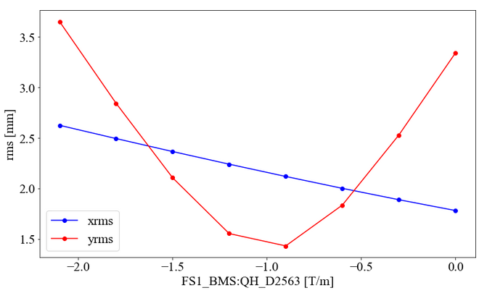
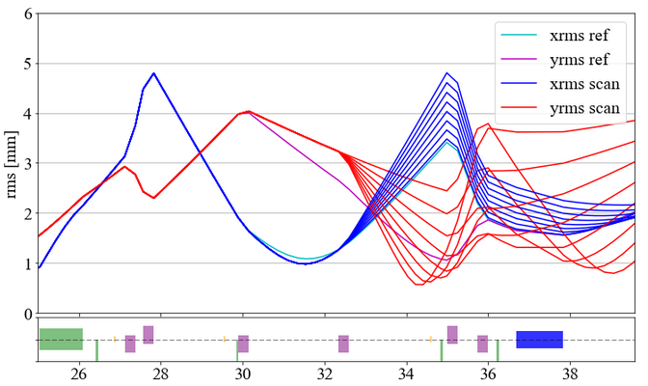
Vertical |  | FS1_BMS:PM_D2602
[T/m] |  |  |  |  |  | [A]
D2539 | D2563 |  |  |  |  | D2539 | D2563
-1.5 | 0 |  |  |  |  | 12.6 | 0.0
-1.5 | -0.3 |  |  |  |  | 12.6 | 2.5
-1.5 | -0.6 |  |  |  |  | 12.6 | 5.1
-1.5 | -0.9 |  |  |  |  | 12.6 | 7.6
-1.5 | -1.2 |  |  |  |  | 12.6 | 10.1
-1.5 | -1.5 |  |  |  |  | 12.6 | 12.6
-1.5 | -1.8 |  |  |  |  | 12.6 | 15.2
-1.5 | -2.1 |  |  |  |  | 12.6 | 17.7

FS2

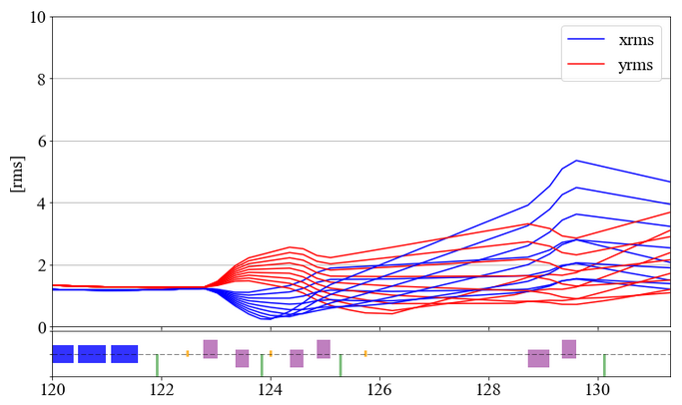
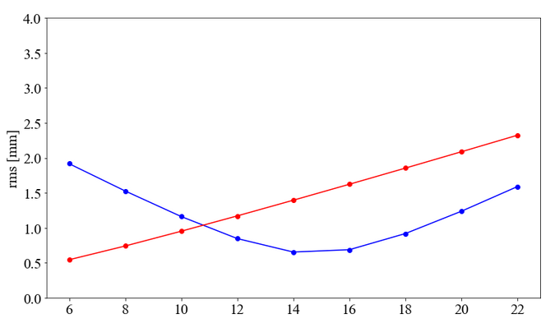
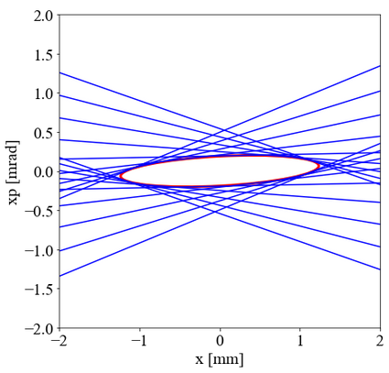
Horizontal |  | FS2_BTS:PM_D3959
[T/m] |  |  |  |  |  | [A]
D3934 | D3940 | D3950 | D3955 | D3994 | D4000 | D3934 | D3940 | D3950 | D3955 | D3994 | D4000
6 | -10 | -10 | 10 | -5 | 8 | 50.6 | 84.3 | 84.3 | 84.3 | 48.2 | 75.4
8 | -10 | -10 | 10 | -5 | 8 | 67.5 | 84.3 | 84.3 | 84.3 | 48.2 | 75.4
10 | -10 | -10 | 10 | -5 | 8 | 84.3 | 84.3 | 84.3 | 84.3 | 48.2 | 75.4
12 | -10 | -10 | 10 | -5 | 8 | 101.2 | 84.3 | 84.3 | 84.3 | 48.2 | 75.4
14 | -10 | -10 | 10 | -5 | 8 | 118.1 | 84.3 | 84.3 | 84.3 | 48.2 | 75.4
16 | -10 | -10 | 10 | -5 | 8 | 134.9 | 84.3 | 84.3 | 84.3 | 48.2 | 75.4
18 | -10 | -10 | 10 | -5 | 8 | 151.8 | 84.3 | 84.3 | 84.3 | 48.2 | 75.4
20 | -10 | -10 | 10 | -5 | 8 | 168.6 | 84.3 | 84.3 | 84.3 | 48.2 | 75.4
22 | -10 | -10 | 10 | -5 | 8 | 185.5 | 84.3 | 84.3 | 84.3 | 48.2 | 75.4

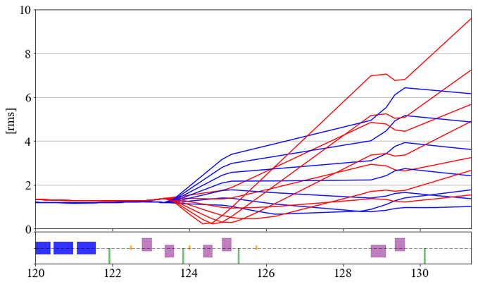
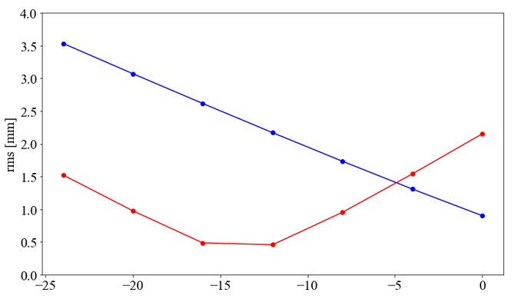
Vertical |  | FS2_BTS:PM_D3959
[T/m] |  |  |  |  |  | [A]
D3934 | D3940 | D3950 | D3955 | D3994 | D4000 | D3934 | D3940 | D3950 | D3955 | D3994 | D4000
3 | 0 | 0 | 6 | -5 | 10 | 25.3 | 0.0 | 0.0 | 50.6 | 48.2 | 94.3
3 | -4 | 0 | 6 | -5 | 10 | 25.3 | 33.7 | 0.0 | 50.6 | 48.2 | 94.3
3 | -8 | 0 | 6 | -5 | 10 | 25.3 | 67.5 | 0.0 | 50.6 | 48.2 | 94.3
3 | -12 | 0 | 6 | -5 | 10 | 25.3 | 101.2 | 0.0 | 50.6 | 48.2 | 94.3
3 | -16 | 0 | 6 | -5 | 10 | 25.3 | 134.9 | 0.0 | 50.6 | 48.2 | 94.3
3 | -20 | 0 | 6 | -5 | 10 | 25.3 | 168.6 | 0.0 | 50.6 | 48.2 | 94.3
3 | -24 | 0 | 6 | -5 | 10 | 25.3 | 202.4 | 0.0 | 50.6 | 48.2 | 94.3

