Sheet1
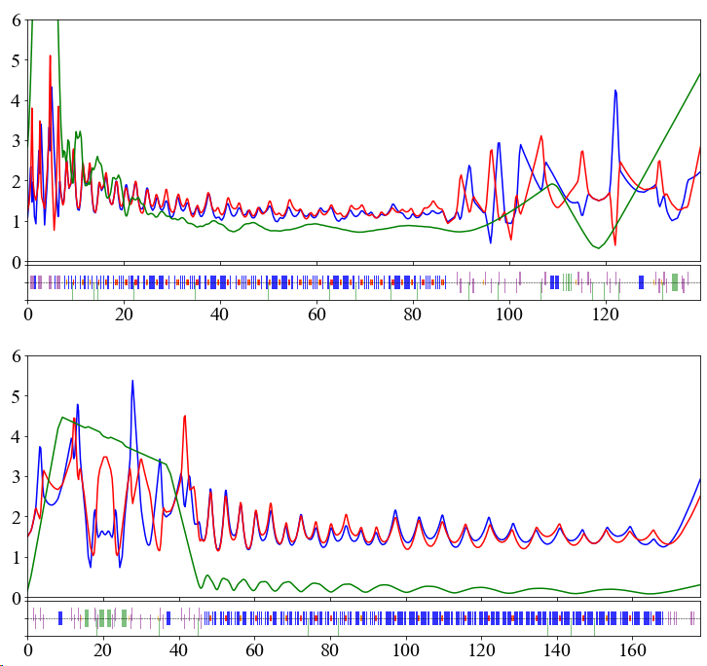
MEBT to FS1A | Q_D1057 | Q_D1060 | Q_D1062 | Q_D1074 | Q_D1076 | Q_D1078 | Q_D1095 | Q_D1098 | Q_D1100 | Q_D1113 | Q_D1115 | Q_D1117 | SOL1_D1132 | SOL2_D1146 | SOL1_D1165 | SOL2_D1180 | SOL1_D1199 | SOL2_D1214 | SOL1_D1235 | SOL2_D1255 | SOL3_D1275 | SOL1_D1299 | SOL2_D1319 | SOL3_D1339 | SOL1_D1363 | SOL2_D1383 | SOL3_D1403 | SOL1_D1426 | SOL2_D1446 | SOL3_D1466 | SOL1_D1490 | SOL2_D1510 | SOL3_D1530 | SOL1_D1554 | SOL2_D1574 | SOL3_D1594 | SOL1_D1618 | SOL2_D1637 | SOL3_D1657 | SOL1_D1681 | SOL2_D1701 | SOL3_D1721 | SOL1_D1745 | SOL2_D1765 | SOL3_D1785 | SOL1_D1809 | SOL2_D1829 | SOL3_D1849 | SOL1_D1872 | SOL2_D1892 | SOL3_D1912 | QH_D1942 | QV_D1950 | QH_D1969 | QV_D1976 | QH_D2002 | QV_D2013 | QH_D2029 | QV_D2042 | QV_D2066 | QH_D2073 | QV_D2118 | QH_D2126 | DH_D2163 | DH_D2169 | DH_D2174 | DH_D2180 | QH_D2194 | QV_D2202 | QH_D2215 | QV_D2220 | QV_D2254 | QH_D2260 | QV_D2272 | QH_D2280 | QH_D2356 | QH_D2362 | QV_D2372 | QH_D2377 | Q_D2409 | Q_D2413 | Q_D2421
129Xe27+ | 71.40 | 100.90 | 75.29 | 75.46 | 94.02 | 87.51 | 66.92 | 89.74 | 74.83 | 18.60 | 77.00 | 85.61 | 35.79 | 38.11 | 37.73 | 41.31 | 39.83 | 39.68 | 33.62 | 34.36 | 38.02 | 40.35 | 39.07 | 44.87 | 45.47 | 45.71 | 49.10 | 51.13 | 45.66 | 54.14 | 51.08 | 52.23 | 52.80 | 55.81 | 47.69 | 57.50 | 53.11 | 53.27 | 54.09 | 57.21 | 47.99 | 57.74 | 53.91 | 51.82 | 54.27 | 55.87 | 46.81 | 56.87 | 50.15 | 52.74 | 61.82 | 59.86 | 82.82 | 80.89 | 56.20 | 104.02 | 91.04 | 102.92 | 114.61 | 114.44 | 81.43 | 60.74 | 46.74 | 114.94 | 114.94 | 114.94 | 114.94 | 39.46 | 67.78 | 39.38 | 0.00 | 0.00 | 111.22 | 112.68 | 104.44 | 55.86 | 83.79 | 67.03 | 27.93 | 0.00 | 11.17 | 31.23
MEBT to FS1B | Q_D1057 | Q_D1060 | Q_D1062 | Q_D1074 | Q_D1076 | Q_D1078 | Q_D1095 | Q_D1098 | Q_D1100 | Q_D1113 | Q_D1115 | Q_D1117 | SOL1_D1132 | SOL2_D1146 | SOL1_D1165 | SOL2_D1180 | SOL1_D1199 | SOL2_D1214 | SOL1_D1235 | SOL2_D1255 | SOL3_D1275 | SOL1_D1299 | SOL2_D1319 | SOL3_D1339 | SOL1_D1363 | SOL2_D1383 | SOL3_D1403 | SOL1_D1426 | SOL2_D1446 | SOL3_D1466 | SOL1_D1490 | SOL2_D1510 | SOL3_D1530 | SOL1_D1554 | SOL2_D1574 | SOL3_D1594 | SOL1_D1618 | SOL2_D1637 | SOL3_D1657 | SOL1_D1681 | SOL2_D1701 | SOL3_D1721 | SOL1_D1745 | SOL2_D1765 | SOL3_D1785 | SOL1_D1809 | SOL2_D1829 | SOL3_D1849 | SOL1_D1872 | SOL2_D1892 | SOL3_D1912 | QH_D1942 | QV_D1950 | QH_D1969 | QV_D1976 | QH_D2002 | QV_D2013 | QH_D2029 | QV_D2042 | QV_D2066 | QH_D2073 | QV_D2118 | QH_D2126 | DH_D2163 | DH_D2169 | DH_D2174 | DH_D2180 | QH_D2194 | QV_D2202 | QH_D2215 | QV_D2220 | QV_D2254 | QH_D2260 | QV_D2272 | QH_D2280 | QH_D2356 | QH_D2362 | QV_D2372 | QH_D2377 | DH_D2394 | QH_D2416 | S_D2419 | QV_D2424 | Q_D2445 | Q_D2453
27+ to 50+ | 71.40 | 100.90 | 75.29 | 75.46 | 94.02 | 87.51 | 66.92 | 89.74 | 74.83 | 18.60 | 77.00 | 85.61 | 35.79 | 38.11 | 37.73 | 41.31 | 39.83 | 39.68 | 33.62 | 34.36 | 38.02 | 40.35 | 39.07 | 44.87 | 45.47 | 45.71 | 49.10 | 51.13 | 45.66 | 54.14 | 51.08 | 52.23 | 52.80 | 55.81 | 47.69 | 57.50 | 53.11 | 53.27 | 54.09 | 57.21 | 47.99 | 57.74 | 53.91 | 51.82 | 54.27 | 55.87 | 46.81 | 56.87 | 50.15 | 52.74 | 61.82 | 59.86 | 82.82 | 80.89 | 56.20 | 104.02 | 91.04 | 102.92 | 114.61 | 114.44 | 81.43 | 60.74 | 46.74 | 114.94 | 114.94 | 114.94 | 114.94 | 39.46 | 67.78 | 39.38 | 0.00 | 2.58 | 21.98 | 42.82 | 29.22 | 20.94 | 41.02 | 47.77 | 25.33 | 126.94 | 138.46 | 1.61 | 109.49 | 33.73 | 24.51
MEBT to FS2 | Q_D1057 | Q_D1060 | Q_D1062 | Q_D1074 | Q_D1076 | Q_D1078 | Q_D1095 | Q_D1098 | Q_D1100 | Q_D1113 | Q_D1115 | Q_D1117 | SOL1_D1132 | SOL2_D1146 | SOL1_D1165 | SOL2_D1180 | SOL1_D1199 | SOL2_D1214 | SOL1_D1235 | SOL2_D1255 | SOL3_D1275 | SOL1_D1299 | SOL2_D1319 | SOL3_D1339 | SOL1_D1363 | SOL2_D1383 | SOL3_D1403 | SOL1_D1426 | SOL2_D1446 | SOL3_D1466 | SOL1_D1490 | SOL2_D1510 | SOL3_D1530 | SOL1_D1554 | SOL2_D1574 | SOL3_D1594 | SOL1_D1618 | SOL2_D1637 | SOL3_D1657 | SOL1_D1681 | SOL2_D1701 | SOL3_D1721 | SOL1_D1745 | SOL2_D1765 | SOL3_D1785 | SOL1_D1809 | SOL2_D1829 | SOL3_D1849 | SOL1_D1872 | SOL2_D1892 | SOL3_D1912 | QH_D1942 | QV_D1950 | QH_D1969 | QV_D1976 | QH_D2002 | QV_D2013 | QH_D2029 | QV_D2042 | QV_D2066 | QH_D2073 | QV_D2118 | QH_D2126 | DH_D2163 | DH_D2169 | DH_D2174 | DH_D2180 | QH_D2194 | QV_D2202 | QH_D2215 | QV_D2220 | QV_D2254 | QH_D2260 | QV_D2272 | QH_D2280 | QH_D2356 | QH_D2362 | QV_D2372 | QH_D2377 | DH_D2394 | QH_D2416 | S_D2419 | QV_D2424 | DH_D2435 | DH_D2453 | QV_D2463 | S_D2469 | QH_D2472 | DH_D2494 | QV_D2511 | QH_D2515 | QV_D2539 | QV_D2563 | QH_D2590 | QV_D2597 | QH_D2645 | QV_D2654 | QH_D2666 | QV_D2679 | QH_D2693 | QV_D2698 | SOL1_D2723 | SOL1_D2762 | SOL1_D2802 | SOL1_D2842 | SOL1_D2882 | SOL1_D2922 | SOL1_D2961 | SOL1_D3001 | SOL1_D3041 | SOL1_D3081 | SOL1_D3121 | SOL1_D3161 | SOL1_D3211 | SOL1_D3273 | SOL1_D3336 | SOL1_D3398 | SOL1_D3460 | SOL1_D3522 | SOL1_D3584 | SOL1_D3646 | SOL1_D3708 | SOL1_D3770 | SOL1_D3832 | SOL1_D3894 | QH_D3934 | QV_D3940 | QV_D3950 | QH_D3955 | Q_D3994 | Q_D4000
27+ to 50+ | 71.40 | 100.90 | 75.29 | 75.46 | 94.02 | 87.51 | 66.92 | 89.74 | 74.83 | 18.60 | 77.00 | 85.61 | 35.79 | 38.11 | 37.73 | 41.31 | 39.83 | 39.68 | 33.62 | 34.36 | 38.02 | 40.35 | 39.07 | 44.87 | 45.47 | 45.71 | 49.10 | 51.13 | 45.66 | 54.14 | 51.08 | 52.23 | 52.80 | 55.81 | 47.69 | 57.50 | 53.11 | 53.27 | 54.09 | 57.21 | 47.99 | 57.74 | 53.91 | 51.82 | 54.27 | 55.87 | 46.81 | 56.87 | 50.15 | 52.74 | 61.82 | 59.86 | 82.82 | 80.89 | 56.20 | 104.02 | 91.04 | 102.92 | 114.61 | 114.44 | 81.43 | 60.74 | 46.74 | 114.94 | 114.94 | 114.94 | 114.94 | 39.46 | 67.78 | 39.38 | 0.00 | 2.58 | 21.98 | 42.82 | 29.22 | 20.94 | 41.02 | 47.77 | 25.33 | 126.94 | 138.46 | 1.61 | 62.04 | 126.94 | 126.94 | 62.04 | 1.61 | 138.46 | 126.94 | 45.84 | 55.30 | 14.36 | 10.62 | 41.61 | 38.48 | 25.87 | 39.62 | 30.08 | 21.54 | 29.17 | 16.79 | 56.17 | 58.45 | 60.20 | 61.50 | 61.92 | 61.74 | 62.37 | 62.50 | 62.42 | 62.14 | 61.82 | 65.61 | 70.33 | 71.98 | 73.38 | 74.47 | 75.38 | 76.11 | 75.21 | 76.64 | 76.97 | 77.10 | 76.99 | 78.53 | 0.00 | 0.00 | 0.00 | 0.00 | 0.00 | 0.00

