SCRIPT GUIDELINE
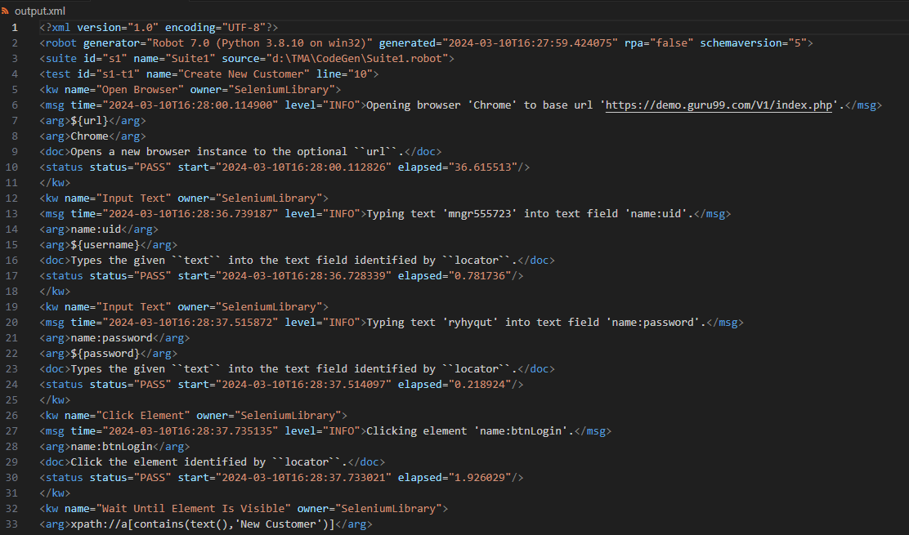
HOW TO WRITE TEST SCRIPT AND EXECUTE

Refer document in https://robotframework.org/robotframework/latest/RobotFrameworkUserGuide.html#creating-test-data

I. CODE STRUCTURE

Structure | Code | Document link
Import library | *** Settings *** Documentation Example using the space separated format. Library OperatingSystem | https://robotframework.org/robotframework/latest/RobotFrameworkUserGuide.html#using-test-libraries
Set global variable | *** Variables *** ${MESSAGE} Hello, world! | https://robotframework.org/robotframework/latest/RobotFrameworkUserGuide.html#variables
Write test cases | *** Test Cases *** My Test [Documentation] Example test. Log ${MESSAGE} My Keyword ${CURDIR} Another Test Should Be Equal ${MESSAGE} Hello, world! | https://robotframework.org/robotframework/latest/RobotFrameworkUserGuide.html#creating-test-cases
Write function (user keyword) | *** Keywords *** My Keyword [Arguments] ${path} Directory Should Exist ${path} | https://robotframework.org/robotframework/latest/RobotFrameworkUserGuide.html#creating-user-keywords

II. HOW TO RUN

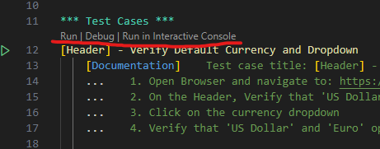
1. Run in VS Code
Click on run/debug button on VS Code
 |  |  | 0

2. Run in command line
Refer: https://robotframework.org/robotframework/latest/RobotFrameworkUserGuide.html#executing-test-cases
robot Test robot tests.robot robot path/to/my_tests/ robot c:\robot\tests.robot

3. How to check log
https://robotframework.org/robotframework/latest/RobotFrameworkUserGuide.html#output-files
After you execute the test, 3 log file will be created
- log.html | Test execution log file
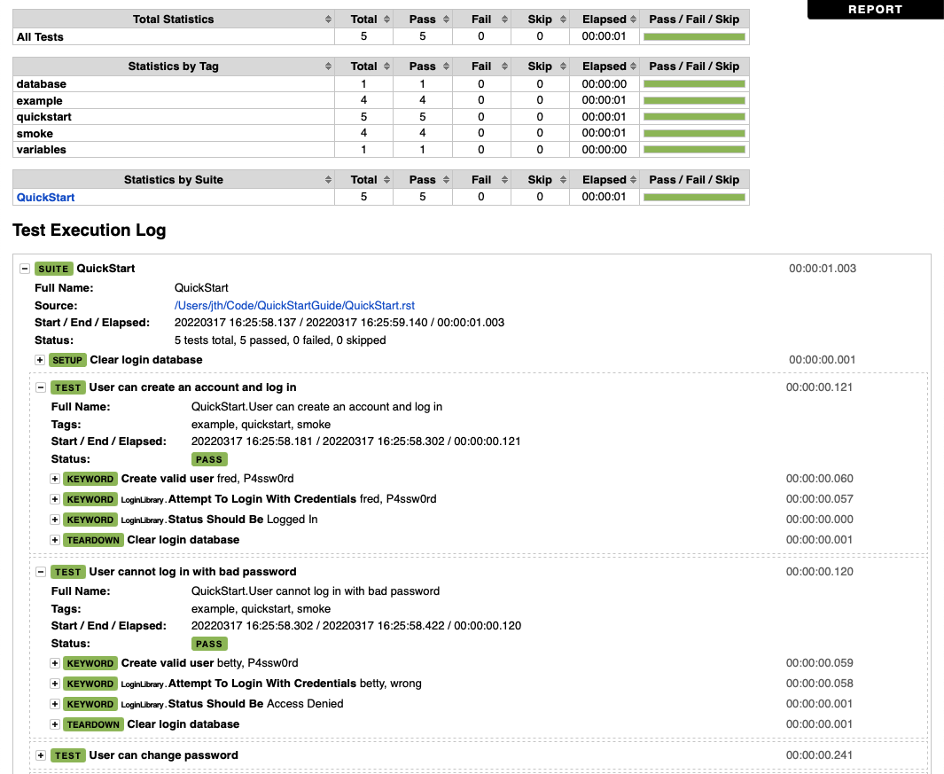

- report.html | Overview of the test execution results in HTML format
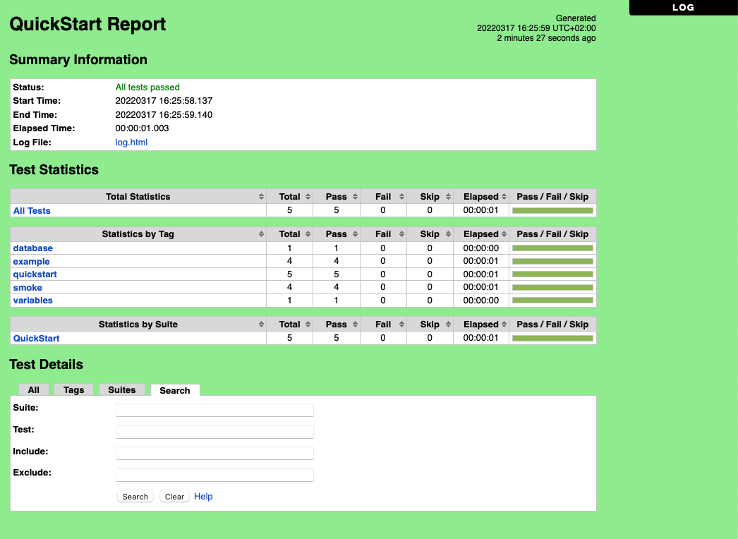

- output.xml | xUnit report file, use for Jenkins

