整體統計
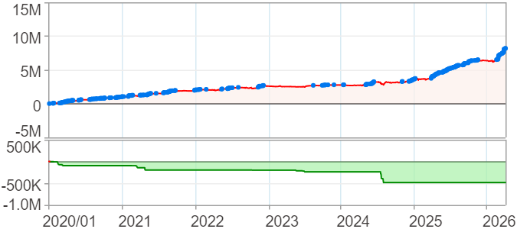
回測整體統計

回測資料範圍 | 2020/01/02 - 2026/04/15 (1分鐘資料)
執行商品個數 | 1(成功)0(失敗)
回測執行時間 | 2026/04/16 09:59 (總時間: 16秒, 準備時間: 15秒, 回測時間: 0秒)
交易腳本 | 數k棒重力流-非多即空
初始資金 | 100萬元
交易費用 | 股票0.2%(成交金額)、期貨105元(口)

項目 | 全部 |  | 做多 |  | 做空
淨利 | 8,182,670 | 818.27% | 6,397,140 | 639.71% | 1,785,530 | 178.55%
毛利 | 17,820,800 | 1782.08% | 12,792,230 | 1279.22% | 5,028,569 | 502.86%
獲利因子 | 1.85 |  | 2 |  | 1.55
毛損 | -9,638,131 | -963.81% | -6,395,091 | -639.51% | -3,243,040 | -324.30%
總交易成本 | 250,530 | 25.05% | 102,060 | 10.21% | 148,470 | 14.85%
最大投入金額 | 26,095,500 |  | 27,724,250 |  | 30,998,850
總交易次數 | 1193 |  | 486 |  | 707
獲利交易次數 | 620 |  | 277 |  | 343
勝率 | 51.97% |  | 57.00% |  | 48.51%
虧損交易次數 | 573 |  | 209 |  | 364
平均交易 | 6,859 | 0.69% | 13,163 | 1.32% | 2,526 | 0.25%
平均獲利交易 | 28,743 | 2.87% | 46,181 | 4.62% | 14,661 | 1.47%
平均獲利虧損比 | 1.71 |  | 1.51 |  | 1.65
平均虧損交易 | -16,820 | -1.68% | -30,599 | -3.06% | -8,909 | -0.89%
最大獲利交易 | 364,389 | 36.44% | 364,389 | 36.44% | 138,589 | 13.86%
最大虧損交易 | -269,611 | -26.96% | -269,611 | -26.96% | -91,410 | -9.14%
最大區間獲利 | 8,182,376 | 818.24% | 8,182,376 | 818.24% | 8,182,376 | 818.24%
最大區間虧損 | -484,351 | -48.44% | -484,351 | -48.44% | -484,351 | -48.44%
全部交易的平均持倉K線根數 | 180.64 |  | 316.89 |  | 86.98
獲利交易的平均持倉K線根數 | 238.00 |  | 393.52 |  | 112.41
回測K線根數 | 455760 |  | 455760 |  | 455760
虧損交易的平均持倉K線根數 | 118.57 |  | 215.32 |  | 63.01
時間加權報酬 | 5,789,856 | 578.99% | 4,095,248 | 409.52% | 332,164 | 33.22%
最大投入報酬率 | 8,182,670 | 31.36% | 6,397,140 | 23.07% | 1,785,530 | 5.76%
買進持有報酬 | 2,234,885 | 223.49% | 2,234,885 | 223.49% | 2,234,885 | 223.49%
大盤指數報酬 | 2,744,133 | 274.41% | 2,744,133 | 274.41% | 2,744,133 | 274.41%

執行失敗商品
商品名稱 | 狀態 | 說明

最大持倉報酬率圖
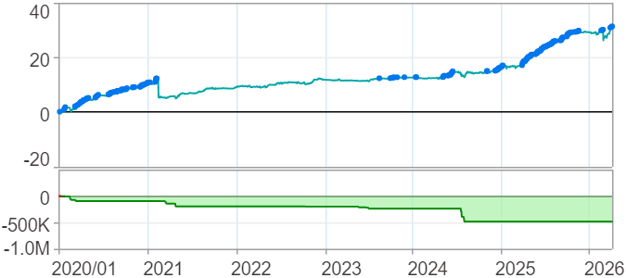

時間加權報酬率圖
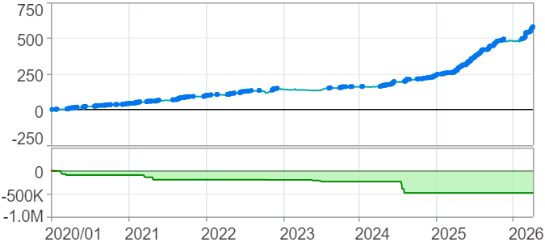

淨利曲線圖

週期分析(日)
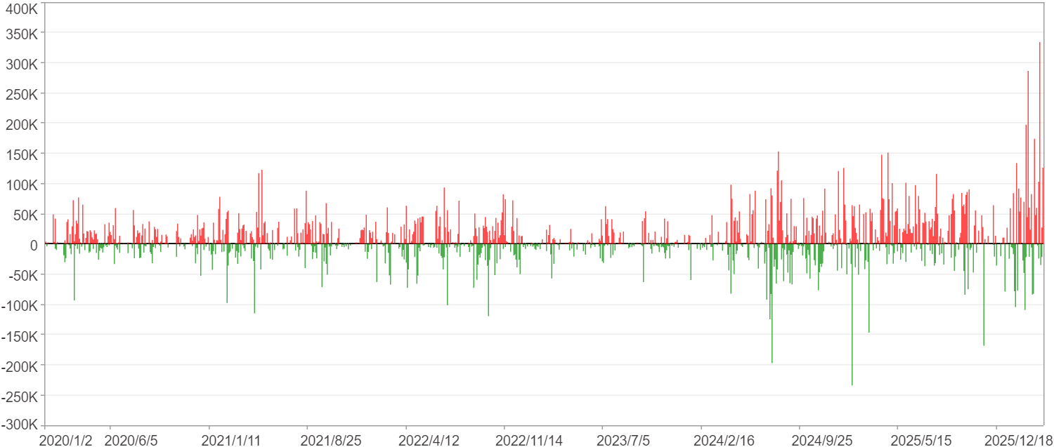
週期分析(日)

項目 | $ | %
淨利/最大投入報酬率 | 8,182,156 | 31.35%
勝率 | 38.28% | 38.28%
最大區間獲利 | 600,053 | 1.82%
最大區間虧損 | -234,840 | -0.79%
獲利因子 | 1.82 | 1.82
總交易日數 | 1523 | 1523
獲利交易日數 | 583 | 583
虧損交易日數 | 479 | 479
毛利 | 18,208,058 | 69.77%
毛損 | -10,025,902 | -38.42%
最大單日獲利 | 333,779 | 0.99%
最大單日虧損 | -234,011 | -0.79%
平均單日金額變動 | 5,372 | 0.02%
平均單日獲利金額變動 | 31,232 | 0.11%
平均單日虧損金額變動 | -20,931 | -0.07%
平均單日獲利虧損比 | 1.49 | 1.49
1日 - 31日(總計)(%)
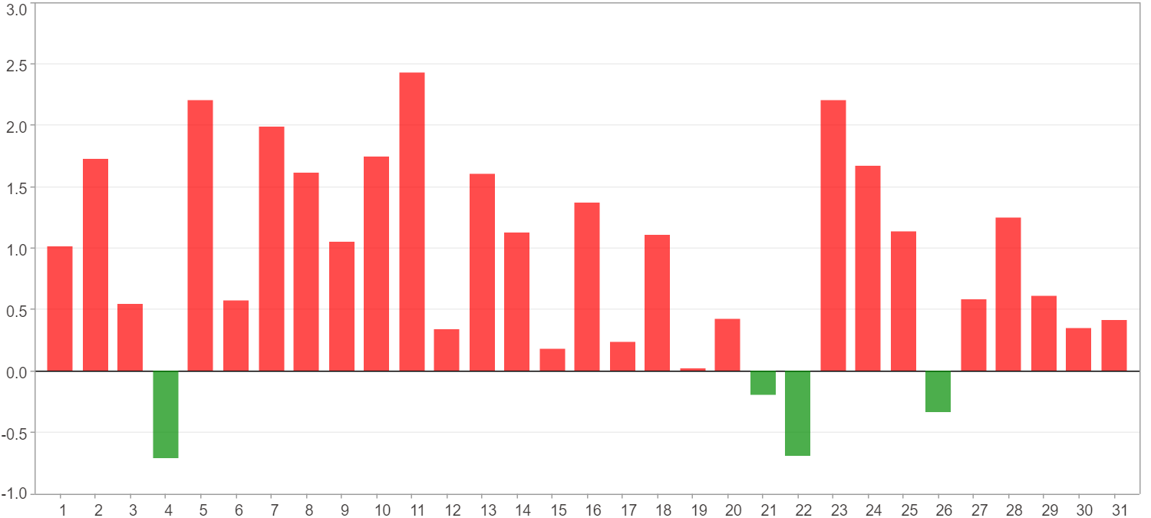

1日 - 31日(平均)(%)
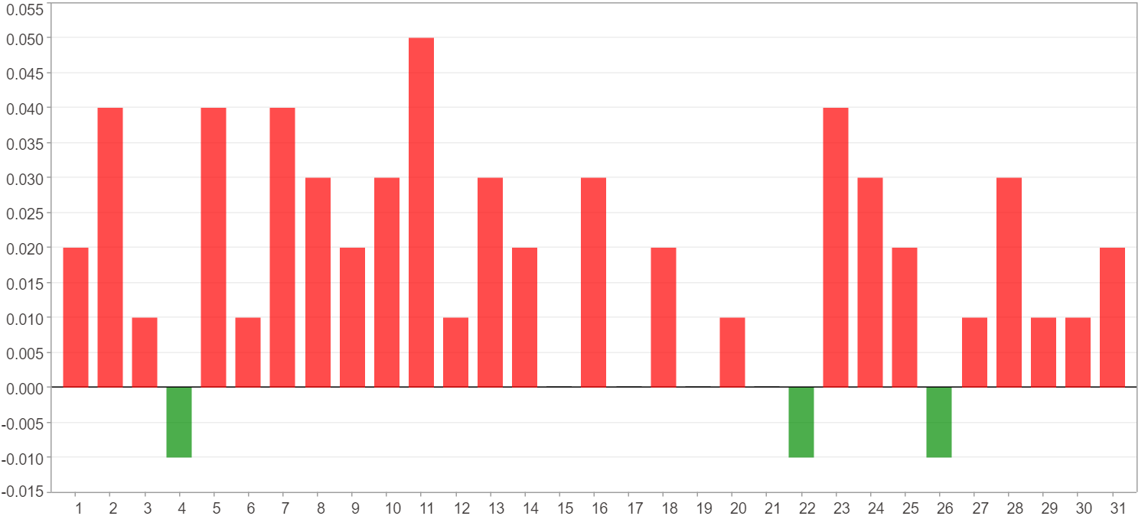

1日 - 31日(總計)($)
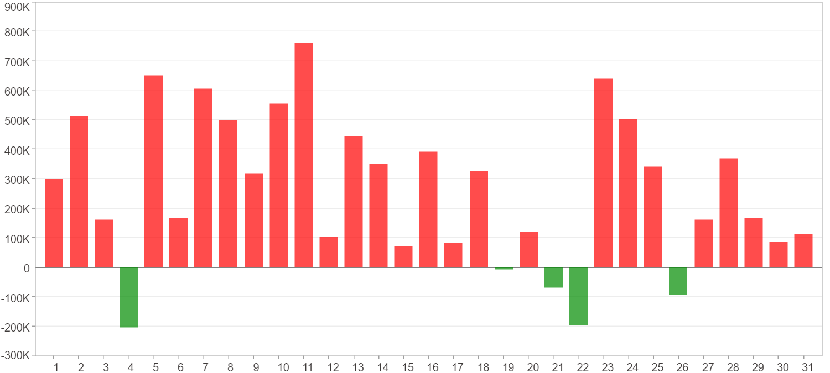

1日 - 31日(平均)($)
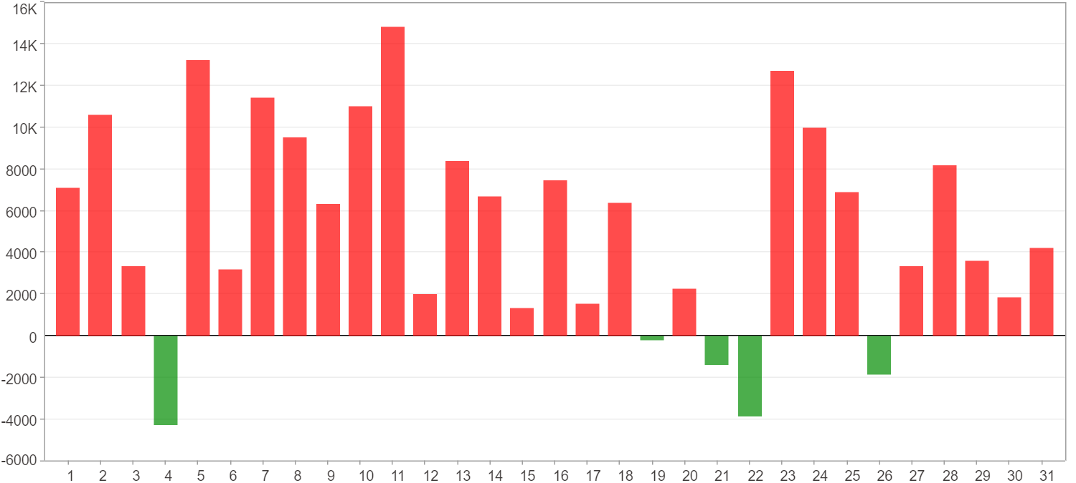

星期一 ~ 星期五(總計)(%)
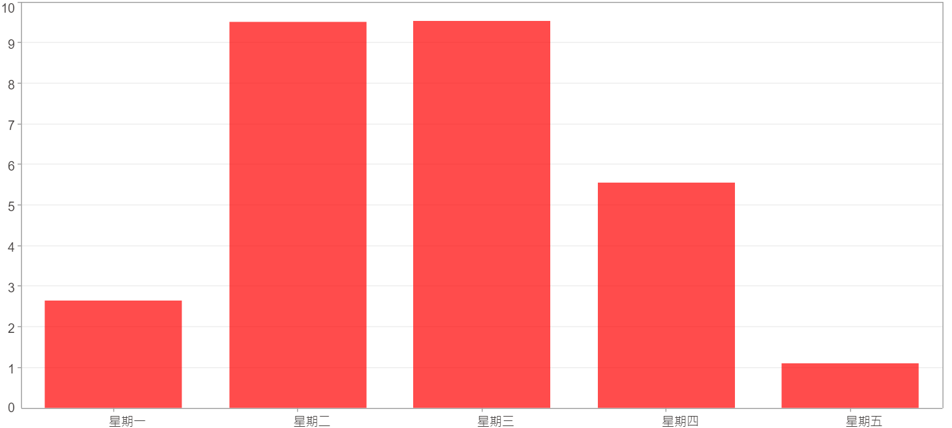

星期一 ~ 星期五(平均)(%)
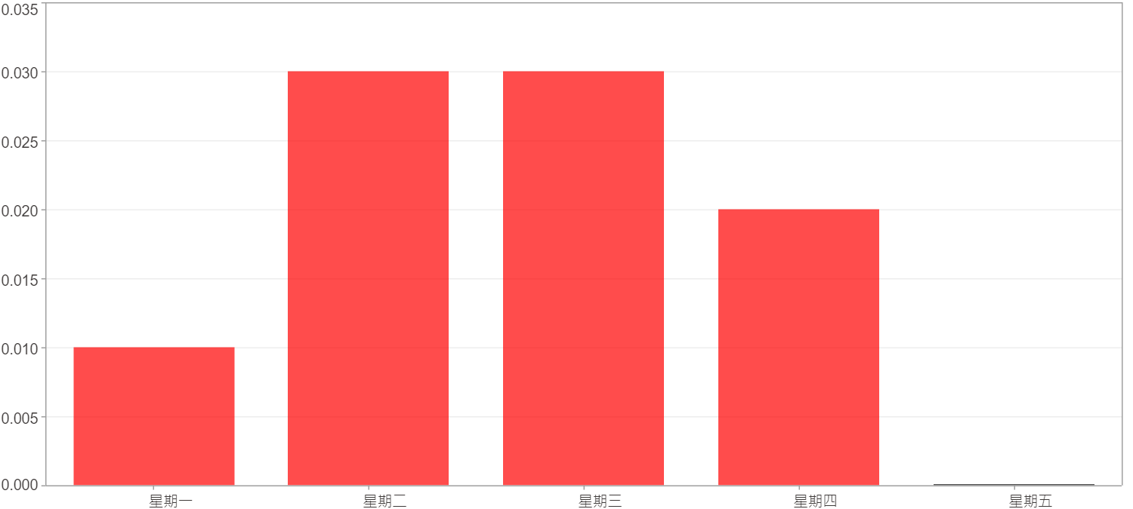

星期一 ~ 星期五(總計)($)
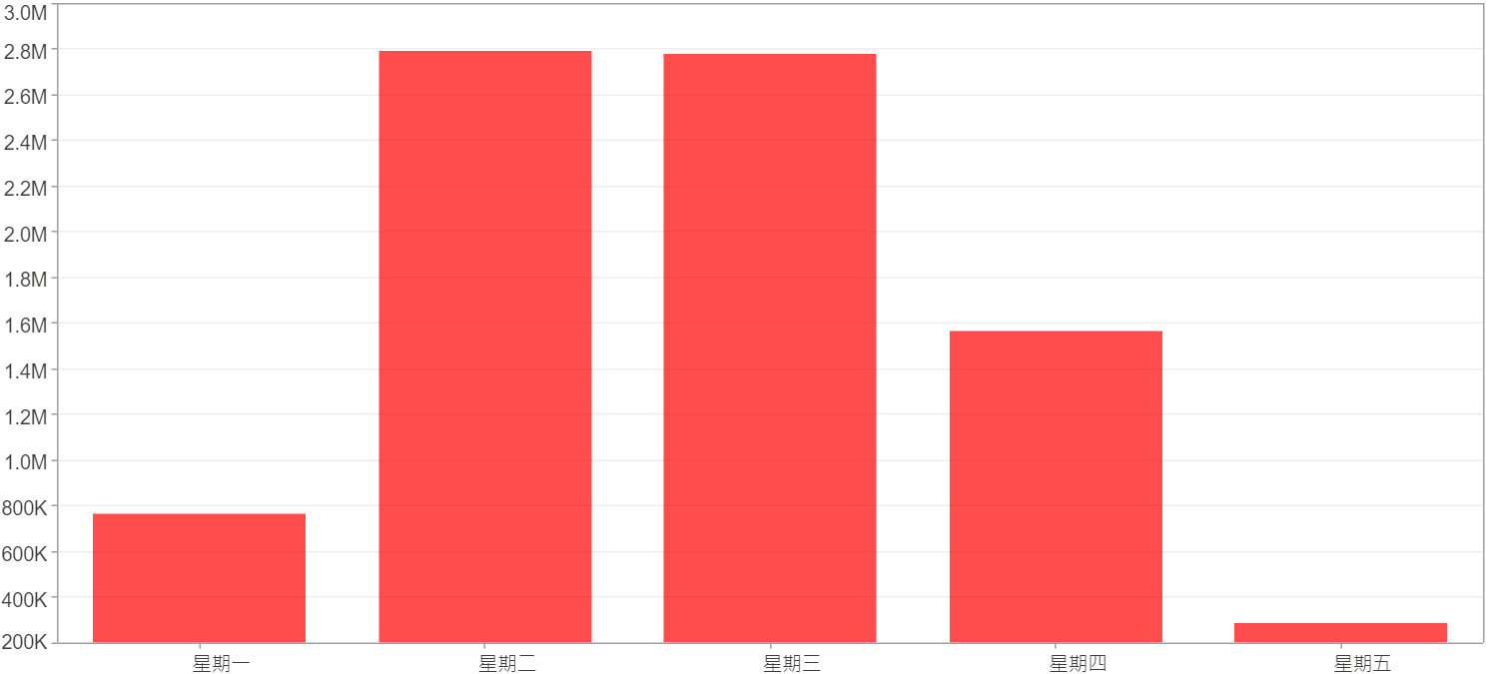

星期一 ~ 星期五(平均)($)
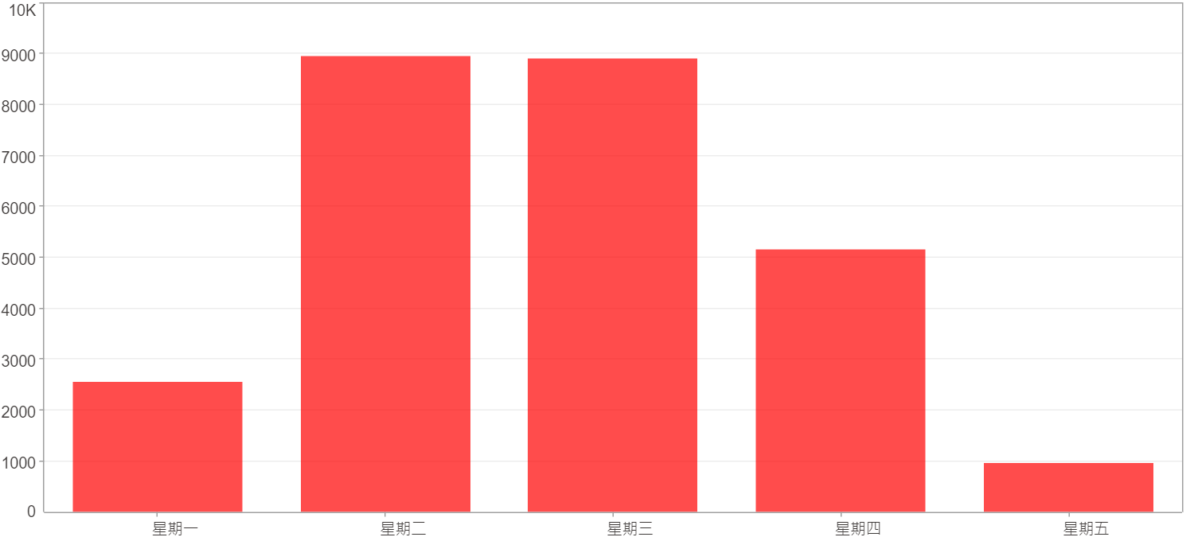

每一日(%)
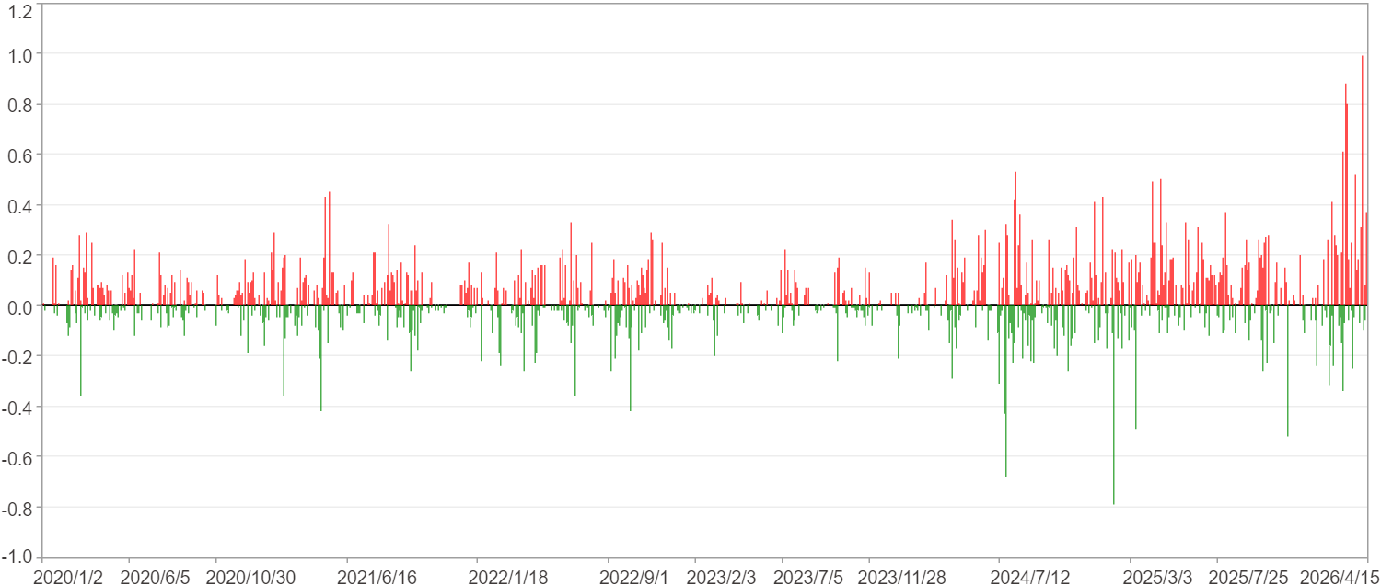

每一日($)

週期分析(月)
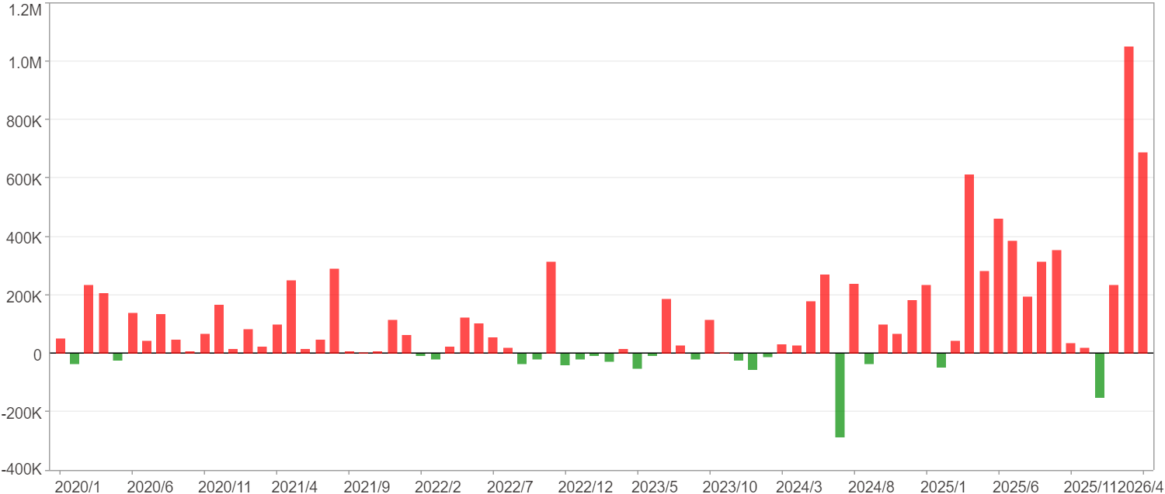
週期分析(月)

項目 | $ | %
淨利/最大投入報酬率 | 8,182,156 | 31.35%
勝率 | 73.68% | 73.68%
最大區間獲利 | 2,703,259 | 9.09%
最大區間虧損 | -284,828 | -0.97%
獲利因子 | 9.73 | 9.73
總交易月數 | 76 | 76
獲利交易月數 | 56 | 56
虧損交易月數 | 20 | 20
毛利 | 9,119,612 | 34.95%
毛損 | -937,456 | -3.59%
最大單月獲利 | 1,051,351 | 3.23%
最大單月虧損 | -284,828 | -0.97%
平均單月金額變動 | 107,660 | 0.36%
平均單月獲利金額變動 | 162,850 | 0.55%
平均單月虧損金額變動 | -46,873 | -0.16%
平均單月獲利虧損比 | 3.47 | 3.47
1月 - 12月(總計)(%)
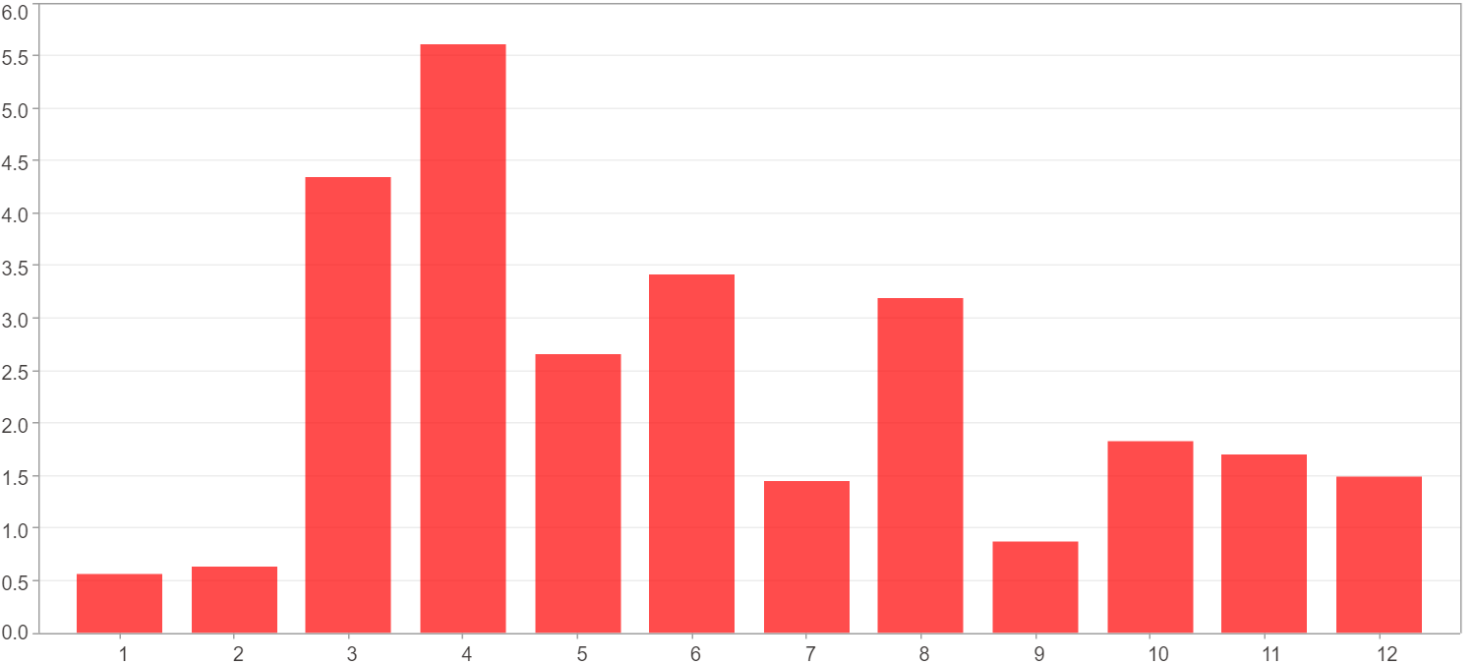

1月 - 12月(總計)($)
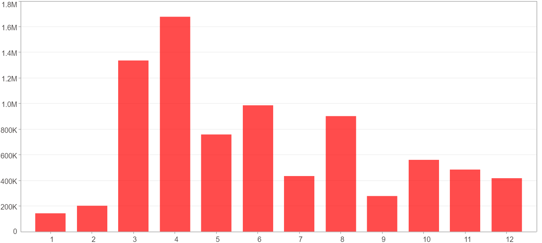

1月 - 12月(平均)(%)
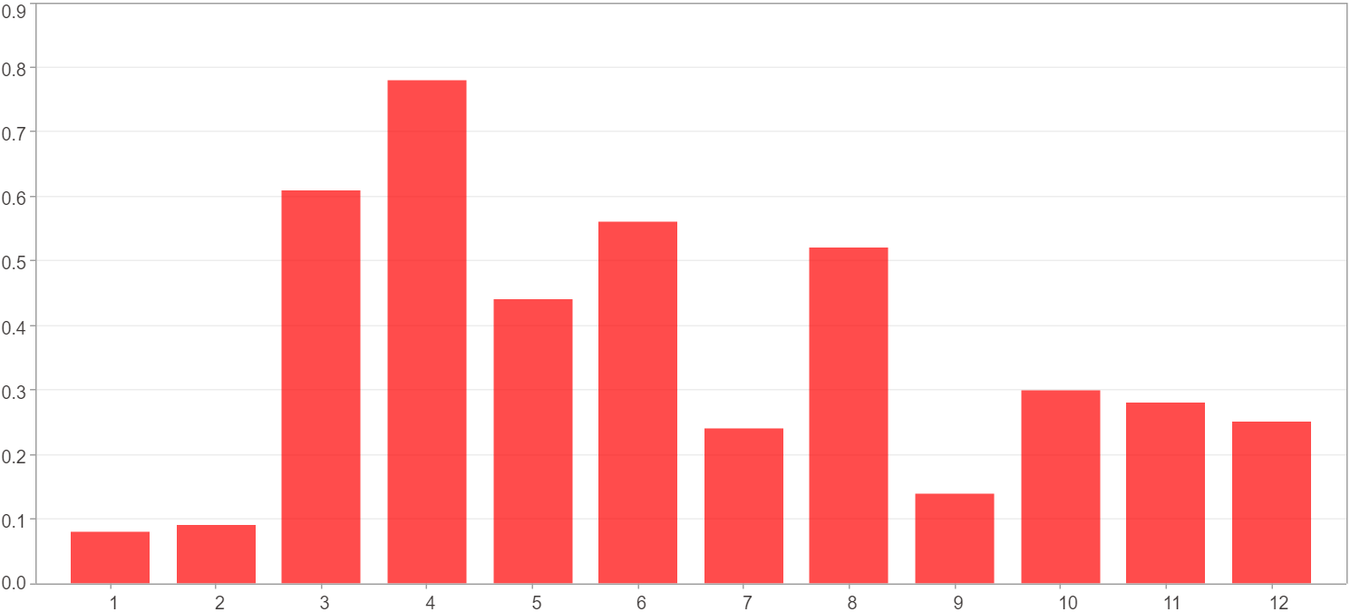

1月 - 12月(平均)($)
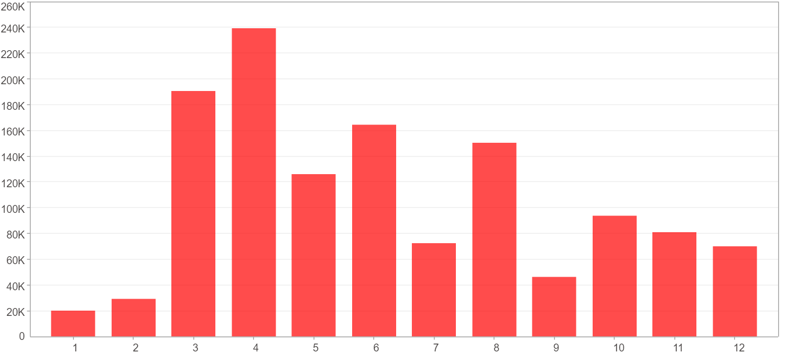

每一月(%)
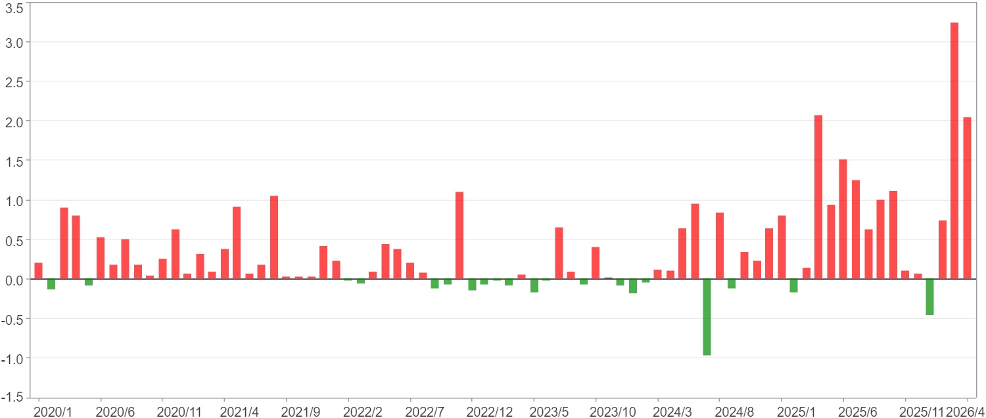

每一月($)

週期分析(季)
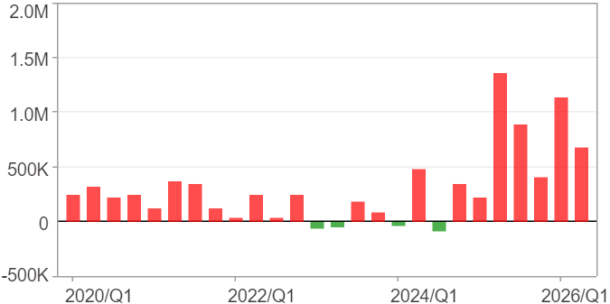
週期分析(季)

項目 | $ | %
淨利/最大投入報酬率 | 8,182,156 | 31.35%
勝率 | 84.62% | 84.62%
最大區間獲利 | 5,064,718 | 17.34%
最大區間虧損 | -101,474 | -0.35%
獲利因子 | 38.01 | 38.01
總交易季數 | 26 | 26
獲利交易季數 | 22 | 22
虧損交易季數 | 4 | 4
毛利 | 8,403,231 | 32.2%
毛損 | -221,075 | -0.85%
最大單季獲利 | 1,359,350 | 4.56%
最大單季虧損 | -81,572 | -0.28%
平均單季金額變動 | 314,698 | 1.05%
平均單季獲利金額變動 | 381,965 | 1.28%
平均單季虧損金額變動 | -55,269 | -0.19%
平均單季獲利虧損比 | 6.91 | 6.91
第一季 ~ 第四季(總計)(%)
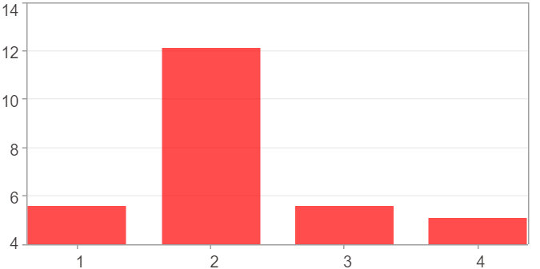

第一季 ~ 第四季(總計)($)
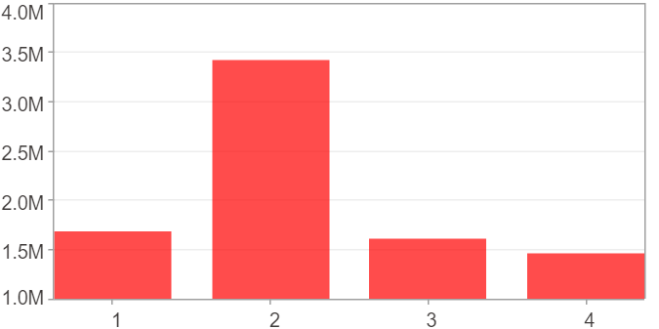

第一季 ~ 第四季(平均)(%)
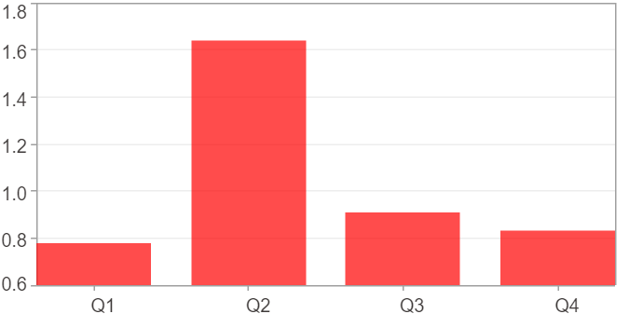

第一季 ~ 第四季(平均)($)
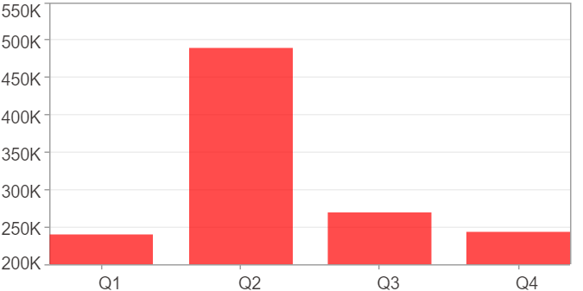

每一季(%)
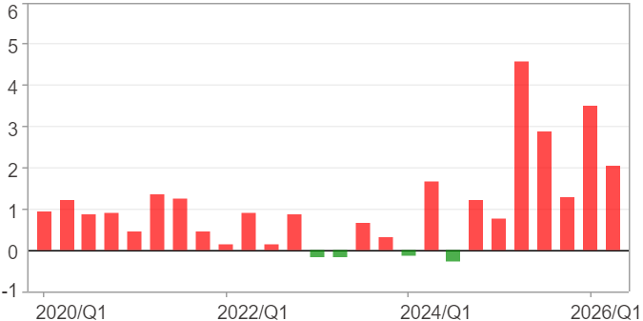

每一季($)

週期分析(年)
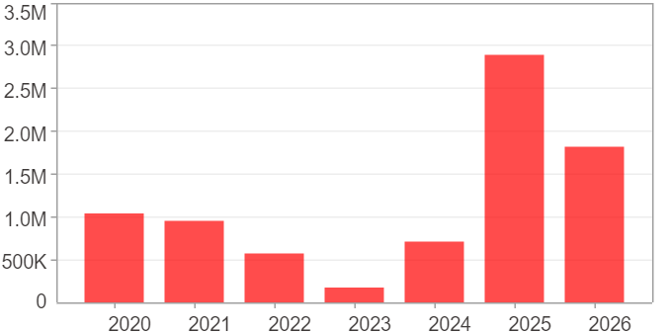
週期分析(年)

項目 | $ | %
淨利/最大投入報酬率 | 8,182,156 | 31.35%
勝率 | 100% | 100%
最大區間獲利 | 8,182,156 | 31.35%
最大區間虧損 | 0 | 0%
獲利因子 | 0 | 0
總交易年數 | 7 | 7
獲利交易年數 | 7 | 7
虧損交易年數 | 0 | 0
毛利 | 8,182,156 | 31.35%
毛損 | 0 | 0%
最大單年獲利 | 2,889,662 | 9.77%
最大單年虧損 | 180,859 | 0.63%
平均單年金額變動 | 1,168,879 | 3.97%
平均單年獲利金額變動 | 1,168,879 | 3.97%
平均單年虧損金額變動 | 0 | 0%
平均單年獲利虧損比 | 0 | 0
每一年(%)
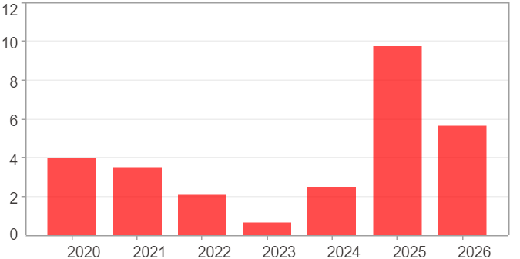

每一年($)

