Month Slider
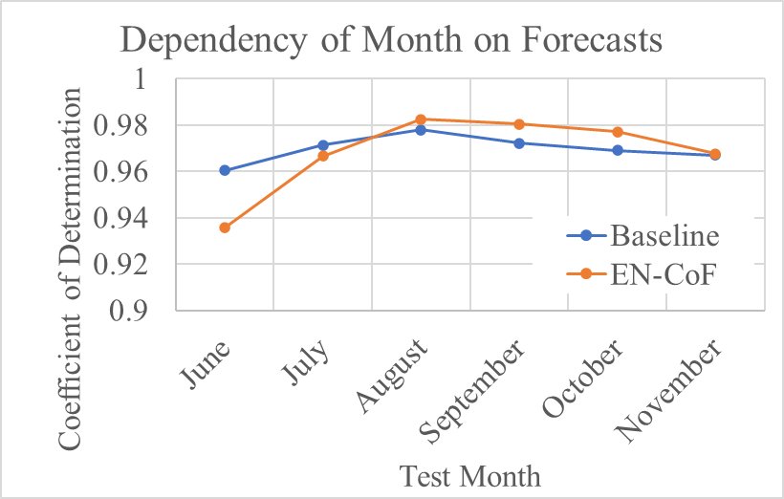
Dependency of Month on Forecasts
month | Baseline | EN-CoF
June | 0.9603 | 0.9356
July | 0.9713 | 0.9666
August | 0.9778 | 0.9825
September | 0.9721 | 0.9803
October | 0.969 | 0.977
November | 0.967 | 0.9676

Further into Future
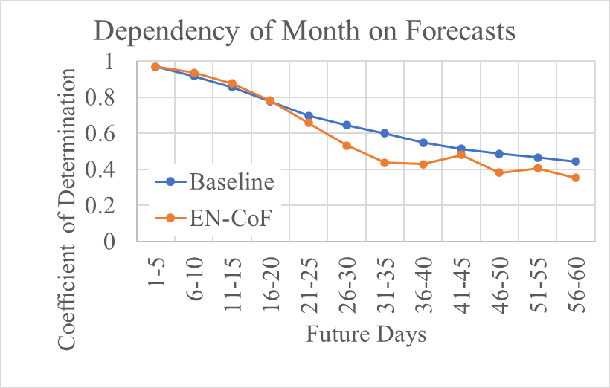
Dependency of Month on Forecasts
future days | Baseline | EN-CoF
1-5 | 0.9676 | 0.969
6-10 | 0.9179 | 0.9363
11-15 | 0.8551 | 0.8751
16-20 | 0.7772 | 0.7808
21-25 | 0.696 | 0.6564
26-30 | 0.6454 | 0.5321
31-35 | 0.6002 | 0.437
36-40 | 0.5489 | 0.4278
41-45 | 0.5121 | 0.4804
46-50 | 0.4868 | 0.3809
51-55 | 0.4651 | 0.4053
56-60 | 0.4432 | 0.3514

