Sheet1
7 | 8 | 9 | 7 | 8 | 9 |  |  | 7 | 8 | 9
 | Dbg Test | Run Test | Calc | Pwd-- | PrtScn | MinWin | ClsWin | VwHstry | Goto Chgs | Commit
 | C+5 | C+6 |  |  |  |  |  |  |  | & Push
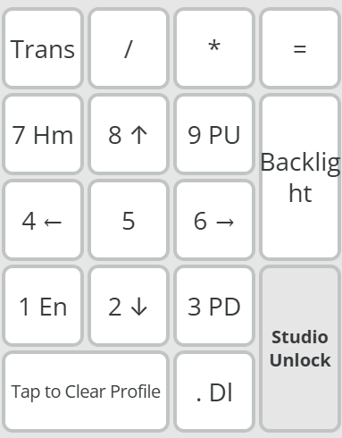
4 | 5 | 6 | 4 | 5 | 6 |  |  | 4 | 5 | 6
JS Brk Pt | JS Run |  | Source | Zeerka | VsCode |  |  | Comp | Comp | Commit
C+B | F8 |  | Code |  |  |  |  | Prev | Unmodfd
1 | 2 | 3 | 1 | 2 | 3 |  |  | 1 | 2 | 3
 |  |  | Close | Temp | Exit |  |  | Undo | Pull | Merge
 |  |  | Win |  | App
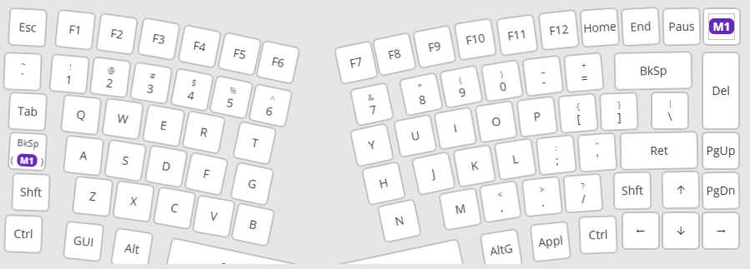
 |  |  |  |  |  |  |  | Copilot | A+/
 |  |  |  |  |  |  |  | C+\, C | Chat
 |  |  |  |  |  |  |  | Git
 |  |  |  |  |  |  |  | C+A+S+B | View Branches
 |  |  |  |  |  |  |  | C+A+S+C | Create Branch

