Screen Flow
SCREEN FLOW
HLD | JAbella | Jovilyn Abella
V1.00 JA
 |  |  | reference number | = | 1.1
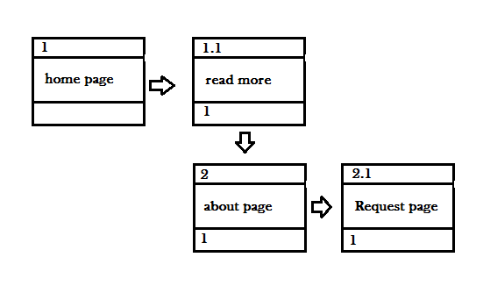
 |  |  | screen name | = | read more page
 |  |  | refere number of return display | = | 1

1.0 HomePage
<NAME OF WEBSITE>
wireframe |  |  | Team Name | < your name >
V1.00 JA |  |  | < course > | < your name >
< SCREEN NAME >
< FILE NAME >
Screen Description / Purpose :

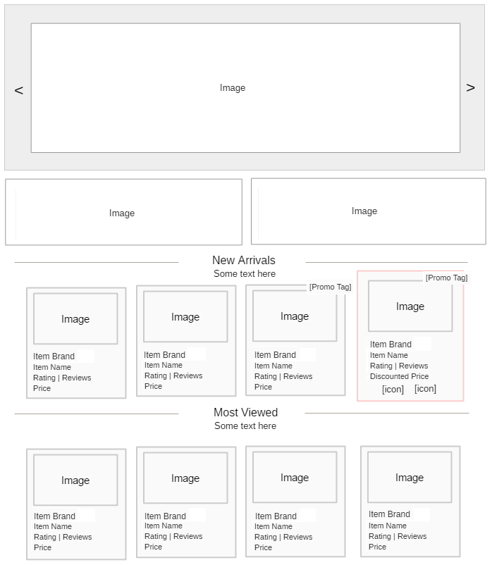

< SCREEN FIELD >
Field Name | Data Type | Field Type | Required | Inital Value | Description | Example
Images | Image | Image Box |  |  | Carousel
Hugot Quote | String | Text |  |  | Client's update
Some text here | String | Text
New Arrivals | String | Text |  |  | Display new arrival items
Some text here | String | Text
Most Viewed | String | Text |  |  | Items most viewed by users
Some text here | String | Text
Item Image | Image | Image Box
Item Brand | String | Text
Item Name | String | Text
Rating | Reviews | Double | Text
Discounted Price | Double | Text
Item Price | Double | Text
[promo tag] | String | Text |  |  |  | Text/Image base
[icon] |  | Button |  |  |  | Add to Wish List
[icon] |  | Button |  |  |  | Compare Item

< SCREEN LOGIC >

Product Display duration should be : maximum time (1 month), minimum time (1 week)
Product Rating indicate customer's satisfaction of an item.
Display maximum of 5 items only.
Carousel
Auto Playback transitions, can also be manually operated by the user through the use of the directional icons < (left) / > (right)
Image contents can be updated by authorize person. [Hugot lines is merged directly to the image]
Adding hugot to carousel images can be optional.
If the image transition hits on its last image item, the first image will authomatically be next to display to continue carousel routine.
Each image can redirect user to its set corresponding page.
sample
If an image is a promo type banner, and user clicks,
Redirects to promo and event page.

Catalog item list
On hover,
Product container will raise and its borders change to emphasize selection.
On click
Redirects to product description page.

Promo Tag
Optional,
Depends on the admin if the product is on promo state.
Attached on limited time only.
If the range of promo for a product is overdue
Promo tag will automatically removed.

Review
is a hyperLink
On click,
Redirects to screen 8.3 focus on review tab content.

3.0 Contact Us
<NAME OF WEBSITE>
wireframe |  |  | Team Name | < your name >
V1.00 JA |  |  | < course > | < your name >
< SCREEN NAME >
< FILE NAME >
Screen Description / Purpose :

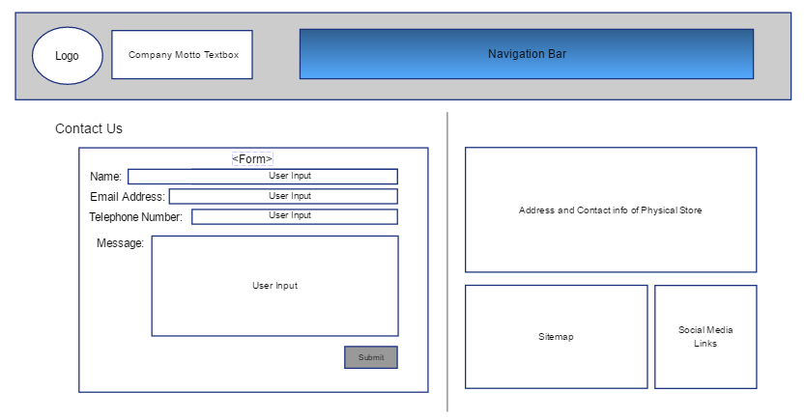

< SCREEN FIELD >
Field Name | Data Type | Field Type | Required | Inital Value | Description | Example
Logo | Image | Image Box | Yes |  | Logo of Business
Company Motto | String | Text |  |  | Motto of Business
Navigation Bar | String | Text | Yes |  | Website Navigation Bar
Form |  | Form |  |  | Contact Us form
User Input | String | Text |  |  | Inputs from user
Submit |  | Button
Address and Contact info of Physical Store | String | Text |  |  | Contact details of physical store
Sitemap |  | Embedded Map |  |  | Show the location of the physical store in Google Maps
Social Media Links |  | Hyperlinks |  |  | Links to the social media accounts of the store

< SCREEN LOGIC >

Form
On hover and click,
Form container will be highlighted.

Submit
On click,
Page will redirect to a thank you page.

Sitemap
is an embedded map from Google Maps
On double click,
Redirects to Google Maps Street Views on the location of the physical store.

Social Media Links
is a hyperlink
On click,
Redirects to the social media accounts of the business.

