NoticeList
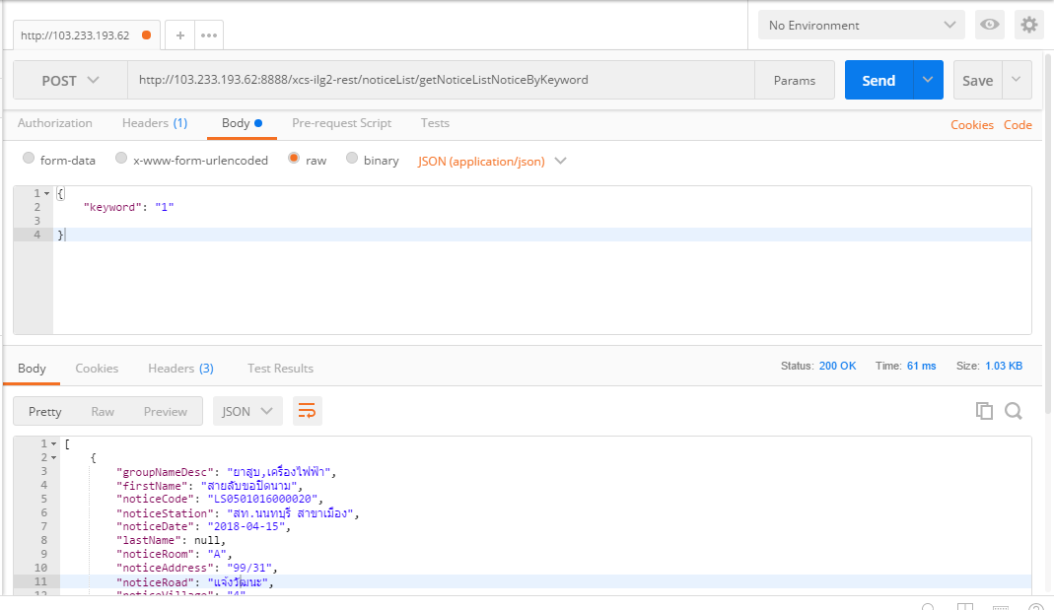
METHOD | URL | JSON
POST | http://{Hostname}/noticeList/getNoticeListNoticeByKeyword | {"keyword": "str"} | P
POST | http://{Hostname}/noticeList/getNoticeListNoticeByConAdv | {"NoticeCode":"str","NoticeStation":"str","NoticeDate":1524503490688,"NoticeDueDate":1524503490688,"ReceiveTitleName":"str","ReceiveFirstName":"str","ReceiveLastName":"str","GroupNameDesc":"str","FirstName":"str","LastName":"str","NoticeLocation":"str","NoticeAddress":"str","NoticeVillage":"str","NoticeBuilding":"str","NoticeFloor":"str","NoticeRoom":"str","NoticeAlley":"str","NoticeRoad":"str","NoticeSubDistrict":"str","NoticeDistrict":"str","NoticeProvince":"str"} | NP

Notice
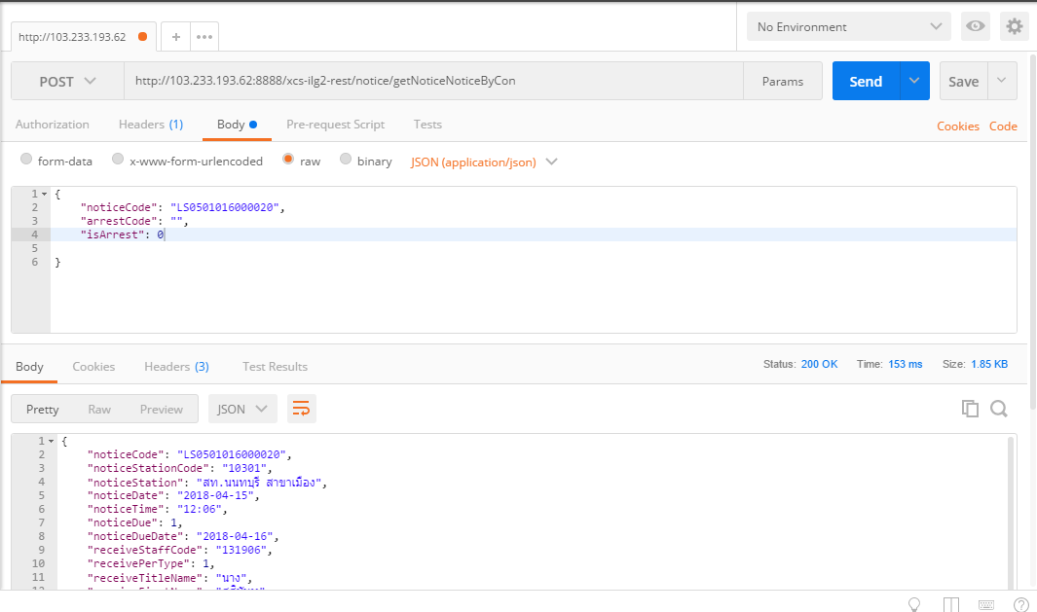
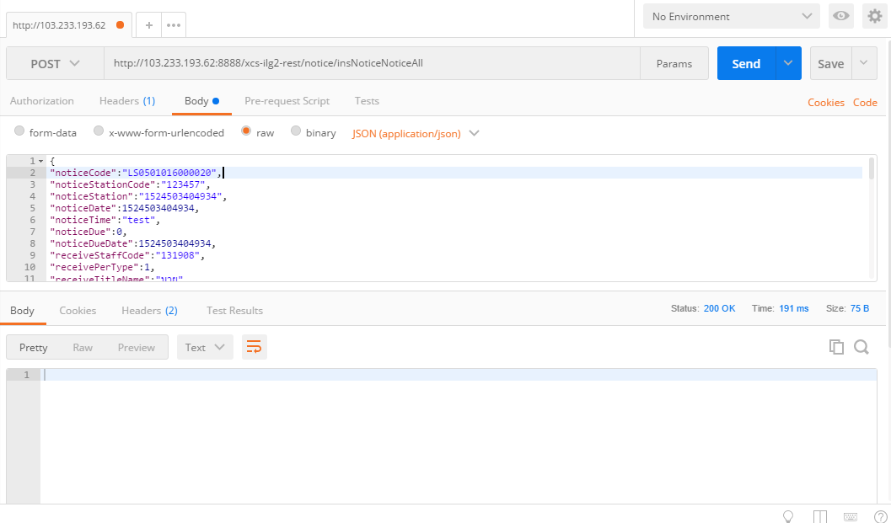
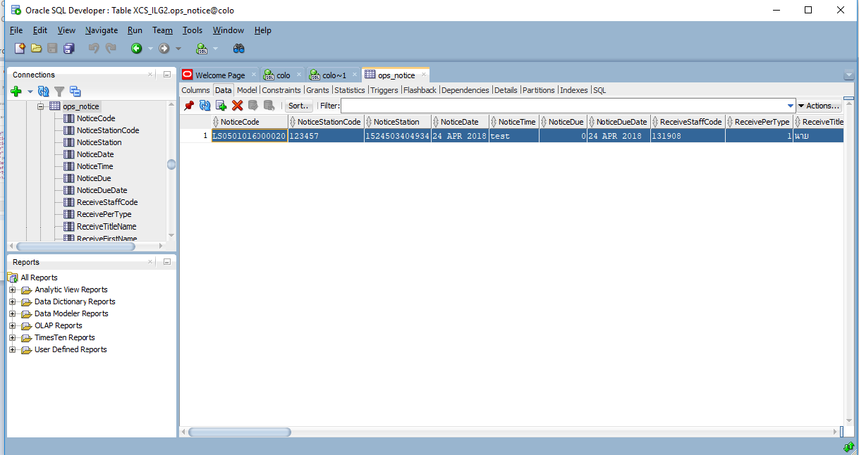
METHOD | URL | JSON
POST | http://{Hostname}/notice/getNoticeNoticeByCon | {"noticeCode": "str","arrestCode": "str","isArrest": 0} | P
POST | http://{Hostname}/notice/insNoticeNoticeAll | {"noticeCode":"str","noticeStationCode":"str","noticeStation":"str","noticeDate":1524503404934,"noticeTime":"str","noticeDue":0,"noticeDueDate":1524503404934,"receiveStaffCode":"str","receivePerType":0,"receiveTitleName":"str","receiveFirstName":"str","receiveLastName":"str","receiveOperationPosCode":"str","receiveOperationPosName":"str","receiveManagementPosCode":"str","receiveManagementPosName":"str","receivePosLevel":"str","receivePosLevelName":"str","receiveRepresentationPosCode":"str","receiveRepresentationPosName":"str","receiveOperationDeptCode":"str","receiveOperationDeptName":"str","receiveUnderDeptCode":"str","receiveUnderDeptName":"str","receiveDeptLevel":"str","receiveOfficeCode":"str","receiveOfficeName":"str","receiveOfficeShortName":"str","receiveStatusCode":0,"authorizedtoPay":"str","groupNameDesc":"str","arrestDesc":"str","secretLevel":0,"remarks":"str","isProceed":0,"isCapture":0,"isRewardPayOut":0,"captureCode":"str","isActive":0,"creationDate":"Timestamp","createdUserCode":"str","createdUserName":"str","updatedDate":"Timestamp","updatedUserCode":"str","updatedUserName":"str","deletedDate":"Timestamp","deletedUserCode":"str","deletedUserName":"str"} | P
PUT | http://{Hostname}/notice/updNoticeNoticeByCon
PUT | http://{Hostname}/notice/delNoticeNoticeByCon?noticeCode={noticeCode}&isActive={isActive}
PUT | http://{Hostname}/notice/delArrestNoticeByCon?arrestCode=arrestCode={arrestCode}&isArrest={isArrest}

NoticeInformer
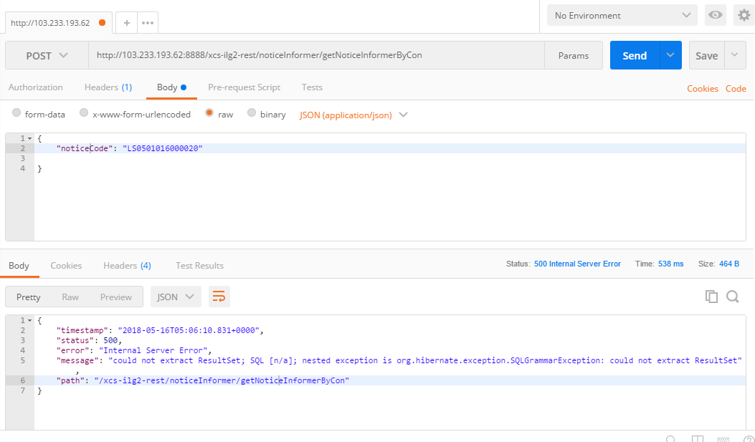
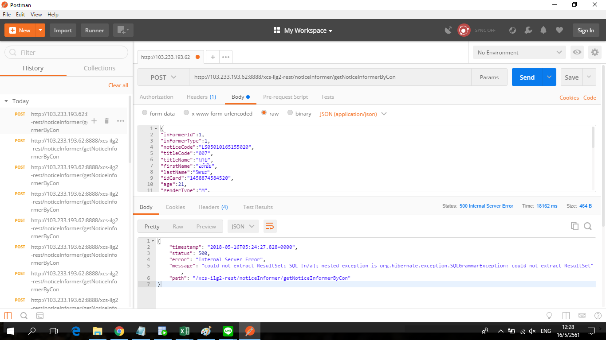
METHOD | URL | JSON
POST | http://{Hostname}/noticeInformer/getNoticeInformerByCon | {"noticeCode": "str"} | NP | parameter json ขาด InFormerID
POST | http://{Hostname}/noticeInformer/insNoticeInformerAll | {"inFormerId":0,"inFormerType":0,"noticeCode":"str","titleCode":"str","titleName":"str","firstName":"str","lastName":"str","idCard":"str","age":0,"genderType":"str","location":"str","address":"str","village":"str","building":"str","floor":"str","room":"str","alley":"str","road":"str","subDistrictCode":"str","subDistrict":"str","districtCode":"str","district":"str","provinceCode":"str","province":"str","zipCode":"str","telephoneNo":"str","isActive":0} | NP
PUT | http://{Hostname}/notice/updNoticeInformerByCon
PUT | http://{Hostname}/notice/delNoticeInformByCon

NoticeLocale
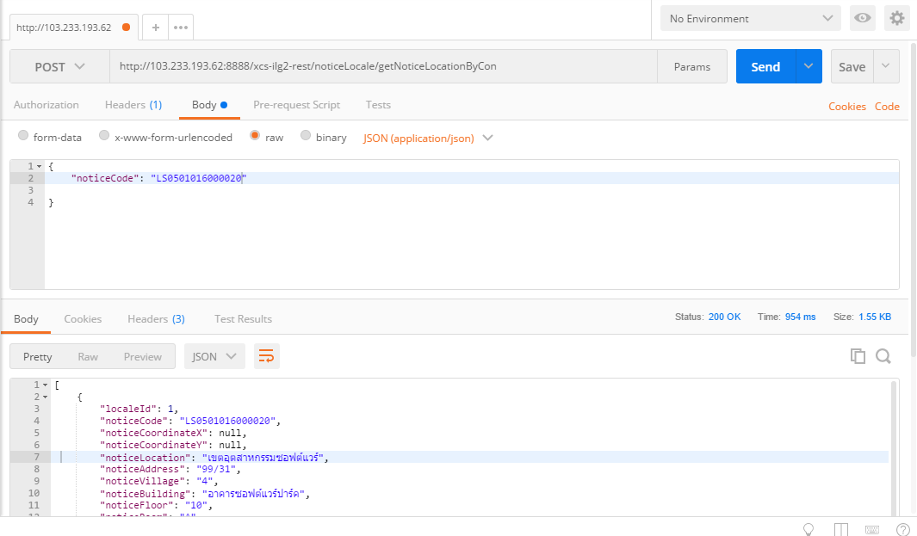
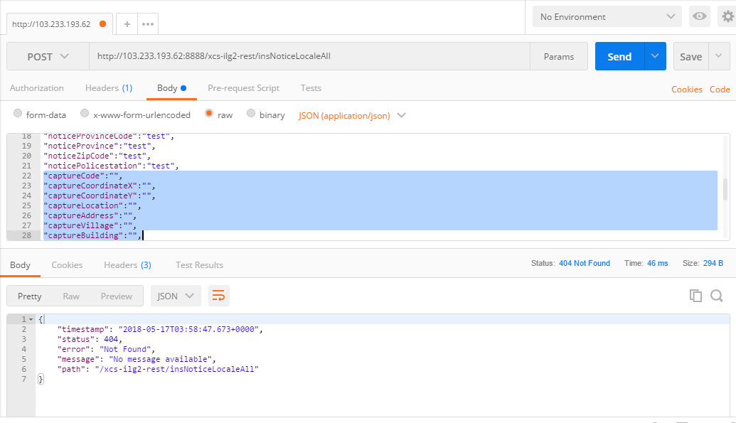
METHOD | URL | JSON
POST | http://{Hostname}/noticeLocale/getNoticeLocationByCon | {"noticeCode": "str"} | P
POST | http://{Hostname}/noticeLocale/insNoticeLocaleAll | {"localeId":0,"noticeCode":"str","noticeCoordinateX":"str","noticeCoordinateY":"str","noticeLocation":"str","noticeAddress":"str","noticeVillage":"str","noticeBuilding":"str","noticeFloor":"str","noticeRoom":"str","noticeAlley":"str","noticeRoad":"str","noticeSubDistrictCode":"str","noticeSubDistrict":"str","noticeDistrictCode":"str","noticeDistrict":"str","noticeProvinceCode":"str","noticeProvince":"str","noticeZipCode":"str","noticePolicestation":"str","captureCode":"str","captureCoordinateX":"str","captureCoordinateY":"str","captureLocation":"str","captureAddress":"str","captureVillage":"str","captureBuilding":"str","captureFloor":"str","captureRoom":"str","captureAlley":"str","captureRoad":"str","captureSubDistrictCode":"str","captureSubDistrict":"str","captureDistrictCode":"str","captureDistrict":"str","captureProvinceCode":"str","captureProvince":"str","captureZipCode":"str","capturePolicestation":"str","isActive":"str"} | NP | parameter ของ Json มีการเปลี่ยนชื่อ
PUT | http://{Hostname}/noticeLocale/updNoticeLocatByCon
PUT | http://{Hostname}/noticeLocale/delNoticeLocationByCon

ProductGroup
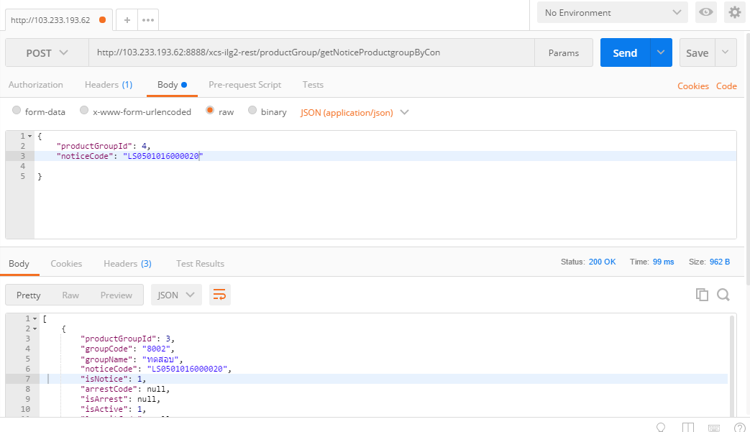
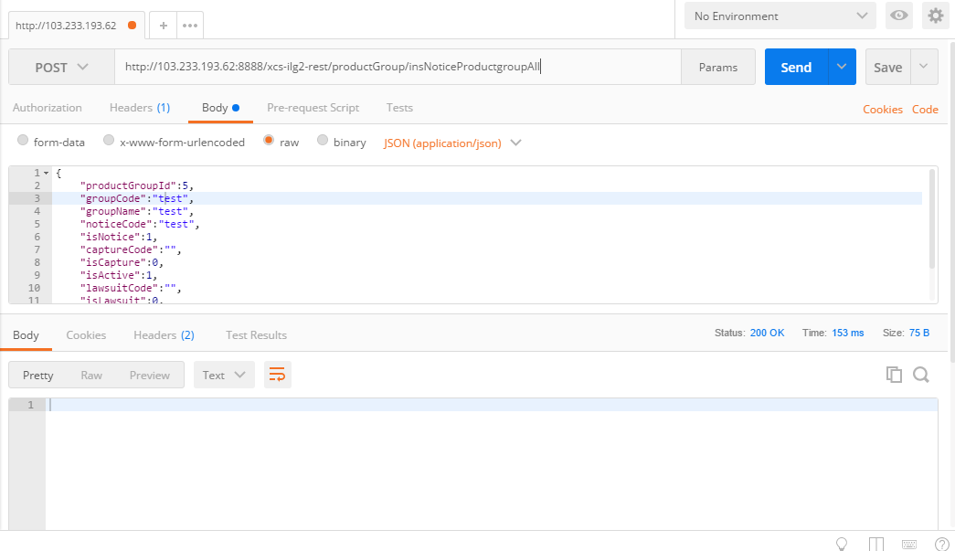
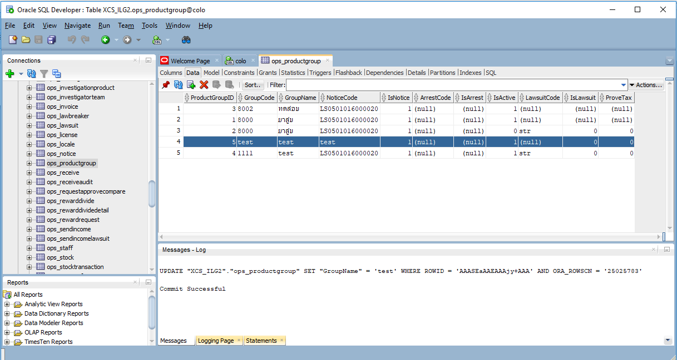
METHOD | URL | JSON
POST | http://{Hostname}/productGroup/getNoticeProductgroupByCon | {"productGroupId": 0,"noticeCode": "str"} | P
POST | http://{Hostname}/productGroup/insNoticeProductgroupAll | {"productGroupId":0,"groupCode":"str","groupName":"str","noticeCode":"str","isNotice":0,"captureCode":"str","isCapture":0,"isActive":0,"lawsuitCode":"str","isLawsuit":0,"proveTax":0} | P
PUT | http://{Hostname}/productGroup/delNoticeProductgrouptByCon

ProgramRole
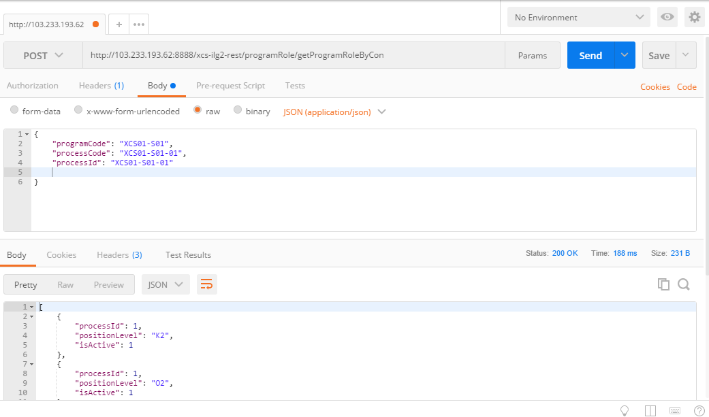
METHOD | URL | JSON
POST | http://{Hostname}/programRole/getProgramRoleByCon | {"programCode": "str","processCode": "str,"processId": "str"} | P

Staff
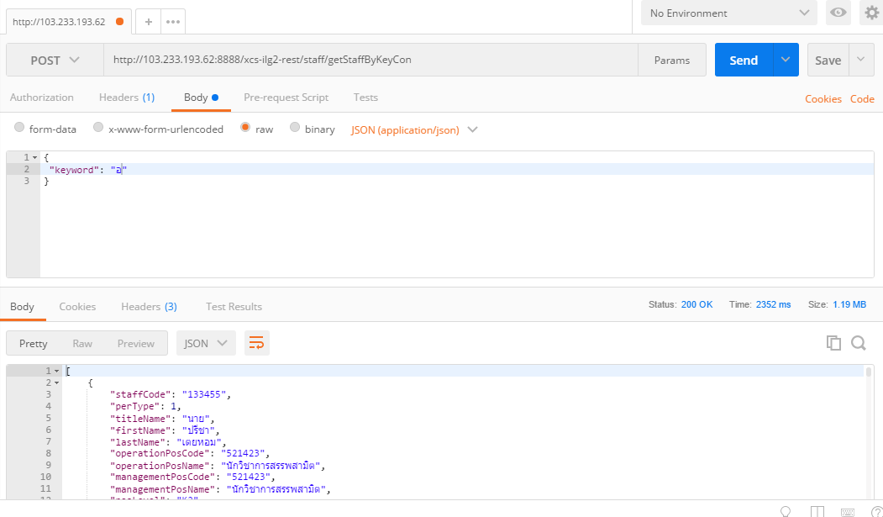
METHOD | URL | JSON
POST | http://{Hostname}/staff/getStaffByKeyCon | {"keyword": "str" } | P

Office
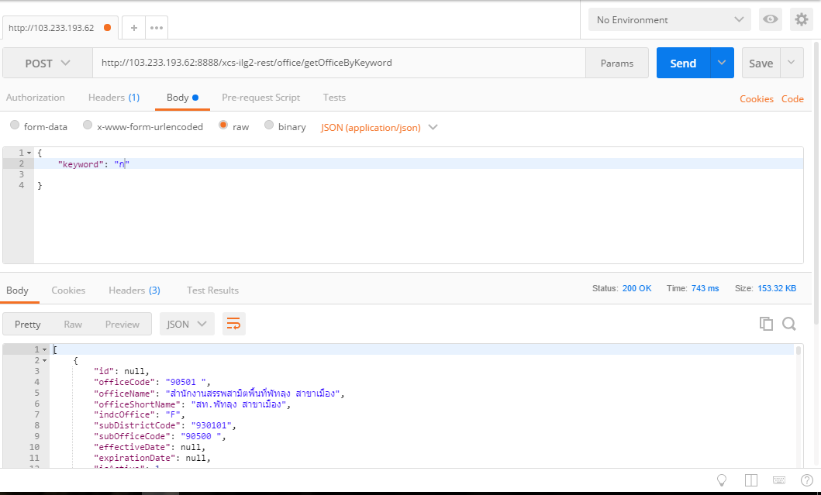
METHOD | URL | JSON
POST | http://{Hostname}/office/getOfficeByKeyword | {"keyword": "str"} | P

Station
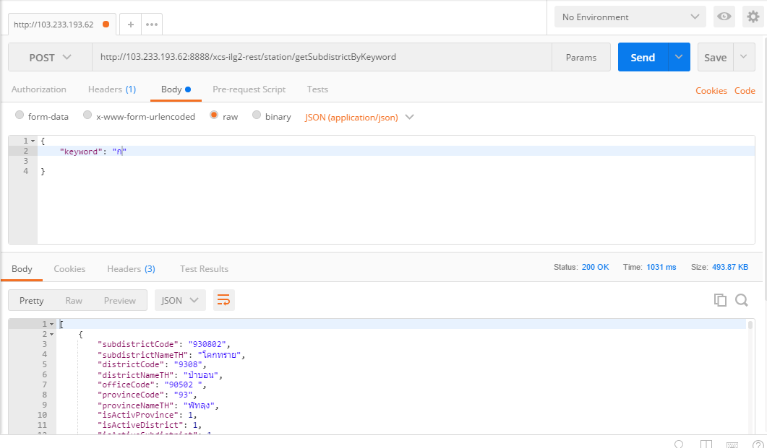
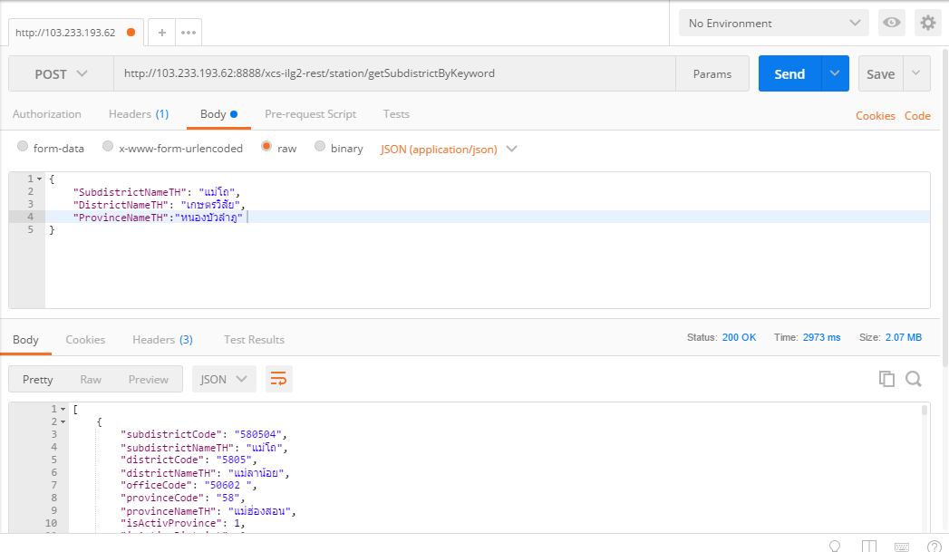
METHOD | URL | JSON
POST | http://{Hostname}/station/getSubdistrictByKeyword | {"keyword": "str"} | P

Department
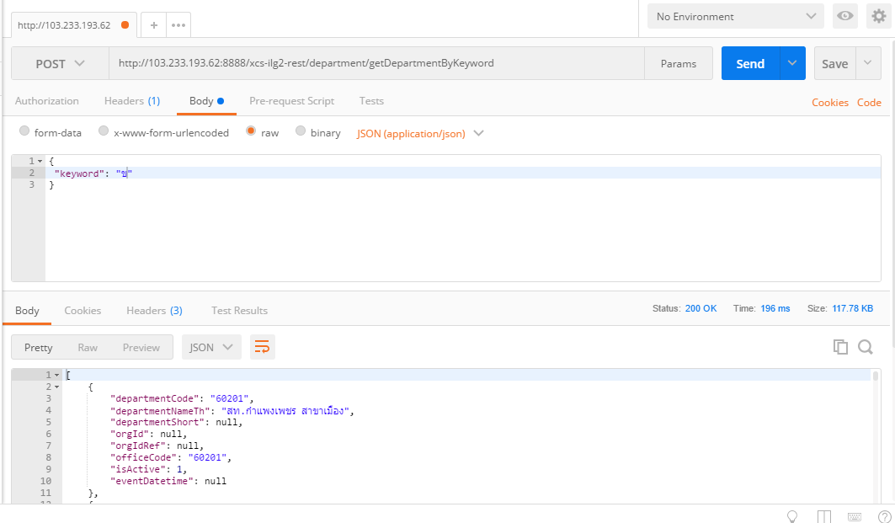
METHOD | URL | JSON
POST | http://{Hostname}/department/getDepartmentByKeyword | { "keyword": "str" } | P

DutyGroup
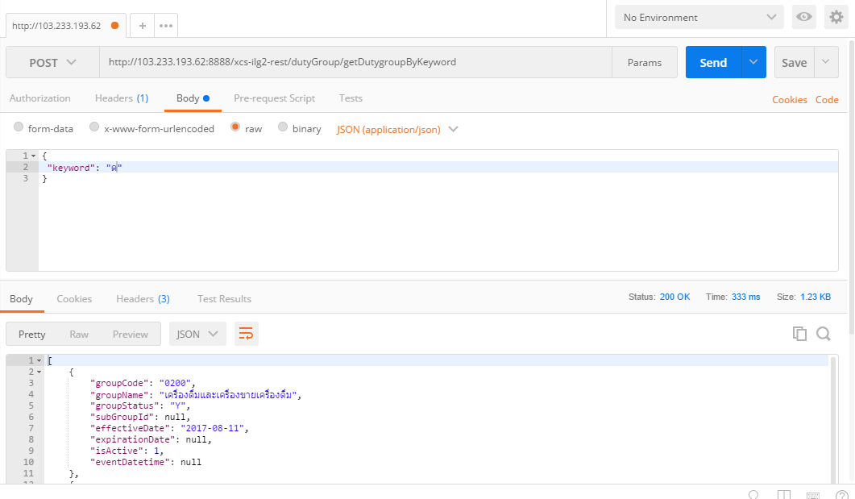
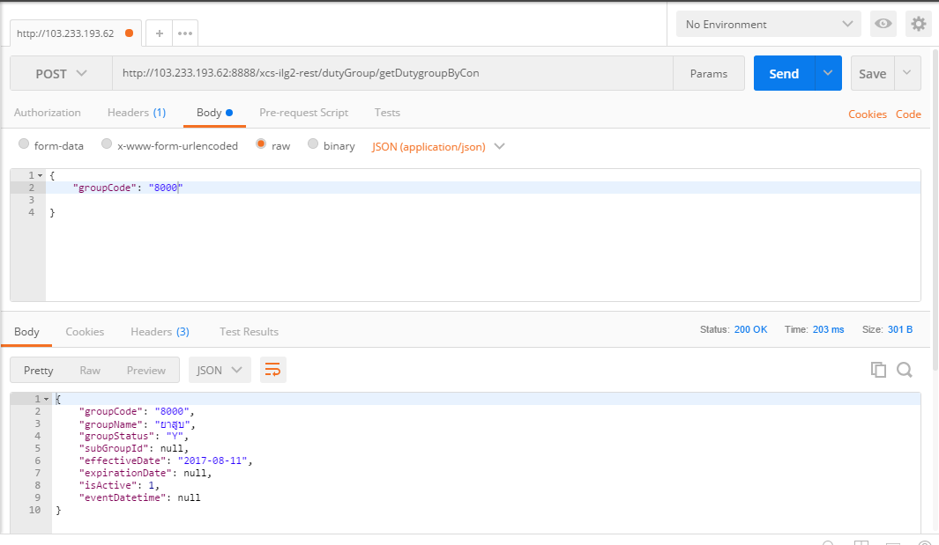
METHOD | URL | JSON
POST | http://{Hostname}/dutyGroup/getDutygroupByKeyword | { "keyword": "str" } | P
POST | http://{Hostname}/dutyGroup/getDutygroupByCon | {"groupCode": "str"} | P

Regislation
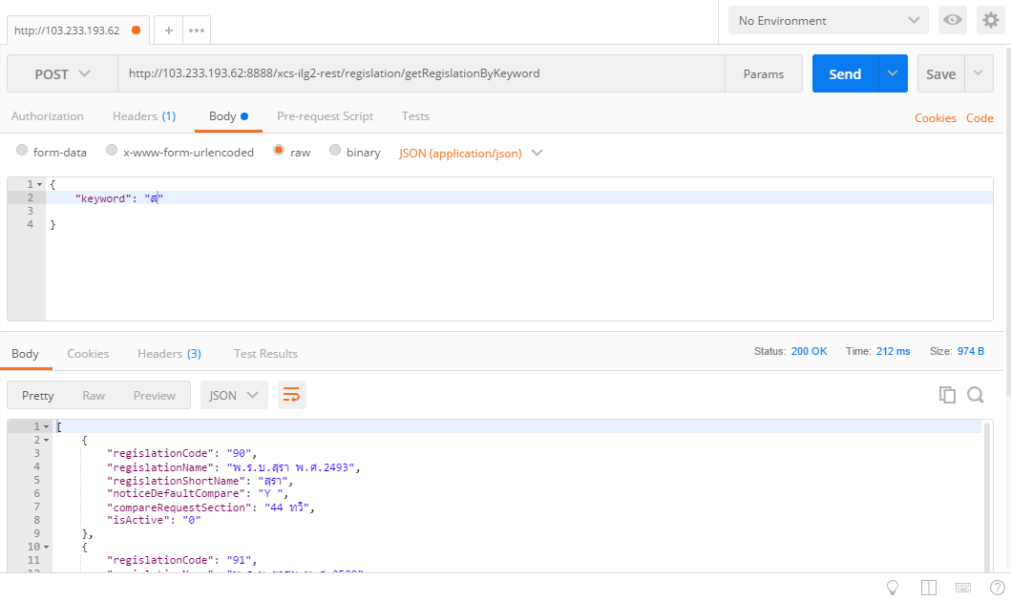
METHOD | URL
POST | http://{Hostname}/regislation/getRegislationByKeyword | { "keyword": "str" } | P

Contributor
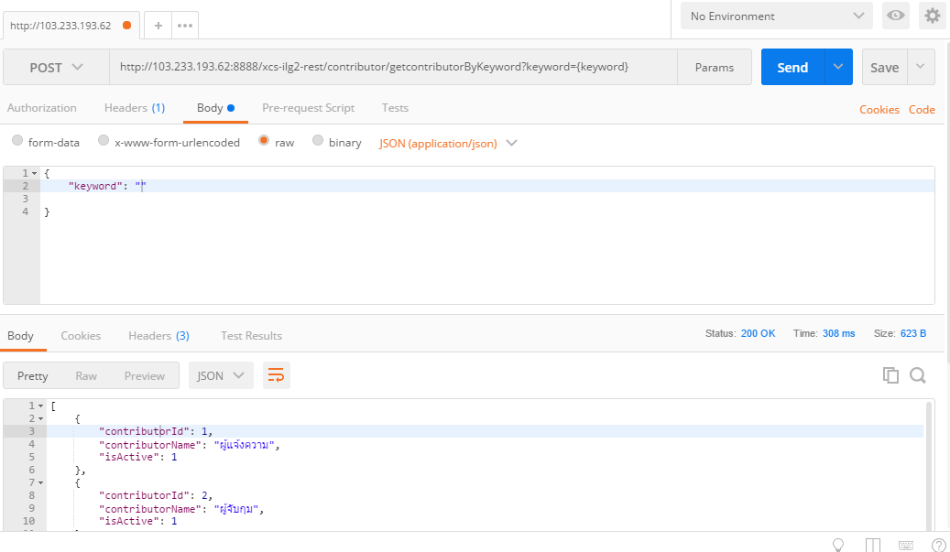
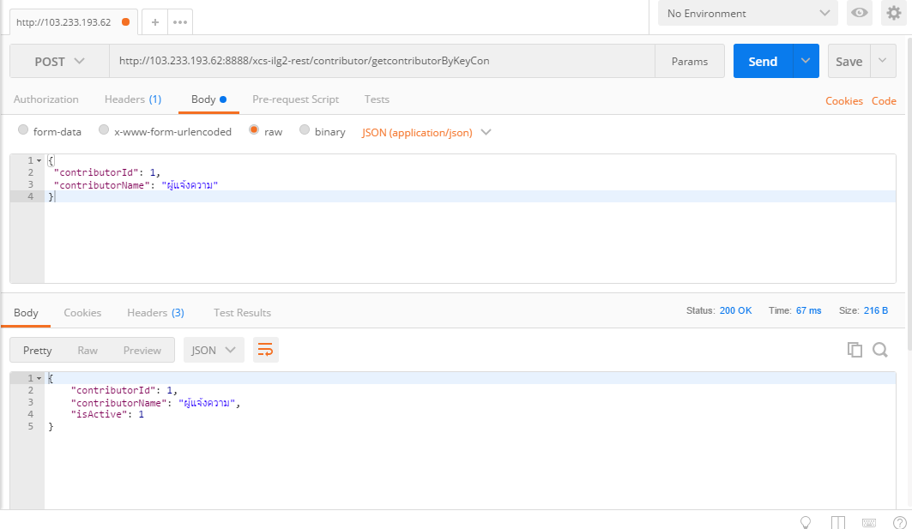
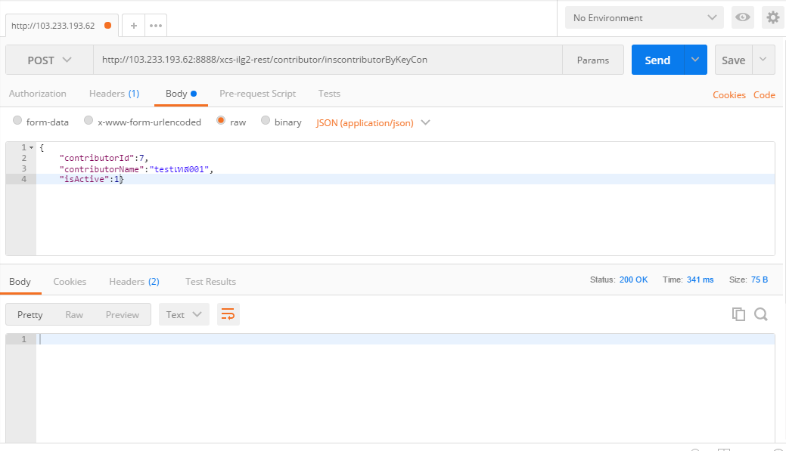
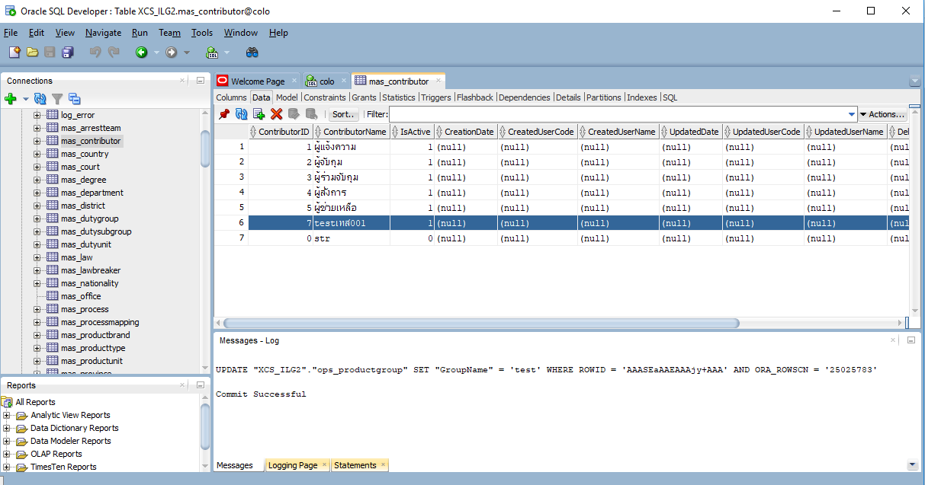
METHOD | URL | JSON
POST | http://{Hostname}/contributor/getcontributorByKeyword?keyword={keyword} | {"keyword": "str"} | P
POST | http://{Hostname}/contributor/getcontributorByKeyCon | { "contributorId": 1, "contributorName": "ผู้แจ้งความ" } | P
POST | http://{Hostname}/contributor/inscontributorByKeyCon | {"contributorId":0,"contributorName":"str","isActive":0} | P
PUT | http://{Hostname}/contributor/updcontributorByCon
PUT | http://{Hostname}/contributor/delcontributorByCon

Law
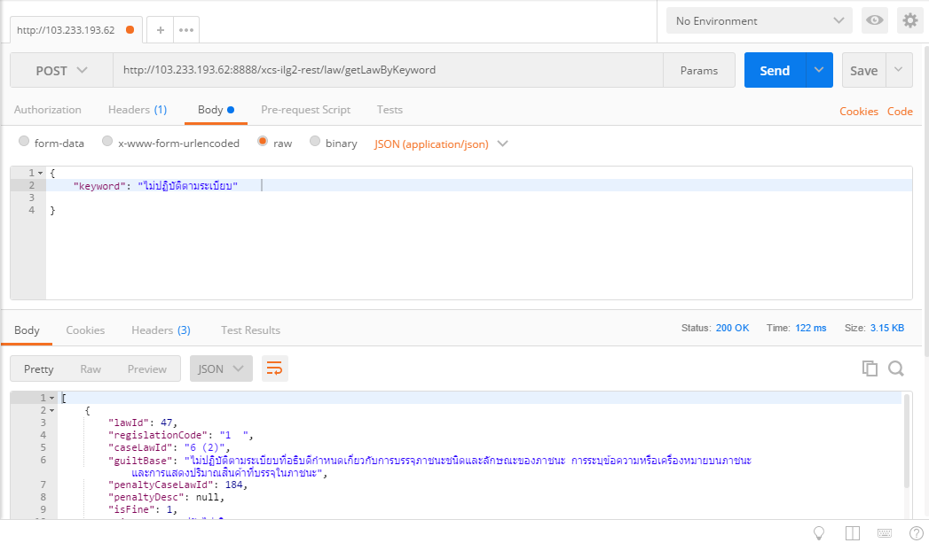
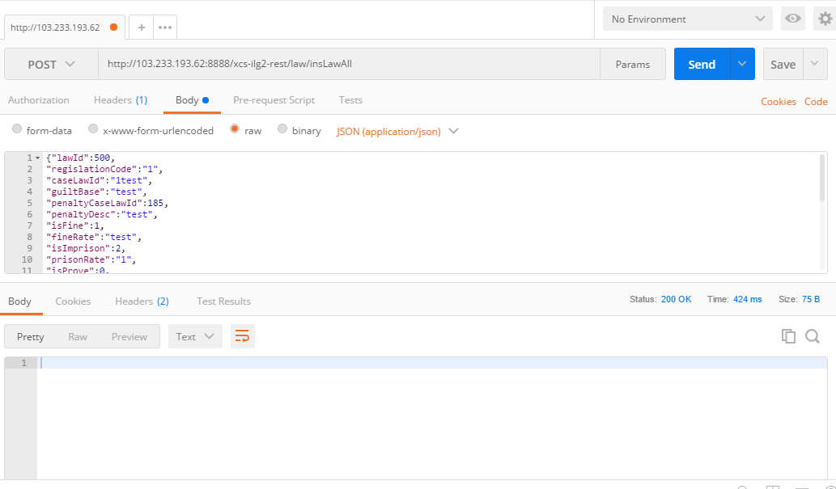
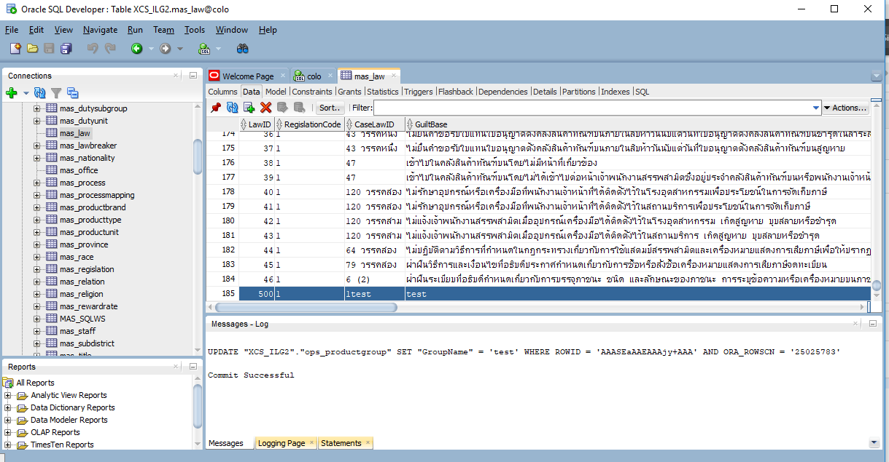
METHOD | URL | JSON
POST | http://{Hostname}/law/getLawByKeyword | {"keyword": "str"} | P
POST | http://{Hostname}/law/getLawByKeyCon | {"regislationCode":"str","caseLawId":"str","guiltBase":"str","penaltyCaseLawId":0} | NP | ค่า parameter ไม่ตรงกับ parameter ที่เสปคกำหนด
POST | http://{Hostname}/law/insLawAll | {"lawId":0,"regislationCode":"str","caseLawId":"str","guiltBase":"str","penaltyCaseLawId":0,"penaltyDesc":"str","isFine":0,"fineRate":"str","isImprison":0,"prisonRate":"str","isProve":0,"exhibitWild":0,"remark":"str","isActive":0,"creationDate":"Timestamp","createdUserCode":"str","createdUserName":"str","updatedDate":"Timestamp","updatedUserCode":"str","updatedUserName":"str","deletedDate":"Timestamp","deletedUserCode":"str","deletedUserName":"str"} | P
PUT | http://{Hostname}/law/updLawByCon
PUT | http://{Hostname}/law/delLawByCon

Title
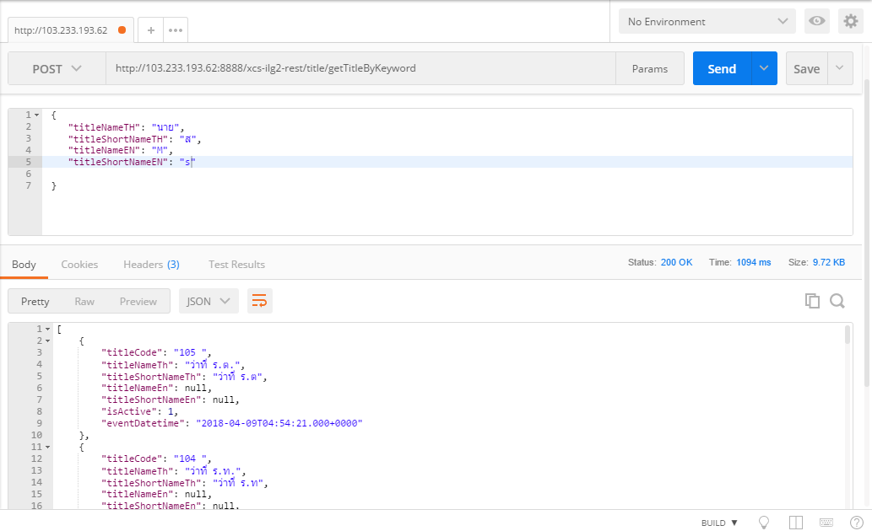
METHOD | URL
POST | http://{Hostname}/title/getTitleByKeyword | {"titleNameTH": "str","titleShortNameTH": "str","titleNameEN": "str","titleShortNameEN": "str"} | P

Country
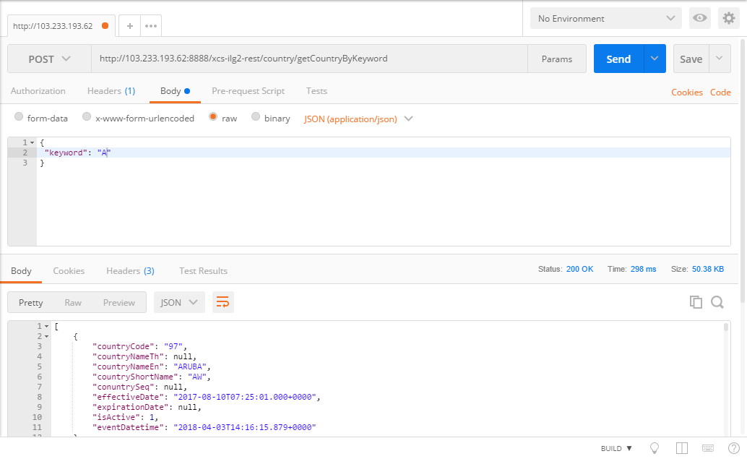
METHOD | URL | JSON
POST | http://{Hostname}/country/getCountryByKeyword | { "keyword": "str" } | P

Race
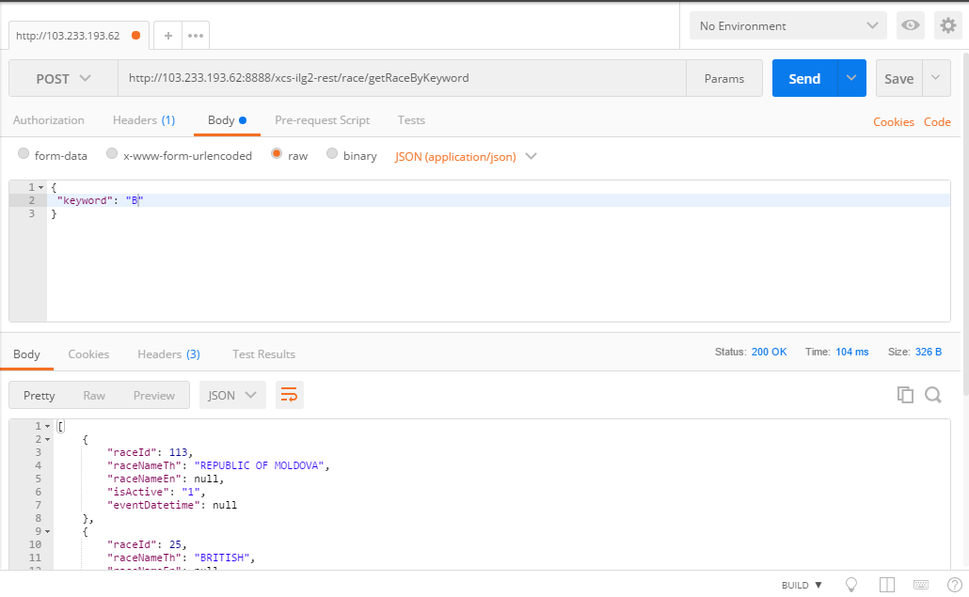
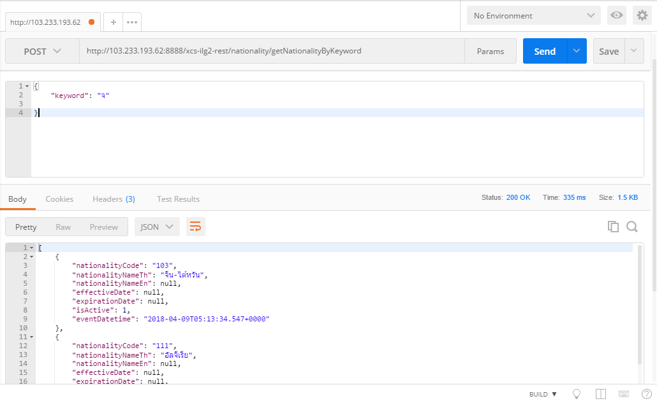
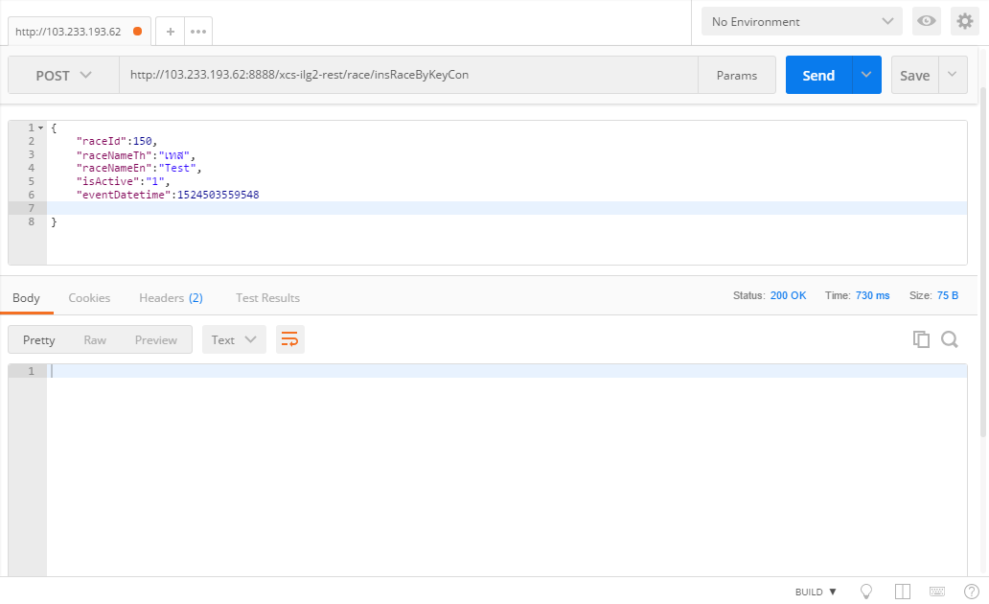
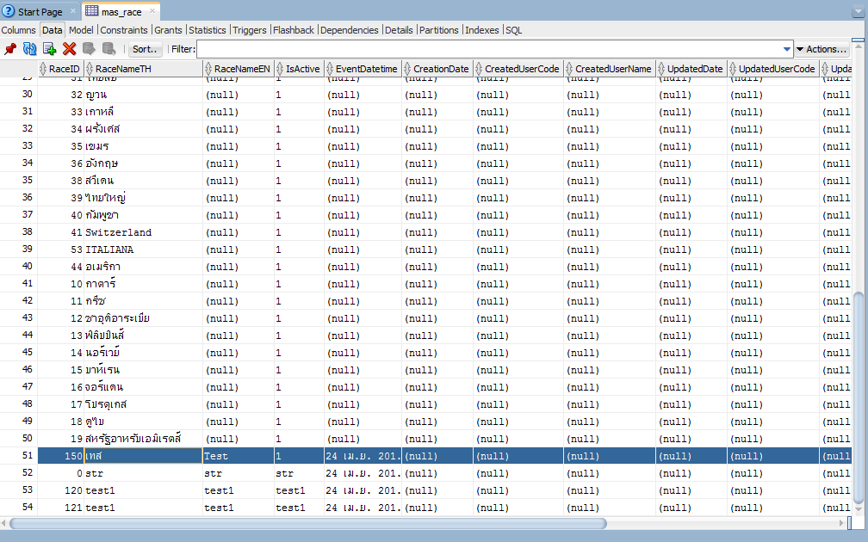
METHOD | URL | JSON
POST | http://{Hostname}/race/getRaceByKeyword | { "keyword": "str" } | P
POST | http://{Hostname}/race/getRaceByKeyCon?raceId={raceId}&raceNameTh={raceNameTh} | { "raceId":0,"raceNameTh":"str" } | NP
POST | http://{Hostname}/race/insRaceByKeyCon | {"raceId":0,"raceNameTh":"str","raceNameEn":"str","isActive":"str","eventDatetime":1524503559548} | P
PUT | http://{Hostname}/race/updRaceByCon
PUT | http://{Hostname}/race/delRaceByCon

Nationality
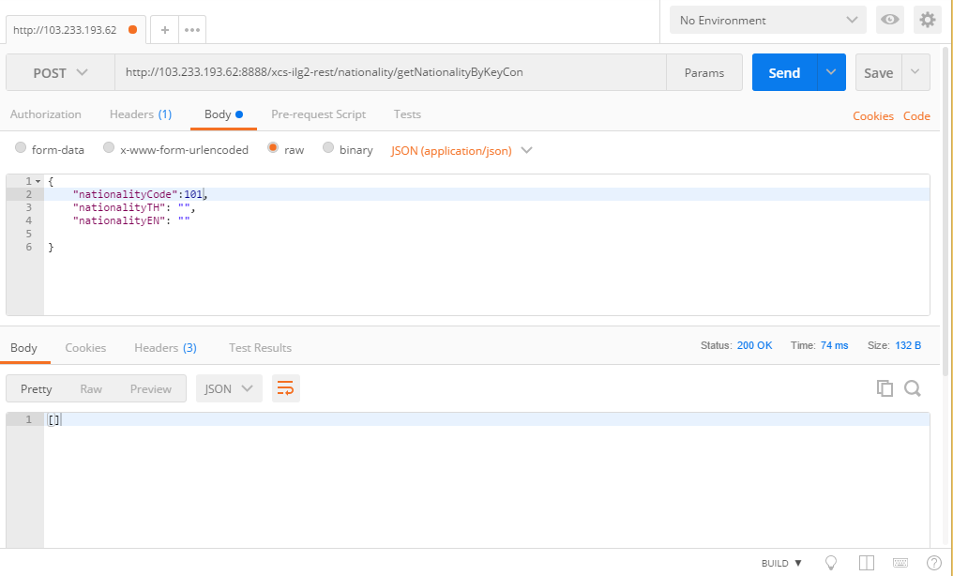
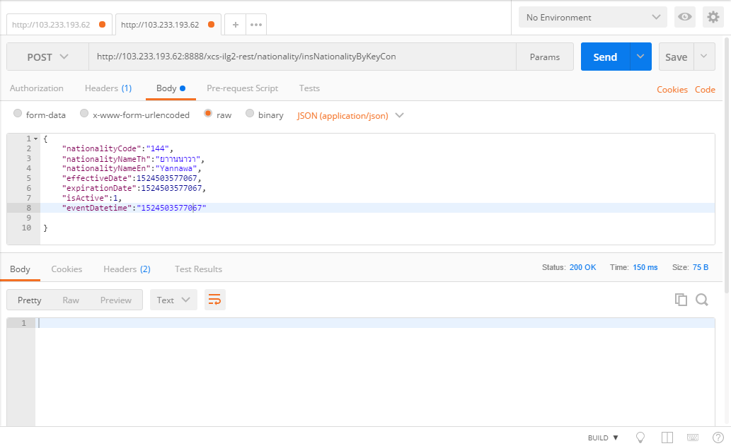
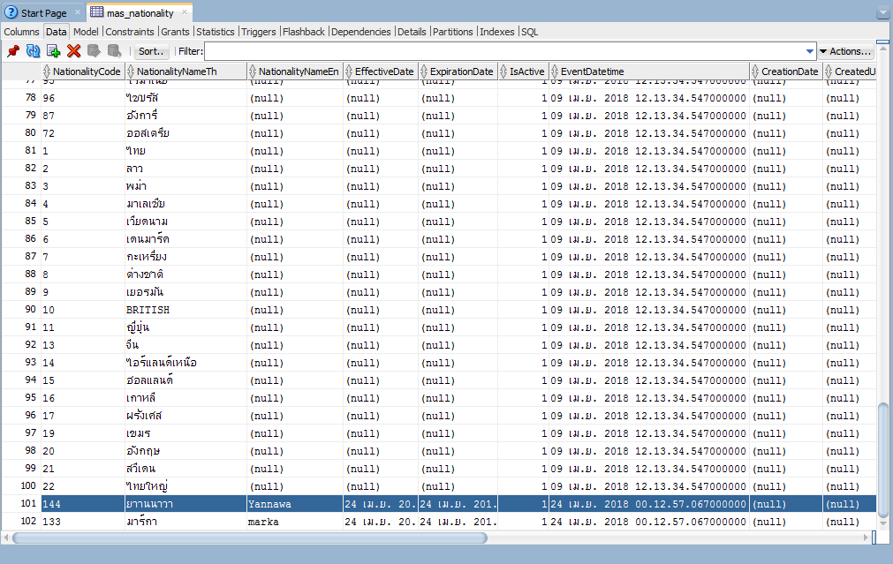
METHOD | URL | JSON
POST | http://{Hostname}/nationality/getNationalityByKeyword | {"keyword": "str"} | P
POST | http://{Hostname}/nationality/getNationalityByKeyCon | {"nationalityCode": "str","nationalityTH": "str","nationalityEN": "str"} | NP
POST | http://{Hostname}/nationality/insNationalityByKeyCon | {"nationalityCode":"str","nationalityNameTh":"str","nationalityNameEn":"str","effectiveDate":1524503577067,"expirationDate":1524503577067,"isActive":0,"eventDatetime":"Timestamp"} | P
PUT | http://{Hostname}/nationality/updNationalityByCon
PUT | http://{Hostname}/nationality/delNationalityByCon

Relation
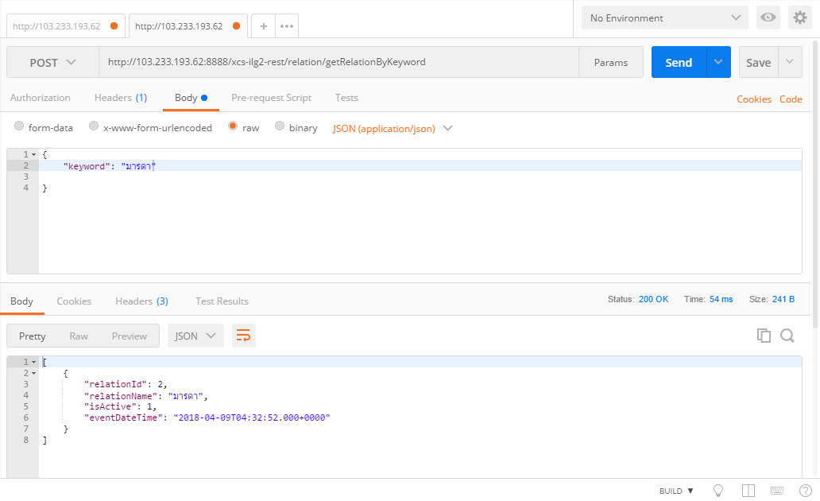
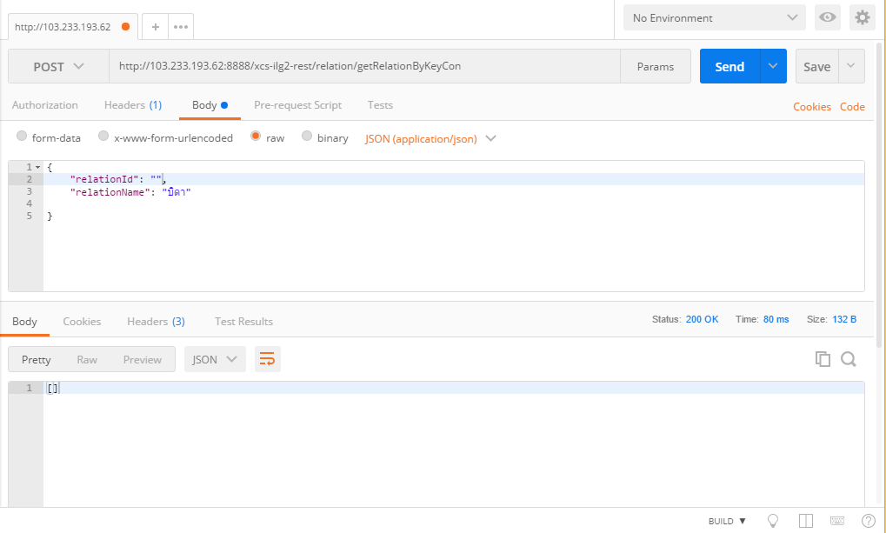
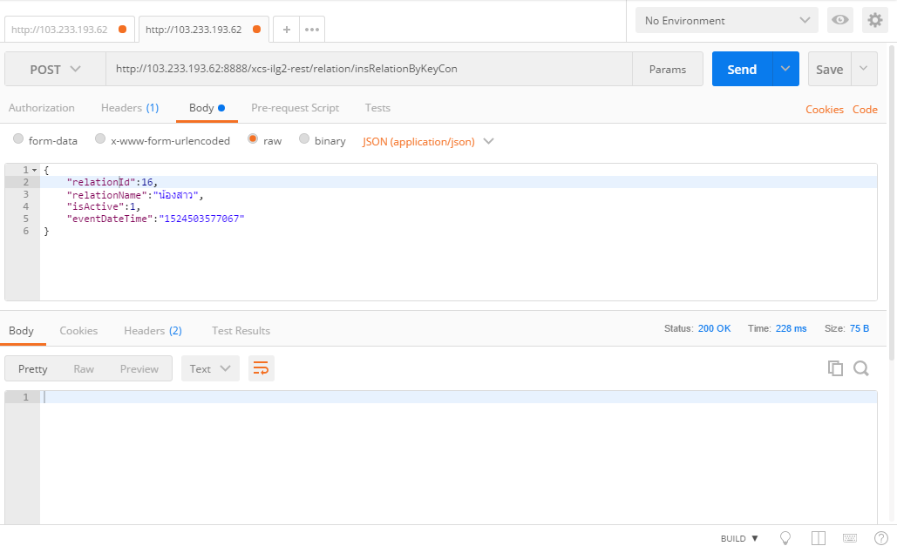
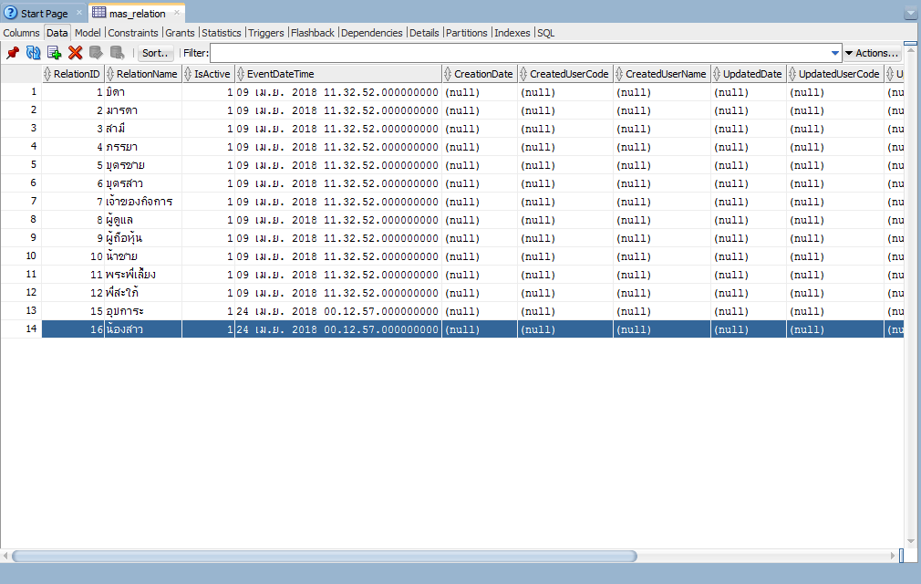
METHOD | URL | JSON
POST | http://{Hostname}/relation/getRelationByKeyword | { "keyword": "str" } | P
POST | http://{Hostname}/relation/getRelationByKeyCon | {"relationId": 0, "relationName": "str"} | NP
POST | http://{Hostname}/relation/insRelationByKeyCon | {"relationId":0,"relationName":"str","isActive":0,"eventDateTime":"Timestamp"} | P
PUT | http://{Hostname}/relation/updRelationByCon
PUT | http://{Hostname}/relation/delRelationByCon

Religion
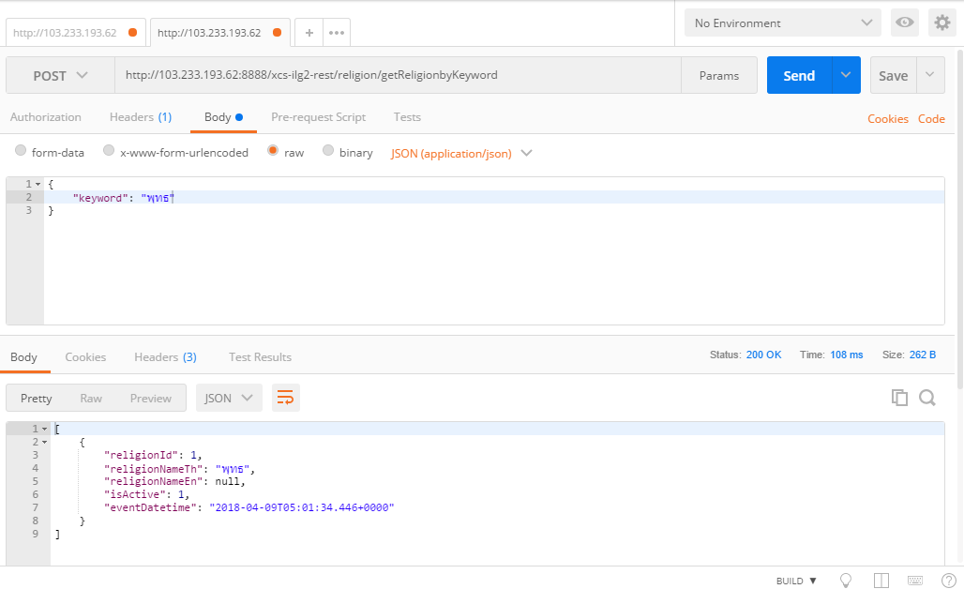
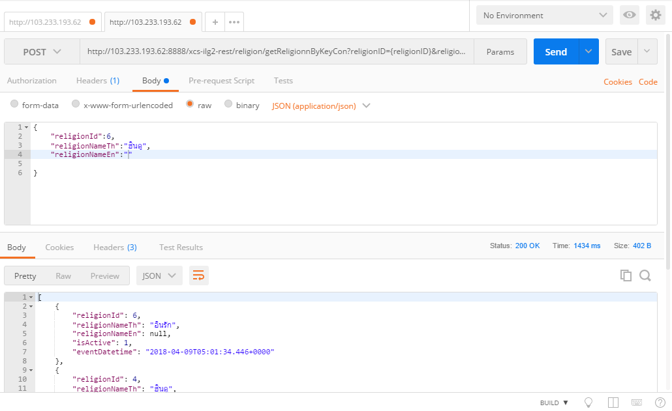

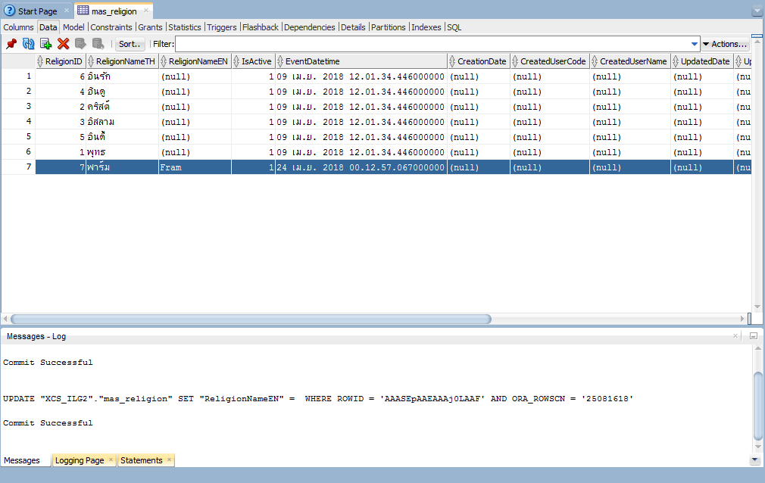
METHOD | URL | JSON
POST | http://{Hostname}/religion/getReligionbyKeyword | { "keyword": "str" } | P
POST | http://{Hostname}/religion/getReligionnByKeyCon?religionID={religionID}&religionNameTH={religionNameTH}&religionNameEN={religionNameEN} | {"religionId":0,"religionNameTh":"str","religionNameEn":"str"} | P
POST | http://{Hostname}/religion/insReligionByKeyCon | {"religionId":0,"religionNameTh":"str","religionNameEn":"str","isActive":0,"eventDatetime":"Timestamp"} | P
PUT | http://{Hostname}/religion/updReligionByCon
PUT | http://{Hostname}/religion/delReligionByCon

