How to use filters
The first row (1) contains the header for each column of data. Click onto the down arrow to expand the options available for filtering data. |  | Choose to sort by ascending or descending order | Hovering over "Number Filters" lets you select your desired range of data to view. We select "Between" for illustration. | A window will pop up, asking for your desired range of values. Once done, press "OK". In our illustration here, we want to get all flats ranged at prices $300,000 to $500,000. | We have now obtained all items with prices from $300,000 to $500,000. | Textual data can be filtered manually by selecting the appropriate options. First, click "(Select All)" to uncheck all options. | All Checkboxes will be unchecked. Then, select your desired data values. Here, I've selected Bedok and Geylang. | Now, your dataset contains data satisfying 2 filters: Price ($300000 to $500000) and Town (Bedok and Geylang). | To remove an existing filter, simply click the down button for the corresponding header and click "Clear Filter from xx" | Notice the different icons for headers with filters, and headers without. Price has a filter here, while Flat Type does not. | Have Fun Exploring the Dataset.

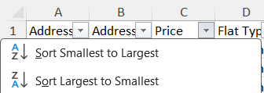
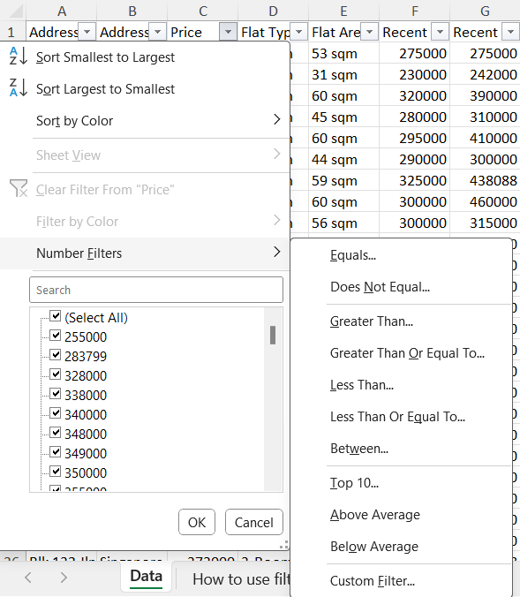
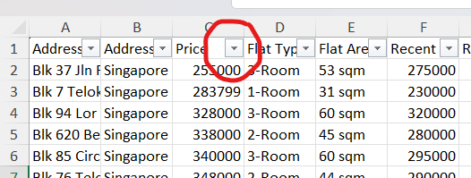
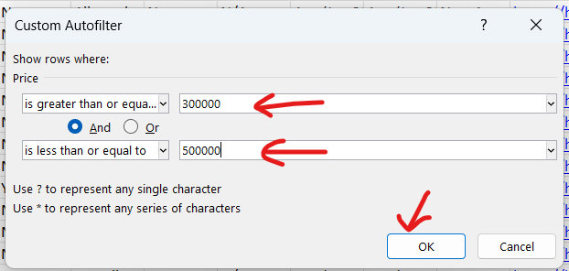
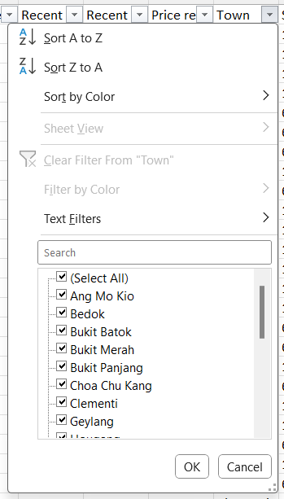
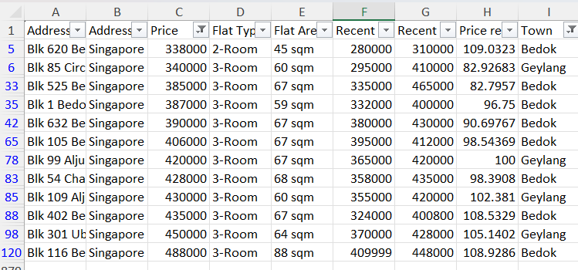
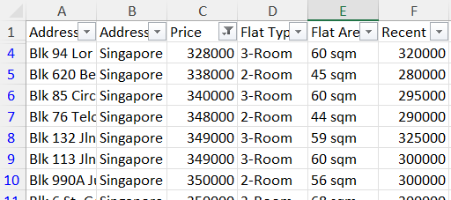
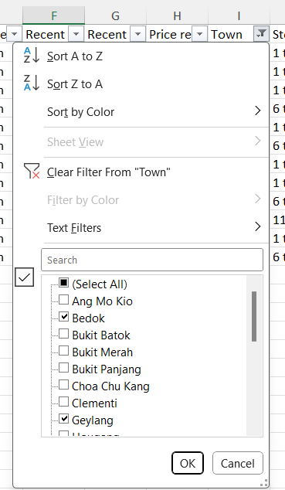
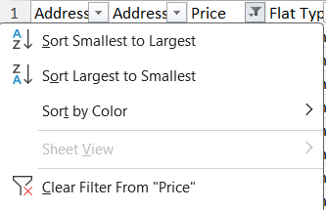

 | Scroll Right to Navigate this Guide

