MY GENERATION
 | 4/4 189 |  | MY GENERATION (The Who - 1965) |  |  |  |  |  |  |  |  |  | C
 | Intro
 | G | G | G | G |  |  |  |  |  |  |  |  |  |  |  |  | 4
Alain
Philippe
Sebastien
Julien
David
 | Couplet 1
 | G | - | G | F | G | - | G | F | G | - | G | F | G | - | G | F | 20 | People try to put us d-down (talkin' 'bout my generation)
Alain |  |  |  |  |  |  |  |  |  |  |  |  |  |  |  |  |  | Just because we get around (talkin' 'bout my generation)
Philippe |  |  |  |  |  |  |  |  |  |  |  |  |  |  |  |  |  | Things they do look awful c-c-cold (talkin' 'bout my generation)
Sebastien |  |  |  |  |  |  |  |  |  |  |  |  |  |  |  |  |  | I hope I die before I get old (talkin' 'bout my generation)
Julien
David
 | Chorus 1
 | G/Gsus4 | G7 | G/Gsus4 | G |  |  |  |  |  |  |  |  |  |  |  |  | 24 | This is my generation
Alain |  |  |  |  |  |  |  |  |  |  |  |  |  |  |  |  |  | This is my generation, baby
Philippe
Sebastien
Julien
David
 | Couplet 2
 | G | - | G | F | G | - | G | F | G | - | G | F | G | - | G | F | 40 | Why don't you all f-fade away (talkin' 'bout my generation)
Alain |  |  |  |  |  |  |  |  |  |  |  |  |  |  |  |  |  | Don't try to dig what we all s-s-s-say (talkin' 'bout my generation)
Philippe |  |  |  |  |  |  |  |  |  |  |  |  |  |  |  |  |  | I'm not trying to 'cause a big s-s-sensation (talkin' 'bout my generation)
Sebastien |  |  |  |  |  |  |  |  |  |  |  |  |  |  |  |  |  | I'm just talkin' 'bout my g-g-g-generation (talkin' 'bout my generation)
Julien
David
 |  |  |  |  |  |  |  |  |  |  |  |  |  |  |  |  |  | My generation
 | Chorus 2 = Chorus 1 |  |  |  |  |  |  |  |  |  |  |  |  |  |  |  | 44 | This is my generation, baby

 | Bridge |  | (Riff Rock sur Mesure 3/4, 7/8, 11/12, 15/16)
 | G | - | G | G | G | - | G | G | G | - | G | G | G | - | G | G | 60
Alain |  |  |  |  |  |  |  |  |  |  |  |  |  |  |  |  | Solo
Philippe
Sebastien
Julien |  |  |  |  |  |  |  |  |  |  |  |  |  |  |  |  | solo
David

 | Chorus 3 = Chorus 1 |  |  |  |  |  |  |  |  |  |  |  |  |  |  |  | 64

 | Couplet 3 |  | 1ère Modulation en La
 | A | - | A | G | A | - | A | G | A | - | A | G | A | - | A | G | 80 | Why don't you all f-fade away (talkin' 'bout my generation)
Alain |  |  |  |  |  |  |  |  |  |  |  |  |  |  |  |  |  | And don't try to d-dig what we all s-s-say (talkin' 'bout my generation)
Philippe |  |  |  |  |  |  |  |  |  |  |  |  |  |  |  |  |  | I'm not trying to 'cause a b-big s-s-sensation (talkin' 'bout my generation)
Sebastien |  |  |  |  |  |  |  |  |  |  |  |  |  |  |  |  |  | I'm just talkin' 'bout my g-g-generation (talkin' 'bout my generation)
Julien
David
 | Chorus 4 |  |  |  |  |  |  |  |  | Bridge |  | (Pré modulation Bb)
 | A/Asus4 | A7 | A/Asus4 | A | A/Asus4 | A7 | A/Asus4 | A |  | Bb | Ab | Bb | Ab |  |  |  | 92 | This is my generation
Alain |  |  |  |  |  |  |  |  |  |  |  |  |  |  |  |  |  | This is my generation, baby
Philippe |  |  |  |  |  |  |  |  |  |  |  |  |  |  |  |  |  | My my my generation
Sebastien
Julien
David
 | Couplet 4 |  | 2ème Modulation en Bb
 | Bb | - | Bb | Bb | Bb | - | Bb | Bb | Bb | - | Bb | Bb | Bb | - | Bb | Bb | 108 | People try to put us d-down (talkin' 'bout my generation)
Alain |  |  |  |  |  |  |  |  |  |  |  |  |  |  |  |  |  | Just because we g-g-get around (talkin' 'bout my generation)
Philippe |  |  |  |  |  |  |  |  |  |  |  |  |  |  |  |  |  | Things they do look awful c-c-cold (talkin' 'bout my generation)
Sebastien |  |  |  |  |  |  |  |  |  |  |  |  |  |  |  |  |  | Yeah, I hope I die before I get old (talkin' 'bout my generation)
Julien
David

 | Chorus 5 |  |  |  |  |  |  |  |  |  |  |  |  |  |  |  |  | This is my generation
 | Bb | Bbsus4 | Bb | Bbsus4 | Bb | Bbsus4 | Bb | Bbsus4 |  |  |  |  |  |  |  |  | 116 | This is my generation, baby
Alain |  |  |  |  |  |  |  |  |  |  |  |  |  |  |  |  |  | My my my generation
Philippe |  |  |  |  |  |  |  |  |  |  |  |  |  |  |  |  |  | this is my generation
Sebastien
Julien
David

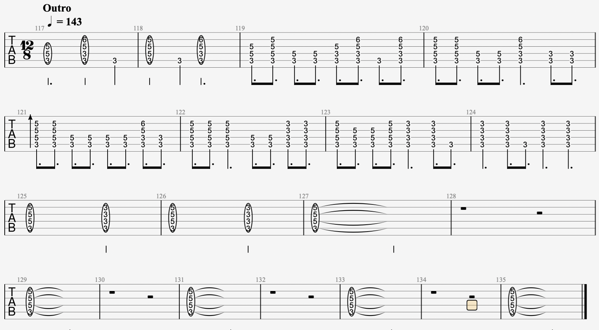
 | Outro |  | 3ème Modulation en C/Bb (Fin très "feeling", à bosser…)
 |  |  |  |  |  |  |  |  |  |  |  |  |  |  |  |  | 135
 |  |  |  |  |  |  |  |  |  |  |  |  |  |  |  |  |  | (Talkin' 'bout my generation) this is my generation
 |  |  |  |  |  |  |  |  |  |  |  |  |  |  |  |  |  | (Talkin' 'bout my generation) this is my generation
 |  |  |  |  |  |  |  |  |  |  |  |  |  |  |  |  |  | (Talkin' 'bout my generation) this is my generation
 |  |  |  |  |  |  |  |  |  |  |  |  |  |  |  |  |  | (Talkin' 'bout my generation) this is my generation
 |  |  |  |  |  |  |  |  |  |  |  |  |  |  |  |  |  | (Talkin' 'bout my generation) this is my generation
 |  |  |  |  |  |  |  |  |  |  |  |  |  |  |  |  |  | (Talkin' 'bout my generation) this is my generation

THROW DOWN THE SWORD
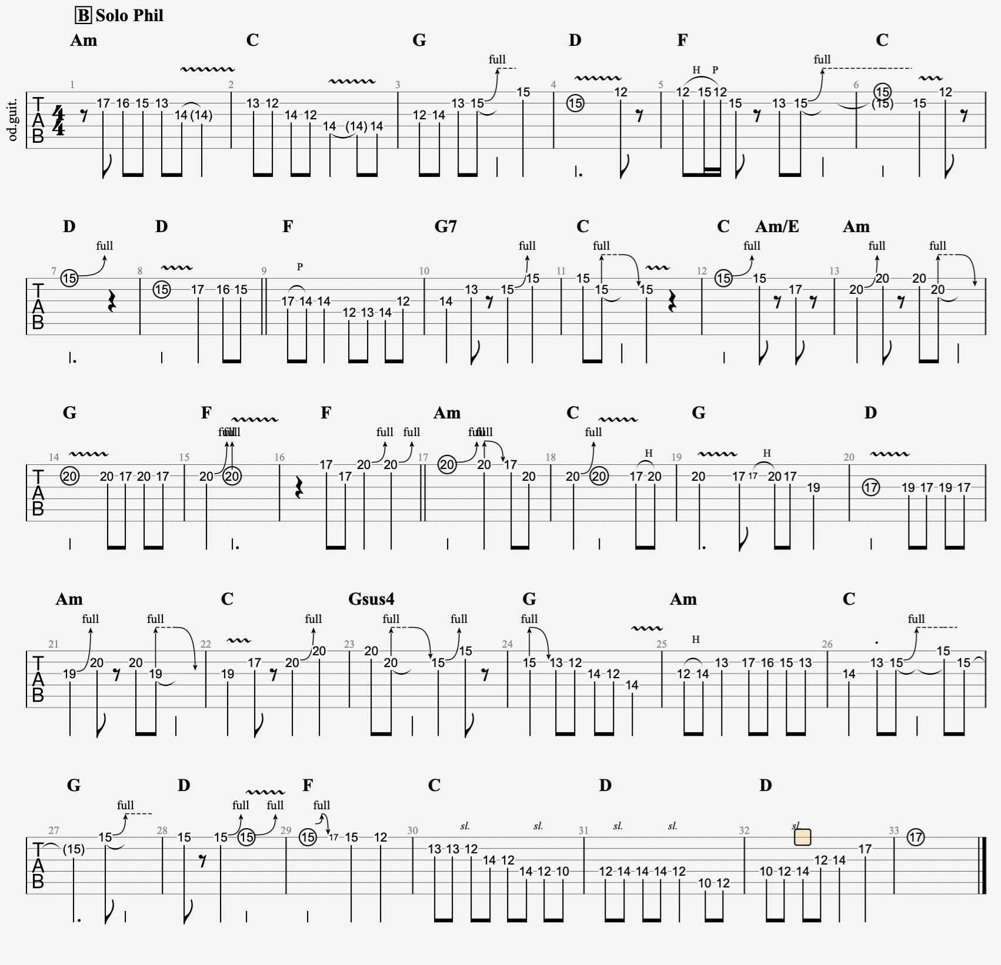
 | 4/4 130 |  | THROW DOWN THE SWORD (Wishbone Ash - 1972) |  |  |  |  |  |  |  |  |  |  |  |  | Am |  |  |  |  |  | Am Penta
 |  |  | Intro |  |  |  |  |  |  |  |  |  |  |  |  |  |  |  |  | Jeter l'épée, le combat est fait et terminé
 | Am | C | G | D | Am | C | G | D |  |  |  |  |  |  |  |  |  |  |  | Nous n'avons ni perdu ni gagné
Alain | x4 |  |  |  | x4 |  |  |  |  |  |  |  |  |  |  |  |  | 32 |  | Jeter la fureur de la bataille
Philippe |  |  |  |  | x4 |  |  |  |  |  |  |  |  |  |  |  |  |  |  | Et tourner mes yeux fatigués vers la maison
Sebastien
Julien |  |  |  |  |  |  |  |  |  |  |  |  |  |  |  |  |  |  |  | Il y a eu des moments où je me suis tenu à la porte de la mort
David |  |  |  |  |  |  |  |  |  |  |  |  |  |  |  |  |  |  |  | Dans l'espoir d'une réponse.
 |  |  |  |  |  | Intro B
 | Am | C | G | D | F | C | Gsus4 | G |  | Am | C | G | D | F | C | Gsus4 | G |  |  | Jeter l'épée et quitter la gloire
Alain | x2 |  |  |  | x2 |  |  |  |  | x2 |  |  |  | x2 |  |  |  | 64 |  | Une histoire que le temps ne pourra jamais changer
Philippe | x2 |  |  |  | x2 |  |  |  |  | x2 |  |  |  | x2 |  |  |  |  |  | Pour marcher sur la route, la charge que je dois porter
Sebastien |  |  |  |  |  |  |  |  |  |  |  |  |  |  |  |  |  |  |  | La fin d'un voyage, une âme blessée
Julien
David |  |  |  |  |  |  |  |  |  |  |  |  |  |  |  |  |  |  |  | Il y a eu des moments où je me suis tenu à la porte de la mort
 |  |  | Pré Couplet |  |  |  |  |  |  |  |  |  |  |  |  |  |  |  |  | A la recherche d'une réponse.
 | Am | C | G | D | F | C | Gsus4 | G |  |  |  |  |  |  |  |  |  | 72
Alain
Philippe
Sebastien
Julien
David
 |  |  |  |  |  |  |  |  | Couplet 1
 | Am | C | G | D | F | C | Gsus4 | G |  | Am | C | G | D | F | C | D | D | 88
Alain |  |  |  |  |  |  |  |  |  |  |  |  |  |  |  |  |  |  | Throw down the sword, the fight is done and over
Philippe |  |  |  |  |  |  |  |  |  |  |  |  |  |  |  |  |  |  | We neither lost and neither won
Sebastien |  |  |  |  |  |  |  |  |  |  |  |  |  |  |  |  |  |  | To cast away the fury of the battle
Julien |  |  |  |  |  |  |  |  |  |  |  |  |  |  |  |  |  |  | And turn my weary eyes for home
David
 |  |  | Refrain1 |  |  |  |  |  |  |  |  | Inter
 | F | G7 | C | C/Em | Am | G | F | F7 |  | Am | C | G | D | F | C | Gsus4 | G | 104
Alain |  |  |  |  |  |  |  |  |  |  |  |  |  |  |  |  |  |  | There were times when I stood at death's own door
Philippe |  |  |  |  |  |  |  |  |  |  |  |  |  |  |  |  |  |  | Only hoping for an answer.
Sebastien
Julien
David |  |  |  |  |  |  |  |  |  |  |  |  |  |  |  |  |  |  |  |  |  |  |  | Pré Couplet
 |  |  |  |  |  |  |  |  | Couplet 2 |  |  |  |  |  |  |  |  |  |  |  |  | Am | C | G | D | F | C | Gsus4 | G
 | Am | C | G | D | F | C | Gsus4 | G |  | Am | C | G | D | F | C | D | D | 120 |  |  |  |  |  |  |  |  |  |  |  | Couplet 1
Alain |  |  |  |  |  |  |  |  |  |  |  |  |  |  |  |  |  |  | Throw down the sword and leave the glory |  |  | Am | C | G | D | F | C | Gsus4 | G |  | Am | C | G | D | F | C | D | D
Philippe |  |  |  |  |  |  |  |  |  |  |  |  |  |  |  |  |  |  | A story time can never change
Sebastien |  |  |  |  |  |  |  |  |  |  |  |  |  |  |  |  |  |  | To walk the road, the load I have to carry
Julien |  |  |  |  |  |  |  |  |  |  |  |  |  |  |  |  |  |  | A journey's end, a wounded soul |  |  |  |  | Refrain1 |  |  |  |  |  |  |  |  | Inter
David |  |  |  |  |  |  |  |  |  |  |  |  |  |  |  |  |  |  |  |  |  | F | G7 | C | C/Em | Am | G | F | F7 |  | Am | C | G | D | F | C | Gsus4 | G
 |  |  | Refrain2 |  |  |  |  |  |  |  |  | Solo
 | F | G7 | C | C/Em | Am | G | F | F7 |  |  |  |  |  |  |  |  |  | 136
Alain |  |  |  |  |  |  |  |  |  |  |  |  |  |  |  |  |  |  | There were times when I stood at death's own door |  |  |  |  |  |  |  |  |  |  | Couplet 2
Philippe |  |  |  |  |  |  |  |  |  |  |  |  |  |  |  |  |  |  | Only searching for an answer. |  |  | Am | C | G | D | F | C | Gsus4 | G |  | Am | C | G | D | F | C | D | D
Sebastien
Julien
David
 |  |  |  |  | solos & Instrumental Section sur Accords Couplet |  |  |  |  |  |  |  |  |  |  |  |  |  |  |  |  |  |  | Refrain2
 | Am | C | G | D | F | C | Gsus4 | G |  | Am | C | G | D | F | C | D | D | > 152… |  |  | Solos !!! | F | G7 | C | C/Em | Am | G | F | F7
Alain |  |  |  |  |  |  |  |  |  |  |  |  |  |  |  |  |  |  |  |  |  |  |  |  |  | solos & Instrumental Section sur Accords Couplet
Philippe |  |  |  |  |  |  |  |  |  |  |  |  |  |  |  |  |  |  |  |  |  | Am | C | G | D | F | C | Gsus4 | G |  | Am | C | G | D | F | C | D | D
Sebastien |  |  |  |  |  |  |  |  |  |  |  |  |  |  |  |  |  |  |  |  |  |  |  |  |  | Accords Refrain
Julien |  |  |  |  |  |  |  |  |  |  |  |  |  |  |  |  |  |  |  |  |  | F | G7 | C | C/Em | Am | G | F | F7 |  | Alain
David | Guitare Ac |  |  |  | Guitare Ac |  |  |  |  | Guitare Ac |  |  |  | Guitare Ac |  |  |  |  |  |  |  |  |  |  |  | Accords couplet
 |  |  |  |  | Accords Refrain et premier 1/2 couplet |  |  |  |  |  |  |  |  |  |  |  |  |  |  |  |  | Am | C | G | D | F | C | Gsus4 | G |  | Am | C | G | D | F | C | D | D
 | F | G7 | C | C/Em | Am | G | F | F7 |  | Am | C | G | D | F | C | Gsus4 | G |  |  |  |  |  |  |  |  | Accords Refrain
Alain |  |  |  |  |  |  |  |  |  |  |  |  |  |  |  |  |  |  |  |  |  | F | G7 | C | C/Em | Am | G | F | F7 |  | Phil
Philippe |  |  |  |  |  |  |  |  |  |  |  |  |  |  |  |  |  |  |  |  |  |  |  |  |  | Accords couplet
Sebastien |  |  |  |  |  |  |  |  |  |  |  |  |  |  |  |  |  |  |  |  |  | Am | C | G | D | F | C | Gsus4 | G |  | Am | C | G | D | F | C | D | D
Julien
David | Guitare Ac |  |  |  | Guitare Ac |  |  |  |  | Guitare Ac |  |  |  | Guitare Ac
 |  |  |  |  | Accords second 1/2 couplet puis refrain
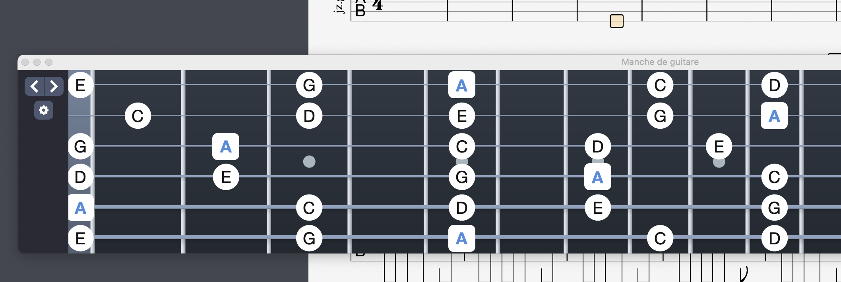
 | Am | C | G | D | F | C | D | D |  | F | G7 | C | C/Em | Am | G | F | F7
Alain
Philippe
Sebastien
Julien
David | Guitare Ac |  |  |  | Guitare Ac |  |  |  |  | Guitare Ac |  |  |  | Guitare Ac
 |  |  |  |  | Accords couplet
 | Am | C | G | D | F | C | Gsus4 | G |  | Am | C | G | D | F | C | D | D
Alain
Philippe
Sebastien
Julien
David | Guitare Ac |  |  |  | Guitare Ac |  |  |  |  | Guitare Ac |  |  |  | Guitare Ac

