Cook's Membrane Plots
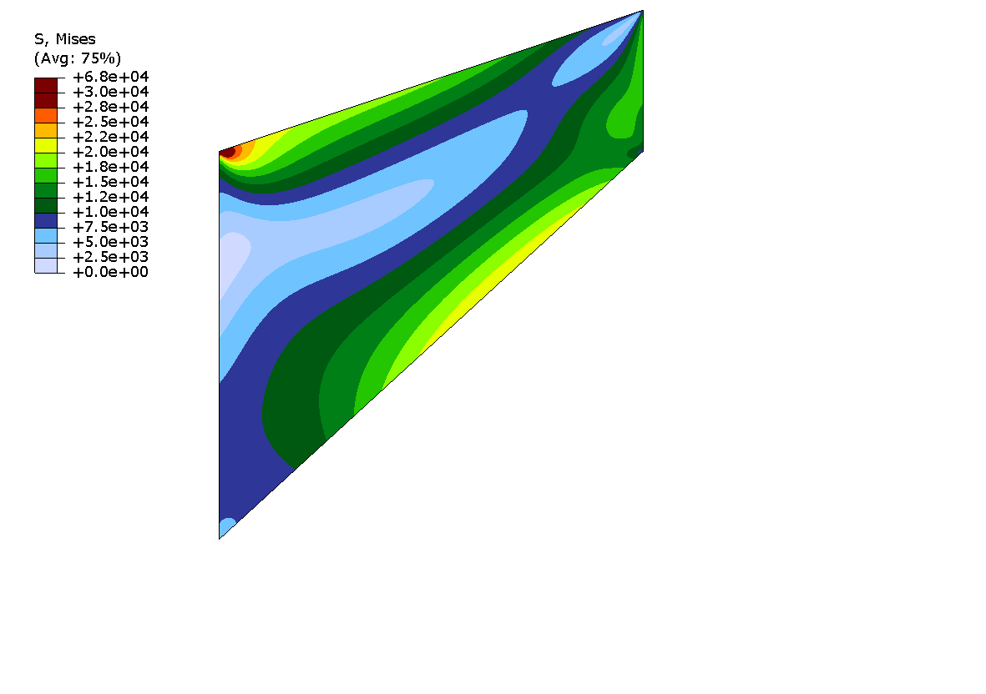
Linear Elastic - Element CPE4H
Cell Count | Approx Cell Spacing (mm) | Vertical Displacement (m) | Vertical Displacement (um) | Figure of VM stress with 36 842 cells
9 | 1.69E+01 | 2.54E-05 | 2.54E+01
36 | 8.44E+00 | 2.98E-05 | 2.98E+01
144 | 4.22E+00 | 3.14E-05 | 3.14E+01
576 | 2.11E+00 | 3.19E-05 | 3.19E+01
2304 | 1.05E+00 | 3.21E-05 | 3.21E+01
9216 | 5.27E-01 | 3.22E-05 | 3.22E+01
36864 | 2.64E-01 | 3.23E-05 | 3.23E+01

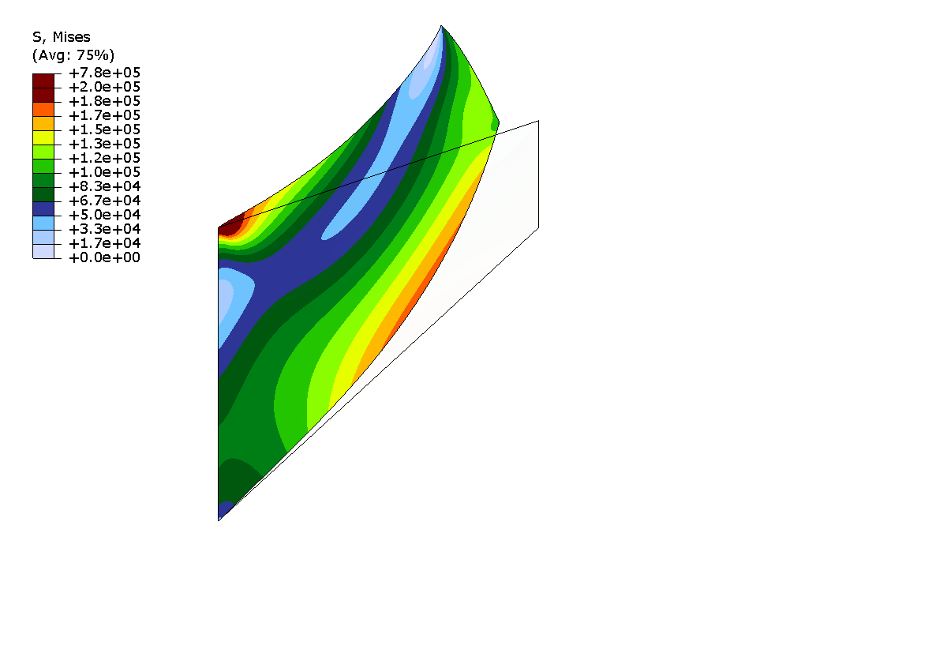
Hyperelastic - Element CPE4H
Cell Count | Approx Cell Spacing (mm) | Vertical Displacement (m) | Vertical Displacement (mm) | Figure of VM stress with 36 842 cells
9 | 1.69E+01 | 1.12E-02 | 1.12E+01
36 | 8.44E+00 | 1.38E-02 | 1.38E+01
144 | 4.22E+00 | 1.49E-02 | 1.49E+01
576 | 2.11E+00 | 1.52E-02 | 1.52E+01
2304 | 1.05E+00 | 1.53E-02 | 1.53E+01
9216 | 5.27E-01 | 1.54E-02 | 1.54E+01
36864 | 2.64E-01 | 1.54E-02 | 1.54E+01

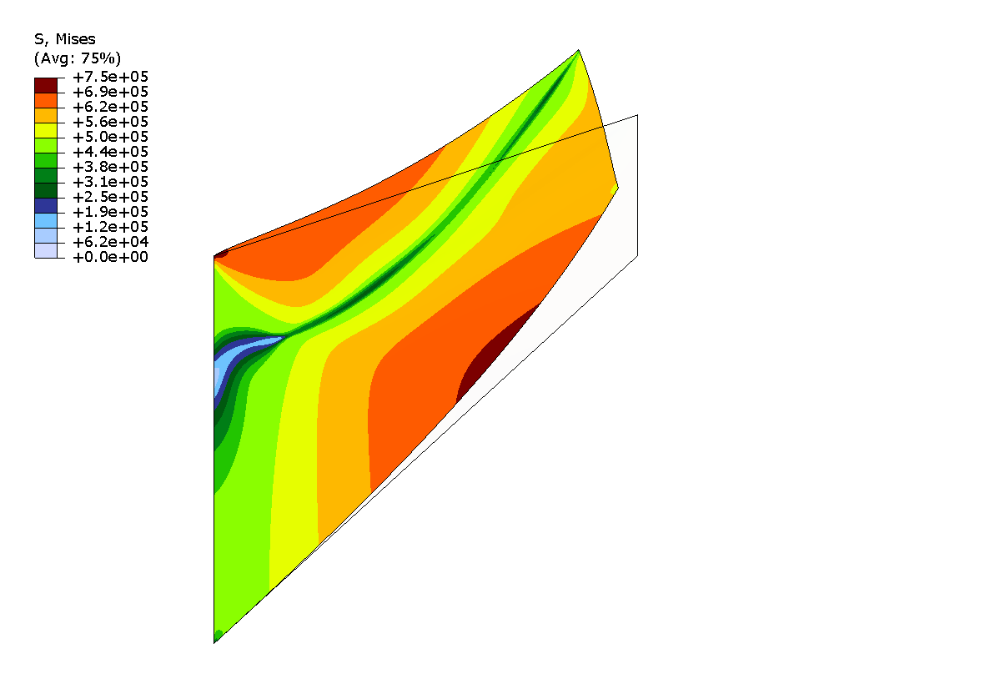
Hyperelastoplastic - Element CPE4H
Cell Count | Approx Cell Spacing (mm) | Vertical Displacement (m) | Vertical Displacement (mm) | Figure of VM stress with 36 842 cells
9 | 1.69E+01 | 6.89E-04 | 6.89E-01
36 | 8.44E+00 | 1.75E-03 | 1.75E+00
144 | 4.22E+00 | 3.46E-03 | 3.46E+00
576 | 2.11E+00 | 5.32E-03 | 5.32E+00
2304 | 1.05E+00 | 6.60E-03 | 6.60E+00
9216 | 5.27E-01 | 7.18E-03 | 7.18E+00
36864 | 2.64E-01 | 7.39E-03 | 7.39E+00

Cantilever Beam
Cantilevered Beam - 17 280 C3D8H Cells

Time (s) | Displacemement (mm)
0 | 0
0.000219714 | 0.000344337
0.000460718 | 0.00092445
0.000738514 | 0.00132155
0.000931429 | 0.00167378
0.00117257 | 0.00225013
0.001474 | 0.0030252
0.00185079 | 0.00424358
0.00232177 | 0.00621212
0.00291049 | 0.00866836
0.0036464 | 0.0119583
0.00456629 | 0.0170788
0.00571615 | 0.0242528
0.00715347 | 0.0337925
0.00895013 | 0.0471378
0.0111959 | 0.0660307
0.0140032 | 0.0921028
0.0175123 | 0.12824
0.0218987 | 0.177919
0.0273816 | 0.246044
0.0342353 | 0.337879
0.0428024 | 0.460144
0.0535113 | 0.619977
0.0642202 | 0.787431
0.0749291 | 0.966296
0.0883152 | 1.2095
0.101701 | 1.45367
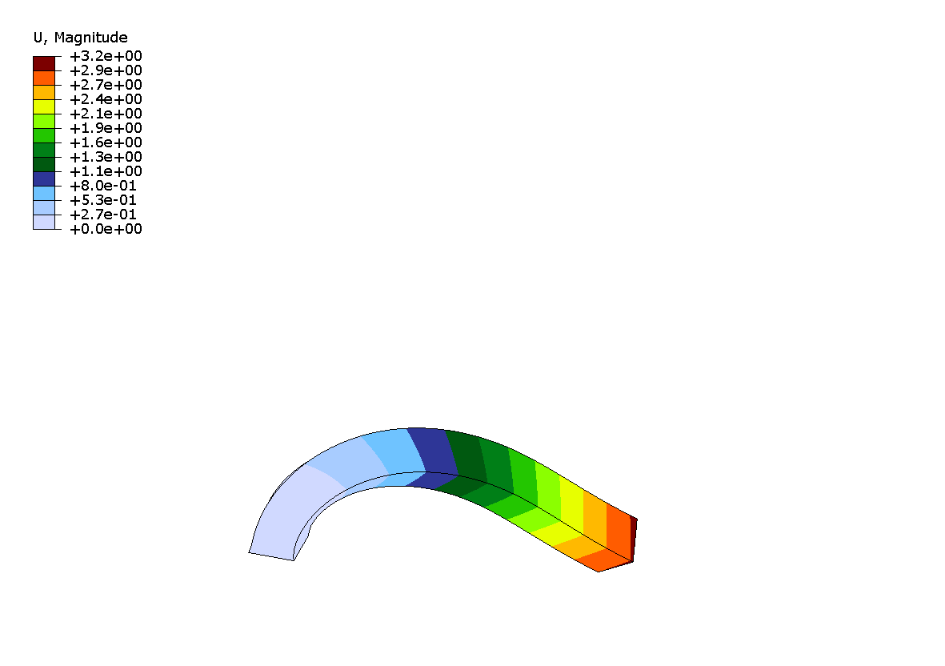
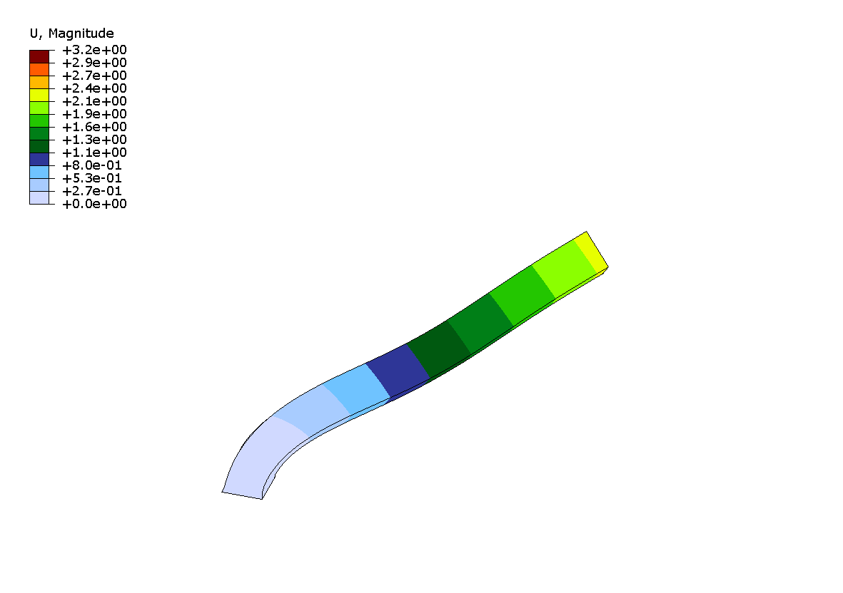
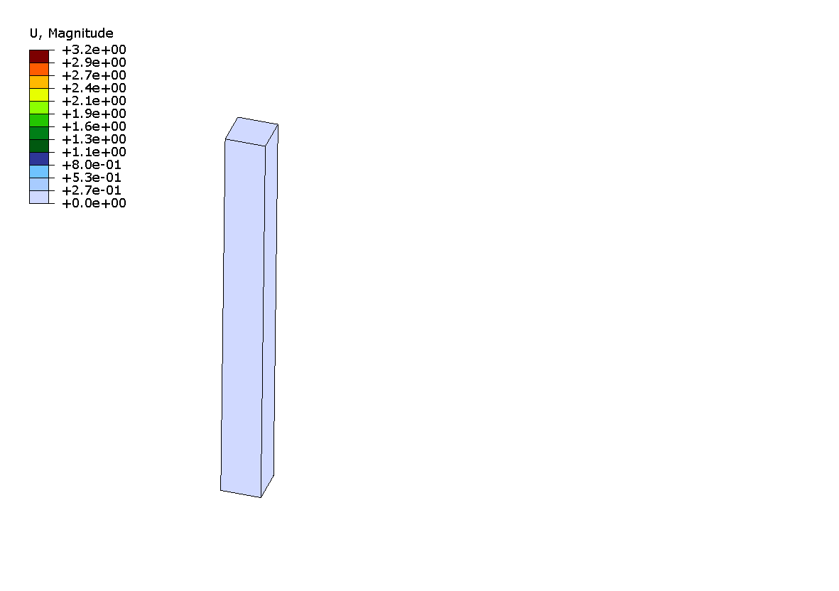
0.115087 | 1.66114
0.128474 | 1.8284
0.14186 | 2.00265
0.155246 | 2.20732
0.168632 | 2.42325
0.172815 | 2.49389
0.178044 | 2.58604
0.18458 | 2.6967
0.19275 | 2.80953
0.200921 | 2.88823
0.202963 | 2.90298
0.205516 | 2.91983
0.208708 | 2.93974
0.212697 | 2.96344
0.217684 | 2.98965
0.223917 | 3.01481
0.231709 | 3.03195
0.241449 | 3.04226
0.253623 | 3.06889
0.268842 | 3.10066
0.287864 | 3.09379
0.311643 | 3.02071
0.335421 | 2.81748
0.341366 | 2.73544
0.348797 | 2.62493
0.358085 | 2.48999
0.367374 | 2.35881
0.376662 | 2.22677
0.388273 | 2.0577
0.402786 | 1.83196
0.420928 | 1.51278
0.426597 | 1.40507
0.433684 | 1.27226
0.442542 | 1.11633
0.453614 | 0.93721
0.467455 | 0.718397
0.481296 | 0.499652
0.495137 | 0.309893
0.508978 | 0.179476
0.522819 | 0.129449
0.54012 | 0.185804
0.561747 | 0.369661
0.58878 | 0.709078
0.615813 | 1.12541
0.642846 | 1.56236
0.669879 | 1.97381
0.696912 | 2.37969
0.730703 | 2.82338
0.764494 | 3.05376
0.772942 | 3.07348
0.78139 | 3.08909
0.79195 | 3.09667
0.805149 | 3.07777
0.821649 | 3.03633
0.838149 | 2.98678
0.842274 | 2.97091
0.84743 | 2.94569
0.853875 | 2.90604
0.861932 | 2.8477
0.872002 | 2.75545
0.88459 | 2.59431
0.900326 | 2.33789
0.916061 | 2.07194
0.931796 | 1.83643
0.951465 | 1.57178
0.976052 | 1.21839
0.983735 | 1.09381
0.993339 | 0.92887
1.00534 | 0.729465
1.02035 | 0.523143
1.03911 | 0.336375
1.06256 | 0.198028
1.06988 | 0.182258
1.07904 | 0.198791
1.09049 | 0.283085
1.1048 | 0.465766
1.12269 | 0.740667
1.14505 | 1.1041
1.16741 | 1.49096
1.18977 | 1.87787
1.19676 | 1.99377
1.2055 | 2.13009
1.21642 | 2.27611
1.23006 | 2.4342
1.24712 | 2.6432
1.25246 | 2.71421
1.25912 | 2.79949
1.26745 | 2.89186
1.27786 | 2.97233
1.29088 | 3.02444
1.30715 | 3.04978
1.32749 | 3.04245
1.34782 | 2.99553
1.36816 | 2.93796
1.3885 | 2.84084
1.40884 | 2.62501
1.41519 | 2.52748
1.42314 | 2.39523
1.43307 | 2.22954
1.44548 | 2.03788
1.461 | 1.837
1.48039 | 1.60353
1.48645 | 1.52177
1.49403 | 1.40738
1.5035 | 1.25213
1.51534 | 1.05484
1.53013 | 0.828114
1.54863 | 0.605904
1.57175 | 0.408994
1.59487 | 0.308328
1.61799 | 0.428329
1.64111 | 0.740172
1.66423 | 1.09484
1.68736 | 1.45552
1.71048 | 1.8175
1.73938 | 2.25159
1.74841 | 2.37305
1.75123 | 2.40708
1.75476 | 2.44721
1.75917 | 2.49326
1.76468 | 2.54657
1.77157 | 2.61278
1.78019 | 2.69947
1.79095 | 2.81092
1.80441 | 2.91975
1.82123 | 2.98562
1.82649 | 2.99341
1.83306 | 2.9997
1.84128 | 3.00469
1.85154 | 2.99726
1.85475 | 2.99014
1.85876 | 2.979
1.86378 | 2.9633
1.87004 | 2.94376
1.87788 | 2.9235
1.88767 | 2.89888
1.89991 | 2.84962
1.91215 | 2.7711
1.92439 | 2.6594
1.93969 | 2.46484
1.95882 | 2.1675
1.98272 | 1.82887
2 | 1.635

