ECUS
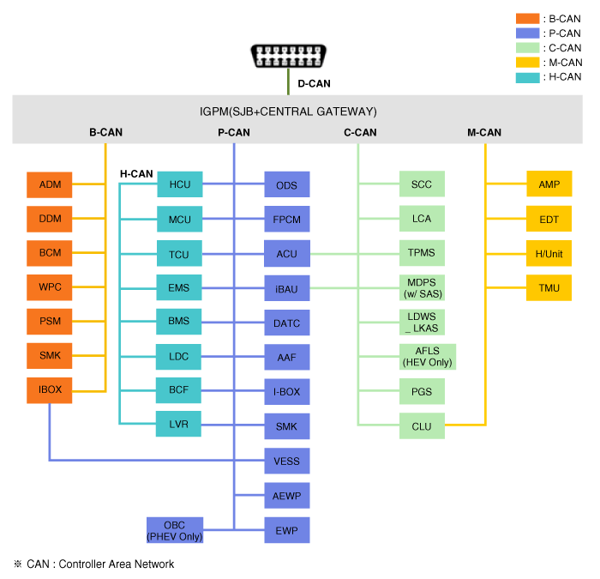
List of all ECU's in the e-Niro
Protocol | ISO15765_UDS: $22 (Read Data By Identifier); KWP2000: $21 (ReadDataByLocalIdentifier), $1A (ReadECUIdentification)
Baudrate | 500KBaud
D-Can pins | 6(High) & 14(Low)
 |  |  |  |  |  | Responding when car is
Request ID | Response ID | ECU name | Can bus | Protocol | Description | Off | Charging | On | Responds to | Notes
725 | 72D | WPS | B |  | Wireless phone charger | ? | ? | Y
736 | 73E | VESS | P |  | Virtual Engine Sound system | ? | ? | Y
755 | 75D | BSD Right |  |  | Blind spot detection Right | ? | ? | Y
770 | 778 | IGPM | All | UDS | Integrated Gateway and power control module | Y | Y | Y | At least 22 BC 03 to 22 BC 05 | Very similar to SJB on Soul.
783 | 78B | AMP | M |  | Amplifier | Y | Y | Y |  | No data?
796 | 79E | PGS | C |  | Parking Guide System | ? | ? | Y | Todo
7A0 | 7A8 | BCM / TPMS | B | UDS | Body control module | Y | Y | Y | 22 B0 01 to 22 B0 0E | Body control module
 |  |  | C |  | Tire Pressure Monitoring | Y | Y | Y | At least 22 C0 01 to 22 C0 02 & 22 C0 0B to 22 C0 0F | Tire Pressure Monitoring
7A1 | 7A9 | DDM | B |  | Driver door module |  |  |  |  | Controls doors and windows on left side
7A2 | 7AA | ADM | B |  | Assist door module | ? | ? | Y |  | Controls doors and windown on right side.
7A3 | 7AB | PSM | B | UDS | Power Seat Module | Y | Y | Y | At least 22 B4 02
7A5 | 7A5 | SMK | B | UDS | Smart Key | Y | Y | Y | 22 B0 05 to 22 B0 0A | SMK is available. Not checked if ID is correct though.
7B3 | 7BB | AIRCON / ACU |  | UDS | Aircondition | N | Y | Y | At least 22 01 00 & 22 01 02
7B7 | 7BF | BSD Left |  |  | Blind spot detection Left | ? | ? | Y
7C4 | 7CC | MFC |  |  | Multi Function Camera | ? | ? | Y | TODO
7C6 | 7CE | CM | C & M | UDS | Cluster Module | N | ? | Y | At least 22 B0 01 to 22 B0 03. | Should check if the cluster responds to other values.
7D0 | 7D8 | AEB |  | UDS? | Autonomous Emergency Breaking | ? | ? | Y | At least 22 02
7D1 | 7D9 | ABS / ESP + AHB |  | UDS |  | Y | Y | Y | At least 22 C1 01 to 22 C1 02
7D2 | 7DA | AIRBAG |  |  | SRS Sytem | ? | ? | Y
7D4 | 7DC | EPS |  |  | Electric power steering | N | ? | Y
7E2 | 7EA | VMCU | H & P | KWP2000 | Vehicle Motor Control Unit | N | Y | Y | 21 01 to 21 02 & 1A 80++
7E3 | 7EB | MCU | H & P | KWP2000 | Motor Control Unit | N | Y | Y | 21 01 to 21 06
7E4 | 7EC | BMS | P | UDS | Battery Management System | N | Y | Y | 22 01 01 to 22 01 06
7E5 | 7ED | OBC |  | KWP2000 | OnBoard Charger | ? | Y | Y | 21 01 to 21 03
7E6 | 7EE | ?? |  |  | ?? | ? | ? | Y | 21 08 05 to 21 08 0F -> All negative response

Diagram of Kia Niro Hybrid as a reference:

