Map
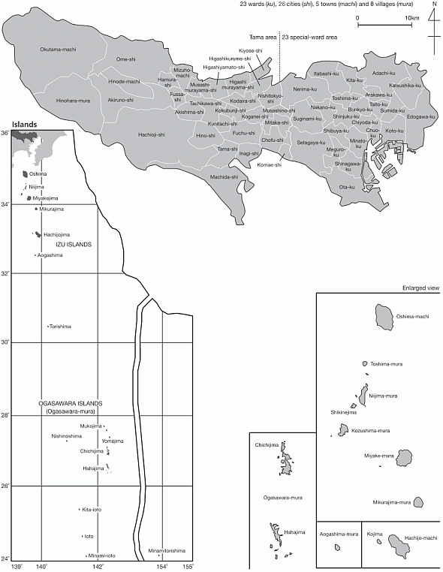
http://www.metro.tokyo.jp/ENGLISH/ABOUT/HISTORY/history02.htm
https://en.wikipedia.org/wiki/Tokyo

