New Style A3
Owner: | Team: |  |  |  |  | Date:

1. Background. Why are we talking about it? |  |  | 5. Action Plan. What activity is required to reach the target?
When Printing, only print what is inside the dashed lines.
To do this,
1) Select the cells you want to print
2) Click "Page layout" at the top of the page
3)Click "Pint Area"
4)click file and print
 |  |  | No. | Issue | Action |  | Who | When | Status

2. Problem Definition. Where do things stand today/What is the problem?

 |  |  |  |  |  |  |  |  |  | Which Pillars does your problem solve Satisfy?


3. Goals/Targets. What specific outcomes are required?
 |  |  |  |  |  |  |  |  |  |  | Leader in food Safety and Quality



 |  |  |  |  |  |  |  |  |  |  | Competitiveness


 |  |  | 6. Measure. Continuous monitoring of current state and improvement.

4. Analysis. What is the root cause of the problem?

Fishbone |  | Process Flow
Man
Machine
Method
 |  |  |  |  |  |  |  |  |  |  | Customer Front and Centre



 |  |  |  |  |  |  |  |  |  |  | Innovation in Product, Process & Service


 |  |  | 7. Follow-up. What issues can be anticipated?

Problem Definition

Click and drag the appropriate image into the indicated box to show which of the pillars your problem solving satisfies

Environment
Measure
Material

On the Go A3
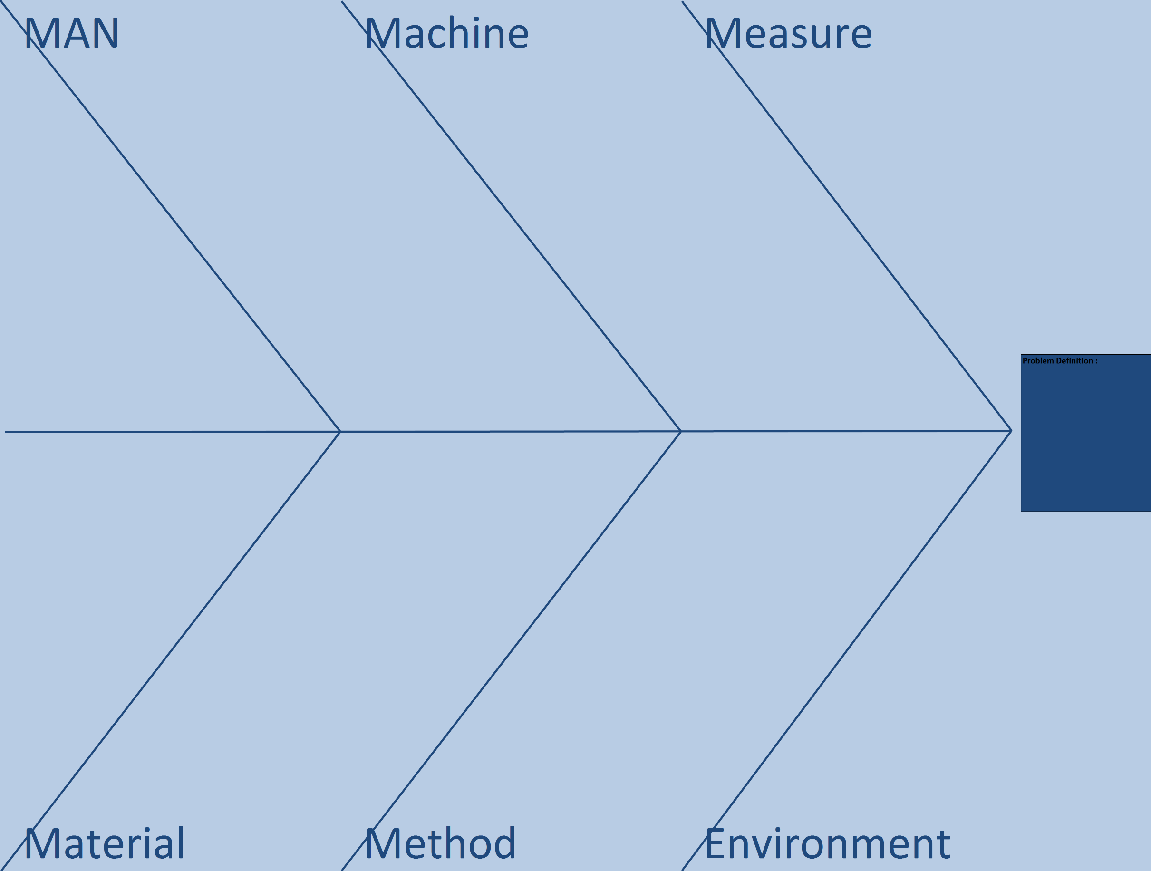
When to use
Print this style of A3 off for "on the go" problem solving. This allows you to go and carry out the problem solving session at the source of the issue/oppertunity. These are also very useful to have to hand during a meeting. Problem solving is for big and small issues
 |  |  |  |  | A3:
1. Background. Why are we talking about it? |  |  | Owner/Date
 | 5. Action Plan. What activity is required to reach the target?
 | No. | Issue | Action | Who | When | Status

2. Problem Definition. Where do things stand today/What is the problem?

3. Goals/Targets. What specific outcomes are required?

 | 6. Measure. Continuous monitoring of current state and improvement.

4. Analysis. What is the root cause of the problem?
Process Flow (Fishbone on back)

 | 7. Follow-up. What issues can be anticipated?

