Sheet1
aggrstab = ((S+0.15*C)/1.3)

 |  |  |  |  | 0.58405993167
 |  | S | C |  | 0.26467302588 |  | 0.75219934974
Sa | 0.07 | 0.88 | 0.05 | 0.68269230769 | 3.4351932674 | 3.5 | 0.0041999125839 | clay | 1.7 |  | 2.4
LSa | 0.15 | 0.80 | 0.05 | 0.62115384615 | 3.1329335274 | 3 | 0.017671322708 | clay loam | 1.4 |  | 1.9
SaL | 0.25 | 0.65 | 0.10 | 0.51153846154 | 2.6765326418 | 2.6 | 0.0058572452558 | silt | 0.8 |  | 1.6
L | 0.40 | 0.40 | 0.20 | 0.33076923077 | 1.952643208 | 2 | 0.0022426657465 | silt loam | 0.8 |  | 2.3
SiL | 0.65 | 0.20 | 0.15 | 0.17115384615 | 1.086657731 | 1.5 | 0.17085183138 | loam | 1 |  | 2.7
Si | 0.85 | 0.10 | 0.05 | 0.082692307692 | 0.48816080201 | 1.2 | 0.5067150438 | sandy loam | 1.7 |  | 3.1
SaCL | 0.15 | 0.60 | 0.25 | 0.49038461538 |  |  |  | loamy sand | 1.9 |  | 4
CL | 0.35 | 0.30 | 0.35 | 0.27115384615 | 1.9058269138 | 1.7 | 0.042364718448 | fine sand | 2 |  | 6 | <= use this one
SiCL | 0.55 | 0.10 | 0.35 | 0.11730769231 |  |  |  | sand | 1 |  | 3
SiC | 0.45 | 0.10 | 0.45 | 0.12884615385
SaC | 0.10 | 0.50 | 0.40 | 0.43076923077 |  |  | 0.0022966098197
C | 0.25 | 0.25 | 0.5 | 0.25 | 2.0479229571 | 2
3.4351932674 | 3.5
3.1329335274 | 3
2.6765326418 | 2.6
1.952643208 | 2
1.086657731 | 1.5
0.48816080201 | 1.2
1.9058269138 | 1.7
2.0479229571 | 2
0.88 | 3.5
0.80 | 3
0.65 | 2.6
0.40 | 2
0.20 | 1.5
0.10 | 1.2
0.60
0.30 | 1.7
0.10
0.10
0.50
0.25 | 2

0.07 | 3.5
0.15 | 3
0.25 | 2.6
0.40 | 2
0.65 | 1.5
0.85 | 1.2
0.15
0.35 | 1.7
0.55
0.45
0.10
0.25 | 2

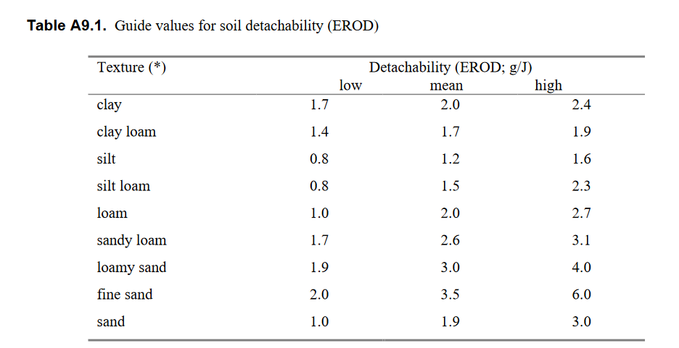

0.05 | 2
0.05 | 2
0.10 | 2.5
0.20 | 3
0.15 | 3
0.05
0.25 | 3
0.35 | 10
0.35 | 9
0.45 | 15
0.40
0.50 | 12

 |  |  |  |  |  |  |  |  |  |  |  |  |  |  |  |  | max(1.0, 4.316*ln(C+1.0) - 6.955))
 |  |  |  |  |  |  |  |  |  |  |  |  |  |  | 0.31835655019 |  | 7.018*ln(C) + 13.312)
 |  |  |  |  |  |  |  |  |  | si | sa | c |  |  | 1
 |  |  |  |  |  |  |  | Sa |  | 0.07 | 0.88 | 0.05 | 2 | 1.8533005993 | 0.2698792516 | 2.993317804 | 2
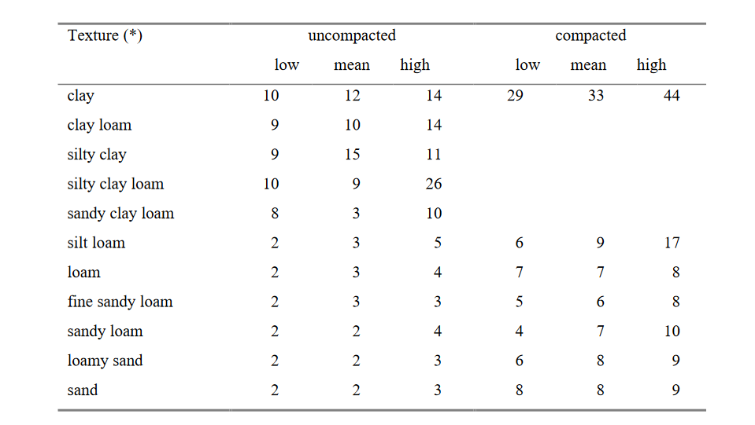
 |  |  |  |  |  |  |  | LSa |  | 0.15 | 0.80 | 0.05 | 2 | 1.8533005993 | 0.52116982487 | 2.1869386869 | 2
 |  |  |  |  |  |  |  | SaL |  | 0.25 | 0.65 | 0.10 | 2.5 | 2.3416437902 | 0.88528304144 | 2.6073108563 | 2
 |  |  |  |  |  |  |  | L |  | 0.40 | 0.40 | 0.20 | 3 | 3.7382708211 | 1.4564528663 | 2.3825377539 | 2.0169647305
 |  |  |  |  |  |  |  | SiL |  | 0.65 | 0.20 | 0.15 | 3 | 2.9586650122 | 2.1917359078 | 0.65329084282 | 2
 |  |  |  |  |  |  |  | Si |  | 0.85 | 0.10 | 0.05 |  | 1.8533005993 | 2.7199623409
 |  |  |  |  |  |  |  | SaCL |  | 0.15 | 0.60 | 0.25 | 3 | 4.7233021225 | 0.72116982487 | 5.1930669671 | 3.5829861737
 |  |  |  |  |  |  |  | CL |  | 0.35 | 0.30 | 0.35 | 10 | 7.5404220648 | 1.449396258 | 73.112824352 | 5.9443483303
 |  |  |  |  |  |  |  | SiCL |  | 0.55 | 0.10 | 0.35 | 9 | 7.5404220648 | 2.0776226912 | 47.919307606 | 5.9443483303
0.27 | 2
0.36 | 2
0.66 | 2.5
1.22 | 3
1.27 | 3
1.06
1.17 | 3
1.78 | 10
1.98 | 9
2.30 | 15
1.74
2.30 | 12
 |  |  |  |  |  |  |  | SiC |  | 0.45 | 0.10 | 0.45 | 15 | 12.037757366 | 1.8635094746 | 172.56738332 | 7.7080729879
 |  |  |  |  |  |  |  | SaC |  | 0.10 | 0.50 | 0.40 |  | 9.5273171066 | 0.71411321658
 |  |  |  |  |  |  |  | C |  | 0.25 | 0.25 | 0.5 | 12 | 15.209696578 | 1.2852830414 | 114.8051595 | 8.4474930868

 |  |  |  |  |  |  |  |  |  |  |  |  | 4.1
 |  |  |  |  |  |  |  |  |  |  |  |  | 1
 |  |  |  |  |  |  |  | Sa |  | 0.07 | 0.88 | 0.05 | 0.27 | 2 | 1.8533005993
 |  |  |  |  |  |  |  | LSa |  | 0.15 | 0.80 | 0.05 | 0.36 | 2 | 1.8533005993
 |  |  |  |  |  |  |  | SaL |  | 0.25 | 0.65 | 0.10 | 0.66 | 2.5 | 2.3416437902
 |  |  |  |  |  |  |  | L |  | 0.40 | 0.40 | 0.20 | 1.22 | 3 | 3.7382708211
 |  |  |  |  |  |  |  | SiL |  | 0.65 | 0.20 | 0.15 | 1.27 | 3 | 2.9586650122
 |  |  |  |  |  |  |  | Si |  | 0.85 | 0.10 | 0.05 | 1.06
 |  |  |  |  |  |  |  | SaCL |  | 0.15 | 0.60 | 0.25 | 1.17 | 3 | 4.7233021225
 |  |  |  |  |  |  |  | CL |  | 0.35 | 0.30 | 0.35 | 1.78 | 10 | 7.5404220648
 |  |  |  |  |  |  |  | SiCL |  | 0.55 | 0.10 | 0.35 | 1.98 | 9 | 7.5404220648
 |  |  |  |  |  |  |  | SiC |  | 0.45 | 0.10 | 0.45 | 2.30 | 15 | 12.037757366
 |  |  |  |  |  |  |  | SaC |  | 0.10 | 0.50 | 0.40 | 1.74
 |  |  |  |  |  |  |  | C |  | 0.25 | 0.25 | 0.5 | 2.30 | 12 | 15.209696578

