Visualization
Outlier Visualization
Visual representation with highlighted outliers

Dataset: Value
Outlier Method: Grubbs Test
Found outliers: 3 of 50 (6.0%)

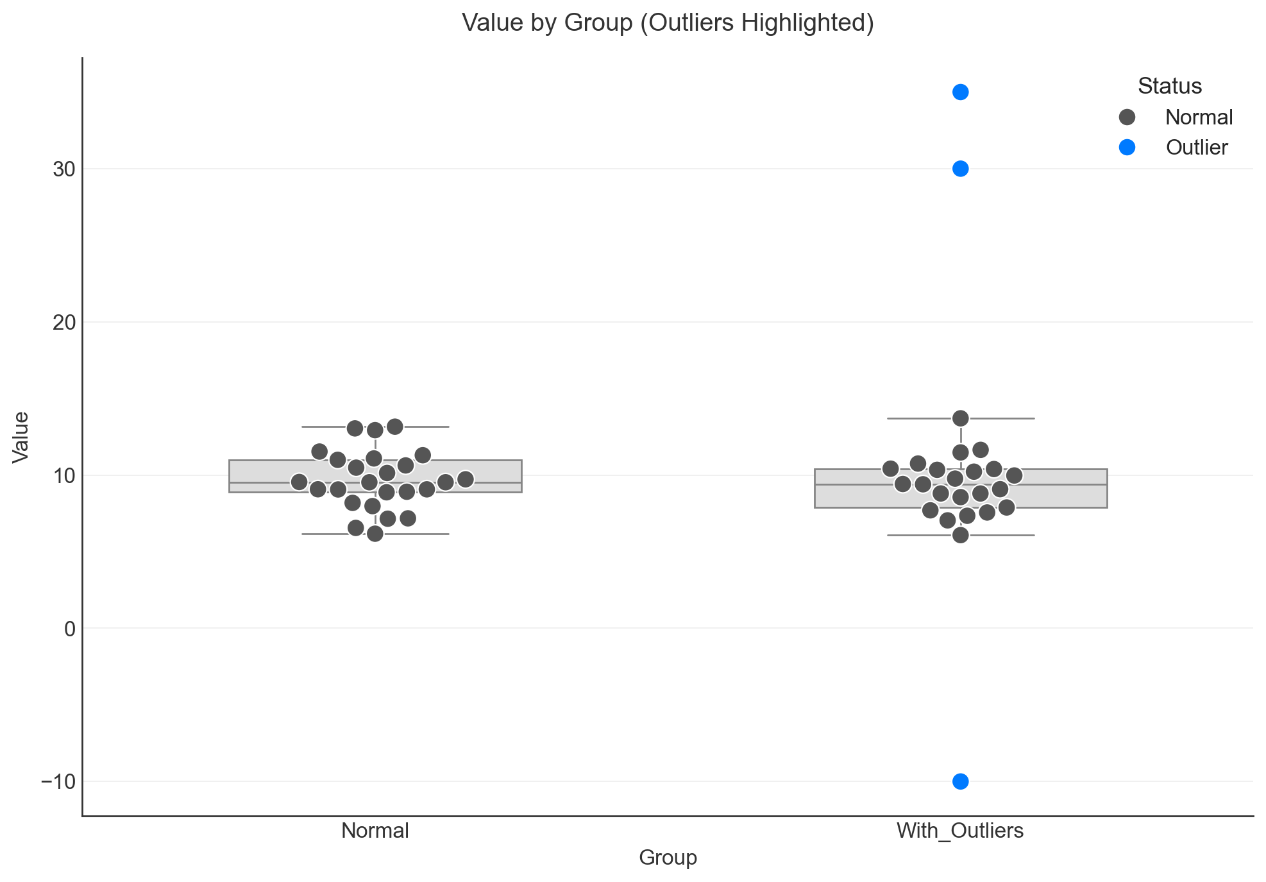

Group Statistics:
Group | Count | Mean | StdDev | Median | Min | Max | Outliers
Normal | 25 | 9.6729838827 | 1.9131061086 | 9.5317260861 | 6.1734395107 | 13.158425631 | 0
With_Outliers | 25 | 10.454104467 | 7.8871850169 | 9.4166125004 | -10 | 35 | 3

