Assumptions
TEST ASSUMPTIONS CHECK
This sheet documents the tests for checking the assumptions for the statistical analysis. Depending on the type of test (parametric or non-parametric), different assumptions must be met.

OVERVIEW OF ASSUMPTIONS

For non-parametric tests (such as Mann-Whitney U, Kruskal-Wallis), the following assumptions apply: • Similar distribution shape in all groups (not necessarily normal distribution) • Independence of observations • At least ordinal scale of the dependent variable Assumption 1 is assessed visually. Points 2 and 3 are ensured by the study design and data collection.

Normality of Model Residuals (Shapiro-Wilk test):
Group | Shapiro-Wilk statistic | p-Value | Normally distributed? | Interpretation

Homogeneity of variances (Brown-Forsythe-Test):
Data Type | Brown-Forsythe statistic | p-Value | Variances equal? | Interpretation
Original Data | 2.8138 | 0.0230 | No | Significant differences in variances
After none Transformation | 2.8138 | 0.0230 | No | Significant differences in variances even after transformation
VISUAL EXAMINATION OF ASSUMPTIONS

📈📊 VISUAL ASSUMPTION CHECKING - Understanding What Statistical Tests Need Statistical tests like ANOVA and t-tests work best when your data meets certain mathematical requirements (called 'assumptions'). The plots below help you check these requirements visually: 🔍 Q-Q PLOT: Checks if your data follows a normal distribution pattern 📊 BOXPLOT: Checks if different groups have similar variability (variance) Each plot includes detailed explanations to help you understand what you're looking at and how to interpret the patterns.
📈📊 VISUAL ASSUMPTION EXAMINATION - Q-Q Plot & Boxplots Side by Side

📊 UNDERSTANDING Q-Q PLOTS (Left Side) - Normality Check: WHAT IS A Q-Q PLOT? A Q-Q plot compares your data's distribution to a perfect normal distribution. Each point represents one data value from your statistical model's residuals (prediction errors). The X-axis shows where that value would fall in a perfect normal distribution, and the Y-axis shows where it actually falls in your data. HOW TO READ THE Q-Q PLOT: • Red diagonal line = What a perfect normal distribution would look like • Blue dots = Your actual model residuals (prediction errors) • If dots follow the red line closely → Your data is normally distributed ✅ • If dots deviate from the red line → Your data is not normally distributed ⚠️ |  |  |  |  | 📦 UNDERSTANDING BOXPLOTS (Right Side) - Variance Equality Check: WHAT IS A BOXPLOT? A boxplot shows your data's distribution and spread. Box = middle 50% of data, line = median, whiskers = normal range, dots = outliers. HOW TO USE FOR VARIANCE TESTING: Compare boxplots across groups - similar variability means equal variances. PATTERNS: ✅ GOOD: All boxes roughly same height ⚠️ WARNING: Very different box heights 💡 REMEMBER: Compare spread, not central values

📚 COMPREHENSIVE INTERPRETATION GUIDE FOR BEGINNERS 🎯 WHY DO WE TEST THESE ASSUMPTIONS? Statistical tests like ANOVA and t-tests are built on mathematical assumptions. When these assumptions are met, the tests give reliable and trustworthy results. When violated, the results may be misleading or completely wrong. The plots above help you visually check whether your data meets these requirements before trusting your statistical test results. | 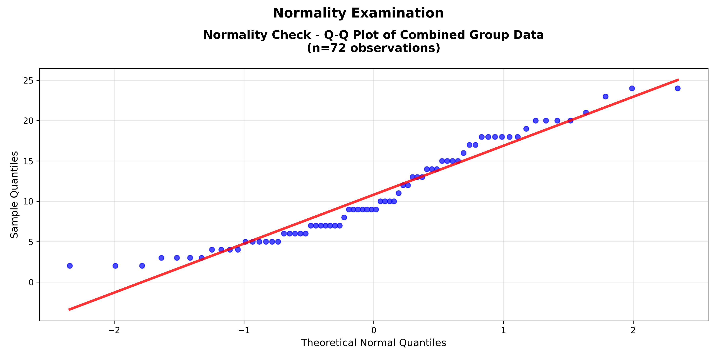 |  |  |  |  | 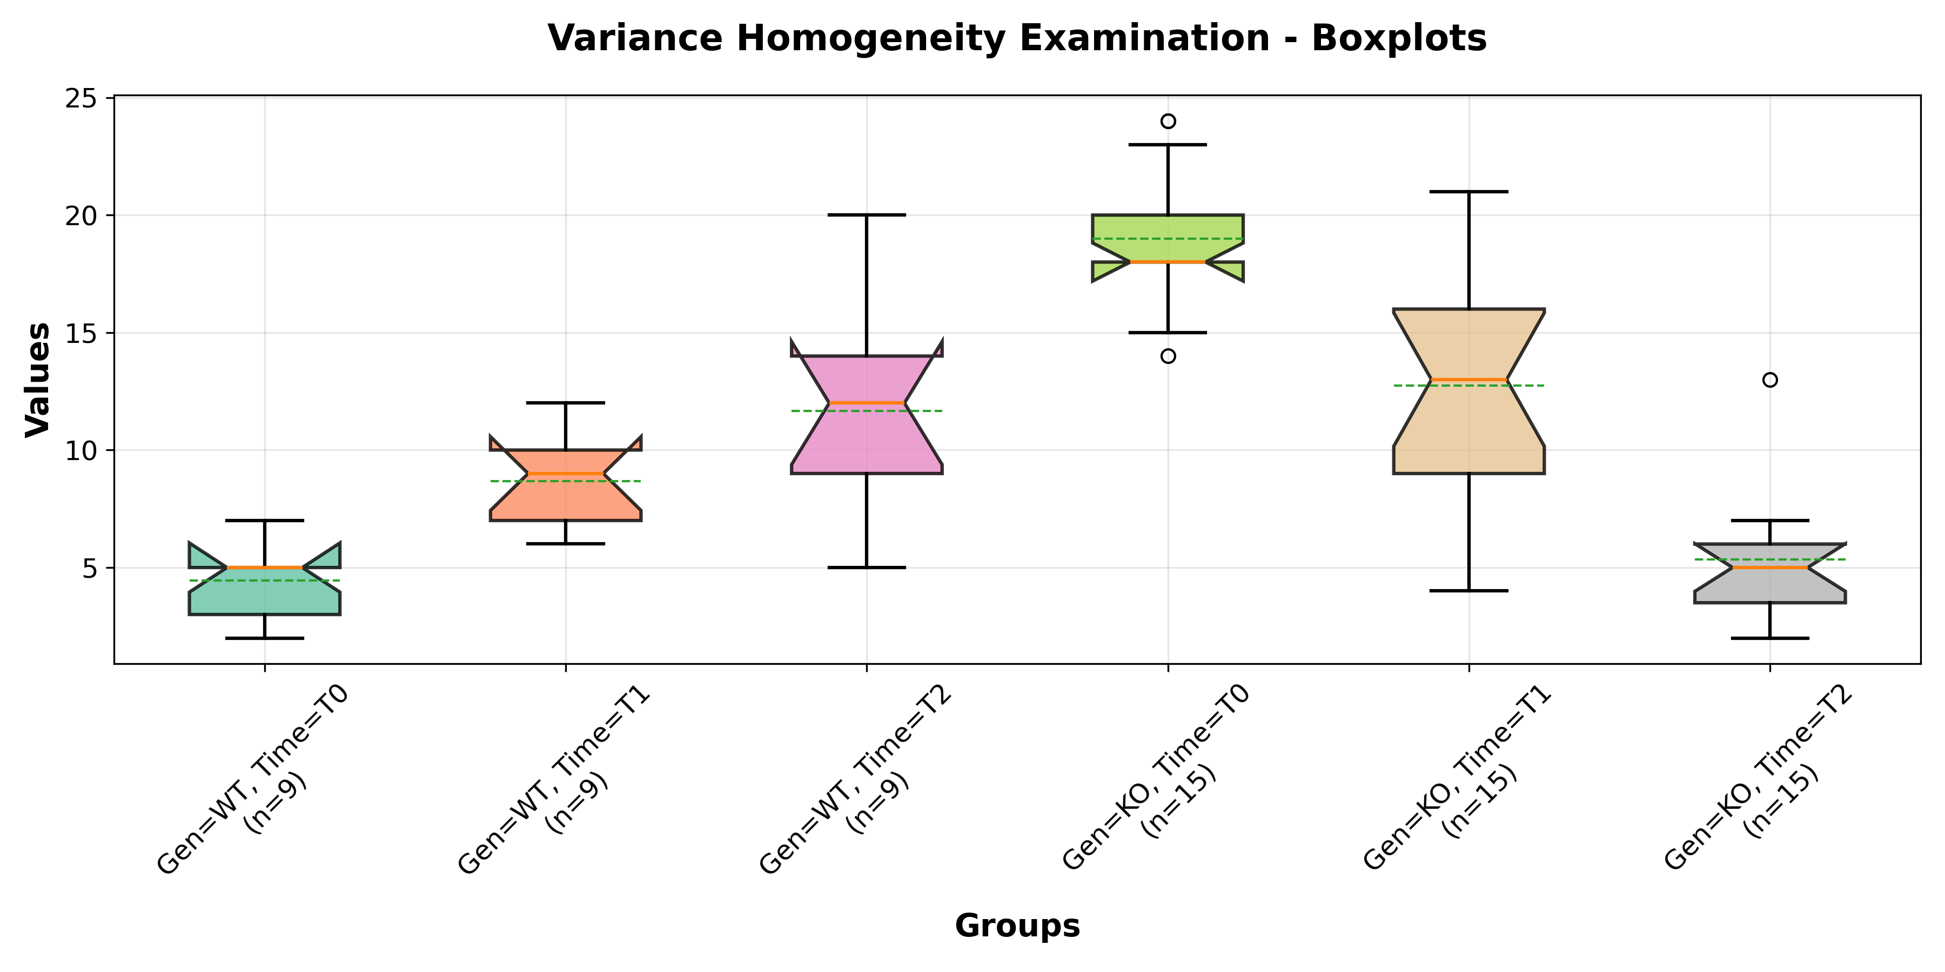
🔍 DETAILED Q-Q PLOT INTERPRETATION: Think of a Q-Q plot as comparing your data to an 'ideal' normal distribution: • Each blue dot represents one data point (specifically, a model residual/prediction error) • The red line shows where points would fall if your data were perfectly normally distributed • The closer the blue dots stick to the red line, the more normal your data distribution is What different Q-Q plot patterns mean: ✅ EXCELLENT: Straight line along red diagonal = Normal distribution, assumptions met ⚠️ CONCERN: S-shaped curve = Skewed data (more values bunched on one side) ⚠️ CONCERN: Upward curve at ends = Heavy tails (more extreme values than normal) ⚠️ CONCERN: Downward curve at ends = Light tails (fewer extreme values than normal) ⚠️ CONCERN: Points scattered far from line = Not normally distributed at all
📊 DETAILED BOXPLOT INTERPRETATION: Boxplots summarize the spread and variability of your data for each group: • The 'box' contains the middle 50% of your data points for that group • A tall box = high variability in that group, short box = low variability • For equal variances assumption, all groups should have similarly-sized boxes • The line inside each box shows the median (middle value) for that group What different boxplot patterns mean: ✅ EXCELLENT: Similar box heights across all groups = Equal variances, assumptions met ⚠️ CONCERN: Very different box heights = Unequal variances between groups ⚠️ CONCERN: Some groups with many outliers, others with none = Inconsistent data quality ⚠️ CONCERN: Extremely different whisker lengths = Very unequal spreads
🎯 MAKING PRACTICAL DECISIONS: • Both plots look GOOD (✅ patterns) → Your statistical test assumptions are met, results are reliable • Either plot shows CONCERNS (⚠️ patterns) → Consider data transformation or switch to non-parametric tests • When in doubt → Consult with a statistician about complex or borderline patterns • Remember: Visual inspection works together with the statistical test numbers above
💡 TECHNICAL NOTE FOR ADVANCED USERS: We examine model residuals (prediction errors) rather than raw group data because statistical tests like ANOVA actually assess whether the model's prediction errors are normally distributed. This approach provides a more accurate evaluation of whether your chosen statistical test is appropriate for your data.

Note: Original (untransformed) data was used for statistical tests based on test recommendation: .

TESTS AFTER TRANSFORMATION

Normality after transformation:
Test | Statistic | p-Value | Normally distributed? | Interpretation
Shapiro-Wilk | 0.9394 | 0.0018 | No | Significant deviation from normality

Variance homogeneity after transformation:
Test | Statistic | p-Value | Variances equal? | Interpretation
Brown-Forsythe | 2.8138 | 0.0230 | No | Significant differences in variances

SUMMARY OF ASSUMPTIONS CHECK
The assumptions were checked as documented above. See test results for each group for details.

DECISION TREE FOR TEST SELECTION
1. Are the data in all groups normally distributed? 2. Are the variances between the groups equal? → If yes: Parametric test (e.g., t-test, ANOVA) → If no: Try transformation or non-parametric test (e.g., Mann-Whitney U, Kruskal-Wallis)

