Sheet1
FIXED_TIME_CONSTRAINTS: { 7: -100, 8: -100, 9: 50, 10: 75, 11: 75, 18: -50, 19: -50, 20: -75, }
HOUR_LOAD_CONSTRAINT = (4, 45)
COURSE_COUNT_CONSTRAINT = (1, 13)

 | ilp |  |  |  |  |  |  | offering_order |  |  |  |  |  |  | hill_climbing_v1
 | courses | score | valid | timings | mean | mean (s) | stdev | courses | score | valid | timings | mean | mean (s) | stdev | courses | score | valid | timings | mean | mean (s) | stdev | % of score offering order | % of score hill climbing v1

0 | 1 | 2050 | TRUE | [7099711800, 6857006800, 7220097300, 6933990400, 6855047900] | 6993170840 | 7.0 | 161219967.15 | 1 | 2050 | TRUE | [12031100, 11615500, 11617600, 11588100, 11041800] | 11578820 | 0.012 | 352094.84092 | 1 | 2050 | TRUE | [13832800, 14990000, 13726100, 12814500, 12506800] | 13574040 | 0.014 | 976079.3938 | 1 | 1
1 | 2 | 4075 | TRUE | [5993854300, 6109114800, 6085743400, 6094503000, 6054187000] | 6067480500 | 6.1 | 45811293.443 | 2 | 4075 | TRUE | [29491900, 30507000, 24990300, 24218600, 24916300] | 26824820 | 0.027 | 2935645.5929 | 2 | 4075 | TRUE | [34749900, 32580700, 32429600, 32428100, 29119900] | 32261640 | 0.032 | 2013683.6167 | 1 | 1
2 | 3 | 5950 | TRUE | [6147558900, 6366613300, 6091608100, 6128230900, 6121150800] | 6171032400 | 6.2 | 111165704.58 | 3 | 4825 | TRUE | [40149300, 38031700, 35497000, 34997700, 40144100] | 37763960 | 0.038 | 2460584.2839 | 3 | 5575 | TRUE | [60261100, 55640800, 55564800, 56660800, 54648000] | 56555100 | 0.057 | 2190849.0067 | 0.81092436975 | 0.93697478992
3 | 4 | 7450 | TRUE | [6209218700, 6210190600, 6254786700, 6195461200, 6397147300] | 6253360900 | 6.3 | 83428330.94 | 4 | 6225 | TRUE | [55690100, 48502100, 45404800, 56835000, 41139600] | 49514320 | 0.050 | 6704127.3352 | 4 | 6725 | TRUE | [83877900, 82190700, 81062700, 79933000, 80593400] | 81531540 | 0.082 | 1548801.5441 | 0.8355704698 | 0.90268456376
4 | 5 | 8950 | TRUE | [6336641100, 6374948200, 6272083600, 6208799600, 6237869400] | 6286068380 | 6.3 | 68822965.86 | 5 | 6225 | TRUE | [57156900, 51586100, 53725200, 53039400, 51486900] | 53398900 | 0.053 | 2307610.4405 | 5 | 7725 | TRUE | [111545400, 108102900, 110481700, 114078900, 112119600] | 111265700 | 0.111 | 2198831.0178 | 0.69553072626 | 0.86312849162
5 | 6 | 9950 | TRUE | [6222668500, 6243683100, 6191251900, 6255867300, 6535407900] | 6289775740 | 6.3 | 139481002.74 | 6 | 6675 | TRUE | [59153400, 54268000, 52863900, 54346600, 54871900] | 55100760 | 0.055 | 2384431.6436 | 6 | 8475 | TRUE | [166742400, 157173100, 147738500, 148540500, 148937400] | 153826380 | 0.154 | 8168981.6242 | 0.67085427136 | 0.85175879397
6 | 7 | 10950 | TRUE | [6679660900, 6342926200, 6288818700, 6275713400, 6278971100] | 6373218060 | 6.4 | 173448631.54 | 7 | 7825 | TRUE | [44284900, 42385100, 42225300, 48612900, 42374000] | 43976440 | 0.044 | 2727571.1334 | 7 | 8875 | TRUE | [175169200, 170123400, 170854700, 169087300, 181252700] | 173297460 | 0.173 | 5013891.5677 | 0.71461187215 | 0.81050228311
7 | 8 | 11350 | TRUE | [6468572700, 6468504700, 6564233500, 6493447900, 6910769500] | 6581105660 | 6.6 | 188407433.08 | 8 | 7950 | TRUE | [49987800, 43456700, 41855500, 41310100, 41301700] | 43582360 | 0.044 | 3687549.0855 | 8 | 9025 | TRUE | [188011300, 187627900, 198150000, 188463300, 189040800] | 190258660 | 0.190 | 4442726.4335 | 0.70044052863 | 0.79515418502
8 | 9 | 11475 | TRUE | [6818191600, 6782676300, 6496902400, 6532645100, 6528052100] | 6631693500 | 6.6 | 155159686.43 | 9 | 8075 | TRUE | [55648400, 44607100, 43814900, 42375400, 43021000] | 45893360 | 0.046 | 5517285.5802 | 9 | 9025 | TRUE | [204784700, 210263900, 203679900, 206120100, 208437800] | 206657280 | 0.207 | 2685045.1192 | 0.7037037037 | 0.78649237473
9 | 10 | 11600 | TRUE | [6567454000, 6528237200, 6632076100, 6959251900, 6598077900] | 6657019420 | 6.7 | 173239407.04 | 10 | 8475 | TRUE | [29418800, 28726900, 27491400, 26886300, 30247100] | 28554100 | 0.029 | 1374291.0045 | 10 | 9025 | TRUE | [230301600, 208669400, 210756900, 218286700, 225079700] | 218618860 | 0.219 | 9207895.6202 | 0.73060344828 | 0.77801724138
10 | 11 | 11600 | TRUE | [9516093300, 9646426800, 9578240300, 9510548900, 10260097200] | 9702281300 | 9.7 | 316659027.07 | 11 | 7925 | TRUE | [33702100, 30051900, 28469000, 27965300, 27535200] | 29544700 | 0.030 | 2511521.0381 | 11 | 8975 | TRUE | [228452900, 218614800, 213601500, 225710500, 217659900] | 220807920 | 0.221 | 6106007.3765 | 0.68318965517 | 0.77370689655
11 | 12 | 11600 | TRUE | [9492710800, 9444950100, 9476249500, 9627282200, 9546832400] | 9517605000 | 9.5 | 71575243.937 | 12 | 7425 | TRUE | [141890700, 138836200, 145857300, 145166900, 134201700] | 141190560 | 0.141 | 4807991.0865 | 12 | 8400 | TRUE | [226725700, 230670700, 222021400, 229293300, 218601300] | 225462480 | 0.225 | 5057501.4772 | 0.6400862069 | 0.72413793103

Score vs. Anzahl Kurse (Schwierigkeit)
Score (% of ILP) vs. Anzahl Kurse
Time (ns) vs. Anzahl Kurse

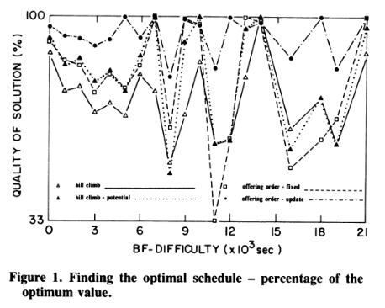
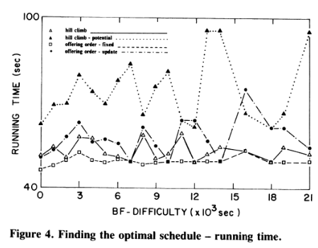

 |  |  |  |  |  |  |  |  |  | Notiz: In Paper ist offering order besser als hill climbing, bei mir konstant umgekehrt |  |  |  |  |  |  |  |  |  |  | Notiz: Ähnliches Bild wie im paper, hill climbing benötigt mehr Zeit

