Character Map
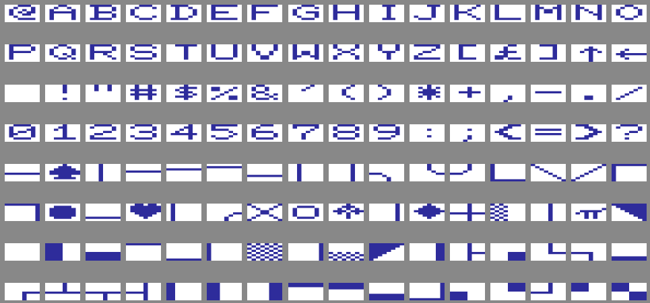
 |  | 8000 | 8008 | 8010 | 8018 | 8020 | 8028 | 8030 | 8038 | 8040 | 8048 | 8050 | 8058 | 8060 | 8068 | 8070 | 8078
 |  | x0 | x1 | x2 | x3 | x4 | x5 | x6 | x7 | x8 | x9 | xA | xB | xC | xD | xE | xF
8000 | 0x
8080 | 1x
8100 | 2x
8180 | 3x
8200 | 4x
8280 | 5x
8300 | 6x
8380 | 7x
https://www.pagetable.com/c64ref/charset/

Chart1
 | ∙∙∙∙∙∙∙∙
 | 0
█∙∙∙∙∙∙∙
██∙∙∙∙∙∙
██∙∙∙∙∙∙
██∙∙∙∙∙∙
∙█∙∙∙∙∙∙
█∙████∙∙
∙█∙█∙∙█∙
∙█∙█∙██∙
∙█∙████∙
█∙████∙∙
∙█∙∙∙∙∙∙
██∙∙∙∙∙∙
██∙∙∙∙∙∙
██∙∙∙∙∙∙
█∙∙∙∙∙∙∙

