Sheet1
Keyword | Number of cell | Layer | Epoch | mae(Test) | mse(Test) | RMSE
fire | 512,32 | 2 | 500 | 0.064370089295 | 0.0067 | 0.081853527719
 | 512,300,32 | 3 | 500 | 0.063 | 0.0059 | 0.076811457479
 |  |  |  |  |  |  | Fire | Fell | Caught | Struck | Electrocution
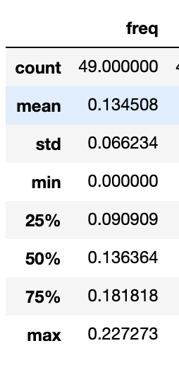
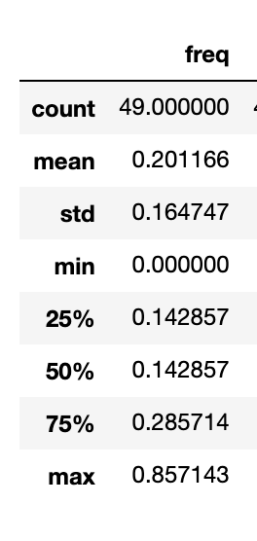
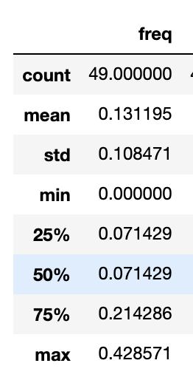
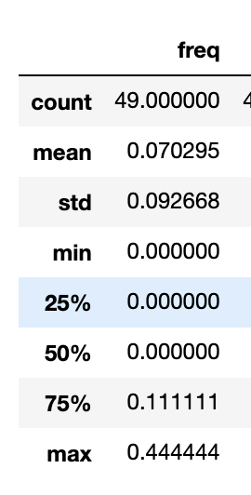
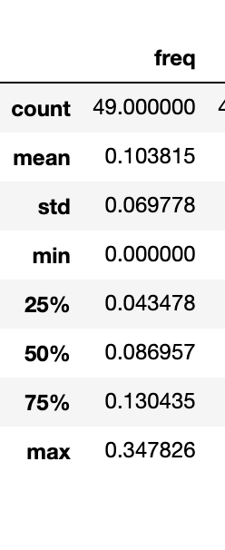
fell | 512 | 2 | 500 | 0.0932 | 0.014 | 0.11832159566
 | 512,300,32 | 3 | 500 | 0.0774 | 0.0106 | 0.10295630141

caught | 512 | 2 | 500 | 0.1879 | 0.06 | 0.24494897428
 | 512,300,32 | 3 | 500 | 0.1409 | 0.033 | 0.18165902125

electronical | 512 | 2 | 500 | 0.087 | 0.013 | 0.11401754251
 | 512,300,32 | 3 | 500 | 0.093 | 0.015 | 0.12247448714

struck | 512 | 2 | 500 | 0.108 | 0.017 | 0.1303840481
 | 512,300,32 | 3 | 500 | 0.015 | 0.032 | 0.1788854382

