Sheet1
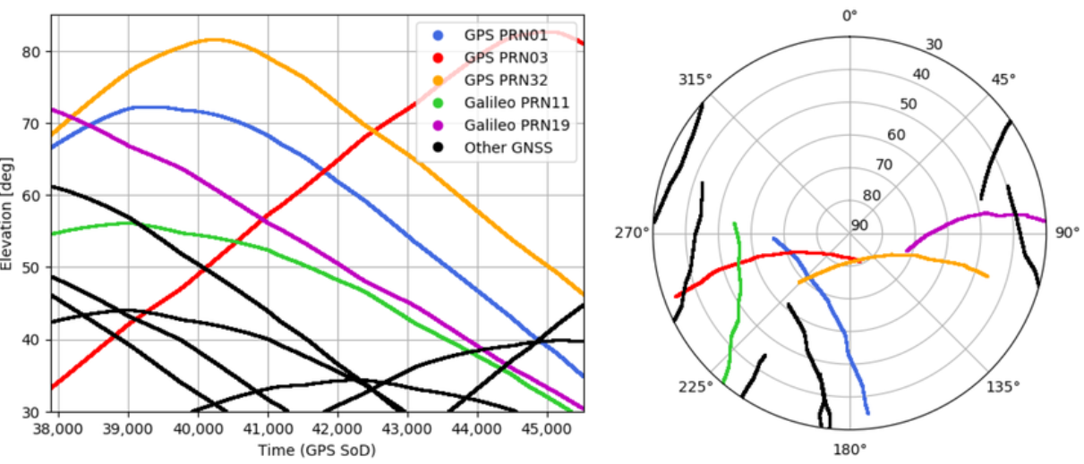
 | GNSSS Calibration Service

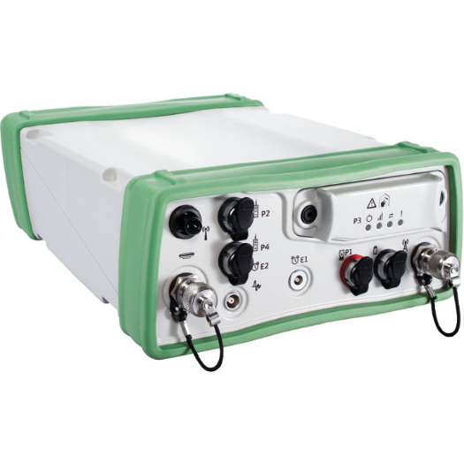
1 | Scenario-2 : | Relative Positioning in City Area
2 | Inspector:
3 | GNSS Type :
4 | Serial No :
5
6 | Simulation Strategies:
7 | Constellation | GPS + GLONASS
8 | Signal Broadcast | Code & Phase
9 | Frequencies | L1 / L2 / L5 / G1 / G2 / G3
10 | Sinal strength (db)
11 | Ionosphere Correction | Ionosphere=free linear combination
12 | Troposphere Correction | Saastamoinen
13 | Visibility | 100%
14 | Sampling Rate | 10 sec
15 | Elevation Mask | 10°
16 | Logged Data | RINEX
17
18 | Baseline Processing
19 | Duration | 20 minutes
20 | Baseline Length | 2,000 m
21 | Software+Ver.
22
23 | Point-A | Simulation | Processing | Diff. ECEF (m) | Diff.LTP (m)
24 | Lat | 14° 00' 00.0000" | NumEpoch | ΔX = m. | ΔE = m.
25 | Lon | 100° 00' 00.0000" | Int.amb.% | ΔY = m. | ΔN = m.
26 | HAE (m) | -32.000 | Std.DX m. | ΔZ = m. | ΔU = m.
27 |  |  | Std.DY m. | BL = m. | ΔS = m.
28 | Point-B | Simulation | Std.DZ m. | ΔBL = m
30 | Lat | 14° 00'46.0146"N
31 | Lon | 100° 00'47.1282"E
32 | HAE (m) | -32.000

