DemoAttack
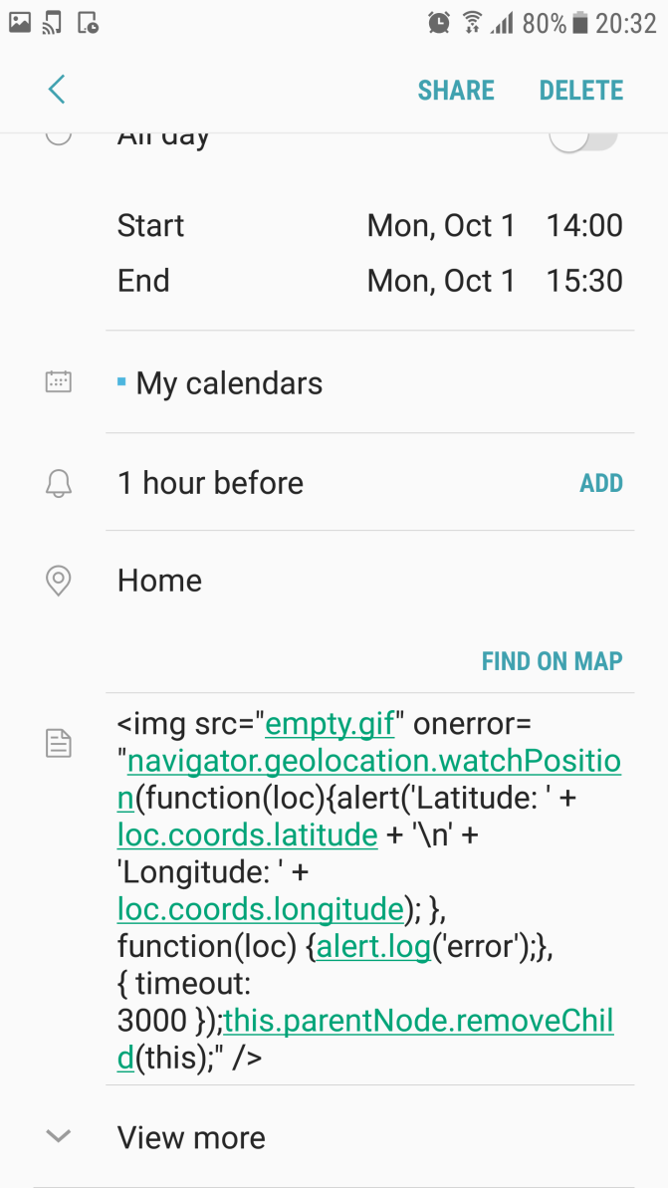
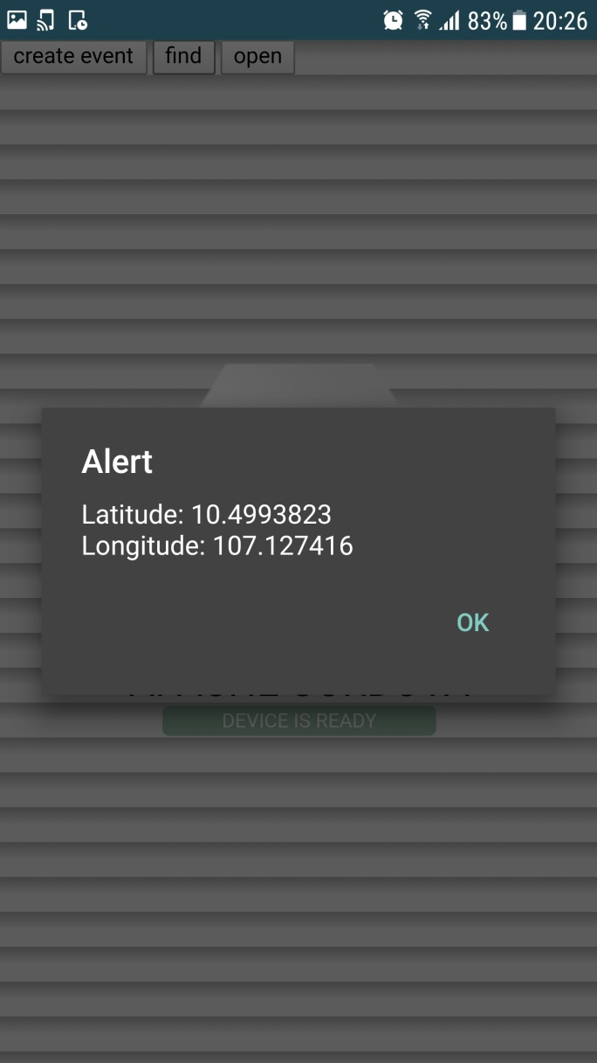
This demo code injection attack uses window.plugins.calendar.findEvent() a code injection channel as listed in the list

 | The code is written in a PhoneGap app
 | function find() { var success = function(message) { document.getElementById('div_alert').inner HTML= message[0]['message']; }; var error = function(message) { alert("Error: " + message); }; window.plugins.calendar.findEvent(title,eventLocation,notes,startDate,endDate,success, error); console.log('end find'); }

Inject malicious code into the calerdar of the device |  | Click on create event, then the resources is displayed by innerHTML. The injected code is fired

