PRF Structure
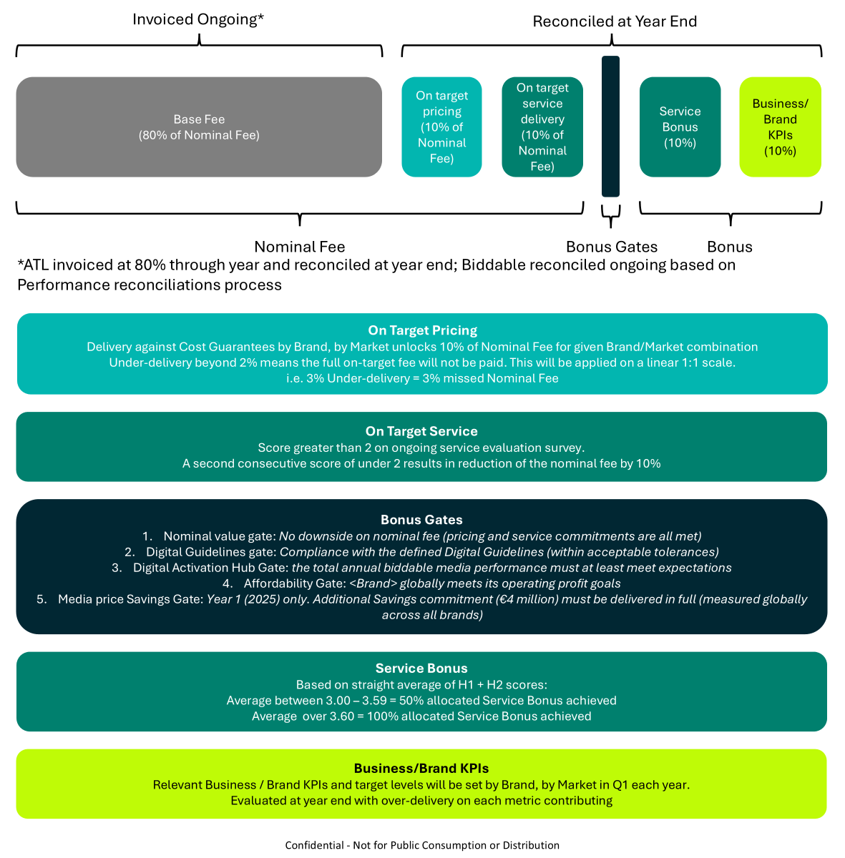

BAH Perf Fee Reconciliations
Please complete all highlighted cells

2025 Only
New Cars
For campaigns that are being planned / have not yet gone on air as of 1st July: Metrics Measured target setting will cease immediately until the end of the year. These campaigns will be charged at 100% of the Base Fee. Please mark column P as "No".
For campaigns that are currently live but have not yet concluded as of 1st July: Even if a Metrics Measured target was defined during planning, these campaigns will also be billed at 100% of the Base Fee. Please mark column P as "No".
For campaigns that have concluded and had a Metrics Measured target set before 1st July: Will be billed in line with the Metrics Measured target attainment methodology. Mark column P according "Yes" unless exclusion agreed for any other reason.
Used Cars/Aftersales
All campaigns will be billed at 90% - no action needed
 | Year | 2025
 | Brand | Porsche
 | Market | Australia
 | Date Updated

Social Base Commission % |  | 3.0%
Search Base Commission % |  | 3.0%
Programmatic Base Commission % |  | 4.3%

 |  | 100% Fee | 80% Billed
Total Nominal Fees - BAH Exc AdOps Levy (LC) |  | 49,063 | N/A
Total Nominal Fees - BAH Inc AdOps Levy (LC) |  | 53,125 | N/A
Total Reconciled Fees Inc Performance & AdOps Levy (LC) |  | 50,125
Reconciled Performance Fees (LC) |  | -3,000

Campaign Details |  |  |  |  |  | Total Nominal Fees (@ 100%) |  | Total Billed Fees (@ 80%) |  | Campaign Metrics |  |  |  |  | Campaign Reconciliation
Campaign Name | Campaign Type | Media Channel | Budget (LC) | Base Commission (%) | AdOps Levy (LC) (0.25% on all Digital Investments) | Total Nominal Fee (100%) BAH Exc AdOps Levy (LC) | Total Base Fee (100%) BAH Inc AdOps Levy (LC) | Total Billed Base Fee (80%) BAH Exc AdOps Levy (LC) | Total Billed Base Fee (80%) BAH Inc AdOps Levy (LC) | Metric Measured | Target (LC) | Result (LC) | Result (% vs Target) | Campaign included in Measurement? | Campaign Performance Fee (%) | Campaign Performance Fee (LC) | Campaign Total Billings (inc. Fees, Performance Fee & Ad Ops Levy) (LC) | Reconciled Campaign Payment (LC) | Campaign Reconciled?
EXAMPLE (Please overwrite!) | Used Cars | Paid Search | 100,000 | 3.0% | 250 | 3,000 | 3,250 | N/A | N/A | Cost per Lead | 25.00 | 26.00 | -4% | No | -10% | -300 | 3,250 |  | Yes
EXAMPLE (Please overwrite!) | Aftersales | Paid Search | 1,000,000 | 3.0% | 2,500 | 30,000 | 32,500 | N/A | N/A | Cost per reach | 12.00 | 11.00 | 9% | No | -10% | -3,000 | 29,500 |  | Yes
EXAMPLE (Please overwrite!) | New Cars | Display | 25,000 | 4.3% | 63 | 1,063 | 1,125 | N/A | N/A | Cost per test Drive | 35.00 | 32.00 | 9% | Yes | N/A - Campaign Less than €30k | N/A | 1,125 |  | No
EXAMPLE (Please overwrite!) | New Cars | Paid Social | 500,000 | 3.0% | 1,250 | 15,000 | 16,250 | N/A | N/A | Cost per Lead | 33.00 | 30.00 | 10% | Yes | 0% | 0 | 16,250 |  | No

