corr_daily_relative
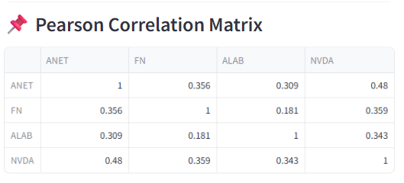
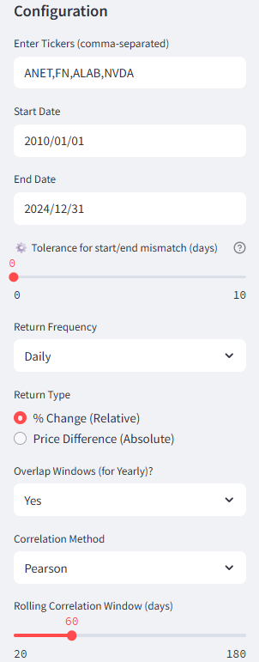
 | ANET | FN | ALAB | NVDA
ANET | 1 | 0.35606470843 | 0.30939609455 | 0.47993429682
FN | 0.35606470843 | 1 | 0.18100150239 | 0.35894455185
ALAB | 0.30939609455 | 0.18100150239 | 1 | 0.34284353117
NVDA | 0.47993429682 | 0.35894455185 | 0.34284353117 | 1

corr_daily_absolute
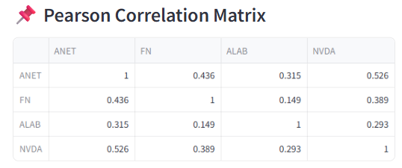
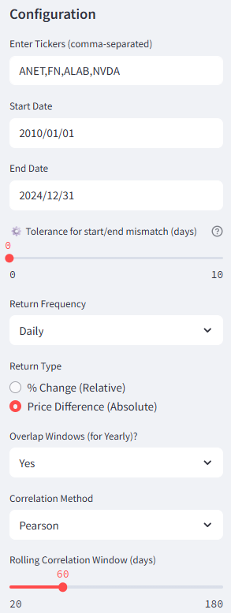
 | ANET | FN | ALAB | NVDA
ANET | 1 | 0.43587833243 | 0.31485227485 | 0.52597422691
FN | 0.43587833243 | 1 | 0.14895956955 | 0.3887914551
ALAB | 0.31485227485 | 0.14895956955 | 1 | 0.29256258918
NVDA | 0.52597422691 | 0.3887914551 | 0.29256258918 | 1

corr_monthly_relative
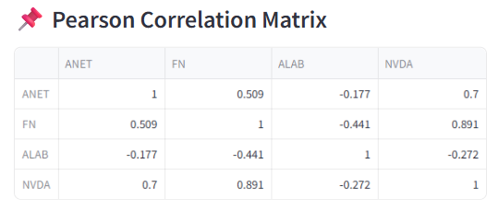
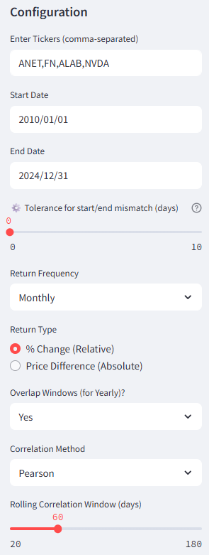
 | ANET | FN | ALAB | NVDA
ANET | 1 | 0.25003505091 | -0.17664590088 | 0.38952206957
FN | 0.25003505091 | 1 | -0.44143498092 | 0.32292793053
ALAB | -0.17664590088 | -0.44143498092 | 1 | -0.2720692355
NVDA | 0.38952206957 | 0.32292793053 | -0.2720692355 | 1

corr_monthly_absolute
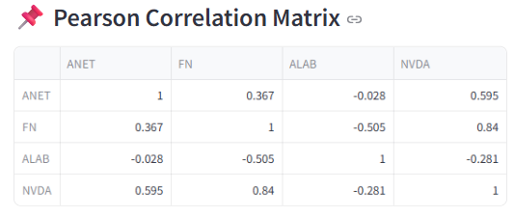
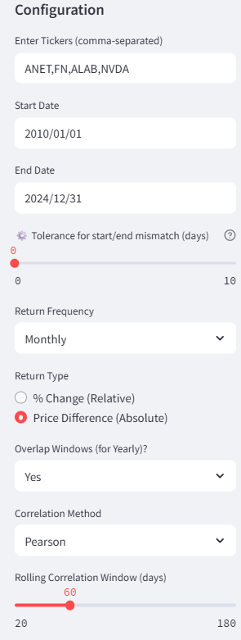
 | ANET | FN | ALAB | NVDA
ANET | 1 | 0.41202230819 | -0.027781546601 | 0.60161550555
FN | 0.41202230819 | 1 | -0.50511375138 | 0.46569259785
ALAB | -0.027781546601 | -0.50511375138 | 1 | -0.2807584192
NVDA | 0.60161550555 | 0.46569259785 | -0.2807584192 | 1

corr_yearly_relative
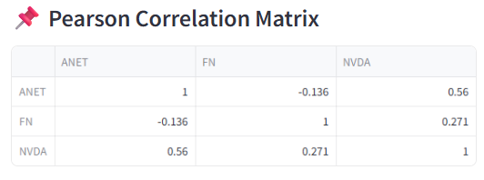
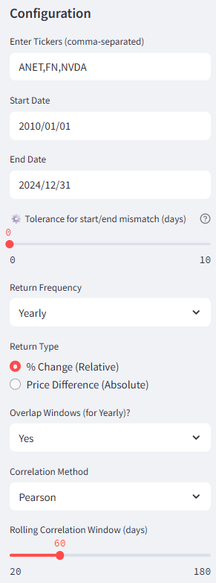
 | ANET | FN | ALAB | NVDA
ANET | 1 | -0.42557377403 |  | 0.53061956908
FN | -0.42557377403 | 1 |  | 0.34241389298
ALAB
NVDA | 0.53061956908 | 0.34241389298 |  | 1

corr_yearly_absolute
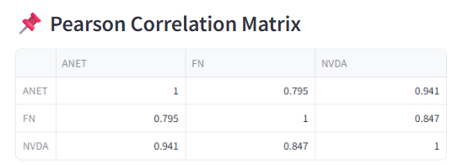
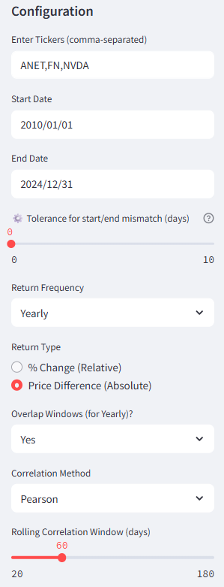
 | ANET | FN | ALAB | NVDA
ANET | 1 | 0.48262586205 |  | 0.97747517075
FN | 0.48262586205 | 1 |  | 0.47809875089
ALAB
NVDA | 0.97747517075 | 0.47809875089 |  | 1

