Table List
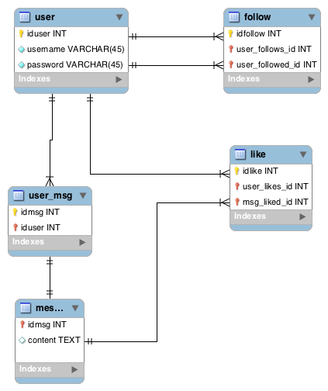
No | Table Name | Actual Table Name | Type | Collating Sequence
1 | User | user | InnoDB | utf8_general_ci
2 | Users’ Messages | user_msg | InnoDB | utf8_general_ci
3 | Messages | messages | InnoDB | utf8_general_ci
4 | Follow | follow | InnoDB | utf8_general_ci
5 | Like | like | InnoDB | utf8_general_ci

