Summary Report
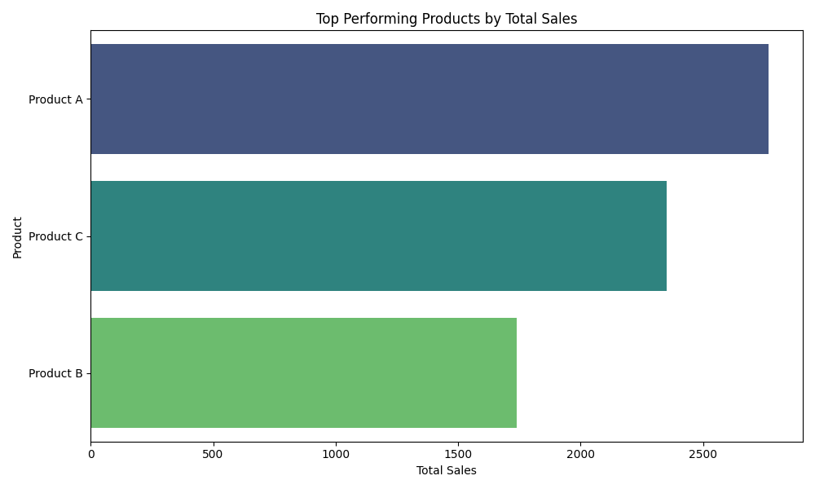
Product | Total Sales | Average Price
Product | Total Sales | Product | Price
Product A | 2769 | Product A | 85.6
Product B | 1738 | Product B | 45.5
Product C | 2353 | Product C | 64.6

