Tukey Test
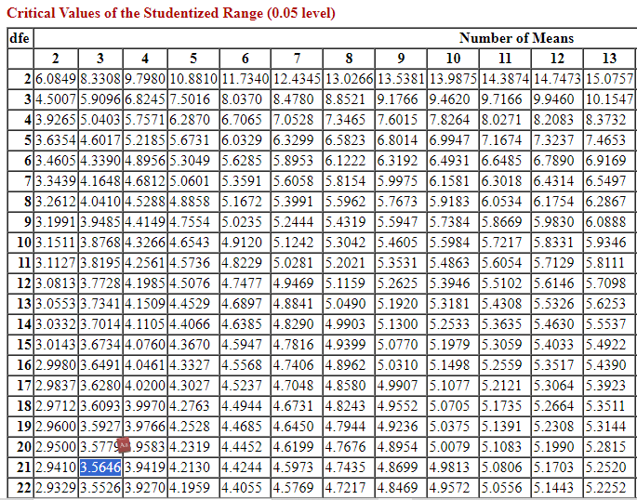
Education | Satisfaction | College graduate | Graduate degree | Some college
Some college | 4 | 5 | 3 | 4
Some college | 1 | 3 | 4 | 1
Graduate degree | 3 | 5 | 5 | 4
Some college | 4 | 3 | 5 | 2
Graduate degree | 4 | 3 | 5 | 3
Graduate degree | 5 | 3 | 4 | 4
College graduate | 5 | 3 | 5 | 4
College graduate | 3 | 4 | 5
Graduate degree | 5 | 2
Graduate degree | 5
College graduate | 5 | Summary
College graduate | 3 | Group | Count | Sum | Avegare | Phân nhóm
Some college | 2 | College graduate | 9 | 31 | 3.4444444444 | College graduate | N1
Some college | 3 | Graduate degree | 8 | 36 | 4.5 | Graduate degree | N2
Graduate degree | 4 | Some college | 7 | 22 | 3.1428571429 | Some college | N3
College graduate | 3 | Grand | 24 | 89 | 3.7083333333
College graduate | 3 |  |  |  |  | Dij |  | Nhận xét
College graduate | 3 | Degree of freedom |  | N=24 |  | N1&N2 | 1.0555555556 | N1&N2 | 1.0555555556 | < T | chấp nhận H0
Graduate degree | 5 | N-k | 21 | k=3 |  | N1&N3 | 0.30158730159 | N1&N3 | 0.30158730159 | < T | chấp nhận H1
Some college | 4 | k-1 | 2 |  |  | N2&N3 | 1.3571428571 | N2&N3 | 1.3571428571 | > T | bác bỏ H0
Some college | 4
Graduate degree | 5 | Các phương sai (Từ bài trước)
College graduate | 4 | MSW | 1.0037792895 |  |  | Tính chỉ số Tukey
College graduate | 2 | MSG | 3.939484127 |  |  | q(k,N-k) | 3.5646
 |  |  |  |  |  | nmin | 7
 |  |  |  |  |  | standard error | 0.37867801805
 |  |  |  |  |  | T | 1.3498356632

