Sheet1
Employee ID | Employee Name | Unit Of Work | Arrived Time | Using backup | Image
 |  |  |  |  | 
ARAM002 | Ban Hao | LOGIC-GTA | 17:42:34 | 0

 |  |  |  |  | 
ARAM006 | Be Nhi | LOGIC-GTA | 17:42:50 | 0

 |  |  |  |  | 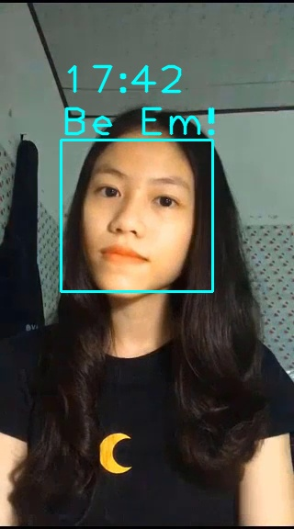
ARAM003 | Be Em | ECO-DANANG | 17:42:59 | 0

 |  |  |  |  | 
ARAM025 | Nhu Heo | CN18B-GTS | 17:43:21 | 0

 |  |  |  |  | 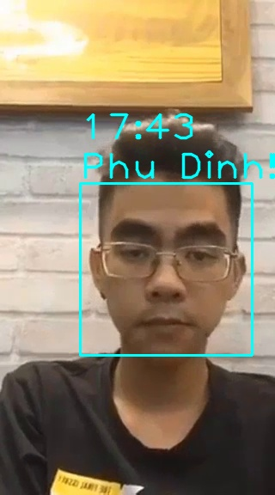
ARAM017 | Phu Dinh | FREELANCER | 17:43:38 | 0

 |  |  |  |  | 
ARAM007 | Buttercup | LOGIC-GTA | 17:43:54 | 0

 |  |  |  |  | 
ARAM001 | Anh Tan | CN18B-GTS | 17:44:32 | 0

 |  |  |  |  | 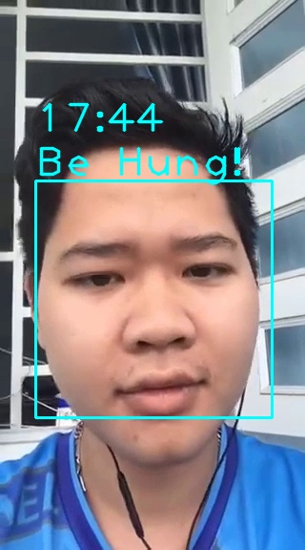
ARAM004 | Be Hung | CN18B-GTS | 17:44:46 | 0

 |  |  |  |  | 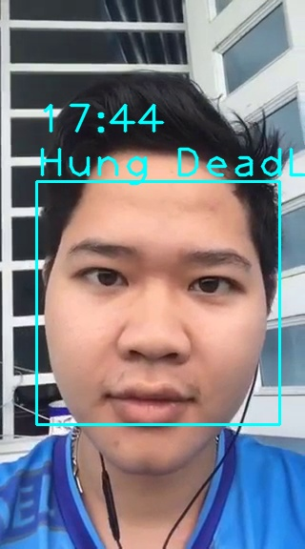
ARAM005 | Hung DeadLine | CN18B-GTS | 17:44:51 | 0

ARAM008 | Dinh Anh | CN18B-GTS
ARAM009 | Dinh Thien | CN18B-GTS
ARAM010 | Hai CN | CN18B-GTS
ARAM011 | HD Vlog | CN18B-GTS
ARAM012 | Huy Sama | FIREFIGHTER-GV
ARAM013 | Khang Senpai | CN18B-GTS
ARAM014 | Minh Nghia | CN18B-GTS
ARAM015 | Nguyen Tam | CN18B-GTS
ARAM016 | Ninh CN18 | CN18B-GTS
ARAM018 | Phu Thanh | CN18B-GTS
ARAM019 | Quang Binh | CN18B-GTS
ARAM020 | Quoc Tran | CN18B-GTS
ARAM021 | Sang Supporter | CN18A-GTS
ARAM022 | Thanh Xuan | CN18B-GTS
ARAM023 | Tien Thanh | CN18B-GTS
ARAM024 | Hoang Khai | DESIGNER-DAKLAK
ARAM026 | Anh Khoa | CN18B-GTS
ARAM028 | Duc Long | CN18A-GTS
ARAM029 | Quoc Hung | VT18-GTS

