Sheet1
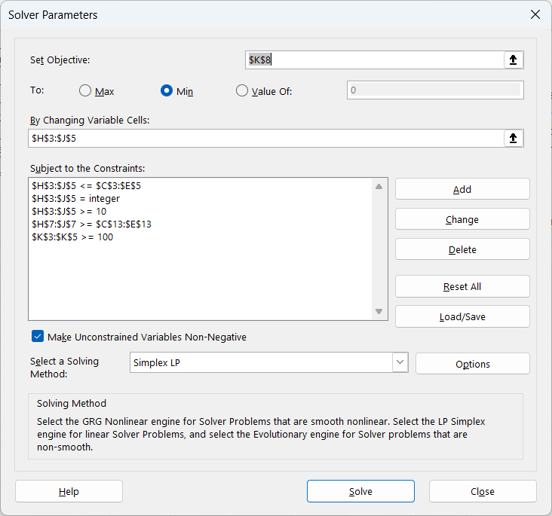
Detail |  |  |  |  | Solving
 | Number of Resources | Straw | Wood | Stone |  | Variables | Straw | Wood | Stone | Quality
 | Strawtop Meadow | 120 | 75 | 25 |  | Little Pig | 10 | 10 | 10 | 110 | Constraints
 | Woodhaven Hollow | 30 | 100 | 60 |  | Middle Pig | 10 | 10 | 10 | 140 | Each Variables is integer.
 | Stonehill Mine | 45 | 50 | 90 |  | Oldest Pig | 10 | 10 | 10 | 160 | Each resources must not exceed number of resouces in area
 | SUM | 195 | 225 | 175 |  | SUM | 30 | 30 | 30 |  | Sum of unused resources must be at least "At least remaining"
 |  |  |  |  |  | Remaining | 165 | 195 | 145 |  | Each quality must be at least 100
 | Quality | Straw | Wood | Stone |  | Each_destruction_value | 7.5 | 12 | 19.5 | 39 | Each pig must use 10 straws, 10 woods, and 10 stones
 | Strawtop Meadow | 5 | 3 | 3
 | Woodhaven Hollow | 3 | 7 | 4 |  |  |  |  |  |  | Objective
 | Stonehill Mine | 2 | 4 | 10 |  |  |  |  |  |  | Minimize destruction_value

 | Al least remaining | 30 | 40 | 40

