Sheet1
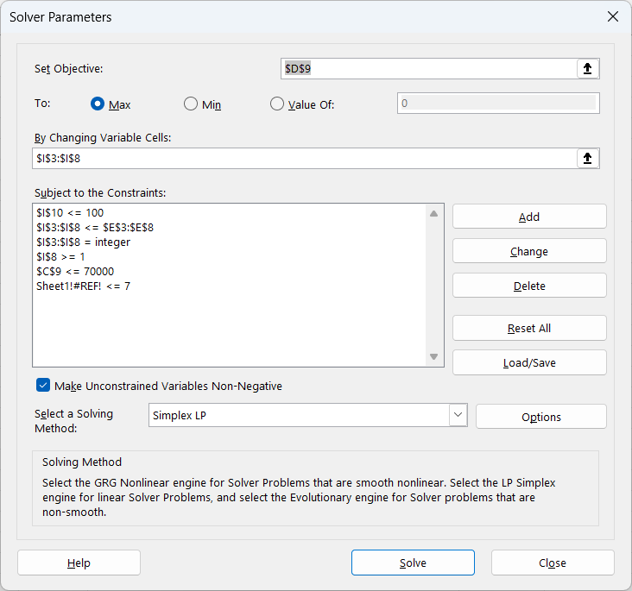
Serial Code | Cost | Increased Chance | Limit | Variables |  | Constraints
Official fanclub membership | 7000 | 10 | 1 | number of membership | 1 | All cost must be at most 70000
Latest single | 1500 | 3 | 5 | number of single | 4 | All variables must be integer
Latest album | 4000 | 7 | 2 | number of album | 2 | number of tickets must be in range [1,4]
Goods from Jingle's Store | 1000 | 1 | 100 | number of goods | 0 | "Use credit card" must be binary
Credit Card | 6000 | 30 | 1 | Use credit card | 0 | number of serial codes must be at most 7
Buddy Up | 13000 | 3 | 4 | number of tickets | 3 | Credit card cannot use along with serial codes
SUM | 60000 | 62 |  |  |  | Each serial code must not exceed limit
 |  |  |  | Temporary Variable for choose credit card or serial code | 7

 |  |  |  |  |  | Objective
 |  |  |  |  |  | Maximize Chance

