General
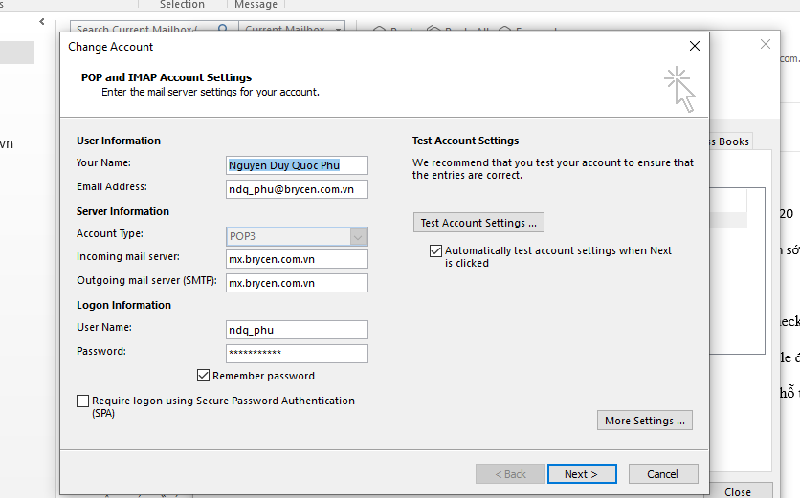
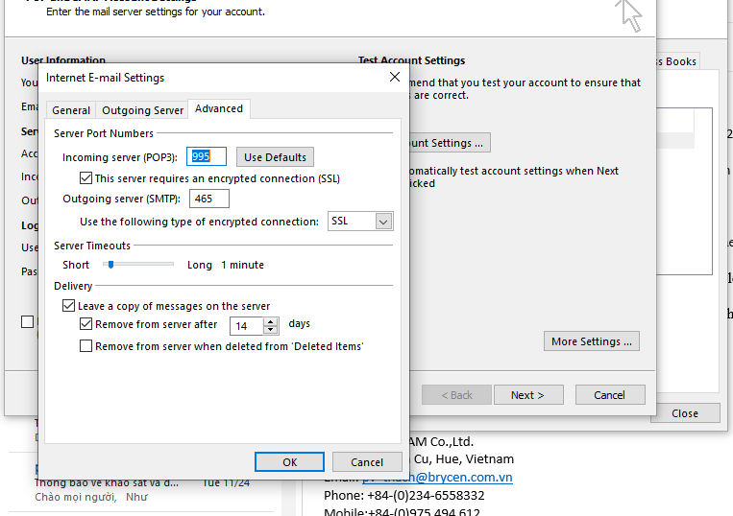
Pass mail |  |  | Bh38*4101kg

mail |  |  | ndq_phu@brycen.com.vn

my ipv4 |  |  | 192.168.4.220

server chung |  |  | \\192.168.1.250

 |  |  | live:ngocnhat1992_2 - anh Nhật BHXH

 |  |  | cybozu

fomat mail pre |  |  | [EMS][TG3]

data fast |  |  | ELASTICSEARCH

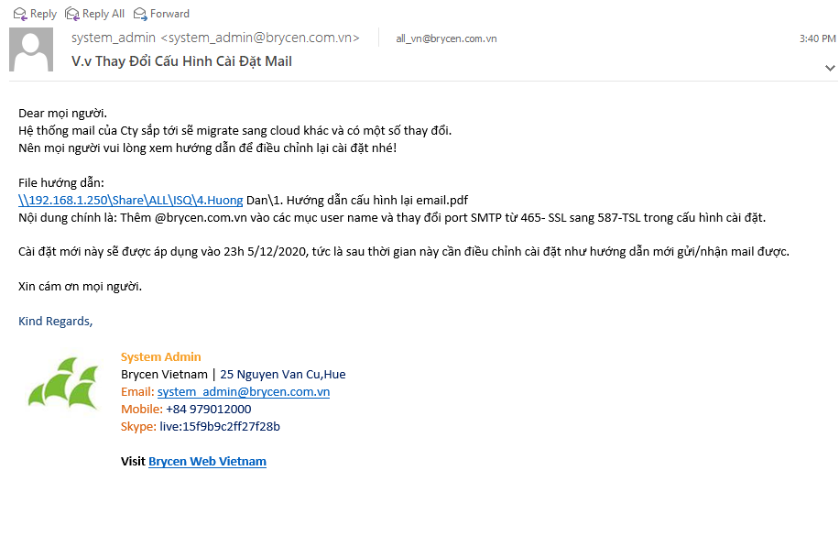

 | 000. database | root | P-chat123456789

