General
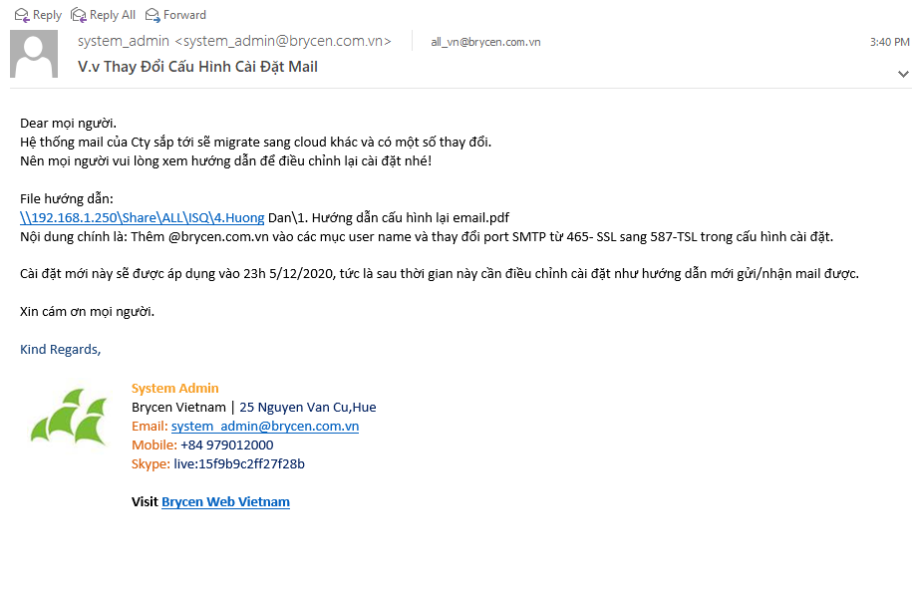
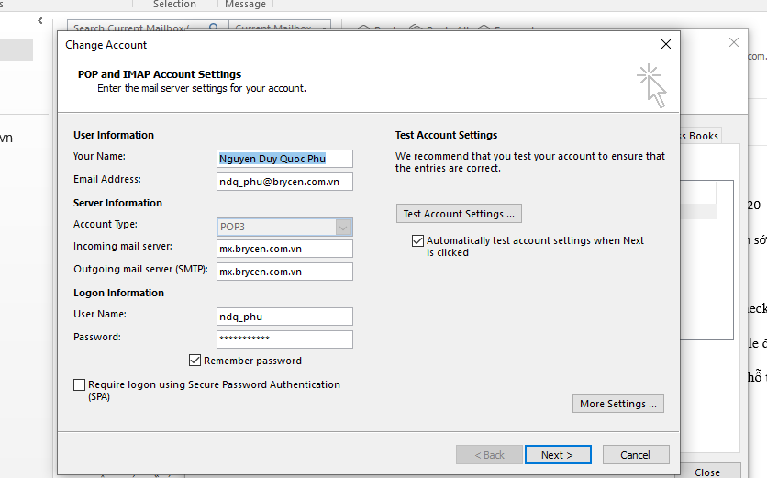
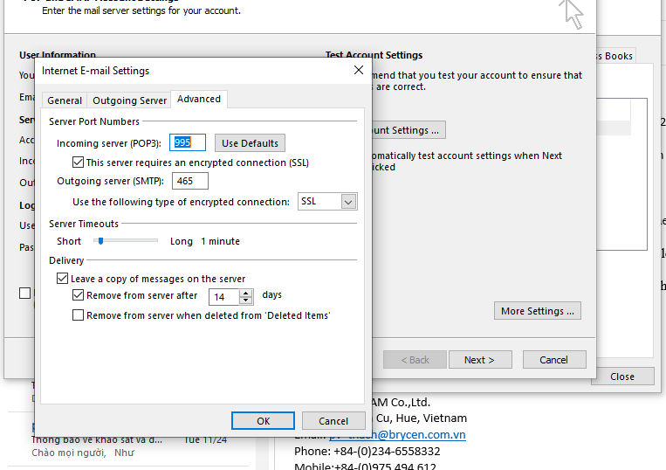
Pass mail | Bh38*4101kg

mail | ndq_phu@brycen.com.vn

my ipv4 | 192.168.4.220

server chung | \\192.168.1.250

 | live:ngocnhat1992_2 - anh Nhật BHXH

 | cybozu

fomat mail pre | [EMS][TG3]

data fast | ELASTICSEARCH

