listing
1) ENGLISH ITEM NAME (ex : OOOO machine) | 2)中文名称 | 3) MANUFACTUROR (ex : OOO company) | 4) MODEL NO (ex : abc-123) | 5)Serial number | 6)CN hs code | 7)VN hs code | 8)Material | 9) VOLTAGE (ex : 220V) | 10) CAPACITY (ex :1200KW) | 11) Manufacture date (yyyy-mm-dd) | 12) ORIGIN | 13) NEW or USED | 14) PICTURE (BEFORE PACKING) | 15) PICTURE (NAME PLATE or label) | 16)Quantity | 17)cost(RMB 13%VAT) | 18)cost(USD) | 19)Total cost(USD) | 20)CARTON NO. | 21)CTN QTY | 22)G.W(KGS) | 23)N.W(KGS) | 24)Package Size(CM) | 25)Part size(CM) | 26)应用范围 | 27)是否带电源
wave soldering Fixture | 过炉治具 | Dongguan Changan Xingyao Automation Processing Shop | BOP IT NFL P4(Main board) | BOPP4MF01A-H |  |  | 玻纤板 | / | / | 2026-03-17 | CHINA | NEW | 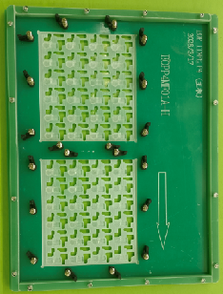 | 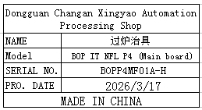 | 8 |  |  |  | L1 | 1 | 13.6 | 10.2 | 40X40x25 | 38x30x2 | wave soldering | NO
wave soldering Fixture | 过炉治具 | Dongguan Changan Xingyao Automation Processing Shop | BOP IT NFL P4(Key board) | BOPP4F01A-B |  |  | 玻纤板 | / | / | 2026-03-17 | CHINA | NEW | 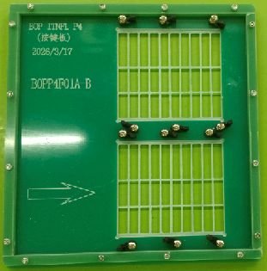 | 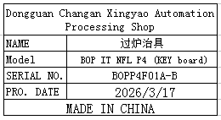 | 2 |  |  |  |  |  |  | 1.9 |  | 28.5x30x2 | wave soldering | NO
wave soldering Fixture | 过炉治具 | Dongguan Changan Xingyao Automation Processing Shop | BOP IT STITCH(Main board) | BOPSTMF01A-H |  |  | 玻纤板 | / | / | 2026-03-23 | CHINA | NEW | 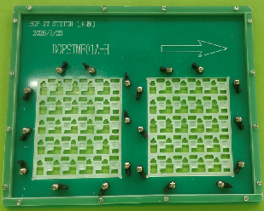 | 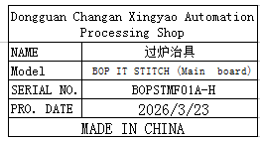 | 8 |  |  |  | L2 | 1 | 12.8 | 9.6 | 37X36x21 | 36x30x2 | wave soldering | NO
wave soldering Fixture | 过炉治具 | Dongguan Changan Xingyao Automation Processing Shop | BOP IT STITCH(Key board) | BOPSTTF01A-B |  |  | 玻纤板 | / | / | 2026-03-23 | CHINA | NEW | 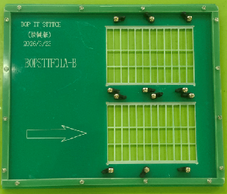 | 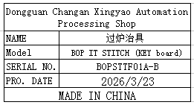 | 2 |  |  |  |  |  |  | 2.3 |  | 35x30x2 | wave soldering | NO
wave soldering Fixture | 过炉治具 | Dongguan Changan Xingyao Automation Processing Shop | SIMON MICRO(Main board) | SIMONMMF01A-H |  |  | 玻纤板 | / | / | 2026-03-26 | CHINA | NEW | 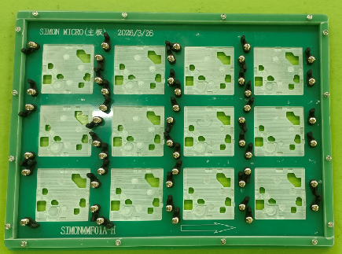 后补 | 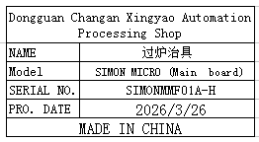 | 8 |  |  |  | L3 | 1 | 11.2 | 10.2 | 45x40x17 | 40x30x2 | wave soldering | NO

