listing
1) ENGLISH ITEM NAME (ex : OOOO machine) | 2)中文名称 | 3) MANUFACTUROR (ex : OOO company) | 4) MODEL NO (ex : abc-123) | 5)Serial number | 6)CN hs code | 7)VN hs code | 8)Material | 9) VOLTAGE (ex : 220V) | 10) CAPACITY (ex :1200KW) | 11) Manufacture date (yyyy-mm-dd) | 12) ORIGIN | 13) NEW or USED | 14) PICTURE (BEFORE PACKING) | 15) PICTURE (NAME PLATE or label) | 16)Quantity | 17)cost(RMB 13%VAT) | 18)cost(USD) | 19)Total cost(USD) | 20)CARTON NO. | 21)CTN QTY | 22)G.W(KGS) | 23)N.W(KGS) | 24)Package Size(CM) | 25)Part size(CM) | 26)应用范围 | 27)是否带电源
Welding crystal fixture | 焊晶体治具 | Techsen Electronics(ShenZhen)Co.,Ltd | USRIC-4 | USRIC-4 F01A |  |  | 电木 |  |  | 2024-10-08 | CHINA | NEW | 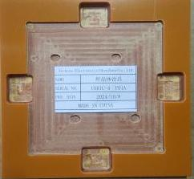 | 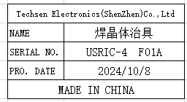 | 1 | 30 |  |  | S1 | 1 | 11.86 | 0.12 | 55X39X24 CM | 15X15X5cm | PCBA Soldering | NO
Cleaning fixture | 洗板治具 | Techsen Electronics(ShenZhen)Co.,Ltd | USRIC-4 | USRIC-4 F02A |  |  | 电木 |  |  | 2024-10-08 | CHINA | NEW | 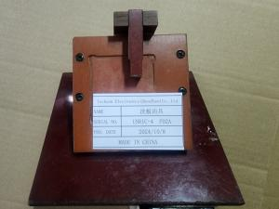 | 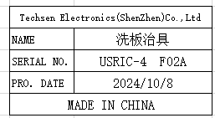 | 1 | 50 |  |  |  |  |  | 0.29 |  | 13X12X9cm | PCBA cleaning | NO
Welding capacitor fixture | 焊电容治具 | Techsen Electronics(ShenZhen)Co.,Ltd | USRIC-4 | USRIC-4 F03A |  |  | 电木 |  |  | 2024-10-08 | CHINA | NEW |  | 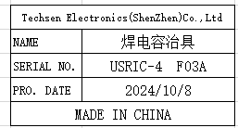 | 1 | 80 |  |  |  |  |  | 0.91 |  | 28X17X7cm | PCBA Soldering | NO
Apply mixed oil fixture | 涂混合油治具 | Techsen Electronics(ShenZhen)Co.,Ltd | USRIC-4 | USRIC-4 F04A |  |  | 电木 |  |  | 2024-10-08 | CHINA | NEW | 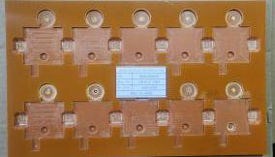 | 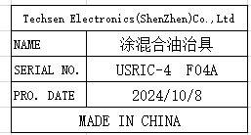 | 2 | 80 |  |  |  |  |  | 0.96 |  | 33X20X5 CM | PCBA Coating | NO
Welding battery fixture | 焊电池治具 | Techsen Electronics(ShenZhen)Co.,Ltd | USRIC-4 | USRIC-4 F05A |  |  | 电木 |  |  | 2024-10-08 | CHINA | NEW | 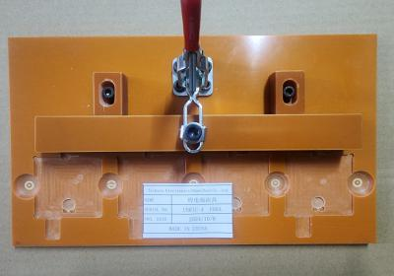 | 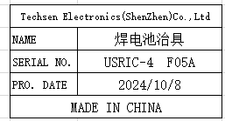 | 1 | 80 |  |  |  |  |  | 0.71 |  | 26X16X10CM | PCBA Soldering | NO
Screw fixture | 打成品螺丝治具 | Techsen Electronics(ShenZhen)Co.,Ltd | USRIC-4 | USRIC-4 F06A |  |  | 电木/亚克力 |  |  | 2024-10-08 | CHINA | NEW | 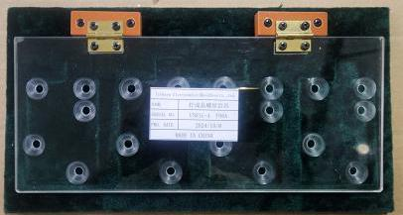 | 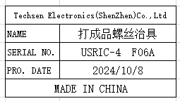 | 1 | 80 |  |  |  |  |  | 0.49 |  | 29X15X2CM | Screw in the screws | NO
PCBA test fixture | PCBA测试架治具 | Techsen Electronics(ShenZhen)Co.,Ltd | USRIC-4 | USRIC-4 J01A |  |  | 铝/电木/ABS塑料/电子元件 | 5V | 2W | 2024-10-08 | CHINA | NEW | 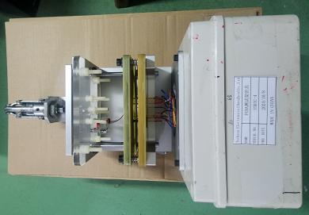 | 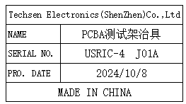 | 2 | 300 |  |  |  |  |  | 7.3 |  | 25X20X42CM | PCBA testing | YES
Nameplate assembly fixture | 啤压名片治具 | Techsen Electronics(ShenZhen)Co.,Ltd | LT5GEO | LT5GEO F07A |  |  | 电木 |  |  | 2024-10-08 | CHINA | NEW | 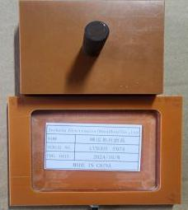 | 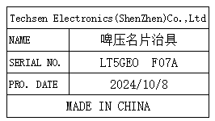 | 1 | 30 |  |  |  |  |  | 0.32 |  | 12X9X7CM | Assembly | NO
test fixture | 测试治具 | Techsen Electronics(ShenZhen)Co.,Ltd | USRIC-4 | ／ |  |  | 铝/电木/ABS塑料/电子元件 | 5V | 2W | 2024.09.09 | China | NEW | 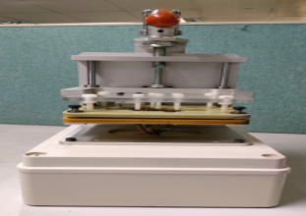 |  | 1 | 500 |  |  | S2 | 1 | 5.2KG | 3.8KG | 41*32*43 CM | 26*20*40 CM | PCBA testing | YES
Stencil | 钢网 | Shenzhen Changke Excellence Technology Co., LTD | USRIC-4 | ／ |  |  | 钢/铝 |  |  | 2024.5.27 | China | NEW |  | 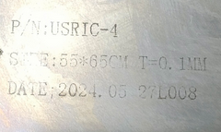 | 1 | 270 |  |  | S3 | 1 | 2.8 | 1.1 | 60*70*8 | 55*65*2.5CM | SMT | NO
Stencil | 钢网 | Shenzhen Changke Excellence Technology Co., LTD | USRIC-4 | 100-14011-02-01 |  |  | 钢/铝 |  |  | 2024.10.9 | China | NEW |  | 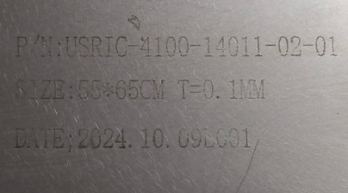 | 1 | 270 |  |  |  |  |  | 1.1 |  | 55*65*2.5CM | SMT | NO
EVA pad | EVA垫棉 | Techsen Electronics(ShenZhen)Co.,Ltd | / | EVA F01 |  |  | EVA/布 | / | / | 2024-07-29 | CHINA | NEW |  |  | 60 | 40 |  |  | S5/S6/S7/S8 | 4 | 11.8 | 9.63 | 65X50X40 | 60X40X3 | Products for storage | NO
PCBA tester | PCBA测试架 | Techsen Electronics(ShenZhen)Co.,Ltd | GO-88PX | GO-88PX-P01 |  |  | 电木/亚克力/电子元件 |  |  | 2024.10.10 | China | NEW |  |  | 2 | 400 |  |  | S12 | 1 | 8.5 | 7.2 | 70x40x35 | 55x22x10 | PCBA testing | NO

