listing
1) ENGLISH ITEM NAME (ex : OOOO machine) | 2)中文名称 | 3) MANUFACTUROR (ex : OOO company) | 4) MODEL NO (ex : abc-123) | 5)Serial number | 6)CN hs code | 7)VN hs code | 8)Material | 9) VOLTAGE (ex : 220V) | 10) CAPACITY (ex :1200KW) | 11) Manufacture date (yyyy-mm-dd) | 12) ORIGIN | 13) NEW or USED | 14) PICTURE (BEFORE PACKING) | 15) PICTURE (NAME PLATE or label) | 16)Quantity | 17)cost(RMB 13%VAT) | 18)cost(USD) | 19)Total cost(USD) | 20)CARTON NO. | 21)CTN QTY | 22)G.W(KGS) | 23)N.W(KGS) | 24)Package Size(CM) | 25)Part size(CM) | 26)应用范围 | 27)是否带电源
wave soldering Fixture | 过炉治具 | Dongguan Changan Xingyao Automation Processing Shop | GOMIXERST MAIN | GOMIXMF01A |  |  | 玻纤板 | / | / | 2025-03-20 | CHINA | NEW | 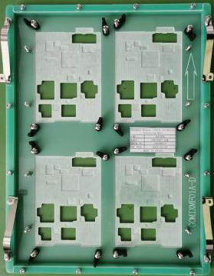 |  | 4 | 372 |  |  | G10 | 1 | 18.2 | 5.1 | 46X32X27 | 38.5x30x3 | Used for wave soldering furnace | NO
wave soldering Fixture | 过炉治具 | Dongguan Changan Xingyao Automation Processing Shop | GOMIXERST MAIN | GOMIXMF02A |  |  | 电木板 | / | / | 2025-03-20 | CHINA | NEW | 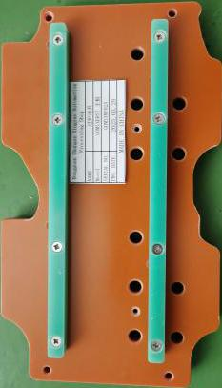 |  | 8 | 192 |  |  |  |  |  | 3.9 |  | 24x14x2 | Used for wave soldering furnace | NO
wave soldering Fixture | 过炉治具 | Dongguan Changan Xingyao Automation Processing Shop | GOMIXERST JACK | GOMIXJF01A |  |  | 玻纤板 | / | / | 2025-03-20 | CHINA | NEW | 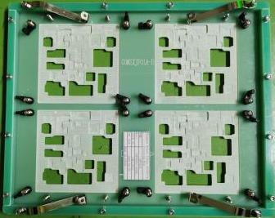 |  | 4 | 406 |  |  |  |  |  | 5.4 |  | 36x30x3 | Used for wave soldering furnace | NO
wave soldering Fixture | 过炉治具 | Dongguan Changan Xingyao Automation Processing Shop | GOMIXERST JACK | GOMIXJF02A |  |  | 电木板 | / | / | 2025-03-20 | CHINA | NEW |  |  | 8 | 192 |  |  |  |  |  | 3.4 |  | 26x12x3 | Used for wave soldering furnace | NO
wave soldering Fixture | 过炉治具 | Dongguan Changan Xingyao Automation Processing Shop | AE-BRISA PANEL | AEBRISF01A |  |  | 玻纤板 | / | / | 2025-03-20 | CHINA | NEW | 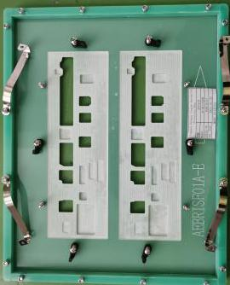 |  | 5 | 406 |  |  | G11 | 1 | 11.1 | 7.1 | 37X35X17 | 36x30x3 | Used for wave soldering furnace | NO
wave soldering Fixture | 过炉治具 | Dongguan Changan Xingyao Automation Processing Shop | AE-BRISA PANEL | AEBRISF02A |  |  | 电木板 | / | / | 2025-03-20 | CHINA | NEW | 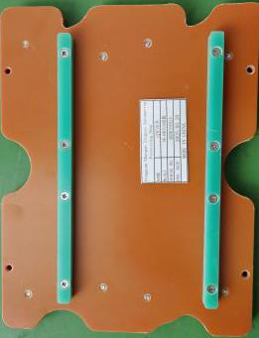 |  | 5 | 339 |  |  |  |  |  | 3.5 |  | 26x20x2 | Used for wave soldering furnace | NO
V-CUT Splitting Machine | 走刀式分板机 | Quanzhou New Warrior Technology co.,Ltd | YS-805A | ／ |  |  | 铁/电子零件 | 220 | 25 | 2025-03-01 | CHINA | NEW | 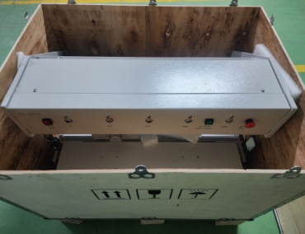 | 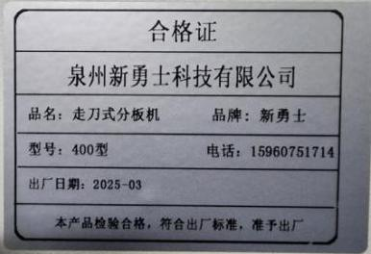 | 1 |  |  |  | G12 | 1 |  | 60 |  | 700x550x460 | V-CTU分板机 | 否
Safety light curtain | 安全光膜 | Quanzhou New Warrior Technology co.,Ltd | ／ | ／ |  |  | 电子零件 | ／ | ／ | 2025-03-01 | CHINA | NEW |  | 分板机配件 | 1

