listing
1) ENGLISH ITEM NAME (ex : OOOO machine) | 2)中文名称 | 3) MANUFACTUROR (ex : OOO company) | 4) MODEL NO (ex : abc-123) | 5)Serial number | 6)CN hs code | 7)VN hs code | 8)Material | 9) VOLTAGE (ex : 220V) | 10) CAPACITY (ex :1200KW) | 11) Manufacture date (yyyy-mm-dd) | 12) ORIGIN | 13) NEW or USED | 14) PICTURE (BEFORE PACKING) | 15) PICTURE (NAME PLATE or label) | 16)Quantity | 17)cost(RMB 13%VAT) | 18)cost(USD) | 19)Total cost(USD) | 20)CARTON NO. | 21)CTN QTY | 22)G.W(KGS) | 23)N.W(KGS) | 24)Package Size(CM) | 25)Part size(CM) | 26)应用范围 | 27)是否带电源
Use the console date fixture | 打主机日期治具 | Techsen Electronics(ShenZhen)Co.,Ltd | BOP IT NFL P1 | BOP IT NFL P1-F17 |  |  | 电木 |  |  | 2026-05-16 | CHINA | NEW | 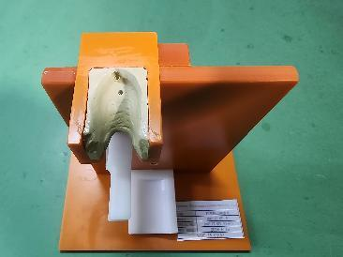 | 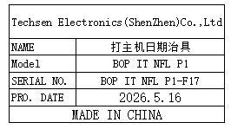 | 1 | 15 |  |  | T1 | 1 | 4.4 | 0.7 | 52*35x27 | 19x14x17.5 | Production Assemble | NO
Use the console date fixture | 打主机日期治具 | Techsen Electronics(ShenZhen)Co.,Ltd | BOP IT NFL P4 | BOP IT NFL P4-F17 |  |  | 电木 |  |  | 2026-05-16 | CHINA | NEW | 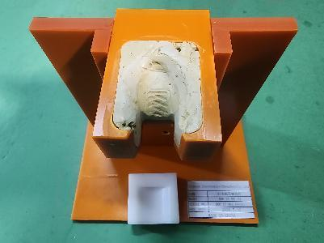 | 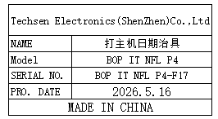 | 1 | 15 |  |  |  |  |  | 0.8 |  | 19x14x17.5 | Production Assemble | NO
Finished product: Fix the left shoe cooling fixture | 成品固定左鞋冷却 治具 | Techsen Electronics(ShenZhen)Co.,Ltd | BOP IT NFL P4 | BOP IT NFL P4-F19 |  |  | 电木 |  |  | 2026-03-19 | CHINA | NEW | 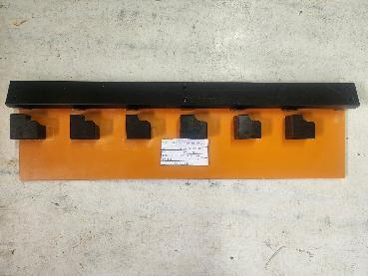 | 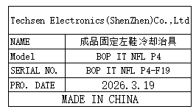 | 1 | 20 |  |  |  |  |  | 0.9 |  | 45x13x4 | Production Assemble | NO
Welding horn wire fixture | 焊喇叭线治具 | Techsen Electronics(ShenZhen)Co.,Ltd | STAR WARS BOP IT | STAR WARS F01A |  |  | 电木 |  |  | 2026-05-15 | CHINA | NEW | 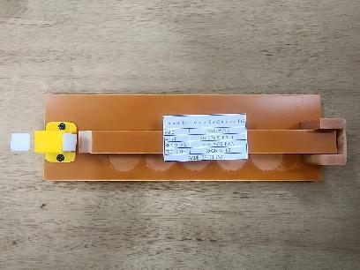 | 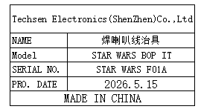 | 1 | 15 |  |  | T3 | 1 | 9.8 | 0.2 | 52*35x27 | 25x7.5x3.5 | Production Assemble | NO
Install the horn screwdriver fixture | 装打喇叭螺丝治具 | Techsen Electronics(ShenZhen)Co.,Ltd | STAR WARS BOP IT | STAR WARS F02A |  |  | 电木 |  |  | 2026-05-15 | CHINA | NEW | 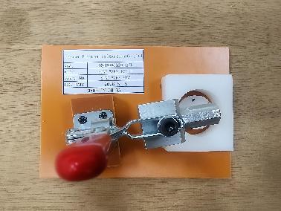 | 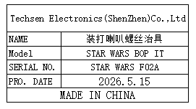 | 2 | 15 |  |  |  |  |  | 0.3*2 |  | 15.5x11x12.5 | Production Assemble | NO
Small board screw fixture | 打小板螺丝治具 | Techsen Electronics(ShenZhen)Co.,Ltd | STAR WARS BOP IT | STAR WARS F03A |  |  | 电木 |  |  | 2026-05-15 | CHINA | NEW | 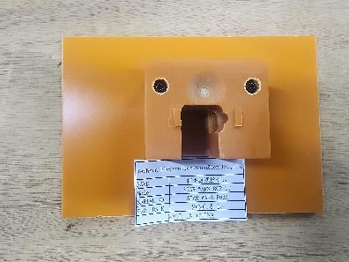 | 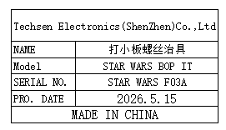 | 1 | 15 |  |  |  |  |  | 0.2 |  | 15.5x11x4.5 | Production Assemble | NO
Install the head shell screw fixture | 裝打头壳螺丝治具 | Techsen Electronics(ShenZhen)Co.,Ltd | STAR WARS BOP IT | STAR WARS F04A |  |  | 电木 |  |  | 2026-05-15 | CHINA | NEW | 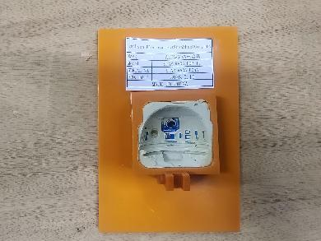 | 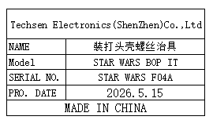 | 2 | 15 |  |  |  |  |  | 0.2*2 |  | 15.5x11x4 | Production Assemble | NO
Solder PCB lead fixtures | 焊PCB引线治具 | Techsen Electronics(ShenZhen)Co.,Ltd | STAR WARS BOP IT | STAR WARS F05A |  |  | 电木 |  |  | 2026-05-15 | CHINA | NEW | 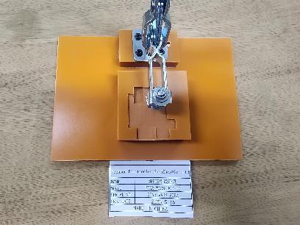 | 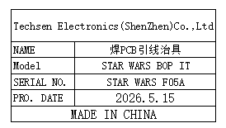 | 2 | 20 |  |  |  |  |  | 0.3*2 |  | 15.5x11x11 | Production Assemble | NO
Weld the key lead fixture | 焊按键引线治具 | Techsen Electronics(ShenZhen)Co.,Ltd | STAR WARS BOP IT | STAR WARS F06A |  |  | 电木 |  |  | 2026-05-15 | CHINA | NEW | 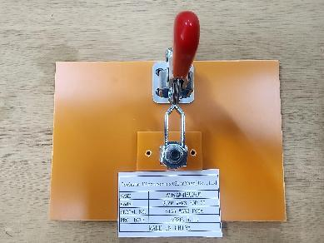 | 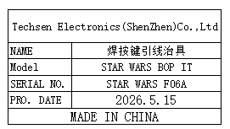 | 2 | 15 |  |  |  |  |  | 0.2*2 |  | 15.5x11x10.5 | Production Assemble | NO
Beer nut fixture | 啤螺母治具 | Techsen Electronics(ShenZhen)Co.,Ltd | STAR WARS BOP IT | STAR WARS F07A |  |  | 电木 |  |  | 2026-05-15 | CHINA | NEW | 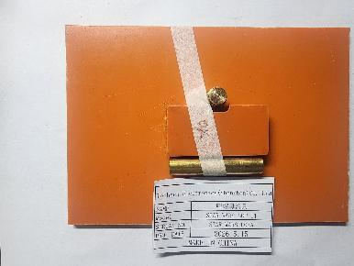 | 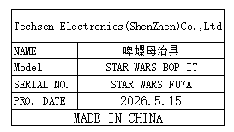 | 1 | 15 |  |  |  |  |  | 0.2 |  | 15.5x11x2.5 | Production Assemble | NO
Beer battery cell fixture | 啤电池片治具 | Techsen Electronics(ShenZhen)Co.,Ltd | STAR WARS BOP IT | STAR WARS F08A |  |  | 铁 |  |  | 2026-05-15 | CHINA | NEW | 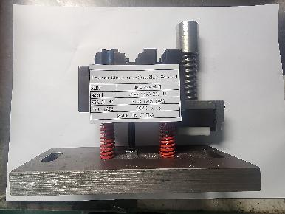 | 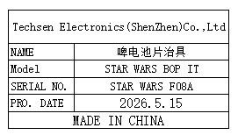 | 1 | 300 |  |  |  |  |  | 3.1 |  | 16.5x8x21 | Production Assemble | NO
Install the tripod screw fixture | 裝打脚架螺丝治具 | Techsen Electronics(ShenZhen)Co.,Ltd | STAR WARS BOP IT | STAR WARS F09A |  |  | 电木 |  |  | 2026-05-15 | CHINA | NEW | 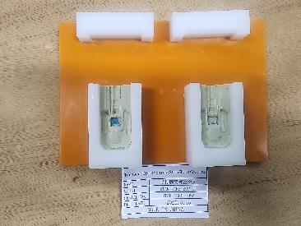 | 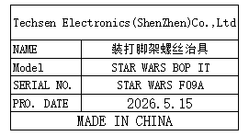 | 1 | 20 |  |  |  |  |  | 0.2 |  | 10.5x11x2 | Production Assemble | NO
Foot connection frame screw fixture | 打脚连接架螺丝治具 | Techsen Electronics(ShenZhen)Co.,Ltd | STAR WARS BOP IT | STAR WARS F10A |  |  | 电木 |  |  | 2026-05-15 | CHINA | NEW | 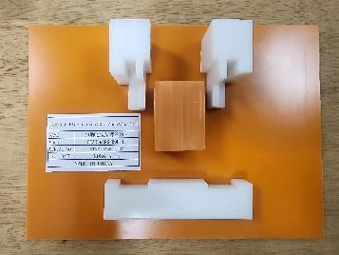 | 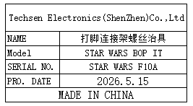 | 1 | 20 |  |  |  |  |  | 0.4 |  | 21.5x15.5x4 | Production Assemble | NO
Screw fixtures for PCBA boards | 打PCBA板螺丝治具 | Techsen Electronics(ShenZhen)Co.,Ltd | STAR WARS BOP IT | STAR WARS F11A |  |  | 电木 |  |  | 2026-05-15 | CHINA | NEW | 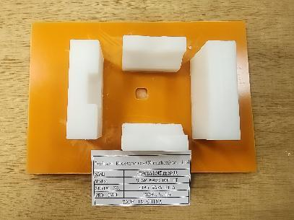 | 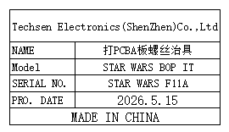 | 3 | 15 |  |  |  |  |  | 0.2*3 |  | 15.5x11x3.5 | Production Assemble | NO
Welding battery wire fixtures | 焊电池线治具 | Techsen Electronics(ShenZhen)Co.,Ltd | STAR WARS BOP IT | STAR WARS F12A |  |  | 电木 |  |  | 2026-05-15 | CHINA | NEW | 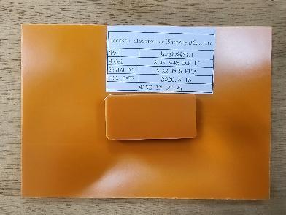 | 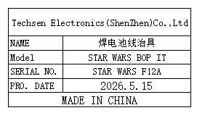 | 2 | 15 |  |  |  |  |  | 0.2*2 |  | 15.5x11x1.5 | Production Assemble | NO
Screwdriver fixture for the main unit | 打主机螺丝治具 | Techsen Electronics(ShenZhen)Co.,Ltd | STAR WARS BOP IT | STAR WARS F13A |  |  | 电木 |  |  | 2026-05-15 | CHINA | NEW | 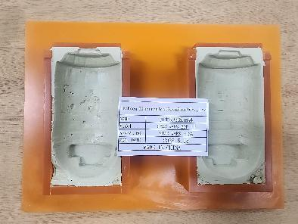 | 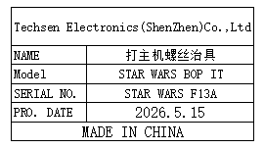 | 1 | 20 |  |  |  |  |  | 0.5 |  | 21.5x15.5x2.5 | Production Assemble | NO
Battery door screw fixture | 打电池门螺丝治具 | Techsen Electronics(ShenZhen)Co.,Ltd | STAR WARS BOP IT | STAR WARS F14A |  |  | 电木 |  |  | 2026-05-15 | CHINA | NEW | 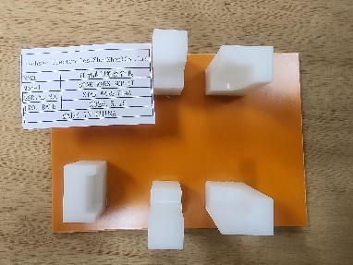 | 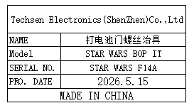 | 1 | 20 |  |  |  |  |  | 0.2 |  | 15.5x11x5 | Production Assemble | NO
Use the console cycle fixture | 打主机周期治具 | Techsen Electronics(ShenZhen)Co.,Ltd | STAR WARS BOP IT | STAR WARS F15A |  |  | 电木 |  |  | 2026-05-15 | CHINA | NEW | 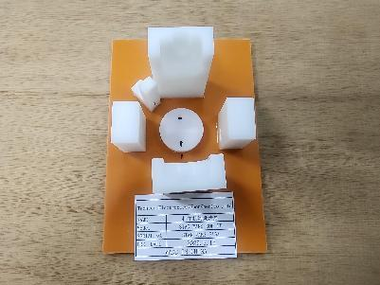 | 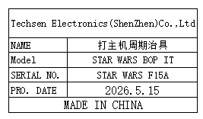 | 1 | 15 |  |  |  |  |  | 0.2 |  | 15.5x11x7 | Production Assemble | NO
Tie up the wire fixture | 扎扎线治具 | Techsen Electronics(ShenZhen)Co.,Ltd | STAR WARS BOP IT | STAR WARS F16A |  |  | 电木 |  |  | 2026-05-15 | CHINA | NEW | 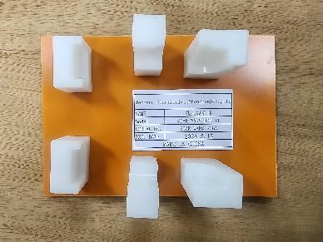 | 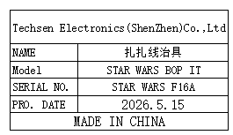 | 3 | 15 |  |  |  |  |  | 0.2*3 |  | 15.5x11x5 | Production Assemble | NO
Pneumatic test stand fixture | 气动测试架治具 | Techsen Electronics(ShenZhen)Co.,Ltd | STAR WARS BOP IT | STAR WARS J01A |  |  | 电木 |  |  | 2026-05-15 | CHINA | NEW | 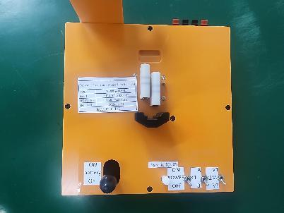 | 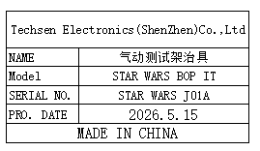 | 3 | 300 |  |  | T4 | 1 | 8.8 | 2.6*3 | 52*35x27 | 20x22x18 | Production Assemble | NO
wave soldering Fixture | 过炉治具 | Techsen Electronics(ShenZhen)Co.,Ltd | STAR WARS BOP IT (Main board) | STARITMF01A-H |  |  | 玻纤板 | / | / | 2026-05-28 | CHINA | NEW | 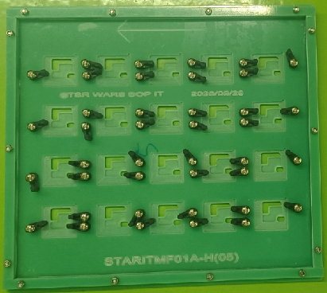 | 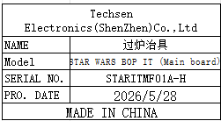 | 8 | 300 |  |  | T6 | 1 | 10.7 | 10 | 35X35x17 | 32.5x30x2 | wave soldering | NO
wave soldering Fixture | 过炉治具 | Techsen Electronics(ShenZhen)Co.,Ltd | STAR WARS BOP IT (Key board1) | STARITAF02A-B |  |  | 玻纤板 | / | / | 2026-05-28 | CHINA | NEW | 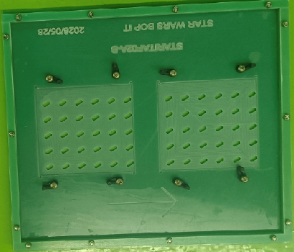 | 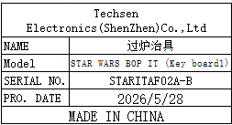 | 2 | 300 |  |  | T7 | 1 | 6.04 | 1.17*2 | 35X35x12 | 34x30x2 | wave soldering | NO
wave soldering Fixture | 过炉治具 | Techsen Electronics(ShenZhen)Co.,Ltd | STAR WARS BOP IT (Key board2) | STARITSF03A-C |  |  | 玻纤板 | / | / | 2026-05-28 | CHINA | NEW | 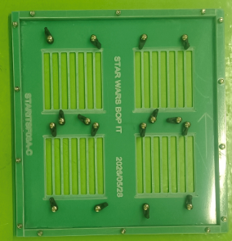 | 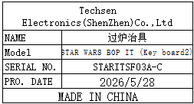 | 3 | 300 |  |  |  |  |  | 1*3 |  | 31x30x2 | wave soldering | NO

