listing
1) ENGLISH ITEM NAME (ex : OOOO machine) | 2)中文名称 | 3) MANUFACTUROR (ex : OOO company) | 4) MODEL NO (ex : abc-123) | 14) PICTURE (BEFORE PACKING) | 15) PICTURE (NAME PLATE or label) | 16)Quantity | 20)CARTON NO. | 21)CTN QTY | 26)应用范围
inductor | 感应器 | Landa Company | H5726-24A128 | 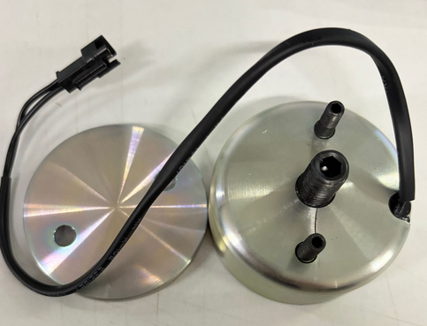 |  | 2 | D1 | 1 | SMT Machine maintenance
Soldering LED fixture | 焊LED治具 | Techsen Electronics(ShenZhen)Co.,Ltd | VE-1/VE-2 |  |  | 2 |  |  | assembly
pressure probe fixture | 啤压探头治具 | / | Logtag_TS-100 | 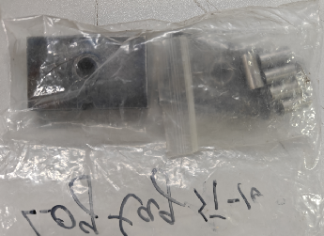 |  | 2sets |  |  | assembly
electrothermal constant-temperature drying box | 电热恒温干燥箱 | Shenzhen Jingyi Huang Electric Heating Equipment Factory | 101-4 | 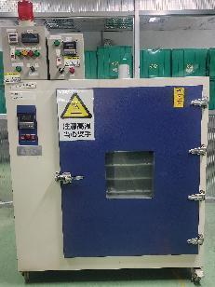 | 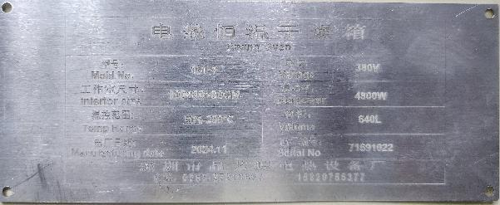 | 1 | D2 | 1 | Logtag model testing
Stencil | 钢网 | Shenzhen Changke Excellence Technology Co., LTD | EV-16L4 |  | 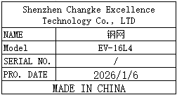 | 1 | D3 | 1 | SMT

